Switch Coverage
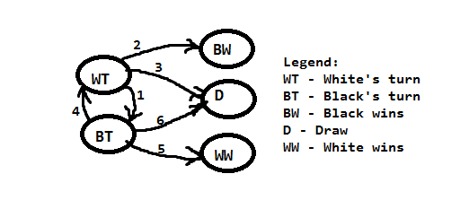
0-switch |  |  | 1-switch
WT1 | WT2 | WT3 | WT1BT4
BT4 | BT5 | BT6 | BT4WT1

