Sheet1
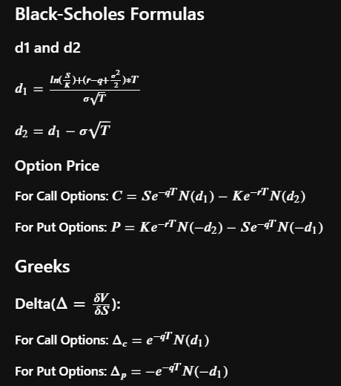
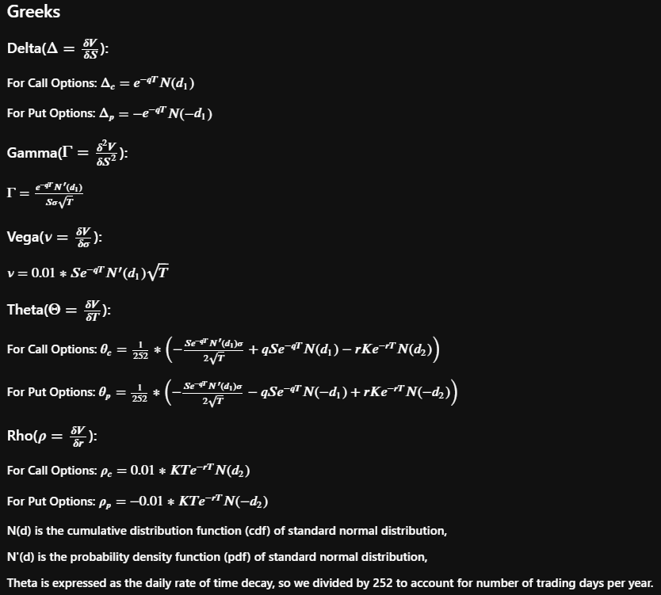
 |  |  | Call | Put
Implied Volatility | 50.00% | Price | 6.30245 | 12.02927
Risk-Free Rate | 0.26% | Delta | 0.50273 | -0.4973
Dividend Yield | 2.00% | Gamma | 0.01856 | 0.01856
Strike | $48.00 | Vega | 0.17154 | 0.17154
Expiry (year) | 1 | Theta | -0.01549 | -0.018341029362
Spot Price | $43.00 | Rho | 0.14887 | -0.32988277201

d1 | 0.0068549058005
d2 | -0.49315

