Sheet1
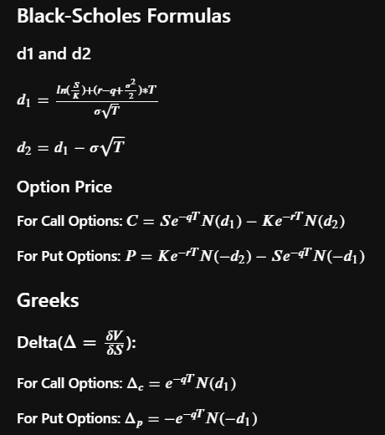
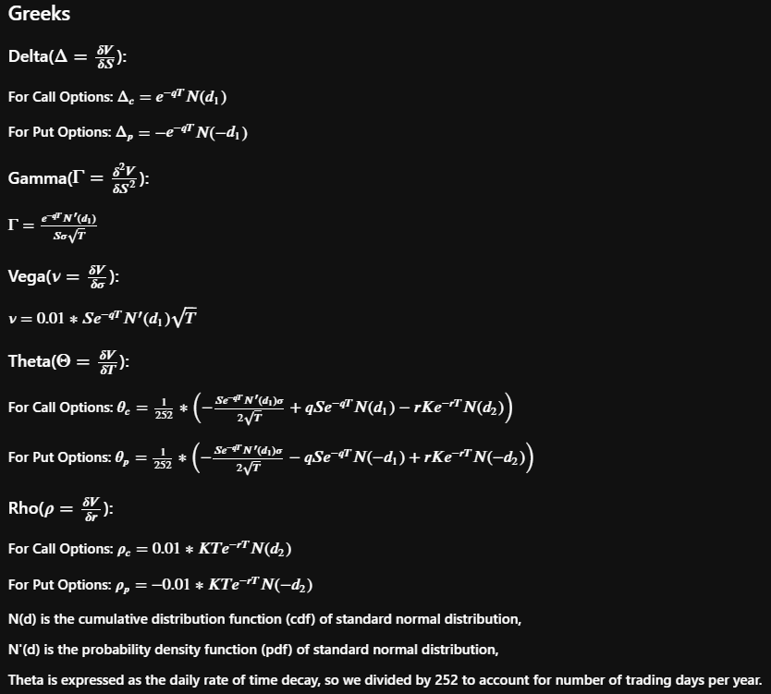
 |  |  | Call | Put
Implied Volatility | 40.00% | Price | 3.53696 | 7.42452
Risk-Free Rate | 4.50% | Delta | 0.47660 | -0.5234
Dividend Yield | 0.00% | Gamma | 0.03129 | 0.03129
Strike | $50.00 | Vega | 0.12672 | 0.12672
Expiry (year) | 0.5 | Theta | -0.02331 | -0.014583263609
Spot Price | $45.00 | Rho | 0.08955 | -0.15488744951

d1 | -0.058687252976
d2 | -0.34153

