Sheet1
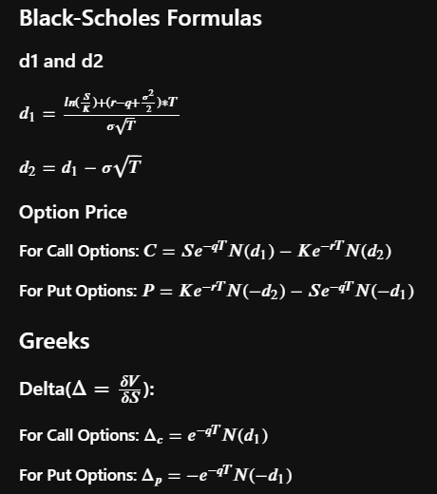
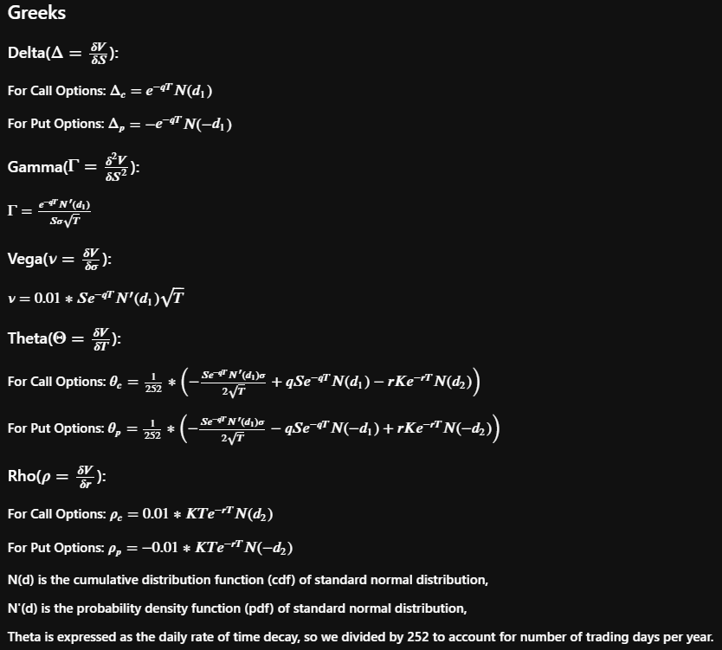
 |  |  | Call | Put
Implied Volatility | 40.00% | Price | 11.50499 | 0.51739
Risk-Free Rate | 5.00% | Delta | 0.66293 | -0.3371
Dividend Yield | 0.00% | Gamma | 0.02582 | 0.02582
Strike | $40.00 | Vega | 0.12911 | 0.12911
Expiry (year) | 0.5 | Theta | -0.02479 | -4.296032054
Spot Price | $50.00 | Rho | 0.10821 | -0.08685506604

d1 | 0.4204660314
d2 | 0.13762331893

