Sheet1
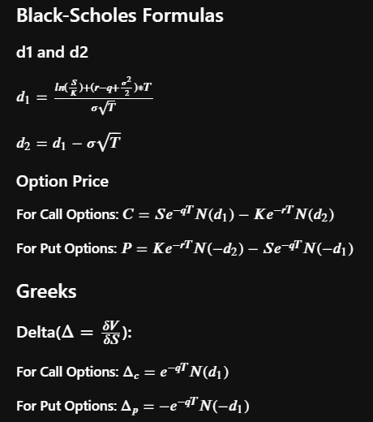
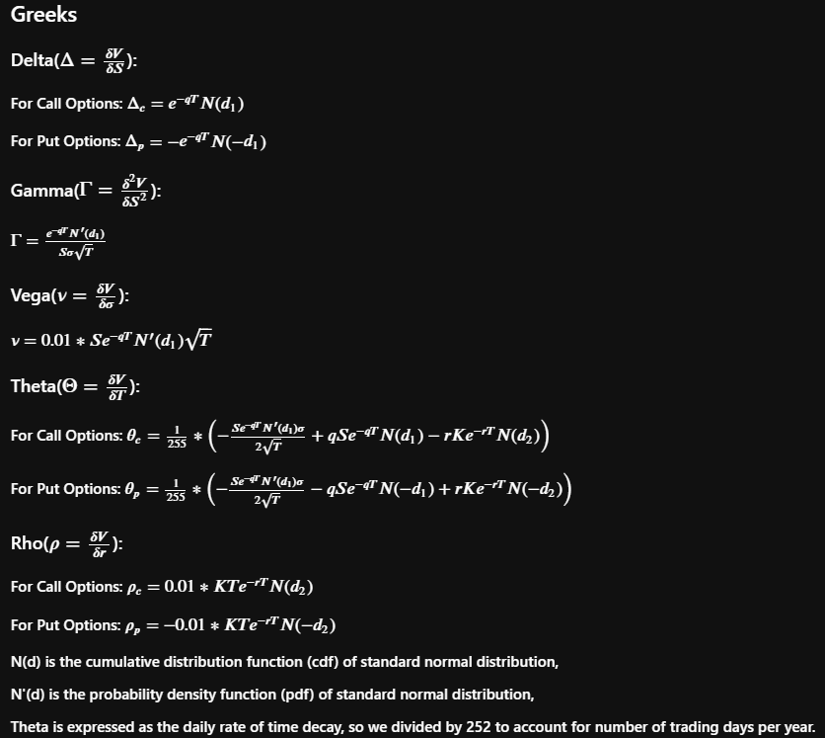
 |  |  | Call | Put
Volatility | 40.00% | Price | 6.76015 | 4.07254
Risk-Free Rate | 5.00% | Delta | 0.55634 | -0.4437
Dividend Yield | 2.00% | Gamma | 0.02793 | 0.02793
Strike | $48.00 | Vega | 0.13964 | 0.13964
Expiry (year) | 0.5 | Theta | -0.02408 | -4.7274623439
Spot Price | $50.00 | Rho | 0.10390 | -0.13017513391

d1 | 0.14168525991
d2 | -0.14115745257

