Dashboard
UEFA EURO 2024 DASHBOARD
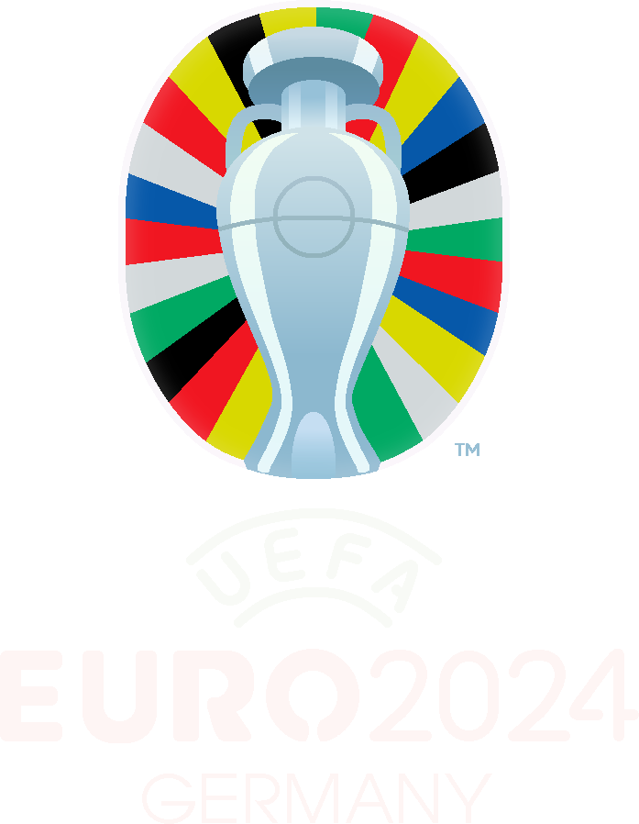
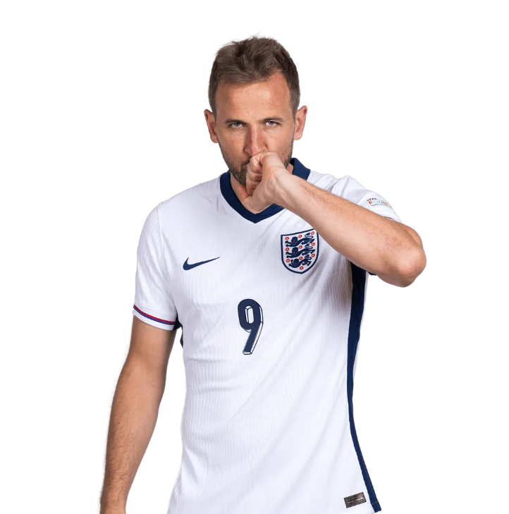
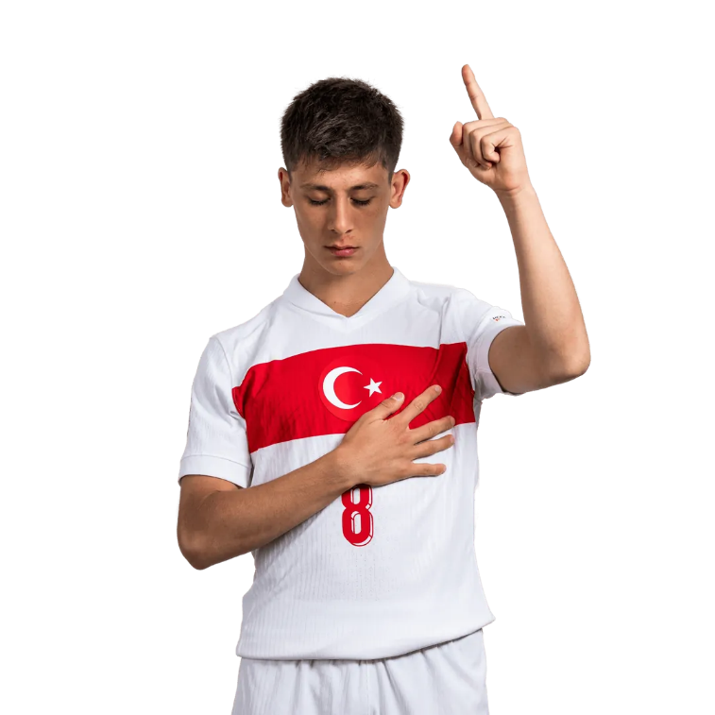
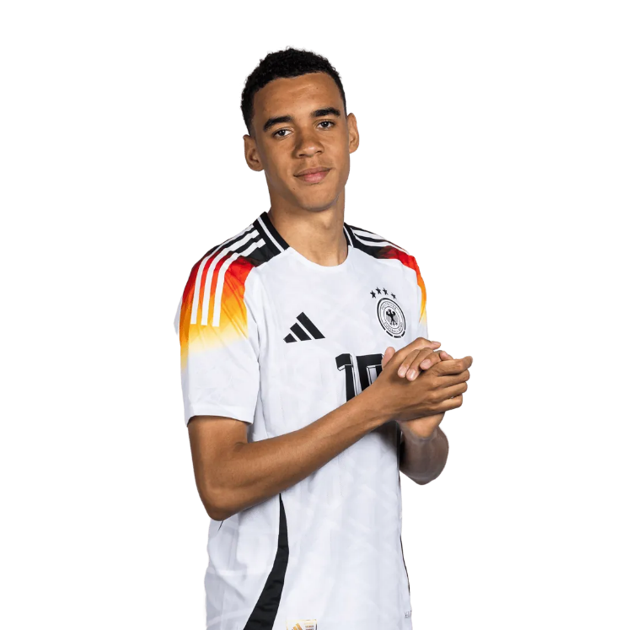

623
2587
184,18
11.468.825.000,00 €

TOPLAM OYUNCU SAYISI
TOPLAM GOL SAYISI
BOY ORTALAMASI
TOPLAM PİYASA DEĞERİ

SOL AYAKLI FUTBOLCULARIN MEVKİLERİ
 | Toplam
Attacking Midfield | 16
Central Midfield | 16
Centre-Back | 30
Centre-Forward | 16
Defensive Midfield | 4
Goalkeeper | 9
Left Midfield | 3
Left Winger | 3
Left-Back | 29
Right Midfield | 1
Right Winger | 23
SÜPER LİG'DEN EN ÇOK OYUNCU GÖNDEREN KLÜP
 | Toplam
Fenerbahce | 8
Besiktas JK | 4
Galatasaray | 4
Gaziantep FK | 3
Trabzonspor | 2
Antalyaspor | 2
Konyaspor | 1
Sivasspor | 1
Alanyaspor | 1
Basaksehir FK | 1

TÜRK MİLLİ TAKIMINDAKİ OYUNCULARIN PİYASA DEĞERLERİ
 | Toplam
Hakan Çalhanoğlu | 45,000,000.00 €
Arda Güler | 30,000,000.00 €
Kenan Yıldız | 30,000,000.00 €
Orkun Kökçü | 27,000,000.00 €
Ferdi Kadıoğlu | 21,000,000.00 €
Barış Alper Yılmaz | 17,000,000.00 €
Merih Demiral | 16,000,000.00 €
Kerem Aktürkoğlu | 15,000,000.00 €
Semih Kılıçsoy | 12,000,000.00 €
İsmail Yüksek | 12,000,000.00 €
Salih Özcan | 10,000,000.00 €
Ahmetcan Kaplan | 10,000,000.00 €
İrfan Can Kahveci | 10,000,000.00 €
Yusuf Yazıcı | 10,000,000.00 €
Altay Bayındır | 10,000,000.00 €
Abdülkerim Bardakcı | 9,000,000.00 €
Uğurcan Çakır | 8,000,000.00 €
Zeki Çelik | 6,000,000.00 €
Yunus Akgün | 5,000,000.00 €
Kaan Ayhan | 4,700,000.00 €
Mert Müldür | 4,200,000.00 €
Bertuğ Yıldırım | 3,500,000.00 €
Okay Yokuşlu | 3,000,000.00 €
Samet Akaydin | 2,500,000.00 €
Cenk Tosun | 2,000,000.00 €
Mert Günok | 1,200,000.00 €

en çok gol atan 30 YAŞ ÜSTÜ FORVET OYUNCULAR
 | Toplam
Cristiano Ronaldo | 128
Robert Lewandowski | 82
Harry Kane | 63
Memphis Depay | 45
Álvaro Morata | 34
Andrej Kramaric | 28
Cenk Tosun | 20
Andraz Sporar | 11
Niclas Füllkrug | 11
Wout Weghorst | 10
Giorgi Kvilitaia | 6
Joselu | 5

20 YAŞ VE ALTI EN ÇOK MAÇA ÇIKMIŞ OYUNCULAR
 | Toplam
Jude Bellingham | 29
Milos Kerkez | 15
Mario Mitaj | 13
António Silva | 10
Zeno Debast | 7
Arda Güler | 6
Kenan Yıldız | 6
João Neves | 6
Lamine Yamal | 6
Arthur Vermeeren | 4
Warren Zaïre-Emery | 3
Kobbie Mainoo | 3
Leo Sauer | 2
Gabriel Sigua | 2
Leopold Querfeld | 1
Sebastian Kosa | 1
Petar Ratkov | 1
Kacper Urbanski | 1
Semih Kılıçsoy | 1
Medon Berisha | 1
Aleksandar Pavlovic | 1
Adam Wharton | 1
Matej Jurasek | 1

SOL AYAKLI FUTB. MEVKİLERİ
Foot | left

Satır Etiketleri | Say Name
Attacking Midfield | 16
Central Midfield | 16
Centre-Back | 30
Centre-Forward | 16
Defensive Midfield | 4
Goalkeeper | 9
Left Midfield | 3
Left Winger | 3
Left-Back | 29
Right Midfield | 1
Right Winger | 23
Genel Toplam | 150

SÜP.LİG EN FAZLA OYNC GÖND KLP
League | Süper Lig

Satır Etiketleri | Say Name
Fenerbahce | 8
Besiktas JK | 4
SÜPER LİG'DEN EN ÇOK OYUNCU GÖNDEREN KLÜP
Galatasaray | 4
Gaziantep FK | 3
Trabzonspor | 2
Antalyaspor | 2
Konyaspor | 1
Sivasspor | 1
Alanyaspor | 1
Basaksehir FK | 1
Genel Toplam | 27

30 YAŞ ÜSTÜ FORVET GOL ATANLAR
Age | (Birden Çok Öğe)
Foot | right
Position | Centre-Forward

 | Toplam Goals
Cristiano Ronaldo | 128
Robert Lewandowski | 82
Harry Kane | 63
Memphis Depay | 45
Álvaro Morata | 34
Andrej Kramaric | 28
Cenk Tosun | 20
Andraz Sporar | 11
Niclas Füllkrug | 11
Wout Weghorst | 10
Giorgi Kvilitaia | 6
Joselu | 5
Genel Toplam | 443

TÜRKİYE MİLLİ TAKIMI PİYASA DEĞ
Country | Turkey

Satır Etiketleri | Toplam MarketValue
Hakan Çalhanoğlu | 45,000,000.00 €
Arda Güler | 30,000,000.00 €
Kenan Yıldız | 30,000,000.00 €
Orkun Kökçü | 27,000,000.00 € | TÜRK MİLLİ TAKIMINDAKİ OYUNCULARIN PİYASA DEĞERLERİ
TÜRK MİLLİ TAKIMINDAKİ OYUNCULARIN PİYASA DEĞERLERİ
Ferdi Kadıoğlu | 21,000,000.00 €
Barış Alper Yılmaz | 17,000,000.00 €
Merih Demiral | 16,000,000.00 €
Kerem Aktürkoğlu | 15,000,000.00 €
Semih Kılıçsoy | 12,000,000.00 €
İsmail Yüksek | 12,000,000.00 €
Salih Özcan | 10,000,000.00 €
Ahmetcan Kaplan | 10,000,000.00 €
İrfan Can Kahveci | 10,000,000.00 €
Yusuf Yazıcı | 10,000,000.00 €
Altay Bayındır | 10,000,000.00 €
Abdülkerim Bardakcı | 9,000,000.00 €
Uğurcan Çakır | 8,000,000.00 €
Zeki Çelik | 6,000,000.00 €
Yunus Akgün | 5,000,000.00 €
Kaan Ayhan | 4,700,000.00 €
Mert Müldür | 4,200,000.00 €
Bertuğ Yıldırım | 3,500,000.00 €
Okay Yokuşlu | 3,000,000.00 €
Samet Akaydin | 2,500,000.00 €
Cenk Tosun | 2,000,000.00 €
Mert Günok | 1,200,000.00 €
Genel Toplam | 324,100,000.00 €

20 YAŞ ALTI EN ÇOK MAÇ OYN OYNC
Age | (Birden Çok Öğe)
 |  | SÜPER LİG'TEN MİLLİ TAKIMA GİDEN OYUNCULARIN PİYASA DEĞERLERİ
Satır Etiketleri | Toplam Caps
Jude Bellingham | 29
Milos Kerkez | 15
Mario Mitaj | 13
António Silva | 10
Zeno Debast | 7
Arda Güler | 6
20 YAŞ VE ALTI EN ÇOK MAÇA ÇIKMIŞ OYUNCULAR
Kenan Yıldız | 6
João Neves | 6
Lamine Yamal | 6
Arthur Vermeeren | 4
Warren Zaïre-Emery | 3
Kobbie Mainoo | 3
Leo Sauer | 2
Gabriel Sigua | 2
Leopold Querfeld | 1
Sebastian Kosa | 1
Petar Ratkov | 1
Kacper Urbanski | 1
Semih Kılıçsoy | 1
Medon Berisha | 1
Aleksandar Pavlovic | 1
Adam Wharton | 1
Matej Jurasek | 1
Genel Toplam | 121

