Sheet1
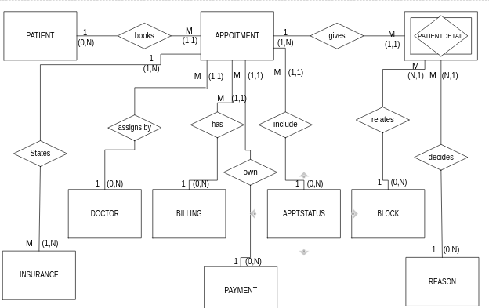
part 1a&b
Appt ID | Appt Date | Appt Time | Block Code | Block Desc | Block Minutes | Reason Code | Reason Desc | Patient ID | Patient Fname | Patient Lname | Patient Phone | Billing Type | Billing Type Desc | Ins Co ID | Ins Co Name | Dr ID | Dr Fname | Dr Lname | Appt Status Code | Appt Status Desc | Pmt Status | Pmt Desc
101 | 2021-09-25 | 9:00:00 | L1 | Level 1 | 10 Minutes | NP | New Patient | 101 | Wesley | Tanner | (817)555-1193 | I | Insurance | 323 | Humana | 2 | Micheal | Smith | CM | Complete | PF | Paid in Full
101 | 2021-09-25 | 9:00:00 | L2 | Level 2 | 15 Minutes | GBP | General Back Pain | 101 | Wesley | Tanner | (817)555-1193 | I | Insurance | 323 | Humana | 2 | Micheal | Smith | CM | Complete | PF | Paid In Full
101 | 2021-09-25 | 9:00:00 | L2 | Level 2 | 15 Minutes | XR | X-Ray | 101 | Wesley | Tanner | (817)555-1193 | I | Insurance | 323 | Humana | 2 | Micheal | Smith | CM | Complete | PF | Paid In Full
102 | 2021-09-25 | 9:00:00 | L1 | Level 1 | 10 Minutes | PSF | Post-Surgery Follow Up | 100 | Brenda | Rhodes | (214)555-9191 | I | Insurance | 129 | Blue Cross | 5 | Janice | May | CM | Complete | PP | Partial Pmt
102 | 2021-09-25 | 9:00:00 | L1 | Level 1 | 10 Minutes | SR | Suture Removal | 100 | Brenda | Rhodes | (214)555-9191 | I | Insurance | 129 | Blue Cross | 5 | Janice | May | CM | Complete | PP | Partial Pmt
103 | 2021-09-25 | 10:00:00 | L1 | Level 1 | 10 Minutes | PSF | Post-Surgery Follow Up | 15 | Jeff | Miner | (469)555-2301 | SP | Self-Pay |  |  | 2 | Micheal | Smith | CM | Complete | PF | Paid In Full
103 | 2021-09-25 | 10:00:00 | L2 | Level 2 | 15 Minutes | SR | Suture Removal | 15 | Jeff | Miner | (469)555-2301 | SP | Self-Pay |  |  | 2 | Micheal | Smith | CM | Complete | PF | Paid In Full
104 | 2021-09-25 | 10:30:00 | L3 | Level 3 | 20 Minutes | PT | Physical Therapy | 77 | Kim | Jackson | (817)555-4911 | WC | Worker's Comp | 210 | State Farm | 1 | Kay | Jones | CM | Complete | PF | Paid in Full
105 | 2021-09-25 | 10:30:00 | L1 | Level 1 | 10 Minutes | NP | New Patient | 119 | Mary | Vaughn | (817)555-2134 | I | Insurance | 129 | Blue Cross | 2 | Micheal | Smith | CM | Complete | PP | Partial Pmt
105 | 2021-09-25 | 10:30:00 | L2 | Level 2 | 15 Minutes | AI | Auto Injury | 119 | Mary | Vaughn | (817)555-2134 | I | Insurance | 129 | Blue Cross | 2 | Micheal | Smith | CM | Complete | PP | Partial Pmt
106 | 2021-09-25 | 10:30:00 | L4 | Level 4 | 30 Minute | PT | Physical Therapy | 97 | Chris | Mancha | (469)555-3440 | SP | Self-Pay |  |  | 3 | Ray | Schultz | CM | Complete | NP | Not Paid
107 | 2021-09-25 | 11:30:00 | L3 | Level 3 | 20 Minutes | PT | Physical Therapy | 28 | Renee | Walker | (214)555-9285 | I | Insurance | 129 | Blue Cross | 3 | Ray | Schultz | CN | Confirmed | PP | Partial Pmt
108 | 2021-09-25 | 11:30:00 | L2 | Level 2 | 15 Minutes | GBP | General Back Pain | 105 | Johnny | Redmond | (214)555-1084 | I | Insurance | 323 | Humana | 2 | Micheal | Smith | CN | Confimed | NP | Not Paid
109 | 2021-09-25 | 14:00:00 | L1 | Level 1 | 10 Minutes | PSF | Post-Surgery Follow Up | 84 | James | Clayton | (214)555-9285 | I | Insurance | 135 | TriCare | 5 | Janice | May | CN | Confirmed | NP | Not Paid
109 | 2021-09-25 | 14:00:00 | L2 | Level 2 | 15 Minutes | SR | Suture Removal | 84 | James | Clayton | (214)555-9285 | I | Insurance | 135 | TriCare | 5 | Janice | May | CN | Confirmed | NP | Not Paid
110 | 2021-09-26 | 8:30:00 | L4 | Level 4 | 30 Minutes | PT | Physical Therapy | 84 | James | Clayton | (214)555-9285 | I | Insurance | 135 | TriCare | 3 | Ray | Schultz | NC | Not Confirmed | NP | Not Paid
111 | 2021-09-26 | 8:30:00 | L1 | Level 1 | 10 Minutes | NP | New Patient | 23 | Shelby | Davis | (817)555-1198 | WC | Worker's Comp | 323 | Humana | 1 | Janice | May | CN | Confirmed | Np | Not Paid
111 | 2021-09-26 | 8:30:00 | L2 | Level 2 | 15 Minutes | HP | Hip Pain | 23 | Shelby | Davis | (817)555-1198 | WC | Worker's Comp | 323 | Humana | 1 | Janice | May | CN | Confirmed | Np | Not Paid
111 | 2021-09-26 | 8:30:00 | L2 | Level 2 | 15 Minutes | XR | X-Ray | 23 | Shelby | Davis | (817)555-1198 | WC | Worker's Comp | 323 | Humana | 1 | Janice | May | CN | Confirmed | Np | Not Paid

part 1d.

Part 2b.

part 3b.
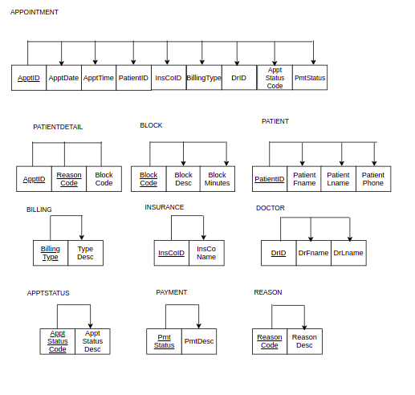

4a
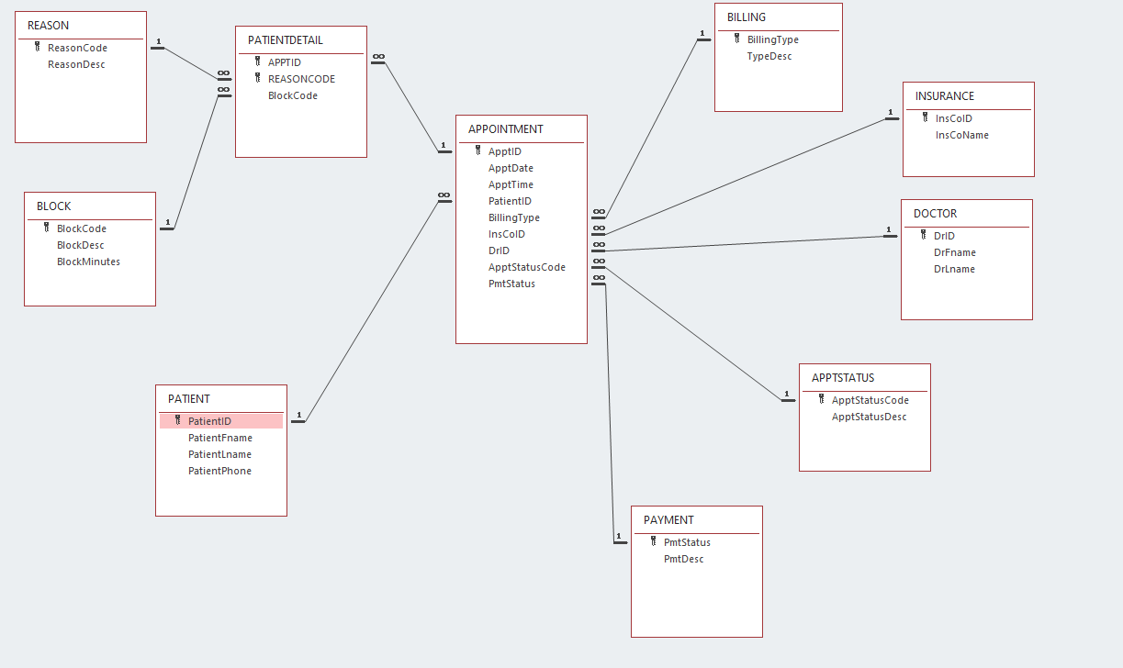

4b

