Ex1
1. Highlight/Fill cells above 7000 (red background)
2. Highlight/Fill cells between 6000-8000 with yellow background (do not delete the previous rule)
3. Insert a set of basic icons

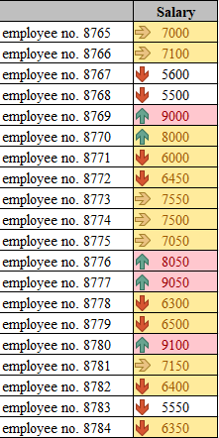
 | Salary | Desired final result:
employee no. 8765 | 7000
employee no. 8766 | 7100
employee no. 8767 | 5600
employee no. 8768 | 5500
employee no. 8769 | 9000
employee no. 8770 | 8000
employee no. 8771 | 6000
employee no. 8772 | 6450
employee no. 8773 | 7550
employee no. 8774 | 7500
employee no. 8775 | 7050
employee no. 8776 | 8050
employee no. 8777 | 9050
employee no. 8778 | 6300
employee no. 8779 | 6500
employee no. 8780 | 9100
employee no. 8781 | 7150
employee no. 8782 | 6400
employee no. 8783 | 5550
employee no. 8784 | 6350

Ex2
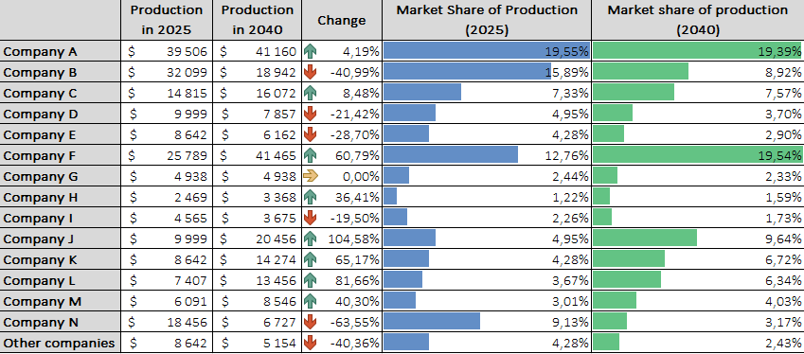
1. Customize the formatting of the following columns
2. Calculate the percentage change between production values
3. Select icons in Change column (3 icons: for positive change, negative change and no change)
4. Count the market share and display it as data bars.

 | Production in 2025 | Production in 2040 | Change | Market Share of Production (2025) | Market share of production (2040)
Company A | $39,506 | $41,160 | 4% | 19.55% | 19.39%
Company B | $32,099 | $18,942 | -41% | 15.89% | 8.92%
Company C | $14,815 | $16,072 | 8% | 7.33% | 7.57%
Company D | $9,999 | $7,857 | -21% | 4.95% | 3.70%
Company E | $8,642 | $6,162 | -29% | 4.28% | 2.90%
Company F | $25,789 | $41,465 | 61% | 12.76% | 19.54%
Company G | $4,938 | $4,938 | 0% | 2.44% | 2.33%
Company H | $2,469 | $3,368 | 36% | 1.22% | 1.59%
Company I | $4,565 | $3,675 | -19% | 2.26% | 1.73%
Company J | $9,999 | $20,456 | 105% | 4.95% | 9.64%
Company K | $8,642 | $14,274 | 65% | 4.28% | 6.72%
Company L | $7,407 | $13,456 | 82% | 3.67% | 6.34%
Company M | $6,091 | $8,546 | 40% | 3.01% | 4.03%
Company N | $18,456 | $6,727 | -64% | 9.13% | 3.17%
Other companies | $8,642 | $5,154 | -40% | 4.28% | 2.43%
Desired final result:

Ex3
1. Highlight/Fill duplicate values with red color
2. Remove duplicate rows.
3. In addition, Highlight/Fill negative percentages with color and select a set of icons.

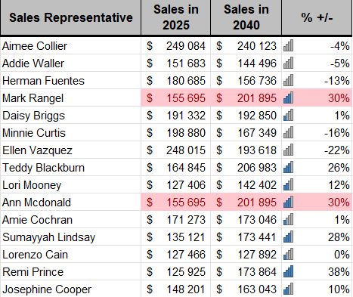
Sales Representative | Sales in 2025 | Sales in 2040 | % +/- | Desired final result:
Aimee Collier | $249,084.00 | $240,123.00 | -4%
Addie Waller | $151,682.75 | $144,495.75 | -5%
Herman Fuentes | $180,685.00 | $156,736.25 | -13%
Mark Rangel | $155,695.25 | $201,895.00 | 30%
Daisy Briggs | $191,331.75 | $192,849.75 | 1%
Minnie Curtis | $198,879.50 | $167,348.50 | -16%
Ellen Vazquez | $248,014.75 | $193,618.00 | -22%
Teddy Blackburn | $164,845.00 | $206,983.00 | 26%
Lori Mooney | $127,405.75 | $142,402.25 | 12%
Ann Mcdonald | $155,695.25 | $201,895.00 | 30%
Amie Cochran | $171,272.75 | $173,045.50 | 1%
Sumayyah Lindsay | $135,121.00 | $173,440.50 | 28%
Lorenzo Cain | $127,465.75 | $127,892.25 | 0%
Remi Prince | $125,924.75 | $173,863.75 | 38%
Josephine Cooper | $148,200.50 | $163,042.75 | 10%

Ex5
The 8 highest sales values are Highlighted/Filled in green, and data bars show the number of packages.

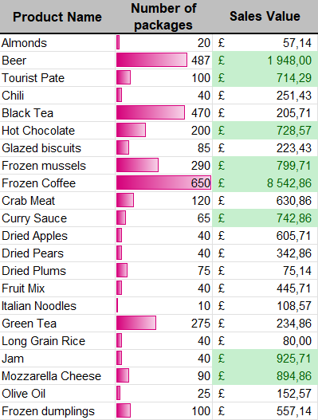
Product Name | Number of packages | Sales Value | Desired final result:
Almonds | 20 | £57.14
Beer | 487 | £1,948.00
Tourist Pate | 100 | £714.29
Chili | 40 | £251.43
Black Tea | 470 | £205.71
Hot Chocolate | 200 | £728.57
Glazed biscuits | 85 | £223.43
Frozen mussels | 290 | £799.71
Frozen Coffee | 650 | £8,542.86
Crab Meat | 120 | £630.86
Curry Sauce | 65 | £742.86
Dried Apples | 40 | £605.71
Dried Pears | 40 | £342.86
Dried Plums | 75 | £75.14
Fruit Mix | 40 | £445.71
Italian Noodles | 10 | £108.57
Green Tea | 275 | £234.86
Long Grain Rice | 40 | £80.00
Jam | 40 | £925.71
Mozzarella Cheese | 90 | £894.86
Olive Oil | 25 | £152.57
Frozen dumplings | 100 | £557.14

Ex6
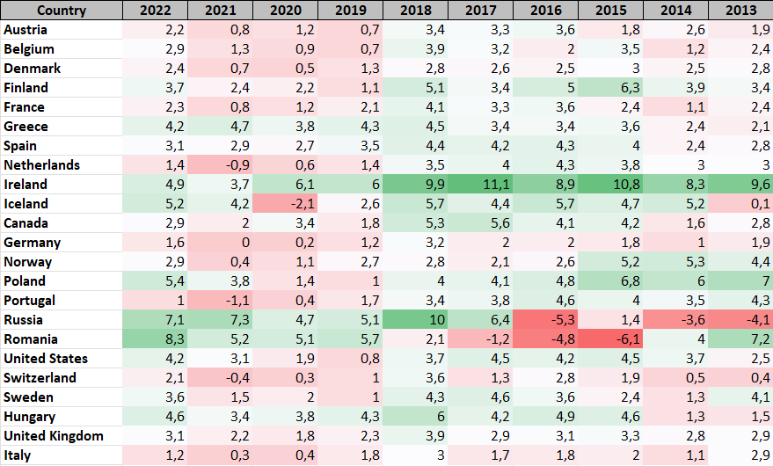
Distinguish between the smallest and largest values (based on the color scale)

Gross domestic product, annual growth rate
Country | 2022 | 2021 | 2020 | 2019 | 2018 | 2017 | 2016 | 2015 | 2014 | 2013
Austria | 2.2 | 0.8 | 1.2 | 0.7 | 3.4 | 3.3 | 3.6 | 1.8 | 2.6 | 1.9
Belgium | 2.9 | 1.3 | 0.9 | 0.7 | 3.9 | 3.2 | 2 | 3.5 | 1.2 | 2.4
Denmark | 2.4 | 0.7 | 0.5 | 1.3 | 2.8 | 2.6 | 2.5 | 3 | 2.5 | 2.8
Finland | 3.7 | 2.4 | 2.2 | 1.1 | 5.1 | 3.4 | 5 | 6.3 | 3.9 | 3.4
France | 2.3 | 0.8 | 1.2 | 2.1 | 4.1 | 3.3 | 3.6 | 2.4 | 1.1 | 2.4
Greece | 4.2 | 4.7 | 3.8 | 4.3 | 4.5 | 3.4 | 3.4 | 3.6 | 2.4 | 2.1
Spain | 3.1 | 2.9 | 2.7 | 3.5 | 4.4 | 4.2 | 4.3 | 4 | 2.4 | 2.8
Netherlands | 1.4 | -0.9 | 0.6 | 1.4 | 3.5 | 4 | 4.3 | 3.8 | 3 | 3
Ireland | 4.9 | 3.7 | 6.1 | 6 | 9.9 | 11.1 | 8.9 | 10.8 | 8.3 | 9.6
Iceland | 5.2 | 4.2 | -2.1 | 2.6 | 5.7 | 4.4 | 5.7 | 4.7 | 5.2 | 0.1
Canada | 2.9 | 2 | 3.4 | 1.8 | 5.3 | 5.6 | 4.1 | 4.2 | 1.6 | 2.8
Germany | 1.6 | 0 | 0.2 | 1.2 | 3.2 | 2 | 2 | 1.8 | 1 | 1.9
Norway | 2.9 | 0.4 | 1.1 | 2.7 | 2.8 | 2.1 | 2.6 | 5.2 | 5.3 | 4.4
Poland | 5.4 | 3.8 | 1.4 | 1 | 4 | 4.1 | 4.8 | 6.8 | 6 | 7
Portugal | 1 | -1.1 | 0.4 | 1.7 | 3.4 | 3.8 | 4.6 | 4 | 3.5 | 4.3
Russia | 7.1 | 7.3 | 4.7 | 5.1 | 10 | 6.4 | -5.3 | 1.4 | -3.6 | -4.1
Romania | 8.3 | 5.2 | 5.1 | 5.7 | 2.1 | -1.2 | -4.8 | -6.1 | 4 | 7.2
United States | 4.2 | 3.1 | 1.9 | 0.8 | 3.7 | 4.5 | 4.2 | 4.5 | 3.7 | 2.5
Switzerland | 2.1 | -0.4 | 0.3 | 1 | 3.6 | 1.3 | 2.8 | 1.9 | 0.5 | 0.4
Sweden | 3.6 | 1.5 | 2 | 1 | 4.3 | 4.6 | 3.6 | 2.4 | 1.3 | 4.1
Hungary | 4.6 | 3.4 | 3.8 | 4.3 | 6 | 4.2 | 4.9 | 4.6 | 1.3 | 1.5
United Kingdom | 3.1 | 2.2 | 1.8 | 2.3 | 3.9 | 2.9 | 3.1 | 3.3 | 2.8 | 2.9
Italy | 1.2 | 0.3 | 0.4 | 1.8 | 3 | 1.7 | 1.8 | 2 | 1.1 | 2.9

Desired final result:

Ex8
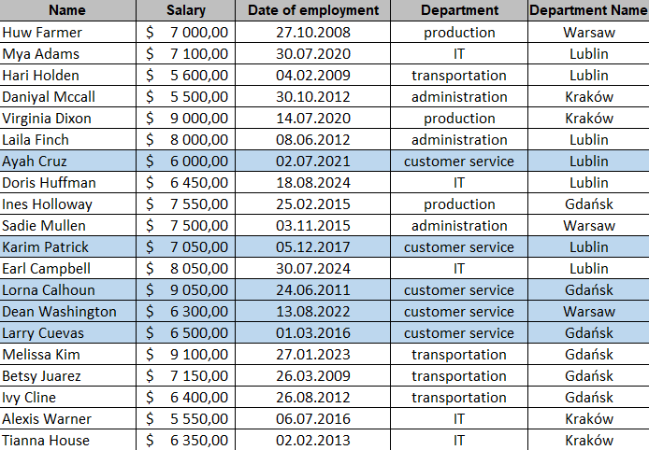
Highlight the background color and font of customer service department (full lines)

Name | Salary | Date of employment | Department | Department Name
Huw Farmer | $7,000.00 | 2008-10-27 12:00:00 | production | Warsaw
Mya Adams | $7,100.00 | 2020-07-30 12:00:00 | IT | Lublin
Hari Holden | $5,600.00 | 2009-02-04 12:00:00 | transportation | Lublin
Daniyal Mccall | $5,500.00 | 2012-10-30 12:00:00 | administration | Kraków
Virginia Dixon | $9,000.00 | 2020-07-14 12:00:00 | production | Kraków
Laila Finch | $8,000.00 | 2012-06-08 12:00:00 | administration | Lublin
Ayah Cruz | $6,000.00 | 2021-07-02 12:00:00 | customer service | Lublin
Doris Huffman | $6,450.00 | 2024-08-18 12:00:00 | IT | Lublin
Ines Holloway | $7,550.00 | 2015-02-25 12:00:00 | production | Gdańsk
Sadie Mullen | $7,500.00 | 2015-11-03 12:00:00 | administration | Warsaw
Karim Patrick | $7,050.00 | 2017-12-05 12:00:00 | customer service | Lublin
Earl Campbell | $8,050.00 | 2024-07-30 12:00:00 | IT | Lublin
Lorna Calhoun | $9,050.00 | 2011-06-24 12:00:00 | customer service | Gdańsk
Dean Washington | $6,300.00 | 2022-08-13 12:00:00 | customer service | Warsaw
Larry Cuevas | $6,500.00 | 2016-03-01 12:00:00 | customer service | Gdańsk
Melissa Kim | $9,100.00 | 2023-01-27 12:00:00 | transportation | Gdańsk
Betsy Juarez | $7,150.00 | 2009-03-26 12:00:00 | transportation | Gdańsk
Ivy Cline | $6,400.00 | 2012-08-26 12:00:00 | transportation | Gdańsk
Alexis Warner | $5,550.00 | 2016-07-06 12:00:00 | IT | Kraków
Tianna House | $6,350.00 | 2013-02-02 12:00:00 | IT | Kraków

Desired final result:

Ex9
 | 1. In the Forecasted sales column, Highlight/Fill in color the values that are at least 10% below the Actual sales column.
 | 2. Highlight/Fill the top 8 products (full rows) with a blue color.

 | Product | Forecasted sales | Actual sales
 | Black gel pens | 8,784 unit's | 6,565 unit's
 | Panasonic fax film KX-FA136A | 15,095 unit's | 12,761 unit's
 | Laminating foil, A3 size 1 pack/ 100 pcs, | 9,255 unit's | 8,631 unit's
 | Binding combs 12mm | 3,244 unit's | 4,237 unit's
 | Binding combs 22mm | 20,830 unit's | 18,539 unit's
 | Office glue stick, 35 g | 2,449 unit's | 327 unit's
 | Self-adhesive envelope white C-6 pack of 1000 pcs. | 1,896 unit's | 1,208 unit's
 | Large envelopes A4 - gray-50pcs pack. | 1,046 unit's | 25 unit's
 | Medium envelopes - gray-50pcs per pack. | 9,016 unit's | 9,265 unit's
 | HB pencil without eraser | 9,072 unit's | 9,513 unit's
 | A3 plain writing paper | 25,899 unit's | 24,293 unit's
 | Pins (50pcs. in pack) | 6,569 unit's | 8,163 unit's
 | Thermal roll for fax 210 mm/50 m | 17,795 unit's | 19,340 unit's
 | Cardboard folder, bound A4 | 29,146 unit's | 30,664 unit's
 | Cardboard clip-in folder A4 | 17,803 unit's | 17,212 unit's
 | Jute twine hank-25 dkg | 6,538 unit's | 5,820 unit's
 | Printer ribbon for EPSON LQ 680 printer | 10,277 unit's | 12,064 unit's
 | Toner cartridge for HP Laser Jet 4L printer | 26,253 unit's | 28,489 unit's
 | Toner for printer Samsung 2551 N | 7,955 unit's | 7,587 unit's
 | Toner for Samsung ML 1750 printer | 10,531 unit's | 8,211 unit's
 | Printer toner for Samsung SCX 4100 | 10,608 unit's | 10,067 unit's
 | HP 3325 USB printer ink color 8 ml | 14,658 unit's | 16,343 unit's
 | HP CP 1700 printer ink yellow HP11 C4813A | 6,923 unit's | 5,030 unit's
 | A4 checkered notebook - soft binding - 100 sheets | 6,973 unit's | 8,141 unit's
 | Staples 9/10mm (5000pcs/pack) | 23,464 unit's | 25,190 unit's

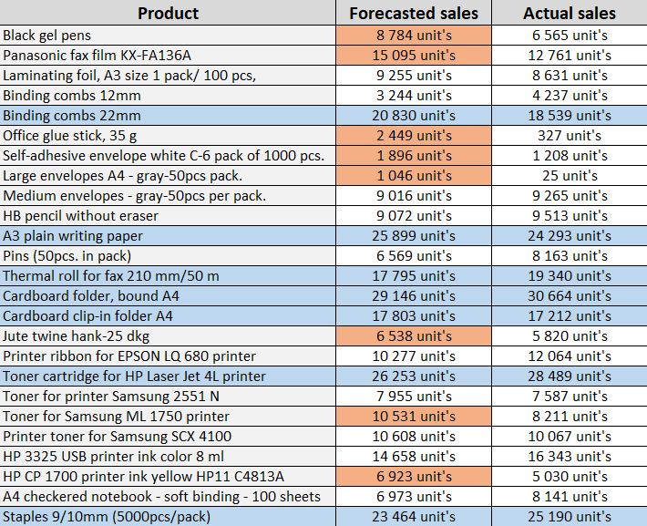
 | Desired final result:
MAX.K(

Ex 10
 | In the invoice table, Highlight/Fill the rows according to the formula:
2023-05-04 | - Blue background color, if the due date is in one week or less |  |  | =C9<TODAY()+7
 | - Red background color, if the due date is today |  |  | =C9=TODAY()
 | - Gray background color, if the due date has passed |  |  | =C9<TODAY()
 | `- Use borders to highlight dates that fall on weekends or holidays. |  |  | =OR(WEEKDAY(C9;2)>5;C9=$F$9:$F$21)


Invoice Number | Payment date (formula) | Date | Holidays 2023 |  | Desired final result:
IN/07/123 | 2023-04-21 | 2023-01-01 | New Year's Day
IN/06/235 | 2023-05-03 | 2023-01-06 | Epiphany
IN/07/165 | 2023-05-16 | 2023-04-09 | Easter Sunday
IN/06/02 | 2023-04-26 | 2023-04-10 | Easter Monday
IN/06/220 | 2023-05-04 | 2023-05-01 | Labour Day
IN/07/234 | 2023-05-06 | 2023-05-03 | Constitution Day
IN/07/23 | 2023-05-22 | 2023-05-28 | Whit Sunday
IN/07/56 | 2023-04-14 | 2023-07-08 | Corpus Christi
IN/07/124 | 2023-05-10 | 2023-08-15 | Assumption Day
IN/06/236 | 2023-05-18 | 2023-09-01 | All Saints' Day
IN/07/166 | 2023-04-25 | 2023-11-11 | Independence Day
IN/06/438 | 2023-04-16 | 2023-12-25 | Christmas Day
IN/06/656 | 2023-04-16 | 2023-12-26 | 2nd Day of Christmas
IN/07/234 | 2023-05-24
IN/07/23 | 2023-05-22
IN/07/56 | 2023-05-08
IN/07/125 | 2023-05-01
IN/06/237 | 2023-04-30
IN/07/167 | 2023-05-04
IN/06/874 | 2023-04-20
IN/06/1092 | 2023-04-23
IN/07/234 | 2023-05-02
IN/07/23 | 2023-05-03
IN/07/56 | 2023-05-22
IN/07/126 | 2023-05-15
IN/06/238 | 2023-04-27
IN/07/168 | 2023-04-17
IN/07/124 | 2023-04-30
IN/06/236 | 2023-04-20
IN/07/166 | 2023-05-19
IN/06/438 | 2023-04-23
IN/06/656 | 2023-05-21
IN/07/234 | 2023-05-04
IN/07/23 | 2023-04-20
IN/07/56 | 2023-05-01
IN/07/124 | 2023-04-18
IN/06/237 | 2023-05-15
IN/07/167 | 2023-05-09
IN/06/874 | 2023-05-23
IN/06/1092 | 2023-05-02
IN/07/234 | 2023-05-02
IN/07/23 | 2023-04-30
IN/07/56 | 2023-04-16
IN/07/125 | 2023-05-23

