Sheet1
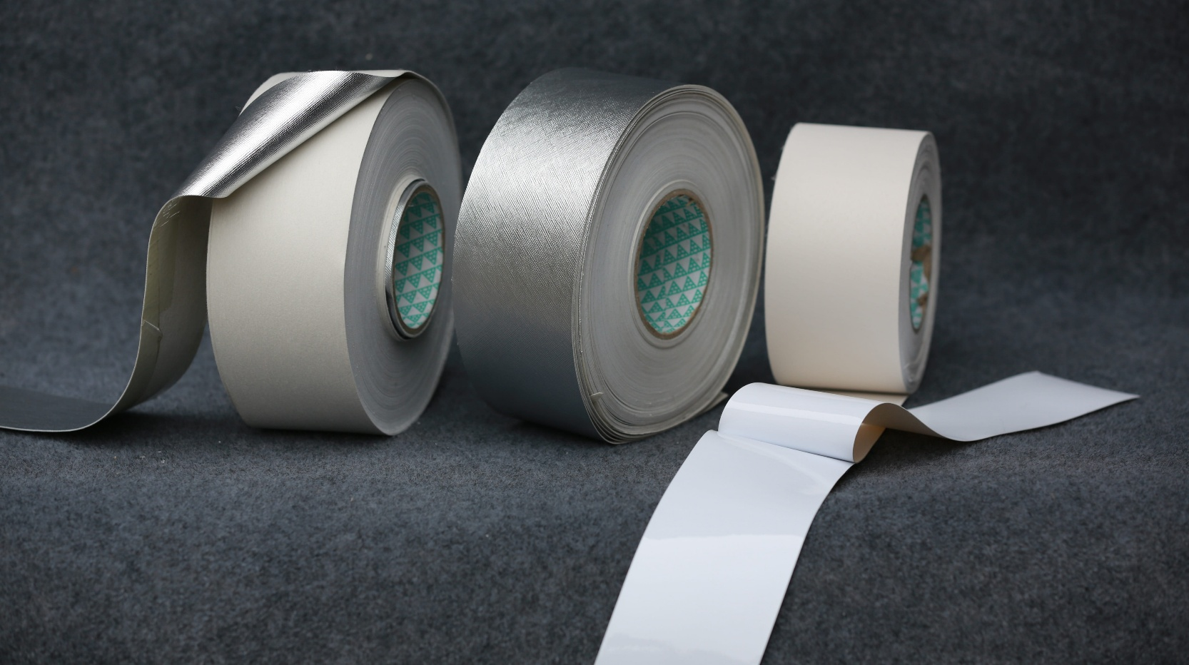

 |  |  | Home |  | About |  | Product |  | Service |  | Active service fields |  | Contact
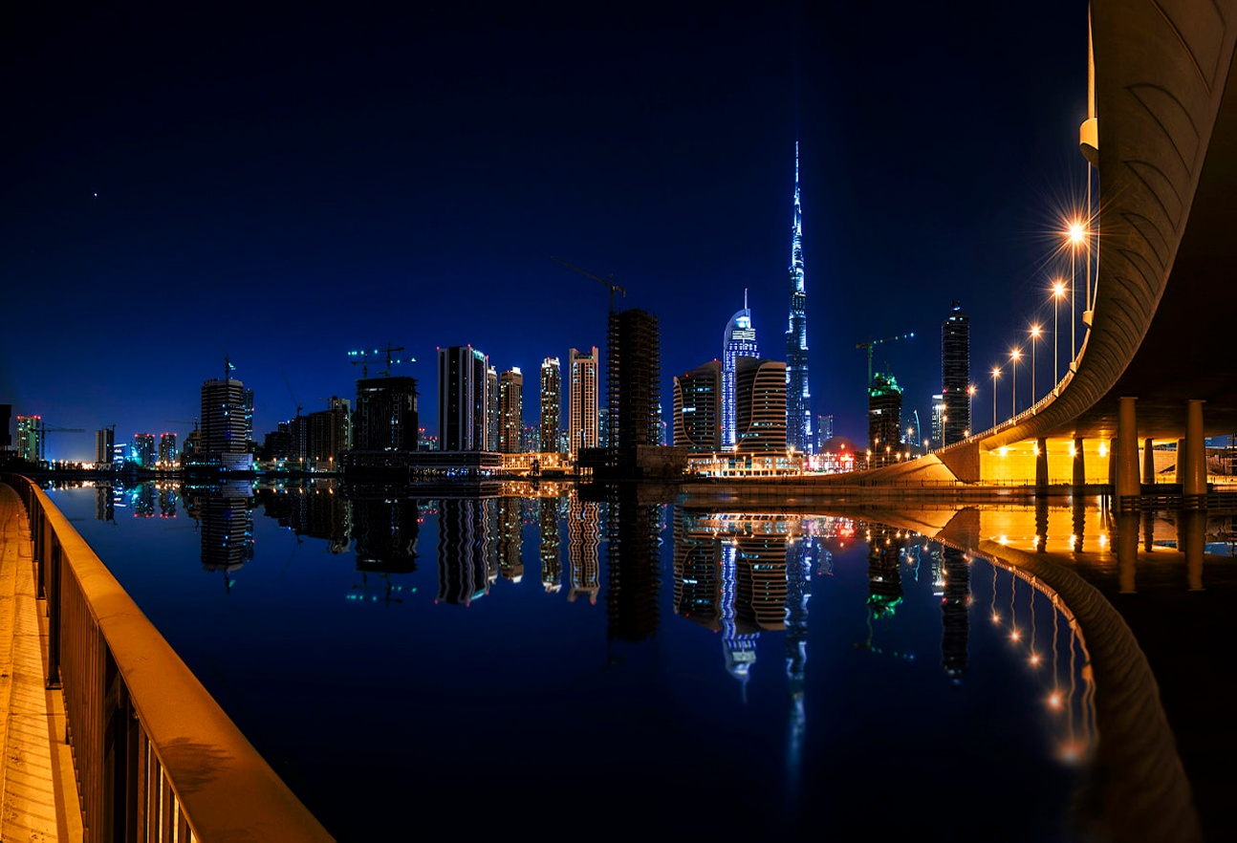
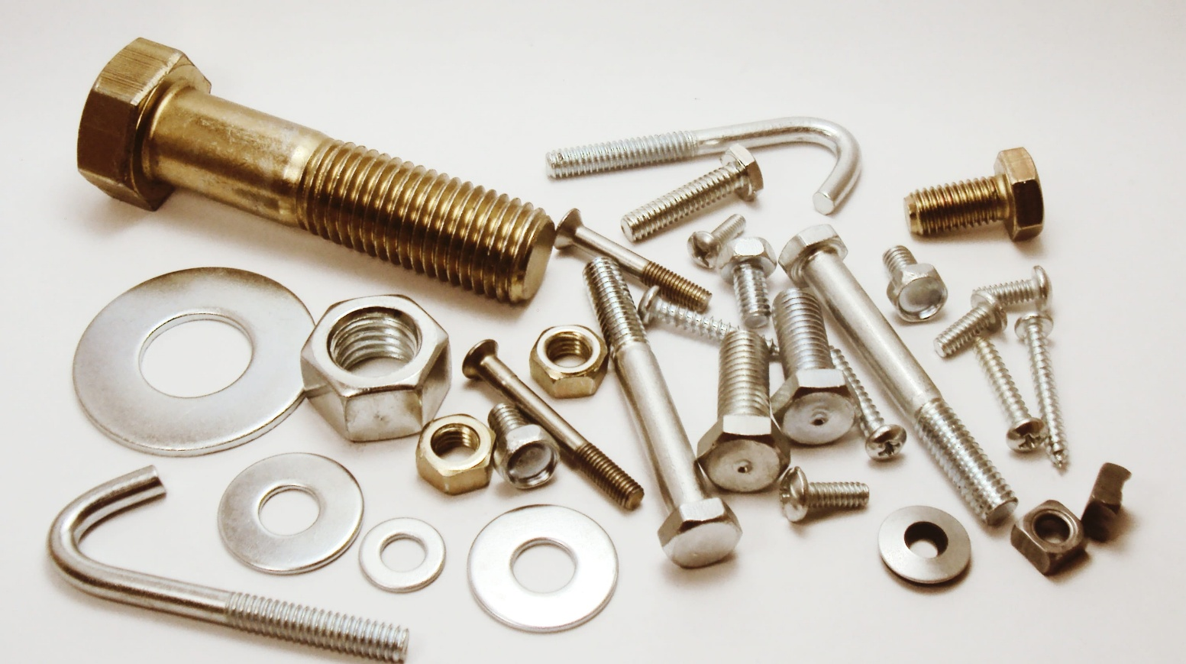

 |  |  |  |  |  |  |  |  |  |  |  |  |  |  | (Second image kubye likhe aana) |  | (third slide me ye likho aana image | (forth image me yo likho aana)
 |  |  | The Greatest aim of education |  |  |  |  |  |  |  |  |  |  |  |  |  | ke uppar)
 |  |  | is not knowledge but action |  |  |  |  |  |  |  |  |  |  |  | thousands of different fastener
 |  |  | (should be big in size) |  |  |  |  |  |  |  |  |  |  |  | products from leading |  | Different types of packing item
 |  |  |  |  |  |  |  |  |  |  |  |  |  |  | manufacturers of the world |  | to satisfy your requirements | Wide verity of choice in sanitary
 |  |  |  |  |  |  |  |  |  |  |  |  |  |  |  |  |  | iteam for the best ascetic look possible

 |  |  | We provide quality products
 |  |  | to make this world a better place

 |  |  |  | About Us

 |  | At Empire Trading, our vision is to provide quality product to all our customers.

  |  |  |  |  |  |  |  | Everything You Need Our business idea supports this vision by offering thousands of different fastener products from leading manufacturers of the world, packing items, functional home furnishing products at a affordable price. We offer customer the best possible service, selection, quality and value of time and money.

 |  |  |  |  |  | Product

 |  | Large variety of options, so that you could get the most suitable product to staisfy your need.
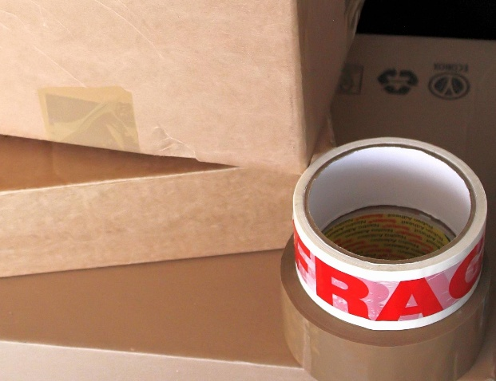
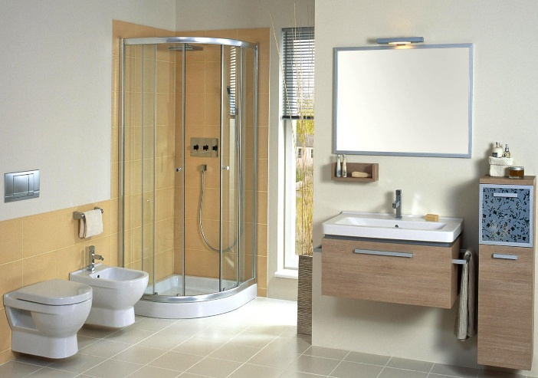

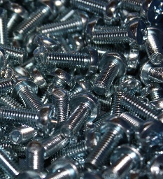
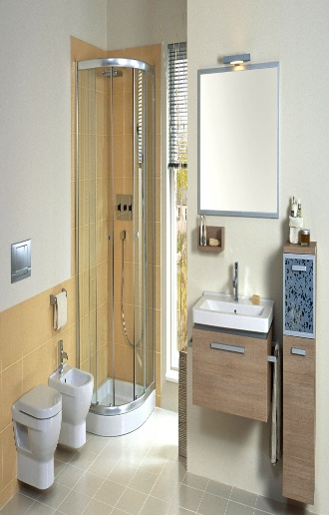
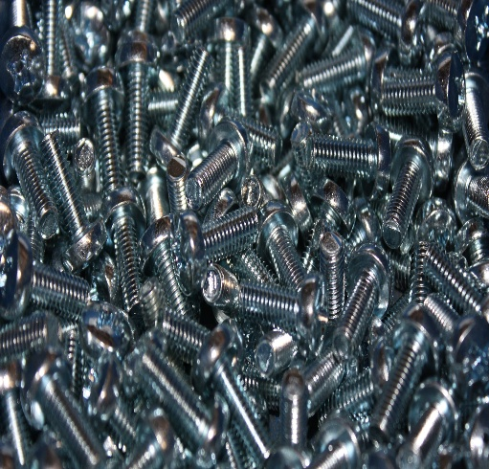

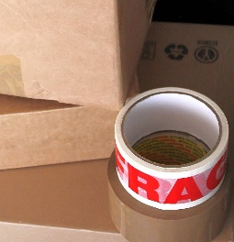

 |  |  |  |  |  |  |  |  |  | packing Item |  |  |  | Sanitary item
 |  |  |  |  |  |  | Fastners |  |  |  |  |  |  |  |  | Eco friendly Products
 |  | All products |  |  |  | (image ka upper ana)
 | (image ka upper ana)

 |  |  |  |  |  |  |  | service



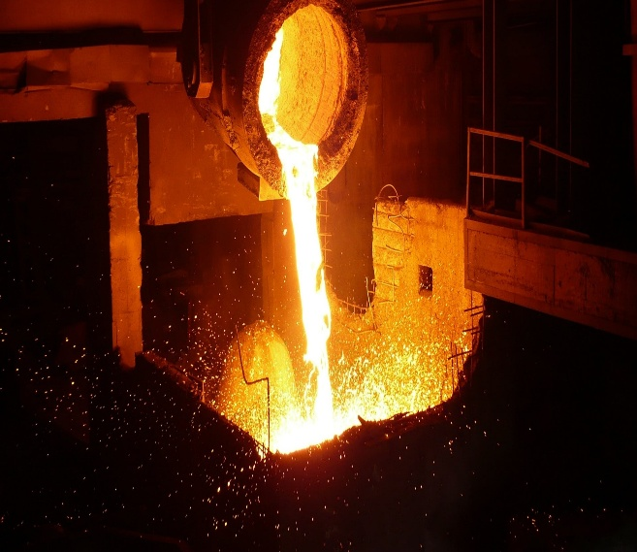

 |  | Manufacturing Assistance |  |  |  |  |  | web development |  |  |  | App development
 |  | (image ka upper ana) |  |  |  |  |  | (image ka upper ana) |  |  |  | (image ka upper ana)

 |  |  |  |  |  |  |  | Active service feild

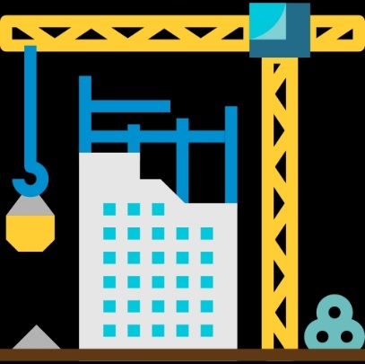


 |  |  | construction |  |  |  | Marine |  |  | aerospace


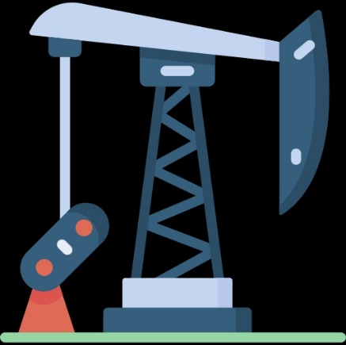

 |  |  | automobile
 |  |  |  |  |  |  | oil and gas |  |  | mining
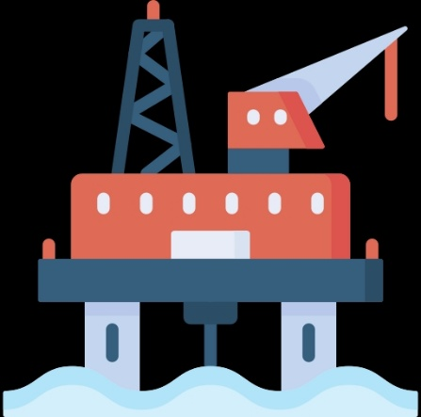



 |  | off-shore power generation |  |  |  | electronics |  |  | agriculture



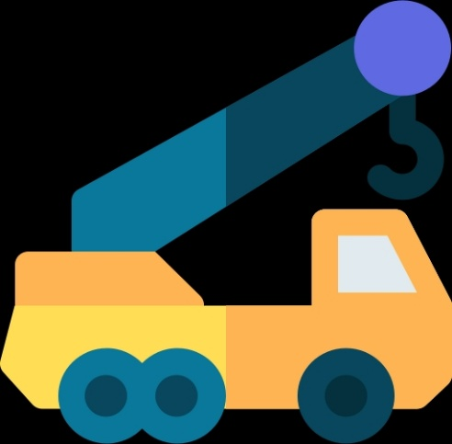

 |  | Manufacturing Industry
 |  |  |  |  |  | Heavyweight machinery |  |  |  | biodegradable product

 |  | location

 |  |  |  |  | google maps

 |  | constct info

 |  |  | logo

