3D-Printers
 |  |  | 3D Printers
Model | Picture link | Pros | Cons | Specs | Cost | URL
LulzBot Mini 2 Desktop | 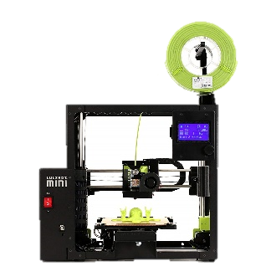 | • Can use any type of filament • Extremely Reliable • Fast • Ready to print out of Box • Automatic printing bed leveling | • Extruder/filament change issues • Print quality depends on material • Expensive • Must be imported to Japan | • Print Area: 160mm x 160mm x 180mm (6.30in x 6.30in x 7.09in) • Maximum Travel Speed: 300mm/s • Leveling: Automatic Compensation • Connectivity USB Serial and Included 8gb SD Card • Stock Tool Head: LulzBot Mini 2 Standard Tool Head • Extruder/Hot End: E3D Titan Aero • Nozzle Diameter: 0.5mm • Nozzle Material: Nickel-Plated Copper Alloy • Nozzle Temperature: Up to 290°C • Print Surface: Heated Borosilicate Glass/PEI • Maximum Print Bed Temperature: Up to 120°C • Layer Resolution: 0.05mm-0.4mm • Minimum Positive Feature Size: 0.5mm • Filament Diameter: 2.85mm • Supported Materials: PLA, Natural and Metal PLA Blends, TPU, ABS, PETG, nGen, HIPS, Polyamide, Nylon, Polycarbonate, PC • Operating System Compatibility: GNU/Linux, Mac, Windows • Recommended Software: Cura LulzBot Edition • Firmware: Marlin • Supported File Types: .stl, .obj, .x3d, .3mf, .png, .jpg | ¥158,895 | Lulzbot US Amazon
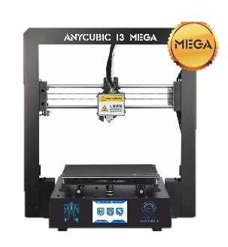 ANYCUBIC MEGA-S |  | • Easy to use • Backout resistant • Multi-material capabilities • Material break sensor • Strong adhesive platform • Multi-language UI • Comes with all tools needed • Easy print removal | • Expensive • Print quality depends on material • Noisy • No warranties • Slow | • Build volume: 210 x 210 x 205 mm (8.3 x 8.3 x 8.1 inches) • Layer height: 100 – 400 Microns • Feeder system: Bowden drive and geared feeder • Extruder type: Single • Nozzle size: 0.4 mm • Max. extruder temperature: 275 °C • Max. heated bed temperature: 100 °C • Frame: Aluminum • Print chamber: Open, not enclosed • Bed leveling: Manual • Print bed: Heated bed with Anycubic Ultrabase • Display: Full-Color Touch Screen • Connectivity: SD, USB cable • Print recovery • Filament sensor | ¥40,000.00 | ANYCUBIC JP Amazon
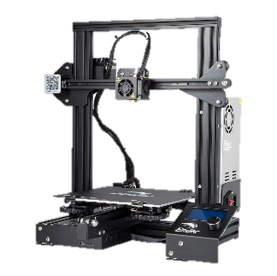 Comgrow [Ender-3X] |  | • Affordable • High-Quality prints • Easy assembly • Upgrades are 3D printable | • Uneven base • Adheasion will be needed • Manual bed leveling needed from time to time | • Technology: FDM • Print Area: 220 x 220 x 250mm • Nozzle: 0.4mm • Filament: 1.75mm PLA, ABS, TPU • Max. Print Speed: 200mm/s • Max. Layer Resolution: 0.1mm • Print Precision: +/-0.1mm • Heated Bed: Yes • Connectivity: SD Card, USB | ¥26,663.00 | Ender 3X JP Amazon
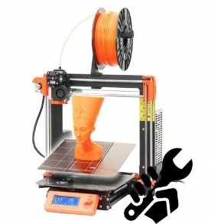 Original Prusa i3 MK3S |  | • Almost silent printing • Filament sensor • Fast • Blackout Proof • Layer Recovery capabilities • Amazing bridging and overhangs • Excellent Print quality • Crash detection Print pause and restart | • Long distance prints are not reliable • Expensive | • Build Volume: 250 x 210 x 200 mm • Print Bed: Heated, Removable, PEI Coating • Filament Diameter: 1.75 mm • Third-Party Filament: Yes • Max. Extruder Temperature: 300ºC • Max. Print Bed Temperature: 120ºC • Connectivity: SD Card, USB • Host/Slicer Software: Prusa Control/Prusa Slic3r • OS: Mac, Windows, Linux • Firmware: Marlin • Open Software/Hardware: Yes (GNU GPLv3) | ¥99,800.00 | Prusa i3 JP Amazon

