ServPro
ID | PayGrade | Gender | Minority | Married | Age | Tenure | Rating | Salary | Salary(Minority) | Salary (Non-Minority) | Tenure (Ordinal)
1 | 1 | 2 | 2 | 0 | 18 | 0.5 | 2 | 2390 | 2390 |  | 1
126 | 1 | 1 | 2 | 0 | 20 | 1.8 | 3 | 2470 | 2470 |  | 2 |  |  |  |  |  | Question 3
75 | 1 | 2 | 2 | 0 | 31 | 1.1 | 3 | 2480 | 2480 |  | 2
6 | 1 | 2 | 2 | 1 | 23 | 2.8 | 4 | 2510 | 2510 |  | 3
89 | 1 | 1 | 2 | 1 | 21 | 1.3 | 4 | 2530 | 2530 |  | 2 | Question 1 |  |  |  |  | Average Tenure by minority class of workers in each PayGrade | PayGrade
115 | 1 | 1 | 2 | 1 | 35 | 3.3 | 4 | 2530 | 2530 |  | 4 |  |  |  |  |  | Minority | 1 | 2 | 3 | Grand Total
19 | 1 | 2 | 2 | 0 | 26 | 2.8 | 3 | 2550 | 2550 |  | 3 | Average Month Salary ($) |  |  |  |  | 1 | 1.9789473684 | 3.2730769231 | 4.28125 | 3.3727272727
35 | 1 | 2 | 2 | 1 | 37 | 1.7 | 3 | 2550 | 2550 |  | 2 | Minority | Total |  |  |  | 2 | 1.7948717949 | 3.1933333333 | 3.9 | 2.4285714286
79 | 1 | 2 | 2 | 1 | 21 | 1.6 | 4 | 2570 | 2570 |  | 2 | 1 | 3175.5844156 |  |  |  | Grand Total | 1.8551724138 | 3.243902439 | 4.1975609756 | 2.9478571429
17 | 1 | 2 | 2 | 1 | 27 | 0.5 | 3 | 2610 | 2610 |  | 1 | 2 | 2910.3174603
112 | 1 | 1 | 2 | 0 | 21 | 2.7 | 4 | 2610 | 2610 |  | 3 | Grand Total | 3056.2142857
70 | 1 | 1 | 2 | 1 | 25 | 2.2 | 3 | 2620 | 2620 |  | 3
22 | 1 | 2 | 2 | 1 | 26 | 2.3 | 4 | 2650 | 2650 |  | 3 | Difference in the average salary ($) |  |  |  |  | Question 6
50 | 1 | 2 | 2 | 1 | 38 | 1.2 | 3 | 2650 | 2650 |  | 2 | 265.26695527
99 | 1 | 2 | 2 | 0 | 21 | 1.3 | 3 | 2650 | 2650 |  | 2 |  |  |  |  |  | Average of Rating
54 | 1 | 2 | 2 | 1 | 31 | 1.6 | 4 | 2670 | 2670 |  | 2 | H0: Unon-minority = Uminority | Ha = Unon-minority > Uminority |  |  |  | Minority Status | Total
125 | 1 | 2 | 2 | 0 | 27 | 0.5 | 3 | 2670 | 2670 |  | 1 |  |  |  |  |  | 1 | 6.961038961
48 | 1 | 2 | 2 | 1 | 25 | 1.4 | 3 | 2680 | 2680 |  | 2 | t-Test: Two-Sample Assuming Unequal Variances |  |  |  |  | 2 | 5.0317460317
102 | 1 | 1 | 2 | 0 | 23 | 3.2 | 4 | 2680 | 2680 |  | 4 |  |  |  |  |  | Grand Total | 6.0928571429
4 | 1 | 1 | 2 | 0 | 26 | 1.9 | 3 | 2690 | 2690 |  | 2 |  | Variable 1 | Variable 2
14 | 1 | 1 | 2 | 1 | 23 | 3.4 | 4 | 2690 | 2690 |  | 4 | Mean | 3175.5844156 | 2910.3174603
66 | 1 | 1 | 2 | 0 | 21 | 1.6 | 4 | 2690 | 2690 |  | 2 | Variance | 220493.40396 | 146393.44598 |  |  | Chi-Square Test for Independence of Two Qualitative Factors
109 | 2 | 1 | 2 | 0 | 35 | 2.9 | 5 | 2710 | 2710 |  | 3 | Observations | 77 | 63
63 | 1 | 1 | 2 | 0 | 19 | 1.1 | 3 | 2720 | 2720 |  | 2 | Hypothesized Mean Difference | 0 |  |  |  | Observed data
68 | 2 | 2 | 2 | 1 | 25 | 2.5 | 7 | 2720 | 2720 |  | 3 | df | 138 |  |  |  | Minority / Rating | 2 | 3 | 4 | 5 | 6 | 7 | 8 | 9 | 10 | Row Totals
72 | 1 | 2 | 2 | 0 | 21 | 1.6 | 3 | 2730 | 2730 |  | 2 | t Stat | 3.6831067261 |  |  |  | 1 (non-minority) | 2 | 7 | 9 | 2 | 10 | 13 | 6 | 14 | 14 | 77
131 | 1 | 1 | 2 | 1 | 33 | 2.0 | 4 | 2740 | 2740 |  | 2 | P(T<=t) one-tail | 0.00016492221721 |  |  |  | 2 (minority) | 1 | 17 | 21 | 3 | 4 | 6 | 3 | 5 | 3 | 63
61 | 1 | 2 | 2 | 1 | 20 | 0.7 | 3 | 2750 | 2750 |  | 1 | t Critical one-tail | 1.6559703824
103 | 1 | 1 | 2 | 1 | 37 | 1.3 | 4 | 2760 | 2760 |  | 2 | P(T<=t) two-tail | 0.00032984443443 |  |  |  | Column Totals | 3 | 24 | 30 | 5 | 14 | 19 | 9 | 19 | 17 | 140
31 | 1 | 2 | 2 | 1 | 21 | 1.4 | 3 | 2780 | 2780 |  | 2 | t Critical two-tail | 1.977303542
10 | 1 | 2 | 2 | 1 | 38 | 1.4 | 3 | 2790 | 2790 |  | 2 | Conclusion: Reject Null Hypothesis in a favour of alternative hypotesis
76 | 1 | 1 | 2 | 1 | 26 | 1.5 | 4 | 2800 | 2800 |  | 2 |  |  |  |  |  | Expected data (E)
92 | 1 | 2 | 2 | 1 | 33 | 1.5 | 4 | 2810 | 2810 |  | 2 |  |  |  |  |  | Minority / Rating | 2 | 3 | 4 | 5 | 6 | 7 | 8 | 9 | 10
96 | 1 | 1 | 2 | 1 | 37 | 1.7 | 4 | 2810 | 2810 |  | 2 |  |  |  |  |  | 1 (non-minority) | 1.65 | 13.2 | 16.5 | 2.75 | 7.7 | 10.45 | 4.95 | 10.45 | 9.35
65 | 1 | 1 | 2 | 0 | 33 | 1.4 | 4 | 2820 | 2820 |  | 2 | Question 2 |  |  |  |  | 2 (minority) | 1.35 | 10.8 | 13.5 | 2.25 | 6.3 | 8.55 | 4.05 | 8.55 | 7.65
77 | 2 | 2 | 2 | 1 | 21 | 2.7 | 5 | 2830 | 2830 |  | 3 | Count of workers in PayGrade by minority status | PayGrade
62 | 1 | 2 | 2 | 0 | 22 | 2.1 | 4 | 2840 | 2840 |  | 3 | Minority | 1 | 2 | 3 | Grand Total | (O-E)^2/E
108 | 2 | 2 | 2 | 0 | 32 | 3.5 | 6 | 2840 | 2840 |  | 4 | 1 | 19 | 26 | 32 | 77 | Minority/Rating | 2 | 3 | 4 | 5 | 6 | 7 | 8 | 9 | 10
49 | 1 | 1 | 2 | 0 | 33 | 1.3 | 4 | 2850 | 2850 |  | 2 | 2 | 39 | 15 | 9 | 63 | 1 (non-minority) | 0.074242424242 | 2.9121212121 | 3.4090909091 | 0.20454545455 | 0.68701298701 | 0.62224880383 | 0.22272727273 | 1.2059808612 | 2.3125668449
21 | 1 | 1 | 2 | 1 | 35 | 3.2 | 3 | 2870 | 2870 |  | 4 | Grand Total | 58 | 41 | 41 | 140 | 2 (minority) | 0.090740740741 | 3.5592592593 | 4.1666666667 | 0.25 | 0.83968253968 | 0.76052631579 | 0.27222222222 | 1.4739766082 | 2.8264705882
119 | 1 | 2 | 2 | 1 | 21 | 1.7 | 4 | 2880 | 2880 |  | 2
83 | 1 | 1 | 2 | 0 | 34 | 2.6 | 4 | 2910 | 2910 |  | 3
129 | 1 | 2 | 2 | 0 | 27 | 2.8 | 4 | 2920 | 2920 |  | 3 | Percentage of workers in each PayGrade by minority status | PayGrade |  |  |  | X2 | 25.890081711
84 | 3 | 1 | 2 | 0 | 38 | 3.0 | 9 | 2940 | 2940 |  | 3 | Minority | 1 | 2 | 3 | Grand Total | DF | 8
140 | 2 | 1 | 2 | 1 | 23 | 3.3 | 7 | 2940 | 2940 |  | 4 | 1 | 32.76% | 63.41% | 78.05% | 55.00% | p-value | 0.0010967618587
82 | 2 | 1 | 2 | 0 | 30 | 2.5 | 6 | 3060 | 3060 |  | 3 | 2 | 67.24% | 36.59% | 21.95% | 45.00%
101 | 2 | 2 | 2 | 1 | 32 | 3.6 | 7 | 3080 | 3080 |  | 4 | Grand Total | 100.00% | 100.00% | 100.00% | 100.00% | H0: There is no association between race and rating
97 | 2 | 1 | 2 | 0 | 23 | 3.6 | 6 | 3100 | 3100 |  | 4 |  |  |  |  |  | Ha: There is association between race and rating
39 | 3 | 2 | 2 | 1 | 26 | 4.2 | 9 | 3130 | 3130 |  | 5 | Chi-Square Test for Independence of Two Qualitative Factors |  |  |  |  | Conclusion: Reject Null Hypothesis in a favour of alternative hypothesis
59 | 2 | 1 | 2 | 0 | 37 | 4.3 | 8 | 3140 | 3140 |  | 5
127 | 2 | 1 | 2 | 1 | 40 | 3.0 | 5 | 3140 | 3140 |  | 3 | Observed data
64 | 2 | 2 | 2 | 1 | 26 | 3.6 | 6 | 3220 | 3220 |  | 4
78 | 2 | 1 | 2 | 1 | 33 | 3.3 | 8 | 3240 | 3240 |  | 4 | Minority/PayGrade | 1 | 2 | 3 | Row Total
69 | 2 | 1 | 2 | 0 | 29 | 3.2 | 7 | 3330 | 3330 |  | 4 | 1 (non-minority) | 19 | 26 | 32 | 77
122 | 3 | 2 | 2 | 0 | 23 | 4.3 | 10 | 3340 | 3340 |  | 5 | 2 (minority) | 39 | 15 | 9 | 63
91 | 2 | 2 | 2 | 0 | 23 | 3.7 | 7 | 3470 | 3470 |  | 4 | Column Totals | 58 | 41 | 41 | 140
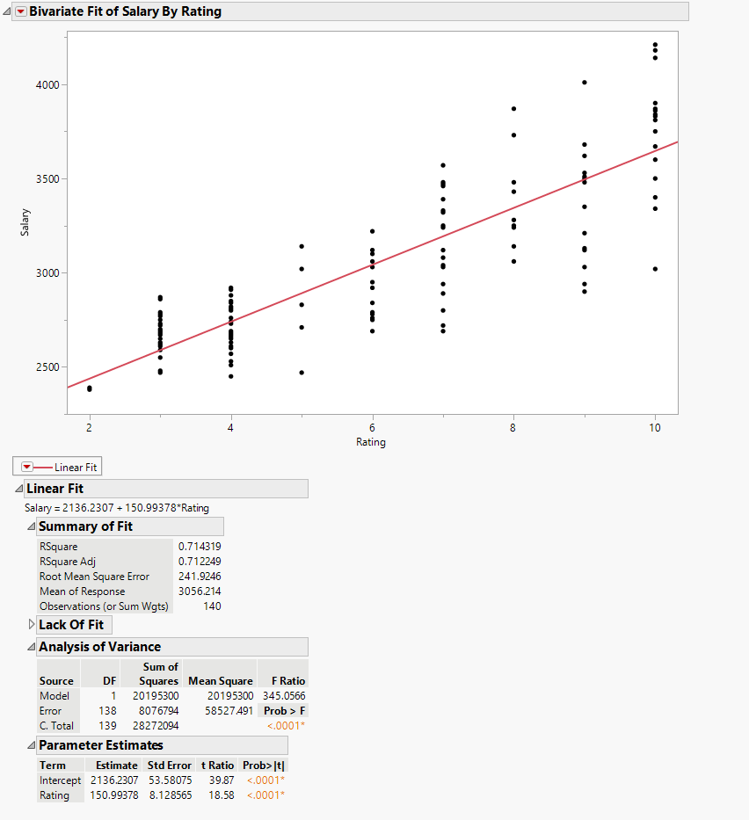
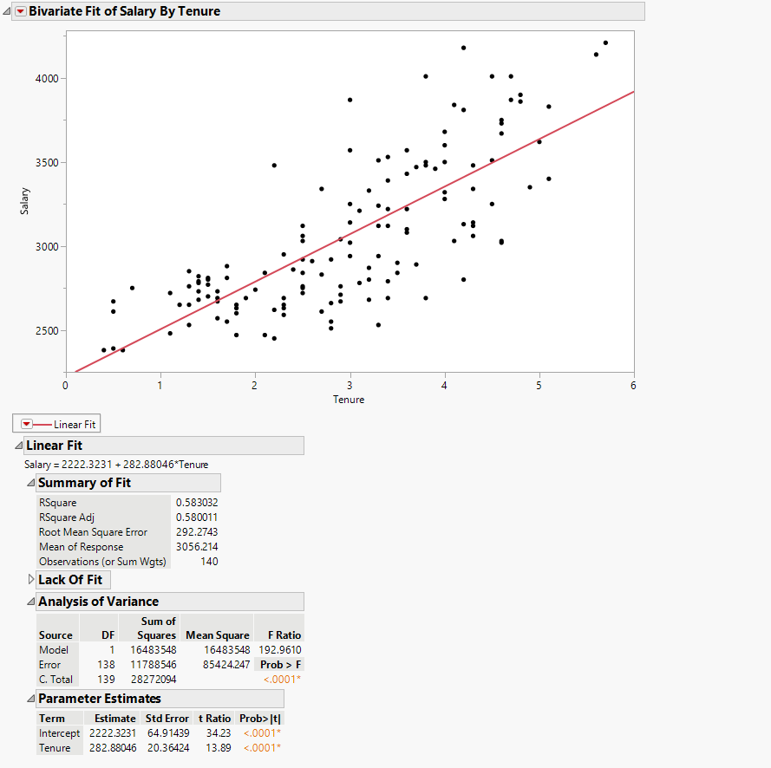
15 | 3 | 1 | 2 | 1 | 32 | 3.8 | 9 | 3480 | 3480 |  | 4
114 | 2 | 2 | 2 | 0 | 32 | 2.2 | 7 | 3480 | 3480 |  | 3 | Expected data (E)
116 | 3 | 2 | 2 | 0 | 38 | 3.3 | 9 | 3510 | 3510 |  | 4 | Minority/PayGrade | 1 | 2 | 3
128 | 3 | 1 | 2 | 1 | 26 | 4.6 | 10 | 3670 | 3670 |  | 5 | 1 (non-minority) | 31.9 | 22.55 | 22.55
87 | 3 | 2 | 2 | 1 | 24 | 3.0 | 8 | 3870 | 3870 |  | 3 | 2 (minority) | 26.1 | 18.45 | 18.45
36 | 3 | 1 | 2 | 0 | 23 | 4.7 | 9 | 4010 | 4010 |  | 5
16 | 3 | 1 | 2 | 1 | 25 | 4.2 | 10 | 4180 | 4180 |  | 5 | (O-E)^2 / E
90 | 3 | 2 | 1 | 0 | 29 | 5.7 | 10 | 4210 |  | 4210 | 6 | Minority/PayGrade | 1 | 2 | 3
139 | 3 | 2 | 1 | 0 | 30 | 5.6 | 10 | 4140 |  | 4140 | 6 | 1 (non-minority) | 5.2166144201 | 0.527827051 | 3.9601995565
40 | 3 | 2 | 1 | 1 | 23 | 3.8 | 9 | 4010 |  | 4010 | 4 | 2 (minority) | 6.375862069 | 0.64512195122 | 4.8402439024
86 | 3 | 1 | 1 | 1 | 26 | 4.5 | 9 | 4010 |  | 4010 | 5
132 | 3 | 2 | 1 | 1 | 23 | 3.8 | 9 | 4010 |  | 4010 | 4
110 | 3 | 1 | 1 | 1 | 44 | 4.8 | 10 | 3900 |  | 3900 | 5 | X2 | 21.56586895
53 | 3 | 2 | 1 | 1 | 26 | 4.7 | 10 | 3870 |  | 3870 | 5 | DF | 2
60 | 3 | 1 | 1 | 1 | 24 | 4.8 | 10 | 3860 |  | 3860 | 5 | p-value | 2.075061911E-05
18 | 3 | 2 | 1 | 0 | 24 | 4.1 | 10 | 3840 |  | 3840 | 5 |  | 2.075061911E-05
133 | 3 | 2 | 1 | 1 | 26 | 5.1 | 10 | 3830 |  | 3830 | 6 | H0: There is no association between race and promotions
95 | 3 | 2 | 1 | 1 | 24 | 4.2 | 10 | 3810 |  | 3810 | 5 | Ha: There is association between race and promotions
12 | 3 | 2 | 1 | 0 | 24 | 4.6 | 10 | 3750 |  | 3750 | 5 | Conclusion: Reject Null Hypothesis in a favour of alternative hypotesis
80 | 2 | 2 | 1 | 1 | 34 | 4.6 | 8 | 3730 |  | 3730 | 5
67 | 3 | 1 | 1 | 1 | 25 | 4.0 | 9 | 3680 |  | 3680 | 4
81 | 3 | 2 | 1 | 0 | 25 | 5.0 | 9 | 3620 |  | 3620 | 5
43 | 3 | 2 | 1 | 1 | 35 | 4.0 | 10 | 3600 |  | 3600 | 4
3 | 2 | 2 | 1 | 0 | 23 | 3.6 | 7 | 3570 |  | 3570 | 4
100 | 2 | 2 | 1 | 1 | 23 | 3.0 | 7 | 3570 |  | 3570 | 3
85 | 3 | 2 | 1 | 0 | 36 | 3.4 | 9 | 3530 |  | 3530 | 4
123 | 3 | 1 | 1 | 1 | 24 | 4.5 | 9 | 3510 |  | 3510 | 5
94 | 3 | 1 | 1 | 0 | 40 | 3.8 | 9 | 3500 |  | 3500 | 4
111 | 3 | 2 | 1 | 0 | 38 | 4.0 | 10 | 3500 |  | 3500 | 4
106 | 2 | 1 | 1 | 0 | 34 | 4.3 | 8 | 3480 |  | 3480 | 5
56 | 2 | 1 | 1 | 0 | 24 | 3.9 | 7 | 3460 |  | 3460 | 4
135 | 3 | 2 | 1 | 0 | 22 | 3.6 | 8 | 3430 |  | 3430 | 4
138 | 3 | 1 | 1 | 1 | 25 | 5.1 | 10 | 3400 |  | 3400 | 6
26 | 2 | 2 | 1 | 1 | 23 | 3.4 | 7 | 3390 |  | 3390 | 4
118 | 3 | 2 | 1 | 1 | 23 | 4.9 | 9 | 3350 |  | 3350 | 5
73 | 3 | 1 | 1 | 1 | 22 | 2.7 | 10 | 3340 |  | 3340 | 3
44 | 2 | 1 | 1 | 1 | 28 | 4.0 | 7 | 3320 |  | 3320 | 4
105 | 3 | 1 | 1 | 1 | 31 | 4.0 | 8 | 3280 |  | 3280 | 4
117 | 2 | 1 | 1 | 0 | 23 | 3.0 | 7 | 3250 |  | 3250 | 3
134 | 3 | 1 | 1 | 1 | 24 | 4.5 | 8 | 3250 |  | 3250 | 5
137 | 2 | 2 | 1 | 0 | 23 | 3.3 | 7 | 3240 |  | 3240 | 4
55 | 2 | 1 | 1 | 1 | 29 | 3.4 | 6 | 3220 |  | 3220 | 4
120 | 3 | 2 | 1 | 0 | 23 | 3.1 | 9 | 3210 |  | 3210 | 4
46 | 3 | 2 | 1 | 1 | 23 | 3.4 | 9 | 3120 |  | 3120 | 4
47 | 2 | 2 | 1 | 0 | 32 | 2.5 | 6 | 3120 |  | 3120 | 3
58 | 2 | 1 | 1 | 0 | 26 | 3.3 | 7 | 3120 |  | 3120 | 4
136 | 3 | 1 | 1 | 0 | 24 | 4.3 | 9 | 3120 |  | 3120 | 5
30 | 3 | 2 | 1 | 0 | 27 | 4.3 | 8 | 3060 |  | 3060 | 5
104 | 2 | 1 | 1 | 0 | 21 | 2.9 | 7 | 3040 |  | 3040 | 3
34 | 2 | 1 | 1 | 1 | 23 | 4.1 | 6 | 3030 |  | 3030 | 5
74 | 3 | 2 | 1 | 0 | 24 | 4.6 | 9 | 3030 |  | 3030 | 5
88 | 2 | 1 | 1 | 0 | 38 | 2.5 | 7 | 3030 |  | 3030 | 3
9 | 2 | 1 | 1 | 0 | 31 | 3.0 | 5 | 3020 |  | 3020 | 3
37 | 3 | 2 | 1 | 0 | 36 | 4.6 | 10 | 3020 |  | 3020 | 5
32 | 2 | 1 | 1 | 1 | 28 | 2.3 | 6 | 2950 |  | 2950 | 3
57 | 2 | 2 | 1 | 0 | 40 | 2.5 | 6 | 2920 |  | 2920 | 3
121 | 3 | 2 | 1 | 1 | 24 | 3.5 | 9 | 2900 |  | 2900 | 4
98 | 2 | 2 | 1 | 1 | 23 | 3.7 | 7 | 2890 |  | 2890 | 4
2 | 1 | 2 | 1 | 0 | 25 | 2.4 | 3 | 2860 |  | 2860 | 3
71 | 1 | 2 | 1 | 1 | 21 | 2.5 | 4 | 2840 |  | 2840 | 3
27 | 1 | 2 | 1 | 1 | 36 | 3.2 | 4 | 2800 |  | 2800 | 4
33 | 2 | 1 | 1 | 1 | 23 | 4.2 | 7 | 2800 |  | 2800 | 5
5 | 2 | 2 | 1 | 1 | 22 | 3.4 | 6 | 2790 |  | 2790 | 4
124 | 2 | 2 | 1 | 1 | 23 | 3.1 | 6 | 2780 |  | 2780 | 4
25 | 1 | 2 | 1 | 1 | 21 | 1.5 | 3 | 2770 |  | 2770 | 2
28 | 1 | 2 | 1 | 0 | 26 | 2.9 | 4 | 2760 |  | 2760 | 3
113 | 2 | 1 | 1 | 1 | 22 | 2.5 | 6 | 2760 |  | 2760 | 3
24 | 2 | 2 | 1 | 1 | 22 | 2.5 | 6 | 2750 |  | 2750 | 3
20 | 1 | 2 | 1 | 0 | 35 | 1.4 | 4 | 2730 |  | 2730 | 2
23 | 1 | 2 | 1 | 0 | 21 | 1.5 | 3 | 2700 |  | 2700 | 2
11 | 2 | 2 | 1 | 1 | 32 | 3.8 | 7 | 2690 |  | 2690 | 4
41 | 2 | 2 | 1 | 0 | 22 | 2.3 | 6 | 2690 |  | 2690 | 3
45 | 1 | 2 | 1 | 1 | 40 | 2.9 | 4 | 2670 |  | 2670 | 3
38 | 1 | 1 | 1 | 1 | 22 | 2.8 | 4 | 2660 |  | 2660 | 3
29 | 1 | 2 | 1 | 1 | 21 | 1.2 | 3 | 2650 |  | 2650 | 2
51 | 1 | 1 | 1 | 1 | 21 | 1.8 | 3 | 2650 |  | 2650 | 2
13 | 1 | 1 | 1 | 1 | 20 | 1.8 | 3 | 2630 |  | 2630 | 2
107 | 1 | 2 | 1 | 1 | 28 | 2.3 | 4 | 2630 |  | 2630 | 3
130 | 1 | 1 | 1 | 0 | 34 | 1.8 | 4 | 2600 |  | 2600 | 2
7 | 1 | 1 | 1 | 1 | 31 | 2.3 | 3 | 2590 |  | 2590 | 3
93 | 1 | 1 | 1 | 0 | 21 | 2.1 | 5 | 2470 |  | 2470 | 3
42 | 1 | 1 | 1 | 0 | 26 | 2.2 | 4 | 2450 |  | 2450 | 3
8 | 1 | 2 | 1 | 1 | 21 | 0.4 | 2 | 2380 |  | 2380 | 1
52 | 1 | 2 | 1 | 0 | 19 | 0.6 | 2 | 2380 |  | 2380 | 1

