AVA
The table below specifies whether a transmission connection to DKE/DKW from abroad is possible (indicated by "1"). Import and export connections are specified separately.

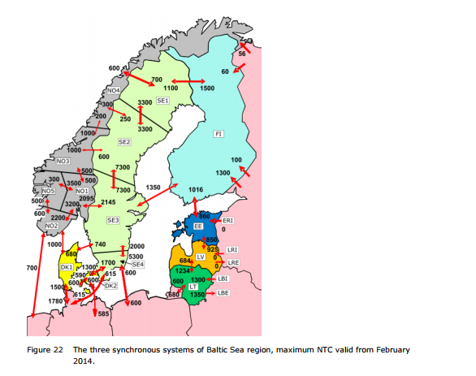

 | ~TFM_AVA
 | PSET_SET | PSET_PN | AllRegions | SE1 | SE2 | SE3 | SE4
 |  | * | 0
 |  | IMPELC-SEDE |  |  |  |  | 1
 |  | EXPELC-SEDE |  |  |  |  | 1
 |  | IMPELC-SELT |  |  |  |  | 1
 |  | EXPELC-SELT |  |  |  |  | 1
 |  | IMPELC-SEPL |  |  |  |  | 1
 |  | EXPELC-SEPL |  |  |  |  | 1

DEACTIVATED~TFM_INS |  |  | See sheet AF
TimeSlice | LimType | Attribute | Year | SE1 | SE2 | SE3 | SE4 | Pset_PN
\I: |  | Availability, fraction
 |  | AFA |  | 0.95 | 0.95 |  |  | IMPELC-NON
 |  | AFA |  | 0.95 | 0.95 |  |  | EXPELC-NON
 |  | AFA |  |  |  | 0.95 |  | IMPELC-NOS
 |  | AFA |  |  |  | 0.95 |  | EXPELC-NOS
 |  | AFA |  |  |  |  | 0.95 | IMPELC-DKE
 |  | AFA |  |  |  |  | 0.95 | EXPELC-DKE
 |  | AFA |  |  |  | 0.95 |  | IMPELC-DKW
 |  | AFA |  |  |  | 0.95 |  | EXPELC-DKW
 |  | AFA |  |  |  |  | 0.92 | IMPELC-SEDE
 |  | AFA |  |  |  |  | 0.92 | EXPELC-SEDE
 |  | AFA |  |  |  |  | 0.92 | IMPELC-SELT
 |  | AFA |  |  |  |  | 0.92 | EXPELC-SELT
 |  | AFA |  |  |  |  | 0.92 | IMPELC-SEPL
 |  | AFA |  |  |  |  | 0.92 | EXPELC-SEPL
 |  | AFA |  | 0.95 |  | 0.95 |  | IMPELC-SEFI
 |  | AFA |  | 0.95 |  | 0.95 |  | EXPELC-SEFI

LineCap
The table below specifies upper bounds for existing and planned capacity (CAP_BND) of transmission lines from DKE/DKW to other countries. The bounds are based on the data in the table to the right.

 |  |  |  |  |  |  |  |  |  |  | Transmission lines
~TFM_INS
TimeSlice | LimType | Attribute | Year | SE1 | SE2 | SE3 | SE4 | \I: Unit | Pset_PN
 | UP | CAP_BND | 0 | 5 | 5 | 5 | 5 | n/a | IMPELC*,EXPELC* |  |  | 803.53728
 |  | INVCOST |  | 4.36 | 4.36 | 4.36 | 4.36 | Meuros 2014 / Pja | IMPELC*,EXPELC* |  | Transmisson lines [GW] | 2010 |  | 2011-2013 |  | 2014 |  | 2015-17 |  | 2018 |  | 2019 |  | 2020 |  |  |  | 2025-2035
* | FX | CAP_BND | 2010 | 67.64472 | 45.7272 |  |  | PJ | #REF! | AVA |  | Export | Import | Eksport | Import | Eksport | Import | Eksport | Import | Eksport | Import | Eksport | Import | Eksport | Import | Eksport | Import | Eksport | Import
* | FX | CAP_BND | 2010 | 66.06792 | 63.072 |  |  | PJ | #REF! | 92% | SweLit (fra 2016) | 0.7 | 0.7 | 0.7 | 0.7 | 0.7 | 0.7 | 0.7 | 0.7 | 0.7 | 0.7 | 0.7 | 0.7 | 0.7 | 0.7 | 0.7 | 0.7 | 0.7 | 0.7
* | FX | CAP_BND | 2010 |  |  | 67.64472 |  | PJ | #REF! | 92% | SE4-Poland | 0.6 | 0.6 | 0.6 | 0.6 | 0.6 | 0.6 | 0.6 | 0.6 | 0.6 | 0.6 | 0.6 | 0.6 | 0.6 | 0.6 | 0.6 | 0.6 | 0.6 | 0.6
* | FX | CAP_BND | 2010 |  |  | 66.06792 |  | PJ | #REF! | 95% | Øresund DKE-SE4 | 1.7 | 1.3 | 1.7 | 1.3 | 1.7 | 1.3 | 1.7 | 1.3 | 1.7 | 1.3 | 1.7 | 1.3 | 1.7 | 1.3 | 1.7 | 1.3 | 1.7 | 1.3
* | FX | CAP_BND | 2010 |  |  |  | 53.6112 | PJ | #REF! | 92% | Kontiskan 1-2 DKW- SE3 | 0.74 | 0.68 | 0.74 | 0.68 | 0.74 | 0.68 | 0.74 | 0.68 | 0.74 | 0.68 | 0.74 | 0.68 | 0.74 | 0.68 | 0.74 | 0.68 | 0.74 | 0.68
* | FX | CAP_BND | 2010 |  |  |  | 40.9968 | PJ | #REF! | 92% | Tyskland-SverigeSE4 | 0.615 | 0.615 | 0.615 | 0.615 | 0.615 | 0.615 | 0.615 | 0.615 | 0.615 | 0.615 | 0.615 | 0.615 | 0.615 | 0.615 | 0.615 | 0.615 | 0.615 | 0.615
* | FX | CAP_BND | 2010 |  |  | 23.33664 |  | PJ | #REF! | 95% | Sweden SE2 NorgeNON | 2 | 1.45 | 2 | 1.45 | 2 | 1.45 | 2 | 1.45 | 2 | 1.45 | 2 | 1.45 | 2 | 1.45 | 2 | 1.45 | 2 | 1.45
* | FX | CAP_BND | 2010 |  |  | 21.44448 |  | PJ | #REF! | 95% | Sweden SE1 Norge NON | 2.095 | 2.145 | 2.095 | 2.145 | 2.095 | 2.145 | 2.095 | 2.145 | 2.095 | 2.145 | 2.095 | 2.145 | 2.095 | 2.145 | 2.095 | 2.145 | 2.095 | 2.145
 | FX | CAP_BND | 2010 |  |  |  | 19.39464 | PJ | IMPELC-SEDE | 95% | Sweden SE3 Norge NOS | 2.095 | 2.145 | 2.095 | 2.145 | 2.095 | 2.145 | 2.095 | 2.145 | 2.095 | 2.145 | 2.095 | 2.145 | 2.095 | 2.145 | 2.095 | 2.145 | 2.095 | 2.145
 | FX | CAP_BND | 2010 |  |  |  | 19.39464 | PJ | EXPELC-SEDE | 95% | Sverige SE1-Finland | 1.5 | 1.1 | 1.5 | 1.1 | 1.5 | 1.1 | 1.5 | 1.1 | 1.5 | 1.1 | 1.5 | 1.1 | 1.5 | 1.1 | 1.5 | 1.1 | 1.5 | 1.1
 | FX | CAP_BND | 2010 |  |  |  | 22.0752 | PJ | IMPELC-SELT | 95% | Sverige SE3-Finland | 1.35 | 1.35 | 1.35 | 1.35 | 1.35 | 1.35 | 1.35 | 1.35 | 1.35 | 1.35 | 1.35 | 1.35 | 1.35 | 1.35 | 1.35 | 1.35 | 1.35 | 1.35
 | FX | CAP_BND | 2010 |  |  |  | 22.0752 | PJ | EXPELC-SELT |  |  |  |  |  |  | 0 | 0 | 0 | 0 | 0 | 0 | 0 | 0 | 0 | 0 | 0 | 0 | 0 | 0
 | FX | CAP_BND | 2010 |  |  |  | 18.9216 | PJ | IMPELC-SEPL
RAFS Sept 2019:
INVCOST are assumed based on the NETP 2016 results. They are divided by 4 because: the investment cost is divided between the receiving and the sending region. Moreover, since two processes are defined one for import and one for export I divided for two again.
 | FX | CAP_BND | 2010 |  |  |  | 18.9216 | PJ | EXPELC-SEPL
* | FX | CAP_BND | 2010 | 34.6896 |  | 42.5736 |  | PJ | 0
* | FX | CAP_BND | 2010 | 47.304 |  | 42.5736 |  | PJ | 0
* | FX | CAP_BND | 2011 | 67.64472 | 45.7272 |  |  | PJ | #REF!
* | FX | CAP_BND | 2011 | 66.06792 | 63.072 |  |  | PJ | #REF!
* | FX | CAP_BND | 2011 |  |  | 67.64472 |  | PJ | #REF!
* | FX | CAP_BND | 2011 |  |  | 66.06792 |  | PJ | #REF! |  | Calculated average utilization factor for connections for import and export respectively (2013, 2014, 2015, 2016)
* | FX | CAP_BND | 2011 |  |  |  | 53.6112 | PJ | #REF! |  | For details, see exchange-se-connections_calc.xls (DOCUMENTATION folder)
* | FX | CAP_BND | 2011 |  |  |  | 40.9968 | PJ | #REF!
* | FX | CAP_BND | 2011 |  |  | 23.33664 |  | PJ | #REF! |  | Jämförelse medel | SE - PL | SE - DE | SE3 - NO1 | SE3 - DK1 | SE4 - DK2 | SE1 - FI | SE3 - FI | SE1 - NO4 | SE2 - NO3 | SE2 - NO4 | SE1 - SE2 | SE2 - SE3 | SE3 - SE4 | SE4 - LT
* | FX | CAP_BND | 2011 |  |  | 21.44448 |  | PJ | #REF! |  | Export | 0.75 | 0.59 | 0.33 | 0.50 | 0.48 | 0.63 | 0.72 | 0.31 | 0.42 | 0.29 | 0.32 | 0.48 | 0.49 | 0.76
 | FX | CAP_BND | 2011 |  |  |  | 19.39464 | PJ | IMPELC-SEDE |  | Import | 0.28 | 0.22 | 0.49 | 0.53 | 0.28 | 0.14 | 0.19 | 0.43 | 0.31 | 0.37 | 0.14 | 0.08 | 0.12 | 0.27
 | FX | CAP_BND | 2011 |  |  |  | 19.39464 | PJ | EXPELC-SEDE
 | FX | CAP_BND | 2011 |  |  |  | 22.0752 | PJ | IMPELC-SELT
 | FX | CAP_BND | 2011 |  |  |  | 22.0752 | PJ | EXPELC-SELT
 | FX | CAP_BND | 2011 |  |  |  | 18.9216 | PJ | IMPELC-SEPL |  |  |  | Invest
 | FX | CAP_BND | 2011 |  |  |  | 18.9216 | PJ | EXPELC-SEPL |  |  |  | Meuros 2014/MW | Meuros 2014/Pja
* | FX | CAP_BND | 2011 | 34.6896 |  | 42.5736 |  | PJ | 0
* | FX | CAP_BND | 2011 | 47.304 |  | 42.5736 |  | PJ | 0 |  | Average across the Nordics |  | 0.55 | 17.440385591
* | FX | CAP_BND | 2014 | 67.64472 | 45.7272 |  |  | PJ | #REF! |  | Allocation to single region of the pair |  | 0.275 | 8.7201927955
* | FX | CAP_BND | 2014 | 66.06792 | 63.072 |  |  | PJ | #REF!
* | FX | CAP_BND | 2014 |  |  | 67.64472 |  | PJ | #REF! |  | 1 Mwh to 1 PJ
* | FX | CAP_BND | 2014 |  |  | 66.06792 |  | PJ | #REF! |  | 0.0000036
* | FX | CAP_BND | 2014 |  |  |  | 53.6112 | PJ | #REF!
* | FX | CAP_BND | 2014 |  |  |  | 40.9968 | PJ | #REF!
* | FX | CAP_BND | 2014 |  |  | 23.33664 |  | PJ | #REF!
* | FX | CAP_BND | 2014 |  |  | 21.44448 |  | PJ | #REF!
 | FX | CAP_BND | 2014 |  |  |  | 19.39464 | PJ | IMPELC-SEDE
 | FX | CAP_BND | 2014 |  |  |  | 19.39464 | PJ | EXPELC-SEDE
 | FX | CAP_BND | 2014 |  |  |  | 22.0752 | PJ | IMPELC-SELT
 | FX | CAP_BND | 2014 |  |  |  | 22.0752 | PJ | EXPELC-SELT
 | FX | CAP_BND | 2014 |  |  |  | 18.9216 | PJ | IMPELC-SEPL
 | FX | CAP_BND | 2014 |  |  |  | 18.9216 | PJ | EXPELC-SEPL
* | FX | CAP_BND | 2014 | 34.6896 |  | 42.5736 |  | PJ | 0
* | FX | CAP_BND | 2014 | 47.304 |  | 42.5736 |  | PJ | 0
* | FX | CAP_BND | 2015 | 67.64472 | 45.7272 |  |  | PJ | #REF!
* | FX | CAP_BND | 2015 | 66.06792 | 63.072 |  |  | PJ | #REF!
* | FX | CAP_BND | 2015 |  |  | 67.64472 |  | PJ | #REF!
* | FX | CAP_BND | 2015 |  |  | 66.06792 |  | PJ | #REF!
* | FX | CAP_BND | 2015 |  |  |  | 53.6112 | PJ | #REF!
* | FX | CAP_BND | 2015 |  |  |  | 40.9968 | PJ | #REF!
* | FX | CAP_BND | 2015 |  |  | 23.33664 |  | PJ | #REF!
* | FX | CAP_BND | 2015 |  |  | 21.44448 |  | PJ | #REF!
 | FX | CAP_BND | 2015 |  |  |  | 19.39464 | PJ | IMPELC-SEDE
 | FX | CAP_BND | 2015 |  |  |  | 19.39464 | PJ | EXPELC-SEDE
 | FX | CAP_BND | 2015 |  |  |  | 22.0752 | PJ | IMPELC-SELT
 | FX | CAP_BND | 2015 |  |  |  | 22.0752 | PJ | EXPELC-SELT
 | FX | CAP_BND | 2015 |  |  |  | 18.9216 | PJ | IMPELC-SEPL
 | FX | CAP_BND | 2015 |  |  |  | 18.9216 | PJ | EXPELC-SEPL
* | FX | CAP_BND | 2015 | 34.6896 |  | 42.5736 |  | PJ | 0
* | FX | CAP_BND | 2015 | 47.304 |  | 42.5736 |  | PJ | 0
* | FX | CAP_BND | 2018 | 67.64472 | 45.7272 |  |  | PJ | #REF!
* | FX | CAP_BND | 2018 | 66.06792 | 63.072 |  |  | PJ | #REF!
* | FX | CAP_BND | 2018 |  |  | 67.64472 |  | PJ | #REF!
* | FX | CAP_BND | 2018 |  |  | 66.06792 |  | PJ | #REF!
* | FX | CAP_BND | 2018 |  |  |  | 53.6112 | PJ | #REF!
* | FX | CAP_BND | 2018 |  |  |  | 40.9968 | PJ | #REF!
* | FX | CAP_BND | 2018 |  |  | 23.33664 |  | PJ | #REF!
* | FX | CAP_BND | 2018 |  |  | 21.44448 |  | PJ | #REF!
 | FX | CAP_BND | 2018 |  |  |  | 19.39464 | PJ | IMPELC-SEDE
 | FX | CAP_BND | 2018 |  |  |  | 19.39464 | PJ | EXPELC-SEDE
 | FX | CAP_BND | 2018 |  |  |  | 22.0752 | PJ | IMPELC-SELT
 | FX | CAP_BND | 2018 |  |  |  | 22.0752 | PJ | EXPELC-SELT
 | FX | CAP_BND | 2018 |  |  |  | 18.9216 | PJ | IMPELC-SEPL
 | FX | CAP_BND | 2018 |  |  |  | 18.9216 | PJ | EXPELC-SEPL
* | FX | CAP_BND | 2018 | 34.6896 |  | 42.5736 |  | PJ | 0
* | FX | CAP_BND | 2018 | 47.304 |  | 42.5736 |  | PJ | 0
* | UP | CAP_BND | 2019 | 67.64472 | 45.7272 |  |  | PJ | #REF!
* | UP | CAP_BND | 2019 | 66.06792 | 63.072 |  |  | PJ | #REF!
* | UP | CAP_BND | 2019 |  |  | 67.64472 |  | PJ | #REF!
* | UP | CAP_BND | 2019 |  |  | 66.06792 |  | PJ | #REF!
* | UP | CAP_BND | 2019 |  |  |  | 53.6112 | PJ | #REF!
* | UP | CAP_BND | 2019 |  |  |  | 40.9968 | PJ | #REF!
* | UP | CAP_BND | 2019 |  |  | 23.33664 |  | PJ | #REF!
* | UP | CAP_BND | 2019 |  |  | 21.44448 |  | PJ | #REF!
 | UP | CAP_BND | 2019 |  |  |  | 19.39464 | PJ | IMPELC-SEDE
 | UP | CAP_BND | 2019 |  |  |  | 19.39464 | PJ | EXPELC-SEDE
 | UP | CAP_BND | 2019 |  |  |  | 22.0752 | PJ | IMPELC-SELT
 | UP | CAP_BND | 2019 |  |  |  | 22.0752 | PJ | EXPELC-SELT
 | UP | CAP_BND | 2019 |  |  |  | 18.9216 | PJ | IMPELC-SEPL
 | UP | CAP_BND | 2019 |  |  |  | 18.9216 | PJ | EXPELC-SEPL
* | UP | CAP_BND | 2019 | 34.6896 |  | 42.5736 |  | PJ | 0
* | UP | CAP_BND | 2019 | 47.304 |  | 42.5736 |  | PJ | 0
* | UP | CAP_BND | 2020 | 67.64472 | 45.7272 |  |  | PJ | #REF!
* | UP | CAP_BND | 2020 | 66.06792 | 63.072 |  |  | PJ | #REF!
* | UP | CAP_BND | 2020 |  |  | 67.64472 |  | PJ | #REF!
* | UP | CAP_BND | 2020 |  |  | 66.06792 |  | PJ | #REF!
* | UP | CAP_BND | 2020 |  |  |  | 53.6112 | PJ | #REF!
* | UP | CAP_BND | 2020 |  |  |  | 40.9968 | PJ | #REF!
* | UP | CAP_BND | 2020 |  |  | 23.33664 |  | PJ | #REF!
* | UP | CAP_BND | 2020 |  |  | 21.44448 |  | PJ | #REF!
 | UP | CAP_BND | 2020 |  |  |  | 19.39464 | PJ | IMPELC-SEDE
 | UP | CAP_BND | 2020 |  |  |  | 19.39464 | PJ | EXPELC-SEDE
 | UP | CAP_BND | 2020 |  |  |  | 22.0752 | PJ | IMPELC-SELT
 | UP | CAP_BND | 2020 |  |  |  | 22.0752 | PJ | EXPELC-SELT
 | UP | CAP_BND | 2020 |  |  |  | 18.9216 | PJ | IMPELC-SEPL
 | UP | CAP_BND | 2020 |  |  |  | 18.9216 | PJ | EXPELC-SEPL
* | UP | CAP_BND | 2020 | 34.6896 |  | 42.5736 |  | PJ | 0
* | UP | CAP_BND | 2020 | 47.304 |  | 42.5736 |  | PJ | 0
* | UP | CAP_BND | 2025 | 67.64472 | 45.7272 |  |  | PJ | #REF! |  |  |  |  | 2030 | 2030-2050
* | UP | CAP_BND | 2025 | 66.06792 | 63.072 |  |  | PJ | #REF! |  |  | Sweden |  | Pja | additional Pja
* | UP | CAP_BND | 2025 |  |  | 67.64472 |  | PJ | #REF! |  |  | SE1 | FI | 78.84 | 0
* | UP | CAP_BND | 2025 |  |  | 66.06792 |  | PJ | #REF! |  |  | SE1 | NO2 | 22.0752 | 0
* | UP | CAP_BND | 2025 |  |  |  | 53.6112 | PJ | #REF! |  |  | SE1 | SE2 | 104.0688 | 0
* | UP | CAP_BND | 2025 |  |  |  | 40.9968 | PJ | #REF! |  |  | SE2 | SE1 | 104.0688 | 0
* | UP | CAP_BND | 2025 |  |  | 23.33664 |  | PJ | #REF! |  |  | SE2 | NO2 | 63.072 | 6.93792
* | UP | CAP_BND | 2025 |  |  | 21.44448 |  | PJ | #REF! |  |  | SE2 | SE3 | 274.3632 | 6.62256
 | UP | CAP_BND | 2025 |  |  |  | 19.39464 | PJ | IMPELC-SEDE |  |  | SE3 | SE2 | 274.3632 | 6.62256
 | UP | CAP_BND | 2025 |  |  |  | 19.39464 | PJ | EXPELC-SEDE |  |  | SE3 | NO1 | 67.8024 | 0
 | UP | CAP_BND | 2025 |  |  |  | 22.0752 | PJ | IMPELC-SELT |  |  | SE3 | SE4 | 227.0592 | 0
 | UP | CAP_BND | 2025 |  |  |  | 22.0752 | PJ | EXPELC-SELT |  |  | SE3 | LV | 0 | 0.94608
 | UP | CAP_BND | 2025 |  |  |  | 18.9216 | PJ | IMPELC-SEPL |  |  | SE3 | DKW | 21.44448 | 18.60624
 | UP | CAP_BND | 2025 |  |  |  | 18.9216 | PJ | EXPELC-SEPL |  |  | SE3 | FI | 42.5736 | 0
* | UP | CAP_BND | 2025 | 34.6896 |  | 42.5736 |  | PJ | 0 |  |  | SE4 | SE3 | 227.0592 | 0
* | UP | CAP_BND | 2025 | 47.304 |  | 42.5736 |  | PJ | 0 |  |  | SE4 | DKE | 40.9968 | 0
* | UP | CAP_BND | 2030 | 67.64472 | 45.7272 |  |  | PJ | #REF! |  |  | SE4 | DE | 40.9968 | 0
* | UP | CAP_BND | 2030 | 66.0679 | 63.0720 |  |  | PJ | #REF! |  |  | SE4 | PL | 18.9216 | 64.6488
* | UP | CAP_BND | 2030 |  |  | 67.64472 |  | PJ | #REF! |  |  | SE4 | LT | 22.0752 | 0
* | UP | CAP_BND | 2030 |  |  | 66.06792 |  | PJ | #REF!
* | UP | CAP_BND | 2030 |  |  |  | 53.6112 | PJ | #REF!
* | UP | CAP_BND | 2030 |  |  |  | 40.9968 | PJ | #REF!
RAFS Sept 2019:
for IMPELC-NON and EXPELC-NON the assumed values by Martin are a bit higher than the NETP 2016., but I kept them anyway since the difference is not too high, then I assumed no expansion in the Future
* | UP | CAP_BND | 2030 |  |  | 23.33664 |  | PJ | #REF!
* | UP | CAP_BND | 2030 |  |  | 21.44448 |  | PJ | #REF!
 | UP | CAP_BND | 2030 |  |  |  | 40.9968 | PJ | IMPELC-SEDE
 | UP | CAP_BND | 2030 |  |  |  | 40.9968 | PJ | EXPELC-SEDE
 | UP | CAP_BND | 2030 |  |  |  | 22.0752 | PJ | IMPELC-SELT
 | UP | CAP_BND | 2030 |  |  |  | 22.0752 | PJ | EXPELC-SELT
 | UP | CAP_BND | 2030 |  |  |  | 18.9216 | PJ | IMPELC-SEPL
 | UP | CAP_BND | 2030 |  |  |  | 18.9216 | PJ | EXPELC-SEPL
* | UP | CAP_BND | 2030 | 78.84 |  | 42.5736 |  | PJ | 0
* | UP | CAP_BND | 2030 | 78.84 |  | 42.5736 |  | PJ | 0
* | UP | CAP_BND | 2050 | 67.64472 | 45.7272 |  |  | PJ | #REF!
* | UP | CAP_BND | 2050 | 66.06792 | 63.072 |  |  | PJ | #REF!
* | UP | CAP_BND | 2050 |  |  | 67.64472 |  | PJ | #REF!
* | UP | CAP_BND | 2050 |  |  | 66.06792 |  | PJ | #REF!
* | UP | CAP_BND | 2050 |  |  |  | 53.6112 | PJ | #REF!
* | UP | CAP_BND | 2050 |  |  |  | 40.9968 | PJ | #REF!
* | UP | CAP_BND | 2050 |  |  | 41.94288 |  | PJ | #REF!
* | UP | CAP_BND | 2050 |  |  | 40.05072 |  | PJ | #REF!
 | UP | CAP_BND | 2050 |  |  |  | 40.9968 | PJ | IMPELC-SEDE
 | UP | CAP_BND | 2050 |  |  |  | 40.9968 | PJ | EXPELC-SEDE
 | UP | CAP_BND | 2050 |  |  |  | 22.0752 | PJ | IMPELC-SELT
 | UP | CAP_BND | 2050 |  |  |  | 22.0752 | PJ | EXPELC-SELT
 | UP | CAP_BND | 2050 |  |  |  | 83.5704 | PJ | IMPELC-SEPL
 | UP | CAP_BND | 2050 |  |  |  | 83.5704 | PJ | EXPELC-SEPL
* | UP | CAP_BND | 2050 | 78.84 |  | 42.5736 |  | PJ | 0
* | UP | CAP_BND | 2050 | 78.84 |  | 42.5736 |  | PJ | 0

AF
The table below specifies upper bounds for existing and planned capacity (CAP_BND) of transmission lines from DKE/DKW to other countries. The bounds are based on the data in the table to the right.

 |  |  |  |  |  |  |  |  |  |  |  | Transmission lines
~TFM_INS
TimeSlice | LimType | Attribute | Year | SE1 | SE2 | SE3 | SE4 | \I: Unit | Pset_PN
ANNUAL | UP | AF | 0 | 5 | 5 | 5 | 5 | n/a | IMPELC*,EXPELC*
* | UP | AF | 2010 | 0.43 | 0.34 |  |  |  | #REF! |  | Transmisson lines [GW] | 2010 |  | 2011-2013 |  | 2014 |  | 2015-17 |  | 2018 |  | 2019 |  | 2020 |  |  |  | 2025-2035
* | UP | AF | 2010 | 0.31 | 0.35 |  |  |  | #REF! | AVA |  | Export | Import | Eksport | Import | Eksport | Import | Eksport | Import | Eksport | Import | Eksport | Import | Eksport | Import | Eksport | Import | Eksport | Import
* | UP | AF | 2010 |  |  | 0.49 |  |  | #REF! | 92% | SweLit (fra 2016) | 0.7 | 0.7 | 0.7 | 0.7 | 0.7 | 0.7 | 0.7 | 0.7 | 0.7 | 0.7 | 0.7 | 0.7 | 0.7 | 0.7 | 0.7 | 0.7 | 0.7 | 0.7
* | UP | AF | 2010 |  |  | 0.33 |  |  | #REF! | 92% | SE4-Poland | 0.6 | 0.6 | 0.6 | 0.6 | 0.6 | 0.6 | 0.6 | 0.6 | 0.6 | 0.6 | 0.6 | 0.6 | 0.6 | 0.6 | 0.6 | 0.6 | 0.6 | 0.6
* | UP | AF | 2010 |  |  |  | 0.28 |  | #REF! | 95% | Øresund DKE-SE4 | 1.7 | 1.3 | 1.7 | 1.3 | 1.7 | 1.3 | 1.7 | 1.3 | 1.7 | 1.3 | 1.7 | 1.3 | 1.7 | 1.3 | 1.7 | 1.3 | 1.7 | 1.3
* | UP | AF | 2010 |  |  |  | 0.48 |  | #REF! | 92% | Kontiskan 1-2 DKW- SE3 | 0.74 | 0.68 | 0.74 | 0.68 | 0.74 | 0.68 | 0.74 | 0.68 | 0.74 | 0.68 | 0.74 | 0.68 | 0.74 | 0.68 | 0.74 | 0.68 | 0.74 | 0.68
* | UP | AF | 2010 |  |  | 0.53 |  |  | #REF! | 92% | Tyskland-SverigeSE4 | 0.615 | 0.615 | 0.615 | 0.615 | 0.615 | 0.615 | 0.615 | 0.615 | 0.615 | 0.615 | 0.615 | 0.615 | 0.615 | 0.615 | 0.615 | 0.615 | 0.615 | 0.615
* | UP | AF | 2010 |  |  | 0.50 |  |  | #REF! | 95% | Sweden SE2 NorgeNON | 2 | 1.45 | 2 | 1.45 | 2 | 1.45 | 2 | 1.45 | 2 | 1.45 | 2 | 1.45 | 2 | 1.45 | 2 | 1.45 | 2 | 1.45
ANNUAL | UP | AF | 2010 |  |  |  | 0.22 |  | IMPELC-SEDE | 95% | Sweden SE1 Norge NON | 2.095 | 2.145 | 2.095 | 2.145 | 2.095 | 2.145 | 2.095 | 2.145 | 2.095 | 2.145 | 2.095 | 2.145 | 2.095 | 2.145 | 2.095 | 2.145 | 2.095 | 2.145
ANNUAL | UP | AF | 2010 |  |  |  | 0.59 |  | EXPELC-SEDE | 95% | Sweden SE3 Norge NOS | 2.095 | 2.145 | 2.095 | 2.145 | 2.095 | 2.145 | 2.095 | 2.145 | 2.095 | 2.145 | 2.095 | 2.145 | 2.095 | 2.145 | 2.095 | 2.145 | 2.095 | 2.145
ANNUAL | UP | AF | 2010 |  |  |  | 0 |  | IMPELC-SELT | 95% | Sverige SE1-Finland | 1.5 | 1.1 | 1.5 | 1.1 | 1.5 | 1.1 | 1.5 | 1.1 | 1.5 | 1.1 | 1.5 | 1.1 | 1.5 | 1.1 | 1.5 | 1.1 | 1.5 | 1.1
ANNUAL | UP | AF | 2010 |  |  |  | 0 |  | EXPELC-SELT | 95% | Sverige SE3-Finland | 1.35 | 1.35 | 1.35 | 1.35 | 1.35 | 1.35 | 1.35 | 1.35 | 1.35 | 1.35 | 1.35 | 1.35 | 1.35 | 1.35 | 1.35 | 1.35 | 1.35 | 1.35
ANNUAL | UP | AF | 2010 |  |  |  | 0.28 |  | IMPELC-SEPL
ANNUAL | UP | AF | 2010 |  |  |  | 0.75 |  | EXPELC-SEPL
* | UP | AF | 2010 | 0.14 |  | 0.19 |  |  | 0
* | UP | AF | 2010 | 0.63 |  | 0.72 |  |  | 0
* | UP | AF | 2015 | 0.43 | 0.34 |  |  |  | #REF!
* | UP | AF | 2015 | 0.31 | 0.35 |  |  |  | #REF!
* | UP | AF | 2015 |  |  | 0.49 |  |  | #REF!
* | UP | AF | 2015 |  |  | 0.33 |  |  | #REF!
* | UP | AF | 2015 |  |  |  | 0.28 |  | #REF! |  | Calculated average utilization factor for connections for import and export respectively (2013, 2014, 2015, 2016)
* | UP | AF | 2015 |  |  |  | 0.48 |  | #REF! |  | For details, see exchange-se-connections_calc.xls (DOCUMENTATION folder)
* | UP | AF | 2015 |  |  | 0.53 |  |  | #REF! |  |  | x | x | X | X | X |  |  | x | x | x |  |  |  | x
* | UP | AF | 2015 |  |  | 0.50 |  |  | #REF! |  | Jämförelse medel | SE - PL | SE - DE | SE3 - NO1 | SE3 - DK1 | SE4 - DK2 | SE1 - FI | SE3 - FI | SE1 - NO4 | SE2 - NO3 | SE2 - NO4 | SE1 - SE2 | SE2 - SE3 | SE3 - SE4 | SE4 - LT
ANNUAL | UP | AF | 2015 |  |  |  | 0.22 |  | IMPELC-SEDE |  | Export | 0.75 | 0.59 | 0.33 | 0.50 | 0.48 | 0.63 | 0.72 | 0.31 | 0.42 | 0.29 | 0.32 | 0.48 | 0.49 | 0.76
ANNUAL | UP | AF | 2015 |  |  |  | 0.59 |  | EXPELC-SEDE |  | Import | 0.28 | 0.22 | 0.49 | 0.53 | 0.28 | 0.14 | 0.19 | 0.43 | 0.31 | 0.37 | 0.14 | 0.08 | 0.12 | 0.27
ANNUAL | UP | AF | 2015 |  |  |  | 0 |  | IMPELC-SELT
ANNUAL | UP | AF | 2015 |  |  |  | 0 |  | EXPELC-SELT
ANNUAL | UP | AF | 2015 |  |  |  | 0.28 |  | IMPELC-SEPL
ANNUAL | UP | AF | 2015 |  |  |  | 0.75 |  | EXPELC-SEPL
* | UP | AF | 2015 | 0.14 |  | 0.19 |  |  | 0
* | UP | AF | 2015 | 0.63 |  | 0.72 |  |  | 0
* | UP | AF | 2016 | 0.43 | 0.34 |  |  |  | #REF!
* | UP | AF | 2016 | 0.31 | 0.35 |  |  |  | #REF!
* | UP | AF | 2016 |  |  | 0.49 |  |  | #REF!
* | UP | AF | 2016 |  |  | 0.33 |  |  | #REF!
* | UP | AF | 2016 |  |  |  | 0.28 |  | #REF!
* | UP | AF | 2016 |  |  |  | 0.48 |  | #REF!
* | UP | AF | 2016 |  |  | 0.53 |  |  | #REF!
* | UP | AF | 2016 |  |  | 0.50 |  |  | #REF!
ANNUAL | UP | AF | 2016 |  |  |  | 0.22 |  | IMPELC-SEDE
ANNUAL | UP | AF | 2016 |  |  |  | 0.59 |  | EXPELC-SEDE
ANNUAL | UP | AF | 2016 |  |  |  | 0.27 |  | IMPELC-SELT
ANNUAL | UP | AF | 2016 |  |  |  | 0.76 |  | EXPELC-SELT
ANNUAL | UP | AF | 2016 |  |  |  | 0.28 |  | IMPELC-SEPL
ANNUAL | UP | AF | 2016 |  |  |  | 0.75 |  | EXPELC-SEPL
* | UP | AF | 2016 | 0.14 |  | 0.19 |  |  | 0
* | UP | AF | 2016 | 0.63 |  | 0.72 |  |  | 0
* | UP | AF | 2020 | 0.43 | 0.34 |  |  |  | #REF!
* | UP | AF | 2020 | 0.31 | 0.35 |  |  |  | #REF!
* | UP | AF | 2020 |  |  | 0.49 |  |  | #REF!
* | UP | AF | 2020 |  |  | 0.33 |  |  | #REF!
* | UP | AF | 2020 |  |  |  | 0.28 |  | #REF!
* | UP | AF | 2020 |  |  |  | 0.48 |  | #REF!
* | UP | AF | 2020 |  |  | 0.53 |  |  | #REF!
* | UP | AF | 2020 |  |  | 0.50 |  |  | #REF!
ANNUAL | UP | AF | 2020 |  |  |  | 0.22 |  | IMPELC-SEDE
ANNUAL | UP | AF | 2020 |  |  |  | 0.59 |  | EXPELC-SEDE
ANNUAL | UP | AF | 2020 |  |  |  | 0.27 |  | IMPELC-SELT
ANNUAL | UP | AF | 2020 |  |  |  | 0.76 |  | EXPELC-SELT
ANNUAL | UP | AF | 2020 |  |  |  | 0.28 |  | IMPELC-SEPL
ANNUAL | UP | AF | 2020 |  |  |  | 0.75 |  | EXPELC-SEPL
* | UP | AF | 2020 | 0.14 |  | 0.19 |  |  | 0
* | UP | AF | 2020 | 0.63 |  | 0.72 |  |  | 0
* | UP | AF | 2025 | 1.00 | 1.00 |  |  |  | #REF!
* | UP | AF | 2025 | 1.00 | 1.00 |  |  |  | #REF!
* | UP | AF | 2025 |  |  | 1.00 |  |  | #REF!
* | UP | AF | 2025 |  |  | 1.00 |  |  | #REF!
* | UP | AF | 2025 |  |  |  | 1.00 |  | #REF!
* | UP | AF | 2025 |  |  |  | 1.00 |  | #REF!
* | UP | AF | 2025 |  |  | 1.00 |  |  | #REF!
* | UP | AF | 2025 |  |  | 1.00 |  |  | #REF!
ANNUAL | UP | AF | 2025 |  |  |  | 1.00 |  | IMPELC-SEDE
ANNUAL | UP | AF | 2025 |  |  |  | 1.00 |  | EXPELC-SEDE
ANNUAL | UP | AF | 2025 |  |  |  | 1.00 |  | IMPELC-SELT
ANNUAL | UP | AF | 2025 |  |  |  | 1.00 |  | EXPELC-SELT
ANNUAL | UP | AF | 2025 |  |  |  | 1.00 |  | IMPELC-SEPL
ANNUAL | UP | AF | 2025 |  |  |  | 1.00 |  | EXPELC-SEPL
* | UP | AF | 2025 | 1.00 |  | 1.00 |  |  | 0
* | UP | AF | 2025 | 1.00 |  | 1.00 |  |  | 0

LineCapX
 |  |  | Forbindelse | Fra | Til | Eksport kap. | Import kap. | Udetid | Årlig udveksling (TWh)
 |  |  |  |  |  | (MW) | (MW)
 |  |  | SweLit (fra 2016) | Lithuania | Sweden SE4 | 700 | 700 | 8% | -0,5 ¤
 |  |  | SE4-Poland | Sweden SE4 | Poland | 600 | 600 | 8% | -2,239 h
 |  |  | Øresund DKE-SE4 | DK-East | Sweden SE4 | 1700 | 1300 | 5% | m
 |  |  | Kontiskan 1-2 DKW- SE3 | DK-West | Sweden SE3 | 740 | 680 | 8% | m
 |  |  | Tyskland-SverigeSE4 | Germany | Sweden SE4 | 615 | 615 | 8% | m
 |  |  | Sweden SE2 NorgeNON | Sweden SE2 | Norway NON | 2000 | 1450 | 5% | m
 |  |  | Sweden SE1 Norge NON | Sweden SE4 | Norway NO2 | 2095 | 2145 | 5% | m
 |  |  | Sweden SE3 Norge NOS | Sweden SE3 | Norway NO1 | 2095 | 2145 | 5% | m
 |  |  | Sverige SE1-Finland | Sweden SE1 | Finland FI | 1500 | 1100 | 5% | m
 |  |  | Sverige SE3-Finland | Sweden SE3 | Finland FI | 1350 | 1350 | 5% | m
 |  |  |  |  |  |  |  |  |  |  |  | https://www.nordpoolspot.com/globalassets/download-center/tso/principles-for-determining-the-transfer-capacities.pdf
 |  |  |  |  |  |  |  |  |  | http://ei.se/Documents/Publikationer/rapporter_och_pm/Rapporter%202015/Ei_R2015_12.pdf
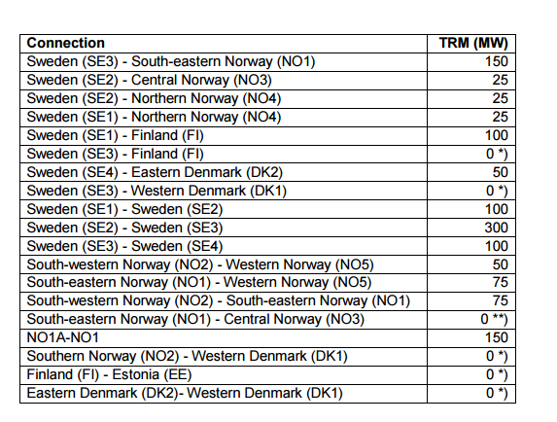
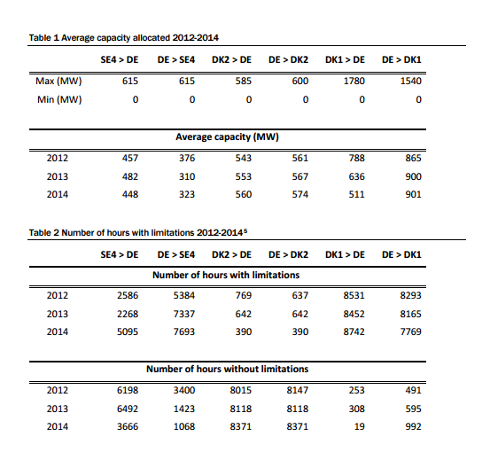
 |  |  | http://www.statnett.no/Global/Dokumenter/Media/Nyheter%202014/Nordic%20Grid%20Development%20Plan.pdf

 |  |  |  |  |  |  |  |  |  |  | <
Forbindelse | Fra | Til | Eksport kap. | Import kap. | Udetid | Årlig udveksling (TWh)
 |  |  | (MW) | (MW)
SweLit (fra 2016) | Lithuania | Sweden SE4 | 700 | 700 | 8% | -0,5 ¤
SE4-Poland | Sweden SE4 | Poland | 600 | 600 | 8% | -2,239 h
Øresund DKE-SE4 | DK-East | Sweden SE4 | 1700 | 1300 | 5% | m
Kontiskan 1-2 DKW- SE3 | DK-West | Sweden SE3 | 740 | 680 | 8% | m
Tyskland-SverigeSE4 | Germany | Sweden SE4 | 615 | 615 | 8% | m
Sweden SE2 NorgeNO4 | Sweden SE2 | Norway NO4 | 300 | 250 | 5% | m
Sweden SE2 Norge NO3 | Sweden SE2 | Norway NO3 | 1000 | 600 | 5% | m
Sweden SE3 Norge NO1 | Sweden SE3 | Norway NO1 | 2095 | 2145 | 5% | m
Sverige(SE1) -Norway NO4 | Sweden SE1 | Norway NO4 | 700 | 600 | 5% | m
Sverige SE1-Finland | Sweden SE1 | Finland FI | 1500 | 1100 | 5% | m
Sverige SE1-Finland | Sweden SE3 | Finland FI | 1350 | 1350 | 5% | m

Capacity
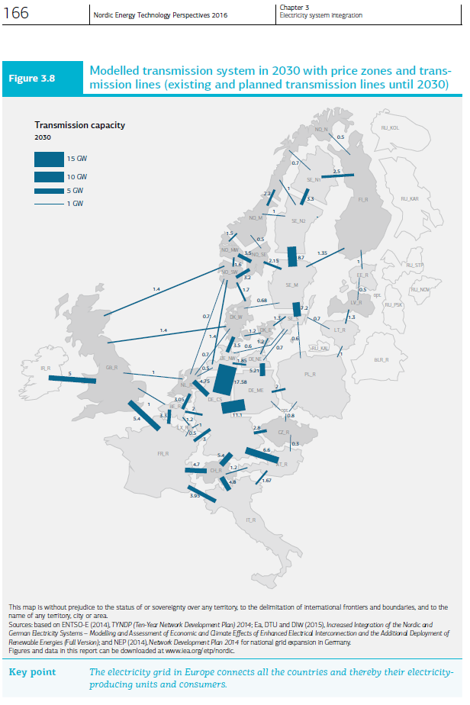
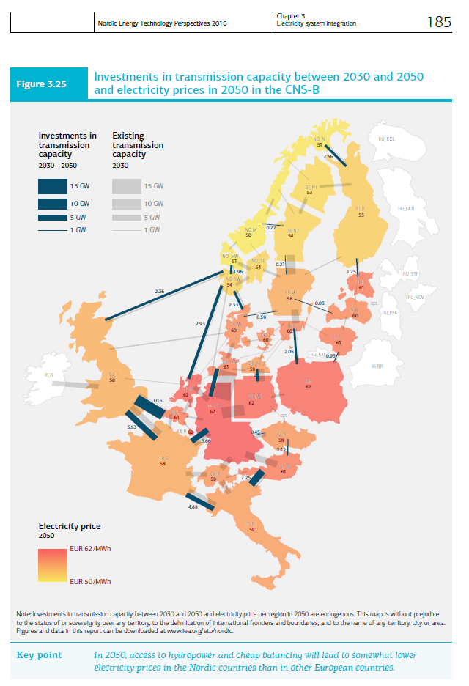
NETP 2016 data, extracted from the figures on the right |  |  |  |  |  | 2030 | 2030-2050
Norway |  | 2030 | 2030-2050 | Sweden |  | MW | additional MW
 |  | MW | additional MW | SE1 | FI | 2500 | 0 | 1 Mwh to 1 PJ
NO1 | UK | 1400 | 2360 | SE1 | NO2 | 700 | 0 | 0.0000036
NO1 | DE | 1400 | 0 | SE1 | SE2 | 3300 | 0
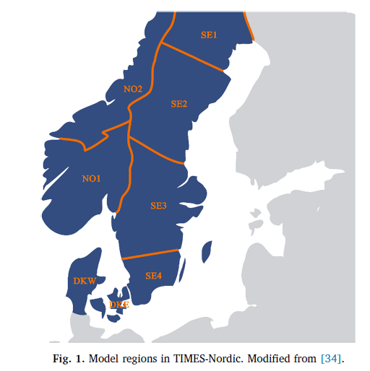
NO1 | DKW | 1700 | 2330 | SE2 | SE1 | 3300 | 0
NO1 | SE3 | 2150 | 0 | SE2 | NO2 | 2000 | 220
NO1 | NO2 | 2000 | 0 | SE2 | SE3 | 8700 | 210
NO1 | NL | 700 | 2930 | SE3 | SE2 | 8700 | 210
NO2 | NO1 | 2000 | 0 | SE3 | NO1 | 2150 | 0
NO2 | SE2 | 2000 | 220 | SE3 | SE4 | 7200 | 0
NO2 | SE1 | 700 | 0 | SE3 | LV | 0 | 30
NO2 | FI | 500 | 2360 | SE3 | DKW | 680 | 590
Denmark |  |  |  | SE3 | FI | 1350 | 0
DKW | NO1 | 1700 | 2330 | SE4 | SE3 | 7200 | 0
DKW | UK | 1400 | 0 | SE4 | DKE | 1300 | 0
DKW | DE | 3500 | 0 | SE4 | DE | 1300 | 0
DKW | DKE | 1200 | 0 | SE4 | PL | 600 | 2050
DKW | SE3 | 680 | 590 | SE4 | LT | 700 | 0
DKW | NL | 700 | 0
DKE | DKW | 1200 | 0
DKE | DE | 1200 | 0
DKE | SE4 | 1300 | 0

NETP 2016 data, extracted from the figures on the right
Norway |  | 2030 | 2030-2050 |  |  | 2030 | 2030-2050
 |  | Pja | additional Pja | Sweden |  | Pja | additional Pja
NO1 | UK | 44.1504 | 74.42496 | SE1 | FI | 78.84 | 0
NO1 | DE | 44.1504 | 0 | SE1 | NO2 | 22.0752 | 0
NO1 | DKW | 53.6112 | 73.47888 | SE1 | SE2 | 104.0688 | 0
NO1 | SE3 | 67.8024 | 0 | SE2 | SE1 | 104.0688 | 0
NO1 | NO2 | 63.072 | 0 | SE2 | NO2 | 63.072 | 6.93792
NO1 | NL | 22.0752 | 92.40048 | SE2 | SE3 | 274.3632 | 6.62256
NO2 | NO1 | 63.072 | 0 | SE3 | SE2 | 274.3632 | 6.62256
NO2 | SE2 | 63.072 | 6.93792 | SE3 | NO1 | 67.8024 | 0
NO2 | SE1 | 22.0752 | 0 | SE3 | SE4 | 227.0592 | 0
NO2 | FI | 15.768 | 74.42496 | SE3 | LV | 0 | 0.94608
Denmark |  | 0 | 0 | SE3 | DKW | 21.44448 | 18.60624
DKW | NO1 | 53.6112 | 73.47888 | SE3 | FI | 42.5736 | 0
DKW | UK | 44.1504 | 0 | SE4 | SE3 | 227.0592 | 0
DKW | DE | 110.376 | 0 | SE4 | DKE | 40.9968 | 0
DKW | DKE | 37.8432 | 0 | SE4 | DE | 40.9968 | 0
DKW | SE3 | 21.44448 | 18.60624 | SE4 | PL | 18.9216 | 64.6488
DKW | NL | 22.0752 | 0 | SE4 | LT | 22.0752 | 0
DKE | DKW | 37.8432 | 0
DKE | DE | 37.8432 | 0
DKE | SE4 | 40.9968 | 0

