AVA
Rafs 12th of September 2017:
The table below specifies whether a transmission connection to NO1/NO2 from abroad is possible (indicated by "1"). Import and export connections are specified separately. In the first row the default rule is declared, in this case if nothing is stated for a specific region then such technology is not available
~TFM_AVA
PSET_SET | PSET_PN | AllRegions | NO1 | NO2
 | * | 0
 | IMPELC-NODE |  | 1
 | EXPELC-NODE |  | 1
 | IMPELC-NONL |  | 1
 | EXPELC-NONL |  | 1
 | IMPELC-NORU |  |  | 1
 | EXPELC-NORU |  |  | 1
 | IMPELC-NOUK |  | 1
 | EXPELC-NOUK |  | 1

LineCap
 |  |  |  |  |  |  |  |  |  |  |  |  |  | Under construction or upgraded between 2010 and 2015 |  | FIX |  | NO1: | South | NO1, NO2 and NO5
~TFM_INS |  |  |  |  |  |  |  | Transmission lines |  |  |  |  |  | Planned |  | UP |  | NO2: | North | NO3 and NO4
TimeSlice | LimType | Attribute | Year | NO1 | NO2 | \I: Unit | Pset_PN |  |  |  | Conversion factor to PJ | 31.536
 | UP | CAP_BND | 0 | 5 | 5 | n/a | IMPELC*,EXPELC* | Data shown in this table are taken from the TIMES-NordPool Model. The division between NO1 and NO2 is obtained thanks to the Agora report and the NETP 2016 report included in this workbook in the sheet called "DATA".
 |  | INVCOST |  | 4.3600963978 | 4.3600963978 | Meuros 2014 / Pja | IMPELC*,EXPELC* | Transmisson lines [GW] | 2010 |  | 2011-2014 |  | 2015 |  | 2016 |  | 2017 |  | 2018 |  | 2019 |  | 2020 |  | 2025 |  | 2030 |  | 2035
 |  |  |  |  |  |  |  |  | Export | Import | Export | Import | Export | Import | Export | Import | Export | Import | Export | Import | Export | Import | Export | Import | Export | Import | Export | Import | Export | Import
 |  |  |  |  |  |  |  | NO1 - Denmark West (Skagerrak I,II,III) | 1.04 | 1.04 | 1.04 | 1.04 | 1.04 | 1.04 | 1.04 | 1.04 | 1.04 | 1.04 | 1.04 | 1.04 | 1.04 | 1.04 | 1.04 | 1.04 | 1.04 | 1.04 | 1.04 | 1.04 | 1.04 | 1.04
~TFM_DINS |  |  |  |  |  |  |  | NO1 - Denmark West (Skagerrak IV) | 0 | 0 | 0 | 0 | 0.70 | 0.70 | 0.70 | 0.70 | 0.70 | 0.70 | 0.70 | 0.70 | 0.70 | 0.70 | 0.70 | 0.70 | 0.70 | 0.70 | 0.70 | 0.70 | 0.70 | 0.70
TimeSlice | LimType | Attribute | Year | NO1 | NO2 | \I: Unit | Pset_PN | NO1 - Sweden | 2.05 | 2.05 | 2.05 | 2.05 | 2.05 | 2.05 | 2.05 | 2.05 | 2.05 | 2.05 | 2.05 | 2.05 | 2.05 | 2.05 | 2.05 | 2.05 | 2.05 | 2.05 | 2.05 | 2.05 | 2.05 | 2.05
* | FX | CAP_BND | 2010 | 33 |  | Pja | IMPELC-NODKW | NO1 - Netherland (NordNed I) | 0.70 | 0.70 | 0.70 | 0.70 | 0.70 | 0.70 | 0.70 | 0.70 | 0.70 | 0.70 | 0.70 | 0.70 | 0.70 | 0.70 | 0.70 | 0.70 | 0.70 | 0.70 | 0.70 | 0.70 | 0.70 | 0.70
* | FX | CAP_BND | 2010 | 33 |  | Pja | EXPELC-NODKW | NO1 - Germany NordLink | 0 | 0 | 0 | 0 | 0 | 0 | 0 | 0 | 0 | 0 | 1.40 | 1.40 | 1.40 | 1.40 | 1.40 | 1.40 | 1.40 | 1.40 | 1.40 | 1.40 | 1.40 | 1.40
* | FX | CAP_BND | 2010 | 65 | 49 | Pja | IMPELC-NOSE | NO1 - United Kingdom | 0 | 0 | 0 | 0 | 0 | 0 | 0 | 0 | 0 | 0 | 0 | 0 | 0 | 0 | 1.40 | 1.40 | 1.40 | 1.40 | 1.40 | 1.40 | 1.40 | 1.40
* | FX | CAP_BND | 2010 | 65 | 49 | Pja | EXPELC-NOSE | NO1 - Sweden NEW | 0 | 0 | 0 | 0 | 0 | 0 | 0 | 0 | 0 | 0 | 0 | 0 | 0 | 0 | 0.25 | 0.25 | 0.25 | 0.25 | 0.25 | 0.25 | 0.25 | 0.25
 | FX | CAP_BND | 2010 |  |  | Pja | IMPELC-NODE | NO1 - Netherland (NordNed II) | 0 | 0 | 0 | 0 | 0 | 0 | 0 | 0 | 0.70 | 0.70 | 0.70 | 0.70 | 0.70 | 0.70 | 0.70 | 0.70 | 0.70 | 0.70 | 0.70 | 0.70 | 0.7 | 0.7
 | FX | CAP_BND | 2010 |  |  | Pja | EXPELC-NODE
 | FX | CAP_BND | 2010 | 22 |  | Pja | IMPELC-NONL | NO2 - Sweden | 1.55 | 1.55 | 1.55 | 1.55 | 1.55 | 1.55 | 1.55 | 1.55 | 1.55 | 1.55 | 1.55 | 1.55 | 1.55 | 1.55 | 1.55 | 1.55 | 1.55 | 1.55 | 1.55 | 1.55 | 1.55 | 1.55
 | FX | CAP_BND | 2010 | 22 |  | Pja | EXPELC-NONL | NO2 - Finland | 0.10 | 0.10 | 0.10 | 0.10 | 0.10 | 0.10 | 0.10 | 0.10 | 0.10 | 0.10 | 0.10 | 0.10 | 0.10 | 0.10 | 0.10 | 0.10 | 0.10 | 0.10 | 0.10 | 0.10 | 0.10 | 0.10
 | FX | CAP_BND | 2010 |  | 2 | Pja | IMPELC-NORU | NO2 - Russia | 0 | 0.05 | 0 | 0.05 | 0 | 0.05 | 0 | 0.05 | 0 | 0.05 | 0 | 0.05 | 0 | 0.05 | 0 | 0.05 | 0 | 0.05 | 0 | 0.05 | 0 | 0.05
 | FX | CAP_BND | 2010 |  | 0 | Pja | EXPELC-NORU | NO2 - Sweden NEW | 0 | 0 | 0 | 0 | 0 | 0 | 0 | 0 | 0 | 0 | 0 | 0 | 0 | 0 | 1.15 | 1.15 | 1.15 | 1.15 | 1.15 | 1.15 | 1.15 | 1.15
 | FX | CAP_BND | 2010 |  |  | Pja | IMPELC-NOUK
The table below specifies upper bounds for existing and planned capacity (CAP_BND) of transmission lines from NOR1/NOR2 to other countries. The bounds are based on the data in the table to the right.
 | FX | CAP_BND | 2010 |  |  | Pja | EXPELC-NOUK
RAFS 12th of April 2017:
The main source of the data used for our projections for the Transmission capacities over the years up to 2035 is TIMES-NordPool, where unfortunately such information are not divided in to power regions but they are presented for the whole country Norway. In order to split the information between North (NOR2) and South (NOR1) I used other sources.
Concerning the base year I compared the value included in TIMES-NordPool with the Agora project included in the sheet called "DATA", I used the Agora study in order to allocate the links capacity to the appropriate power regions.
Concerning the new links, I allocated the data extracted from TIMES-NordPool to the right power regions using the following two sources: "SWEDISH-NORWEGIAN GRID DEVELOPMENT", Statnett 2010 pp. 62 and "Nordic Grid Development Plan 2012", english summary slide 15. (see "DATA" sheet). Then since the new link between Sweden and Norway called "South-West Link" was not clear which Norwegian power region was connecting with Sweden I used the NETP 2016 projections (pp. 168) to allocate also this last link. To do that I compared the installed capacity in 2030 defined in the NETP 2016 (pp.168) with the one resulting after my calculations and I could see how to distribute the new capacity to match the NETP 2016 projections.
After that I compared all the installed capacity allocated through the different power regions and they match the NETP 2016 projections in 2030. I only missed 0,5 GW between NOR2 (North) and Finland. All the other information are in line with the NETP 2016.
In the "DATA" sheet other sources as the Flex4RES database are inlcuded but I realise that they are not so reliable some times, like for example the installed capacity betweeen NOR1 and NOR2 I think is over estimated.
To-Do-List:
We need to allocate this new 0,4 GW of connection between NOR2 and Finland resulting from the comparison with the NETP 2016, but I do not know when this is planned to happen, I should search for this and implement it.
After 2030 the NETP 2016 propose 2 alternative scenarios where further expansion of the grid is expected we should implement also such information here or in a scenario file.
* | FX | CAP_BND | 2010 |  | 3 | Pja | IMPELC-NOFI
* | FX | CAP_BND | 2010 |  | 3 | Pja | EXPELC-NOFI
* | FX | CAP_BND | 2012 | 33 |  | Pja | IMPELC-NODKW
* | FX | CAP_BND | 2012 | 33 |  | Pja | EXPELC-NODKW
* | FX | CAP_BND | 2012 | 65 | 49 | Pja | IMPELC-NOSE
* | FX | CAP_BND | 2012 | 65 | 49 | Pja | EXPELC-NOSE |  |  |  |  |  |  |  |  |  | Process Names
 | FX | CAP_BND | 2012 |  |  | Pja | IMPELC-NODE |  |  |  |  |  |  |  |  |  | IMPELC-NODKW
 | FX | CAP_BND | 2012 |  |  | Pja | EXPELC-NODE |  |  |  |  |  |  |  |  |  | EXPELC-NODKW
 | FX | CAP_BND | 2012 | 22 |  | Pja | IMPELC-NONL |  |  |  |  |  |  |  |  |  | IMPELC-NOSE
 | FX | CAP_BND | 2012 | 22 |  | Pja | EXPELC-NONL |  |  |  |  |  |  |  |  |  | EXPELC-NOSE
 | FX | CAP_BND | 2012 |  | 2 | Pja | IMPELC-NORU |  |  |  |  |  |  |  |  |  | IMPELC-NODE
 | FX | CAP_BND | 2012 |  | 0 | Pja | EXPELC-NORU |  |  |  |  |  |  |  |  |  | EXPELC-NODE
 | FX | CAP_BND | 2012 |  |  | Pja | IMPELC-NOUK |  |  |  |  |  |  |  |  |  | IMPELC-NONL
 | FX | CAP_BND | 2012 |  |  | Pja | EXPELC-NOUK |  |  |  |  |  |  |  |  |  | EXPELC-NONL
* | FX | CAP_BND | 2012 |  | 3 | Pja | IMPELC-NOFI |  |  |  |  |  |  |  |  |  | IMPELC-NORU
* | FX | CAP_BND | 2012 |  | 3 | Pja | EXPELC-NOFI |  |  |  |  |  |  |  |  |  | EXPELC-NORU
* | FX | CAP_BND | 2015 | 55 |  | Pja | IMPELC-NODKW |  |  |  |  |  |  |  |  |  | IMPELC-NOUK
* | FX | CAP_BND | 2015 | 55 |  | Pja | EXPELC-NODKW |  |  |  |  |  |  |  |  |  | EXPELC-NOUK
* | FX | CAP_BND | 2015 | 65 | 49 | Pja | IMPELC-NOSE |  |  |  |  |  |  |  |  |  | IMPELC-NOFI
* | FX | CAP_BND | 2015 | 65 | 49 | Pja | EXPELC-NOSE |  |  |  |  |  |  |  |  |  | EXPELC-NOFI
 | FX | CAP_BND | 2015 |  |  | Pja | IMPELC-NODE
 | FX | CAP_BND | 2015 |  |  | Pja | EXPELC-NODE
 | FX | CAP_BND | 2015 | 22 |  | Pja | IMPELC-NONL
 | FX | CAP_BND | 2015 | 22 |  | Pja | EXPELC-NONL
 | FX | CAP_BND | 2015 |  | 2 | Pja | IMPELC-NORU
 | FX | CAP_BND | 2015 |  | 0 | Pja | EXPELC-NORU
 | FX | CAP_BND | 2015 |  |  | Pja | IMPELC-NOUK |  |  |  |  |  |  |  |  |  |  |  | Invest
RAFS 4th of July 2017:
Germany Nordlink according to the NETP 2016 will come into operation in 2020 instead of 2018 as it is right now, should we modified it?
 | FX | CAP_BND | 2015 |  |  | Pja | EXPELC-NOUK |  |  |  |  |  |  |  |  |  |  |  | Meuros 2014/MW | Meuros 2014/Pja
* | FX | CAP_BND | 2015 |  | 3 | Pja | IMPELC-NOFI
* | FX | CAP_BND | 2015 |  | 3 | Pja | EXPELC-NOFI |  |  |  |  |  |  |  |  |  | Average across the Nordics |  | 0.55 | 17.440385591
* | FX | CAP_BND | 2016 | 55 |  | Pja | IMPELC-NODKW |  |  |  |  |  |  |  |  |  | Allocation to single region of the pair |  | 0.275 | 8.7201927955
* | FX | CAP_BND | 2016 | 55 |  | Pja | EXPELC-NODKW
* | FX | CAP_BND | 2016 | 65 | 49 | Pja | IMPELC-NOSE |  |  |  |  |  |  |  |  |  | 1 Mwh to 1 PJ
* | FX | CAP_BND | 2016 | 65 | 49 | Pja | EXPELC-NOSE |  |  |  |  |  |  |  |  |  | 0.0000036
 | FX | CAP_BND | 2016 |  |  | Pja | IMPELC-NODE
 | FX | CAP_BND | 2016 |  |  | Pja | EXPELC-NODE
RAFS Sept 2019:
INVCOST are assumed based on the NETP 2016 results. They are divided by 4 because: the investment cost is divided between the receiving and the sending region. Moreover, since two processes are defined one for import and one for export I divided for two again.
 | FX | CAP_BND | 2016 | 22 |  | Pja | IMPELC-NONL
 | FX | CAP_BND | 2016 | 22 |  | Pja | EXPELC-NONL
 | FX | CAP_BND | 2016 |  | 2 | Pja | IMPELC-NORU
 | FX | CAP_BND | 2016 |  | 0 | Pja | EXPELC-NORU
 | FX | CAP_BND | 2016 |  |  | Pja | IMPELC-NOUK
 | FX | CAP_BND | 2016 |  |  | Pja | EXPELC-NOUK
* | FX | CAP_BND | 2016 |  | 3 | Pja | IMPELC-NOFI
* | FX | CAP_BND | 2016 |  | 3 | Pja | EXPELC-NOFI
* | FX | CAP_BND | 2017 | 55 |  | Pja | IMPELC-NODKW
* | FX | CAP_BND | 2017 | 55 |  | Pja | EXPELC-NODKW
* | FX | CAP_BND | 2017 | 65 | 49 | Pja | IMPELC-NOSE
* | FX | CAP_BND | 2017 | 65 | 49 | Pja | EXPELC-NOSE
 | FX | CAP_BND | 2017 |  |  | Pja | IMPELC-NODE
 | FX | CAP_BND | 2017 |  |  | Pja | EXPELC-NODE
 | FX | CAP_BND | 2017 | 44 |  | Pja | IMPELC-NONL
 | FX | CAP_BND | 2017 | 44 |  | Pja | EXPELC-NONL
 | FX | CAP_BND | 2017 |  | 2 | Pja | IMPELC-NORU
 | FX | CAP_BND | 2017 |  | 0 | Pja | EXPELC-NORU
 | FX | CAP_BND | 2017 |  |  | Pja | IMPELC-NOUK
 | FX | CAP_BND | 2017 |  |  | Pja | EXPELC-NOUK
* | FX | CAP_BND | 2017 |  | 3 | Pja | IMPELC-NOFI
* | FX | CAP_BND | 2017 |  | 3 | Pja | EXPELC-NOFI
* | FX | CAP_BND | 2018 | 55 |  | Pja | IMPELC-NODKW
* | FX | CAP_BND | 2018 | 55 |  | Pja | EXPELC-NODKW
* | FX | CAP_BND | 2018 | 65 | 49 | Pja | IMPELC-NOSE
* | FX | CAP_BND | 2018 | 65 | 49 | Pja | EXPELC-NOSE
 | FX | CAP_BND | 2018 | 44 |  | Pja | IMPELC-NODE
 | FX | CAP_BND | 2018 | 44 |  | Pja | EXPELC-NODE
 | FX | CAP_BND | 2018 | 44 |  | Pja | IMPELC-NONL
 | FX | CAP_BND | 2018 | 44 |  | Pja | EXPELC-NONL
 | FX | CAP_BND | 2018 |  | 2 | Pja | IMPELC-NORU
 | FX | CAP_BND | 2018 |  | 0 | Pja | EXPELC-NORU
 | FX | CAP_BND | 2018 |  |  | Pja | IMPELC-NOUK
 | FX | CAP_BND | 2018 |  |  | Pja | EXPELC-NOUK
* | FX | CAP_BND | 2018 |  | 3 | Pja | IMPELC-NOFI
* | FX | CAP_BND | 2018 |  | 3 | Pja | EXPELC-NOFI |  |  |  | 2030 | 2050
* | UP | CAP_BND | 2020 | 55 |  | Pja | IMPELC-NODKW |  | NO1 | UK | 44.1504 | 74.42496
* | UP | CAP_BND | 2020 | 55 |  | Pja | EXPELC-NODKW |  | NO1 | DE | 44.1504 | 0
* | UP | CAP_BND | 2020 | 73 | 85 | Pja | IMPELC-NOSE |  | NO1 | DKW | 53.6112 | 73.47888
* | UP | CAP_BND | 2020 | 73 | 85 | Pja | EXPELC-NOSE |  | NO1 | SE3 | 67.8024 | 0
 | UP | CAP_BND | 2020 | 44 |  | Pja | IMPELC-NODE |  | NO1 | NO2 | 63.072 | 0
 | UP | CAP_BND | 2020 | 44 |  | Pja | EXPELC-NODE |  | NO1 | NL | 22.0752 | 92.40048
 | UP | CAP_BND | 2020 | 44 |  | Pja | IMPELC-NONL |  | NO2 | NO1 | 63.072 | 0
 | UP | CAP_BND | 2020 | 44 |  | Pja | EXPELC-NONL |  | NO2 | SE2 | 63.072 | 6.93792
 | UP | CAP_BND | 2020 |  | 2 | Pja | IMPELC-NORU |  | NO2 | SE1 | 22.0752 | 0
 | UP | CAP_BND | 2020 |  | 0 | Pja | EXPELC-NORU |  | NO2 | FI | 15.768 | 74.42496
 | UP | CAP_BND | 2020 | 44 |  | Pja | IMPELC-NOUK
 | UP | CAP_BND | 2020 | 44 |  | Pja | EXPELC-NOUK
* | UP | CAP_BND | 2020 |  | 3 | Pja | IMPELC-NOFI
* | UP | CAP_BND | 2020 |  | 3 | Pja | EXPELC-NOFI
* | UP | CAP_BND | 2030 | 55 |  | Pja | IMPELC-NODKW
* | UP | CAP_BND | 2030 | 55 |  | Pja | EXPELC-NODKW
* | UP | CAP_BND | 2030 | 73 | 85 | Pja | IMPELC-NOSE
* | UP | CAP_BND | 2030 | 73 | 85 | Pja | EXPELC-NOSE
 | UP | CAP_BND | 2030 | 44 |  | Pja | IMPELC-NODE
 | UP | CAP_BND | 2030 | 44 |  | Pja | EXPELC-NODE
 | UP | CAP_BND | 2030 | 44 |  | Pja | IMPELC-NONL
 | UP | CAP_BND | 2030 | 44 |  | Pja | EXPELC-NONL
 | UP | CAP_BND | 2030 |  | 2 | Pja | IMPELC-NORU
 | UP | CAP_BND | 2030 |  | 0 | Pja | EXPELC-NORU
 | UP | CAP_BND | 2030 | 44 |  | Pja | IMPELC-NOUK
 | UP | CAP_BND | 2030 | 44 |  | Pja | EXPELC-NOUK
* | UP | CAP_BND | 2030 |  | 16 | Pja | IMPELC-NOFI
* | UP | CAP_BND | 2030 |  | 16 | Pja | EXPELC-NOFI
* | UP | CAP_BND | 2050 | 128 |  | Pja | IMPELC-NODKW
* | UP | CAP_BND | 2050 | 128 |  | Pja | EXPELC-NODKW
* | UP | CAP_BND | 2050 | 73 | 92 | Pja | IMPELC-NOSE
* | UP | CAP_BND | 2050 | 73 | 92 | Pja | EXPELC-NOSE
 | UP | CAP_BND | 2050 | 44 |  | Pja | IMPELC-NODE
 | UP | CAP_BND | 2050 | 44 |  | Pja | EXPELC-NODE
 | UP | CAP_BND | 2050 | 114 |  | Pja | IMPELC-NONL
 | UP | CAP_BND | 2050 | 114 |  | Pja | EXPELC-NONL
 | UP | CAP_BND | 2050 |  | 2 | Pja | IMPELC-NORU
 | UP | CAP_BND | 2050 |  | 0 | Pja | EXPELC-NORU
 | UP | CAP_BND | 2050 | 119 |  | Pja | IMPELC-NOUK
 | UP | CAP_BND | 2050 | 119 |  | Pja | EXPELC-NOUK
* | UP | CAP_BND | 2050 |  | 90 | Pja | IMPELC-NOFI
* | UP | CAP_BND | 2050 |  | 90 | Pja | EXPELC-NOFI

AF
The table below specifies upper bounds for existing and planned capacity (CAP_BND) of transmission lines from NO1/NO1 to other countries. The bounds are based on the data in the table to the right.

~TFM_INS
TimeSlice | LimType | Attribute | Year | NO1 | NO2 | \I: Unit | Pset_PN
ANNUAL | UP | NCAP_AF | 0 | 5 | 5 | n/a | IMPELC*,EXPELC*

~TFM_DINS
TimeSlice | LimType | Attribute | Year | NO1 | NO2 | \I: Unit | Pset_PN
* | UP | NCAP_AF | 2010 |  |  |  | IMPELC-NODKW
RAFS 1st February 2018:
Here you could bound the AF of the single import export porcess based on historical data.
So far I only bound the capacity of these processes
* | UP | NCAP_AF | 2010 |  |  |  | EXPELC-NODKW
* | UP | NCAP_AF | 2010 |  |  |  | IMPELC-NOSE
* | UP | NCAP_AF | 2010 |  |  |  | EXPELC-NOSE
ANNUAL | UP | NCAP_AF | 2010 |  |  |  | IMPELC-NODE
ANNUAL | UP | NCAP_AF | 2010 |  |  |  | EXPELC-NODE
ANNUAL | UP | NCAP_AF | 2010 |  |  |  | IMPELC-NONL
ANNUAL | UP | NCAP_AF | 2010 |  |  |  | EXPELC-NONL
ANNUAL | UP | NCAP_AF | 2010 |  |  |  | IMPELC-NORU
ANNUAL | UP | NCAP_AF | 2010 |  |  |  | EXPELC-NORU
ANNUAL | UP | NCAP_AF | 2010 |  |  |  | IMPELC-NOUK
ANNUAL | UP | NCAP_AF | 2010 |  |  |  | EXPELC-NOUK
* | UP | NCAP_AF | 2010 |  |  |  | IMPELC-NOFI
* | UP | NCAP_AF | 2010 |  |  |  | EXPELC-NOFI
* | UP | NCAP_AF | 2015 |  |  |  | IMPELC-NODKW
* | UP | NCAP_AF | 2015 |  |  |  | EXPELC-NODKW
* | UP | NCAP_AF | 2015 |  |  |  | IMPELC-NOSE
* | UP | NCAP_AF | 2015 |  |  |  | EXPELC-NOSE
ANNUAL | UP | NCAP_AF | 2015 |  |  |  | IMPELC-NODE
ANNUAL | UP | NCAP_AF | 2015 |  |  |  | EXPELC-NODE
ANNUAL | UP | NCAP_AF | 2015 |  |  |  | IMPELC-NONL
ANNUAL | UP | NCAP_AF | 2015 |  |  |  | EXPELC-NONL
ANNUAL | UP | NCAP_AF | 2015 |  |  |  | IMPELC-NORU
ANNUAL | UP | NCAP_AF | 2015 |  |  |  | EXPELC-NORU
ANNUAL | UP | NCAP_AF | 2015 |  |  |  | IMPELC-NOUK
ANNUAL | UP | NCAP_AF | 2015 |  |  |  | EXPELC-NOUK
* | UP | NCAP_AF | 2015 |  |  |  | IMPELC-NOFI
* | UP | NCAP_AF | 2015 |  |  |  | EXPELC-NOFI
* | UP | NCAP_AF | 2020 |  |  |  | IMPELC-NODKW
* | UP | NCAP_AF | 2020 |  |  |  | EXPELC-NODKW
* | UP | NCAP_AF | 2020 |  |  |  | IMPELC-NOSE
* | UP | NCAP_AF | 2020 |  |  |  | EXPELC-NOSE
ANNUAL | UP | NCAP_AF | 2020 |  |  |  | IMPELC-NODE
ANNUAL | UP | NCAP_AF | 2020 |  |  |  | EXPELC-NODE
ANNUAL | UP | NCAP_AF | 2020 |  |  |  | IMPELC-NONL
ANNUAL | UP | NCAP_AF | 2020 |  |  |  | EXPELC-NONL
ANNUAL | UP | NCAP_AF | 2020 |  |  |  | IMPELC-NORU
ANNUAL | UP | NCAP_AF | 2020 |  |  |  | EXPELC-NORU
ANNUAL | UP | NCAP_AF | 2020 |  |  |  | IMPELC-NOUK
ANNUAL | UP | NCAP_AF | 2020 |  |  |  | EXPELC-NOUK
* | UP | NCAP_AF | 2020 |  |  |  | IMPELC-NOFI
* | UP | NCAP_AF | 2020 |  |  |  | EXPELC-NOFI
* | UP | NCAP_AF | 2025 |  |  |  | IMPELC-NODKW
* | UP | NCAP_AF | 2025 |  |  |  | EXPELC-NODKW
* | UP | NCAP_AF | 2025 |  |  |  | IMPELC-NOSE
* | UP | NCAP_AF | 2025 |  |  |  | EXPELC-NOSE
ANNUAL | UP | NCAP_AF | 2025 |  |  |  | IMPELC-NODE
ANNUAL | UP | NCAP_AF | 2025 |  |  |  | EXPELC-NODE
ANNUAL | UP | NCAP_AF | 2025 |  |  |  | IMPELC-NONL
ANNUAL | UP | NCAP_AF | 2025 |  |  |  | EXPELC-NONL
ANNUAL | UP | NCAP_AF | 2025 |  |  |  | IMPELC-NORU
ANNUAL | UP | NCAP_AF | 2025 |  |  |  | EXPELC-NORU
ANNUAL | UP | NCAP_AF | 2025 |  |  |  | IMPELC-NOUK
ANNUAL | UP | NCAP_AF | 2025 |  |  |  | EXPELC-NOUK
* | UP | NCAP_AF | 2025 |  |  |  | IMPELC-NOFI
* | UP | NCAP_AF | 2025 |  |  |  | EXPELC-NOFI

DATA
 |  |  |  |  |  |  |  | New Lines |  | New Lines |  | New Lines
 |  |  |  |  |  |  |  |  | NETP 2016 pp. 166 |  | NETP 2016 pp. 237 |  | NETP 2016 pp. 238
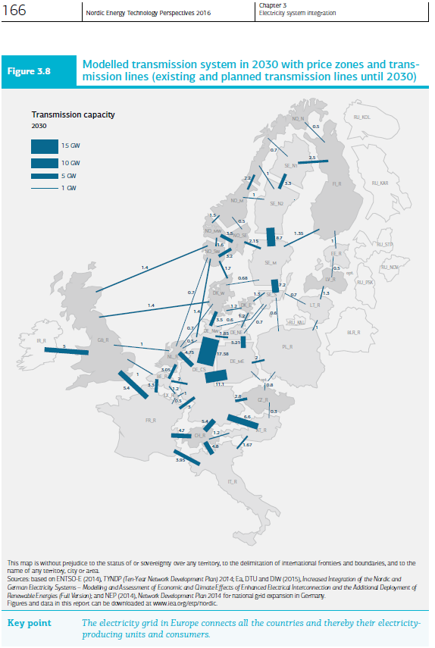
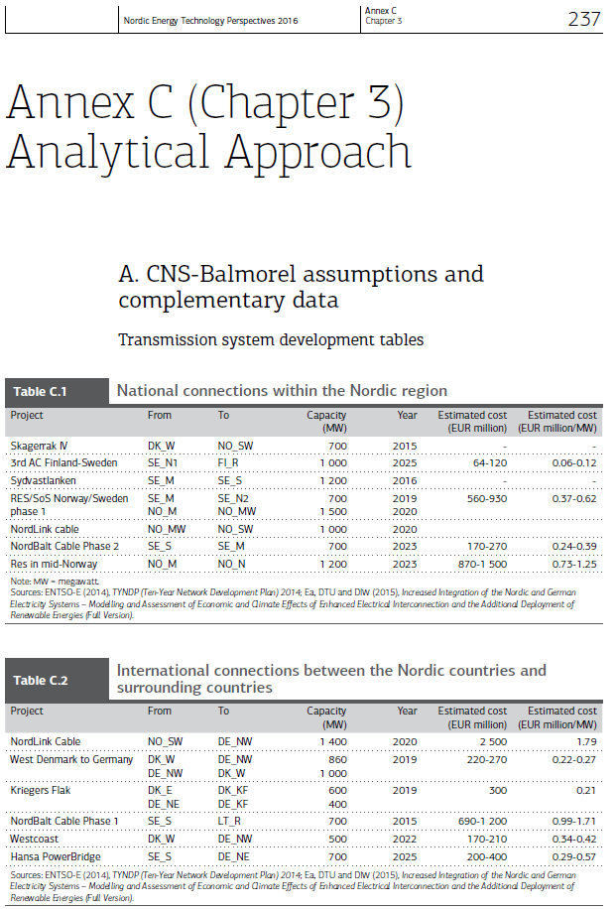
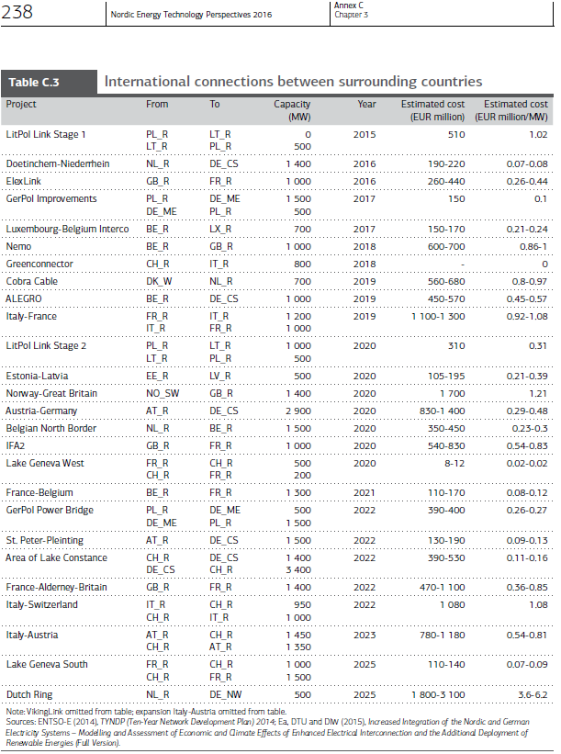
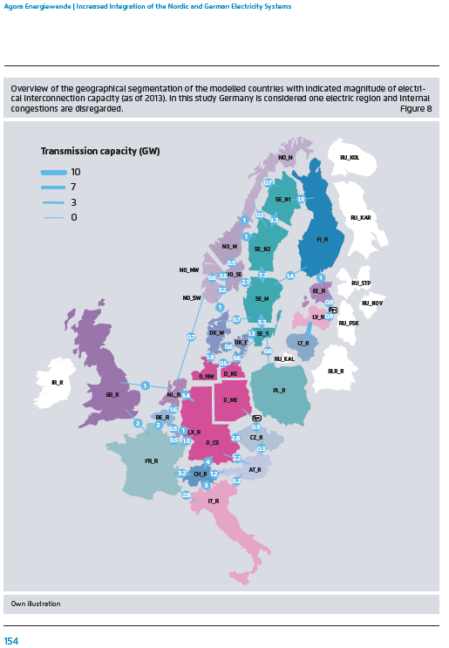
RAFS 12th of april 2017:
The picture presented here on the left is extracted from the report called: "Increased Integration of the Nordic and German Electricity Systems" pp. 154. The study was carried out in 4 institutions among which DTU.
The figure represents installed capacity of interconnectors in 2013.
This left-picture is used to split the total installed capacity taken from the TIMES-NordPool model into our 2 power regions NOR1 and NOR2. The user should remember that in the TIMES-NordPool model Norway is modelled as a single region (the same happens for the other countries) that's why we need an additional source to split them.
For the planned lines, the sources used on the right contain information that make us understand if the new link involves NOR1 or NOR2, only for the project South-West link we have to make assumptions related to which power region will be involved.
Existing Lines |  | New Lines
Agora Study - "Increased Integration of the Nordic and German Electricity Systems" pp. 154 |  | Project | link | Capacity | In operation | Comments | Ref
 |  |  |  | MW
 |  | Interconnection to UK | NO-UK | 1200-1400 | 2016 -2020 |  | SWEDISH-NORWEGIAN GRID DEVELOPMENT, Statnett 2010 pp. 62
 |  | Skagerrak4 | NO-DKW | 700 | 2014 | Expansion of the already existing line | SWEDISH-NORWEGIAN GRID DEVELOPMENT, Statnett 2010 pp. 62
 |  | NorNed2 | NO-NL | 700 | 2015-2017 | Expansion of the already existing NorNed1 | SWEDISH-NORWEGIAN GRID DEVELOPMENT, Statnett 2010 pp. 62
 |  | NORD.LINK or NorGer | NO-DE | 1400 | 2016-2018 |  | SWEDISH-NORWEGIAN GRID DEVELOPMENT, Statnett 2010 pp. 62
 |  | South-West Link | NO-SE | 1400 | 2018-2022 |  | "Nordic Grid Development Plan 2012", english summary slide 15

 |  |  | "Nordic Grid Development Plan 2012", english summary slide 15

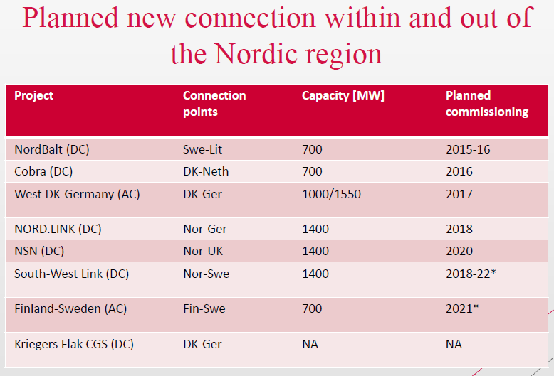

Existing Lines
Picture Extracted from the "Data" excel workbook which embodied the Flex4RES database for their base year (2012). The picture is contained in the sheet called "35".

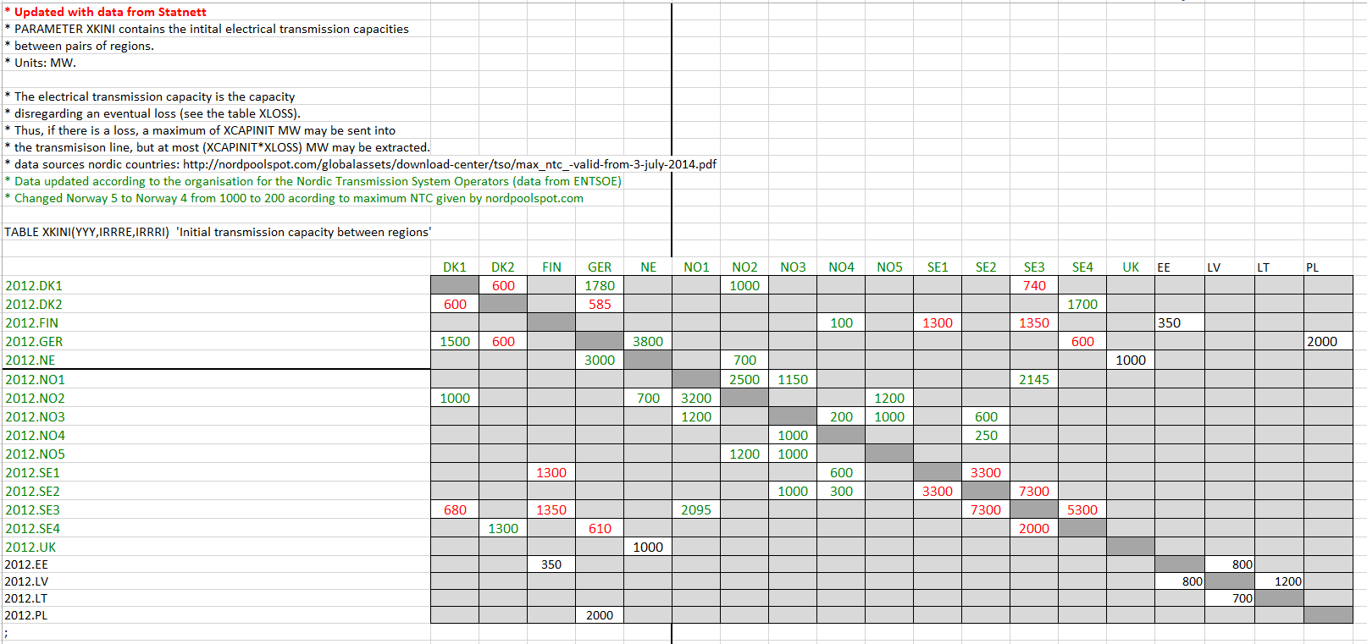

Existing Lines |  |  |  |  | Existing Lines
Picture from: TIMES-NO documentaiton (Pernille) pp. 4. the picture is probably referring to the situation in 2012. |  |  |  |  | Picture from: "Nordic Market report 2013" by NordReg, pp. 20. I called this document: "Power Regions"

 | This picture is from the TIMES-NO documentation (Pernille), pp. 18

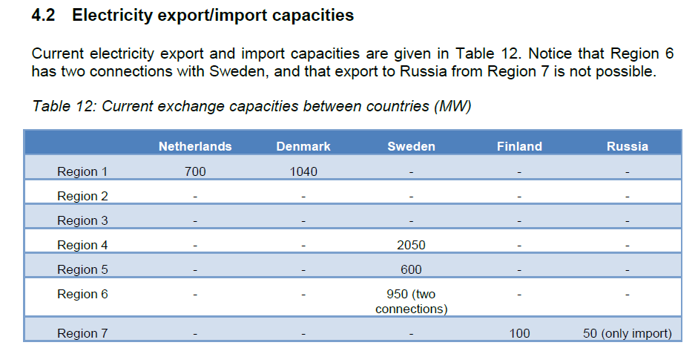

Notes extracted from "TIMES-No Documentation (Pernille) pp. 3 - Spring 2016
"Existing transmission lines for electricity between adjacent regions and neighbouring countries (Netherlands, Denmark, Sweden, Finland, and Russia) are marked as unbroken lines, and potential extensions are marked as dotted lines. From 2012 it is possible to invest in new grid capacity between regions without limitation and between countries as indicated by the dashed line in Figure 2."

Capacity
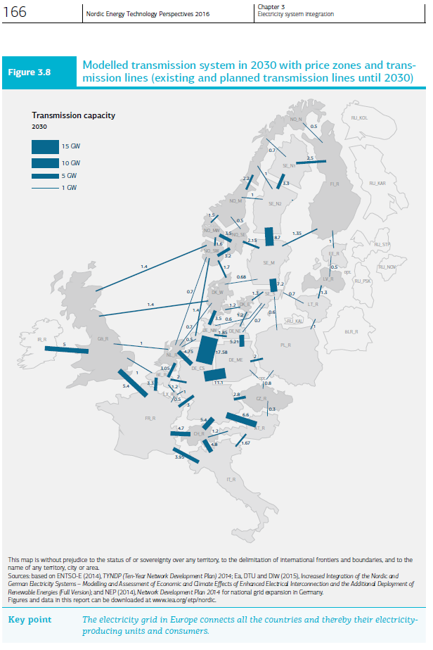
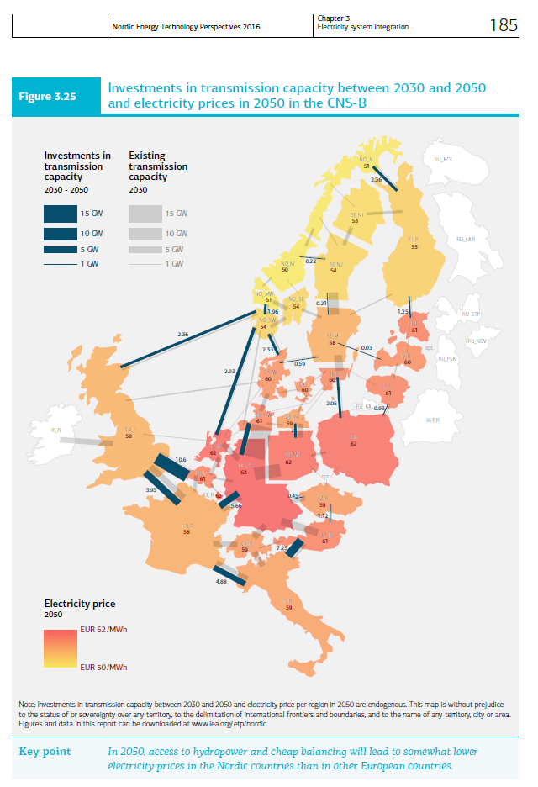
NETP 2016 data, extracted from the figures on the right |  |  |  |  |  | 2030 | 2030-2050
Norway |  | 2030 | 2030-2050 | Sweden |  | MW | additional MW
 |  | MW | additional MW | SE1 | FI | 2500 | 0 | 1 Mwh to 1 PJ
NO1 | UK | 1400 | 2360 | SE1 | NO2 | 700 | 0 | 0.0000036
NO1 | DE | 1400 | 0 | SE1 | SE2 | 3300 | 0
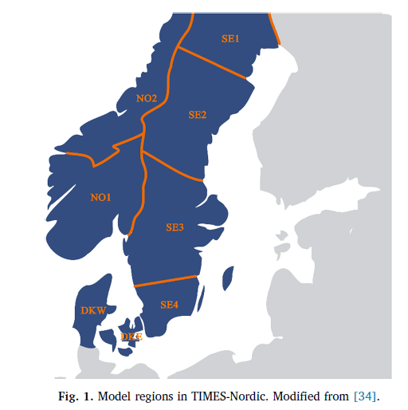
NO1 | DKW | 1700 | 2330 | SE2 | SE1 | 3300 | 0
NO1 | SE3 | 2150 | 0 | SE2 | NO2 | 2000 | 220
NO1 | NO2 | 2000 | 0 | SE2 | SE3 | 8700 | 210
NO1 | NL | 700 | 2930 | SE3 | SE2 | 8700 | 210
NO2 | NO1 | 2000 | 0 | SE3 | NO1 | 2150 | 0
NO2 | SE2 | 2000 | 220 | SE3 | SE4 | 7200 | 0
NO2 | SE1 | 700 | 0 | SE3 | LV | 0 | 30
NO2 | FI | 500 | 2360 | SE3 | DKW | 680 | 590
Denmark |  |  |  | SE3 | FI | 1350 | 0
DKW | NO1 | 1700 | 2330 | SE4 | SE3 | 7200 | 0
DKW | UK | 1400 | 0 | SE4 | DKE | 1300 | 0
DKW | DE | 3500 | 0 | SE4 | DE | 1300 | 0
DKW | DKE | 1200 | 0 | SE4 | PL | 600 | 2050
DKW | SE3 | 680 | 590 | SE4 | LT | 700 | 0
DKW | NL | 700 | 0
DKE | DKW | 1200 | 0
DKE | DE | 1200 | 0
DKE | SE4 | 1300 | 0

NETP 2016 data, extracted from the figures on the right
Norway |  | 2030 | 2030-2050 |  |  | 2030 | 2030-2050
 |  | Pja | additional Pja | Sweden |  | Pja | additional Pja
NO1 | UK | 44.1504 | 74.42496 | SE1 | FI | 78.84 | 0
NO1 | DE | 44.1504 | 0 | SE1 | NO2 | 22.0752 | 0
NO1 | DKW | 53.6112 | 73.47888 | SE1 | SE2 | 104.0688 | 0
NO1 | SE3 | 67.8024 | 0 | SE2 | SE1 | 104.0688 | 0
NO1 | NO2 | 63.072 | 0 | SE2 | NO2 | 63.072 | 6.93792
NO1 | NL | 22.0752 | 92.40048 | SE2 | SE3 | 274.3632 | 6.62256
NO2 | NO1 | 63.072 | 0 | SE3 | SE2 | 274.3632 | 6.62256
NO2 | SE2 | 63.072 | 6.93792 | SE3 | NO1 | 67.8024 | 0
NO2 | SE1 | 22.0752 | 0 | SE3 | SE4 | 227.0592 | 0
NO2 | FI | 15.768 | 74.42496 | SE3 | LV | 0 | 0.94608
Denmark |  | 0 | 0 | SE3 | DKW | 21.44448 | 18.60624
DKW | NO1 | 53.6112 | 73.47888 | SE3 | FI | 42.5736 | 0
DKW | UK | 44.1504 | 0 | SE4 | SE3 | 227.0592 | 0
DKW | DE | 110.376 | 0 | SE4 | DKE | 40.9968 | 0
DKW | DKE | 37.8432 | 0 | SE4 | DE | 40.9968 | 0
DKW | SE3 | 21.44448 | 18.60624 | SE4 | PL | 18.9216 | 64.6488
DKW | NL | 22.0752 | 0 | SE4 | LT | 22.0752 | 0
DKE | DKW | 37.8432 | 0
DKE | DE | 37.8432 | 0
DKE | SE4 | 40.9968 | 0

