ELC_IMP-EXP
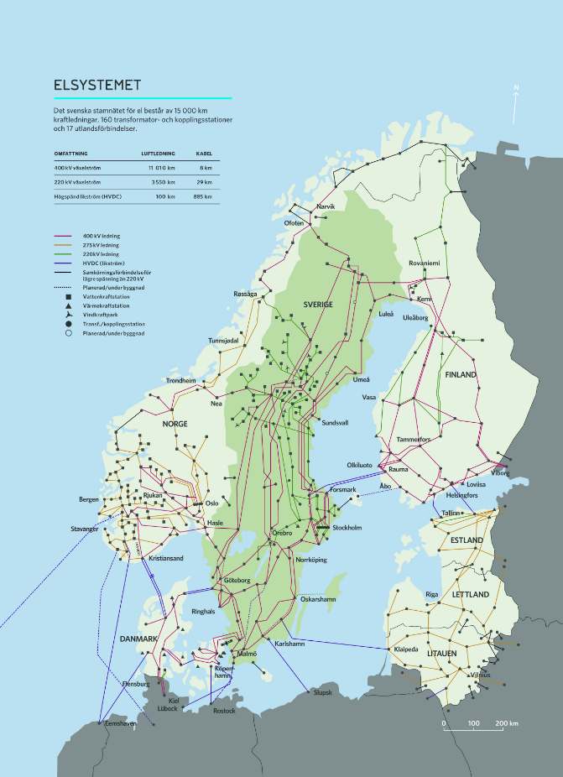
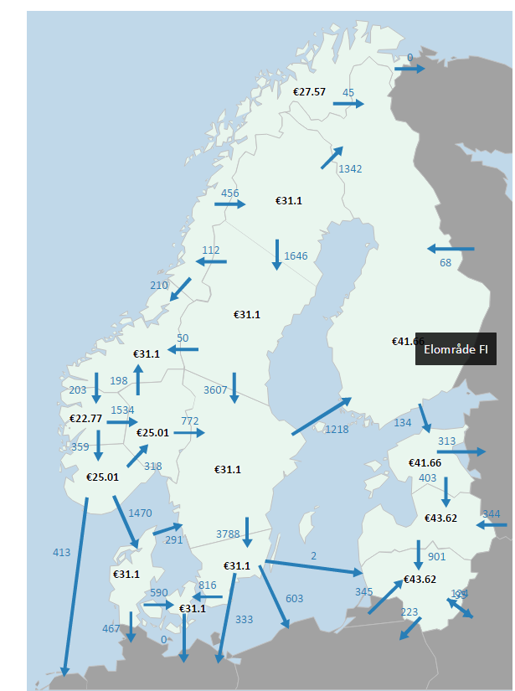
 |  |  |  |  |  |  |  | http://www.svk.se/contentassets/ebdeed10af72408dab6fad3c591d7922/svk-elsystemet_2016_highresloution.jpg
 |  |  |  | ~FI_T |  |  |  | http://www.svk.se/drift-av-stamnatet/kontrollrummet/
 | TechName | *TechDesc | Comm-IN | Comm-OUT | LIFE | START | NCAP_AFA
 | *Technology Name | Technology Description | Input commodity | Output Commodity | Lifetime, years | Starting Year | Annual availability, fraction
 | IMPELC-SEDE | Import of elctricity from Germany to Sweden |  | ELCC | 50 |  | 0.95
 | IMPELC-SEPL | Import of elctricity from Poland to Sweden |  | ELCC | 50 |  | 0.95
 | IMPELC-SELT | Import of elctricity from Litauen to Sweden |  | ELCC | 50 |  | 0.95 |  | AFA~DKE, AFA~DKW | SUBRES_ELC-IMPEXP_Trans.xlsx | LineCap:L9;L16
 | EXPELC-SEDE | Export of elctricity to Germany from Sweden | ELCC |  | 50 |  | 0.95
 | EXPELC-SEPL | Export of elctricity to Poland from Sweden | ELCC |  | 50 |  | 0.95
 | EXPELC-SELT | Export of elctricity to Litauen from Sweden | ELCC |  | 50 |  | 0.95

~FI_Process
Sets | TechName | TechDesc | Tact | Tcap | Tslvl | PrimaryCG | Vintage
*Process Set Membership | Technology Name | Technology Description | Activity Unit | Capacity Unit | TimeSlice level of Process Activity | Primary Commodity Group | Vintage Tracking
IMP | IMPELC-SEDE | Import of elctricity from Germany to Sweden | PJ | Pja | DAYNITE
 | IMPELC-SEPL | Import of elctricity from Poland to Sweden | PJ | Pja | DAYNITE
 | IMPELC-SELT | Import of elctricity from Litauen to Sweden | PJ | Pja | DAYNITE
EXP | EXPELC-SEDE | Export of elctricity to Germany from Sweden | PJ | Pja | DAYNITE
 | EXPELC-SEPL | Export of elctricity to Poland from Sweden | PJ | Pja | DAYNITE
 | EXPELC-SELT | Export of elctricity to Litauen from Sweden | PJ | Pja | DAYNITE

