AVA
The table below specifies whether a transmission connection to DKE/DKW from abroad is possible (indicated by "1"). Import and export connections are specified separately.

~TFM_AVA
PSET_SET | PSET_PN | AllRegions | DKE | DKW
 | * | 0
 | IMPELC-DKDE |  | 1 | 1
 | EXPELC-DKDE |  | 1 | 1
 | IMPELC-DKNL |  |  | 1
 | EXPELC-DKNL |  |  | 1
 | IMPELC-DKUK |  |  | 1
 | EXPELC-DKUK |  |  | 1
 | IMPELC-DKPL |  | 1
 | EXPELC-DKPL |  | 1

LineCapInclUK
The table below specifies upper bounds for existing and planned capacity (CAP_BND) of transmission lines from DKE/DKW to other countries. The bounds are based on the data in the table to the right.

~TFM_INS
TimeSlice | LimType | Attribute | Year | DKE | DKW | \I: Unit | Pset_PN
 | UP | CAP_BND | 0 | 5 | 5 | n/a | IMPELC*,EXPELC*
 |  | INVCOST |  | 4 | 4 | Meuros 2014 / Pja | IMPELC*,EXPELC*

~TFM_DINS
TimeSlice | LimType | Attribute | Year | DKE | DKW | \I: Unit | Pset_PN
* | FX | CAP_BND | 2010 |  | 32 | PJ | #REF! | From the calculation assumption Energi.dk 2014
* | FX | CAP_BND | 2010 |  | 32 | PJ | #REF!
* | FX | CAP_BND | 2010 | 41 | 21 | PJ | #REF!
* | FX | CAP_BND | 2010 | 54 | 23 | PJ | #REF! | Første hele driftsår
 | FX | CAP_BND | 2010 | 19 | 30 | PJ | IMPELC-DKDE | Transmisson lines [GW] | 2010 |  | 2011-2014 |  | 2015 |  | 2016 |  | 2017 |  | 2018 |  | 2019 |  | 2020 |  | 2025 |  | 2030 |  | 2035
 | FX | CAP_BND | 2010 | 18.922 | 47 | PJ | EXPELC-DKDE |  | Export | Import | Eksport | Import | Eksport | Import | Eksport | Import | Eksport | Import | Eksport | Import | Eksport | Import | Eksport | Import | Eksport | Import | Eksport | Import | Eksport | Import
 | FX | CAP_BND | 2010 |  | 0 | PJ | IMPELC-DKNL | Denmark East - Sweden (Øresund) | 1.70 | 1.30 | 1.7 | 1.3 | 1.7 | 1.3 | 1.7 | 1.3 | 1.7 | 1.3 | 1.7 | 1.3 | 1.7 | 1.3 | 1.7 | 1.3 | 1.7 | 1.3 | 1.7 | 1.3 | 1.7 | 1.3
 | FX | CAP_BND | 2010 |  | 0 | PJ | EXPELC-DKNL | Denmark East - Germany (Kontek) | 0.60 | 0.60 | 0.6 | 0.6 | 0.6 | 0.6 | 0.6 | 0.6 | 0.6 | 0.6 | 0.6 | 0.6 | 0.6 | 0.6 | 0.6 | 0.6 | 0.6 | 0.6 | 0.6 | 0.6 | 0.6 | 0.6
 | FX | CAP_BND | 2010 |  | 0 | PJ | IMPELC-DKUK | Denmark East - Germany (Kriegers Flak) |  |  | 0 | 0 | 0 | 0 | 0 | 0 | 0 | 0 | 0 | 0 | 0.4 | 0.4 | 0.4 | 0.4 | 0.4 | 0.4 | 0.4 | 0.4 | 0.4 | 0.4
 | FX | CAP_BND | 2010 |  | 0 | PJ | EXPELC-DKUK | Denmark West - Norway (Skagerrak) | 1.00 | 1.00 | 1 | 1 | 1.7 | 1.7 | 1.7 | 1.7 | 1.7 | 1.7 | 1.7 | 1.7 | 1.7 | 1.7 | 1.7 | 1.7 | 1.7 | 1.7 | 1.7 | 1.7 | 1.7 | 1.7
 | FX | CAP_BND | 2010 | 0 |  | PJ | IMPELC-DKPL | Denmark West - Sweden (Konti-Skan) | 0.74 | 0.68 | 0.74 | 0.68 | 0.74 | 0.68 | 0.74 | 0.68 | 0.74 | 0.68 | 0.74 | 0.68 | 0.74 | 0.68 | 0.74 | 0.68 | 0.74 | 0.68 | 0.74 | 0.68 | 0.74 | 0.68
 | FX | CAP_BND | 2010 | 0 |  | PJ | EXPELC-DKPL | Denmark West - Germany | 1.50 | 0.95 | 1.78 | 1.5 | 1.78 | 1.5 | 1.78 | 1.5 | 1.78 | 1.5 | 2.5 | 2.5 | 2.5 | 2.5 | 2.5 | 2.5 | 3 | 3 | 3 | 3 | 3 | 3
* | FX | CAP_BND | 2012 |  | 32 | PJ | #REF! | Denmark West - Holland (COBRAcable) |  |  | 0 | 0 | 0 | 0 | 0 | 0 | 0 | 0 | 0 | 0 | 0 | 0 | 0.7 | 0.7 | 0.7 | 0.7 | 0.7 | 0.7 | 0.7 | 0.7
* | FX | CAP_BND | 2012 |  | 32 | PJ | #REF! | Denmark West - Denmark East* | 0.60 | 0.60 | 0.6 | 0.6 | 0.6 | 0.6 | 0.6 | 0.6 | 0.6 | 0.6 | 0.6 | 0.6 | 0.6 | 0.6 | 0.6 | 0.6 | 0.6 | 0.6 | 0.6 | 0.6 | 0.6 | 0.6
* | FX | CAP_BND | 2012 | 41 | 21 | PJ | #REF!
* | FX | CAP_BND | 2012 | 54 | 23 | PJ | #REF!
 | FX | CAP_BND | 2012 | 19 | 47 | PJ | IMPELC-DKDE
 | FX | CAP_BND | 2012 | 20.00000 | 52 | PJ | EXPELC-DKDE
 | FX | CAP_BND | 2012 |  | 0 | PJ | IMPELC-DKNL
 | FX | CAP_BND | 2012 |  | 0 | PJ | EXPELC-DKNL
 | FX | CAP_BND | 2012 |  | 0 | PJ | IMPELC-DKUK
 | FX | CAP_BND | 2012 |  | 0 | PJ | EXPELC-DKUK
 | FX | CAP_BND | 2012 | 0 |  | PJ | IMPELC-DKPL |  |  | Invest
 | FX | CAP_BND | 2012 | 0 |  | PJ | EXPELC-DKPL |  |  | Meuros 2014/MW | Meuros 2014/Pja
* | FX | CAP_BND | 2015 |  | 51 | PJ | #REF!
* | FX | CAP_BND | 2015 |  | 51 | PJ | #REF! | Average across the Nordics |  | 0.55 | 17.440385591
* | FX | CAP_BND | 2015 | 41 | 21 | PJ | #REF! | Allocation to single region of the pair |  | 0.275 | 8.7201927955
* | FX | CAP_BND | 2015 | 54 | 23 | PJ | #REF!
 | FX | CAP_BND | 2015 | 19 | 47 | PJ | IMPELC-DKDE | 1 Mwh to 1 PJ
 | FX | CAP_BND | 2015 | 20.50 | 52 | PJ | EXPELC-DKDE | 0.0000036
 | FX | CAP_BND | 2015 |  | 0.0 | PJ | IMPELC-DKNL
RAFS Sept 2019:
INVCOST are assumed based on the NETP 2016 results. They are divided by 4 because: the investment cost is divided between the receiving and the sending region. Moreover, since two processes are defined one for import and one for export I divided for two again.
 | FX | CAP_BND | 2015 |  | 0.0 | PJ | EXPELC-DKNL
 | FX | CAP_BND | 2015 |  | 0.0 | PJ | IMPELC-DKUK
 | FX | CAP_BND | 2015 |  | 0.0 | PJ | EXPELC-DKUK
 | FX | CAP_BND | 2015 | 0 |  | PJ | IMPELC-DKPL
 | FX | CAP_BND | 2015 | 0 |  | PJ | EXPELC-DKPL
* | UP | CAP_BND | 2020 |  | 51 | PJ | #REF!
* | UP | CAP_BND | 2020 |  | 51 | PJ | #REF!
* | UP | CAP_BND | 2020 | 41 | 21 | PJ | #REF! | DKW | NO1 | 53.6112 | 73.47888
* | UP | CAP_BND | 2020 | 54 | 23 | PJ | #REF! | DKW | UK | 44.1504 | 0
 | UP | CAP_BND | 2020 | 29 | 60 | PJ | IMPELC-DKDE | DKW | DE | 110.376 | 0
 | UP | CAP_BND | 2020 | 29 | 63 | PJ | EXPELC-DKDE | DKW | DKE | 37.8432 | 0
 | UP | CAP_BND | 2020 |  | 13 | PJ | IMPELC-DKNL | DKW | SE3 | 21.44448 | 18.60624
 | UP | CAP_BND | 2020 |  | 13 | PJ | EXPELC-DKNL | DKW | NL | 22.0752 | 0
 | UP | CAP_BND | 2020 |  | 0 | PJ | IMPELC-DKUK
 | UP | CAP_BND | 2020 |  | 0 | PJ | EXPELC-DKUK | DKE | DKW | 37.8432 | 0
 | FX | CAP_BND | 2020 | 0 |  | PJ | IMPELC-DKPL | DKE | DE | 37.8432 | 0
 | FX | CAP_BND | 2020 | 0 |  | PJ | EXPELC-DKPL | DKE | SE4 | 40.9968 | 0
* | UP | CAP_BND | 2025 |  | 51 | PJ | #REF!
* | UP | CAP_BND | 2025 |  | 51 | PJ | #REF!
* | UP | CAP_BND | 2025 | 41 | 21 | PJ | #REF!
* | UP | CAP_BND | 2025 | 54 | 23 | PJ | #REF!
 | UP | CAP_BND | 2025 | 32 | 110 | PJ | IMPELC-DKDE
 | UP | CAP_BND | 2025 | 31 | 110 | PJ | EXPELC-DKDE
 | UP | CAP_BND | 2025 |  | 22 | PJ | IMPELC-DKNL
 | UP | CAP_BND | 2025 |  | 22 | PJ | EXPELC-DKNL
 | UP | CAP_BND | 2025 |  | 44 | PJ | IMPELC-DKUK
 | UP | CAP_BND | 2025 |  | 44 | PJ | EXPELC-DKUK
 | UP | CAP_BND | 2025 | 0 |  | PJ | IMPELC-DKPL
 | UP | CAP_BND | 2025 | 0 |  | PJ | EXPELC-DKPL
* | UP | CAP_BND | 2030 |  | 51 | PJ | #REF!
* | UP | CAP_BND | 2030 |  | 51 | PJ | #REF!
* | UP | CAP_BND | 2030 | 41 | 21 | PJ | #REF!
* | UP | CAP_BND | 2030 | 54 | 23 | PJ | #REF!
 | UP | CAP_BND | 2030 | 32 | 110 | PJ | IMPELC-DKDE
 | UP | CAP_BND | 2030 | 31 | 110 | PJ | EXPELC-DKDE
 | UP | CAP_BND | 2030 |  | 22 | PJ | IMPELC-DKNL
 | UP | CAP_BND | 2030 |  | 22 | PJ | EXPELC-DKNL
 | UP | CAP_BND | 2030 |  | 44 | PJ | IMPELC-DKUK
 | UP | CAP_BND | 2030 |  | 44 | PJ | EXPELC-DKUK
 | UP | CAP_BND | 2030 | 0 |  | PJ | IMPELC-DKPL
 | UP | CAP_BND | 2030 | 0 |  | PJ | EXPELC-DKPL
* | UP | CAP_BND | 2035 |  | 51 | PJ | #REF!
* | UP | CAP_BND | 2035 |  | 51 | PJ | #REF!
* | UP | CAP_BND | 2035 | 41 | 21 | PJ | #REF!
* | UP | CAP_BND | 2035 | 54 | 23 | PJ | #REF!
 | UP | CAP_BND | 2035 | 32 | 110 | PJ | IMPELC-DKDE
 | UP | CAP_BND | 2035 | 31 | 110 | PJ | EXPELC-DKDE
 | UP | CAP_BND | 2035 |  | 22 | PJ | IMPELC-DKNL
 | UP | CAP_BND | 2035 |  | 22 | PJ | EXPELC-DKNL
 | UP | CAP_BND | 2035 |  | 44 | PJ | IMPELC-DKUK
 | UP | CAP_BND | 2035 |  | 44 | PJ | EXPELC-DKUK
 | UP | CAP_BND | 2035 | 0 |  | PJ | IMPELC-DKPL
 | UP | CAP_BND | 2035 | 0 |  | PJ | EXPELC-DKPL
* | UP | CAP_BND | 2050 |  | 125 | PJ | #REF!
* | UP | CAP_BND | 2050 |  | 125 | PJ | #REF!
* | UP | CAP_BND | 2050 | 41 | 40 | PJ | #REF!
* | UP | CAP_BND | 2050 | 54 | 42 | PJ | #REF!
 | UP | CAP_BND | 2050 | 32 | 110 | PJ | IMPELC-DKDE
 | UP | CAP_BND | 2050 | 31 | 110 | PJ | EXPELC-DKDE
 | UP | CAP_BND | 2050 |  | 22 | PJ | IMPELC-DKNL
 | UP | CAP_BND | 2050 |  | 22 | PJ | EXPELC-DKNL
 | UP | CAP_BND | 2050 |  | 44 | PJ | IMPELC-DKUK
 | UP | CAP_BND | 2050 |  | 44 | PJ | EXPELC-DKUK
 | UP | CAP_BND | 2050 | 0 |  | PJ | IMPELC-DKPL
 | UP | CAP_BND | 2050 | 0 |  | PJ | EXPELC-DKPL

AF
The table below specifies upper bounds for existing and planned capacity (CAP_BND) of transmission lines from DKE/DKW to other countries. The bounds are based on the data in the table to the right.

~TFM_INS
TimeSlice | LimType | Attribute | Year | DKE | DKW | \I: Unit | Pset_PN
ANNUAL | UP | NCAP_AF | 0 | 5 | 5 | n/a | IMPELC*,EXPELC*

~TFM_DINS
TimeSlice | LimType | Attribute | Year | DKE | DKW | \I: Unit | Pset_PN
* | UP | NCAP_AF | 2010 |  | 0.89 | PJ | #REF!
* | UP | NCAP_AF | 2010 |  | 0.90 | PJ | #REF!
* | UP | NCAP_AF | 2010 | 0.93 | 0.60 | PJ | #REF!
* | UP | NCAP_AF | 2010 | 0.66 | 0.54 | PJ | #REF!
ANNUAL | UP | NCAP_AF | 2010 | 0.59 | 0.83 | PJ | IMPELC-DKDE
ANNUAL | UP | NCAP_AF | 2010 | 0.89 | 0.63 | PJ | EXPELC-DKDE
* | UP | NCAP_AF | 2012 |  | 0.73 | PJ | #REF!
* | UP | NCAP_AF | 2012 |  | 0.76 | PJ | #REF!
* | UP | NCAP_AF | 2012 | 0.91 | 0.86 | PJ | #REF!
* | UP | NCAP_AF | 2012 | 0.80 | 0.74 | PJ | #REF!
ANNUAL | UP | NCAP_AF | 2012 | 0.95 | 0.82 | PJ | IMPELC-DKDE
ANNUAL | UP | NCAP_AF | 2012 | 0.92 | 0.42 | PJ | EXPELC-DKDE
* | UP | NCAP_AF | 2015 |  | 0.65 | PJ | #REF!
* | UP | NCAP_AF | 2015 |  | 0.69 | PJ | #REF!
* | UP | NCAP_AF | 2015 | 0.93 | 0.78 | PJ | #REF!
* | UP | NCAP_AF | 2015 | 0.86 | 0.70 | PJ | #REF!
ANNUAL | UP | NCAP_AF | 2015 | 0.95 | 0.55 | PJ | IMPELC-DKDE
ANNUAL | UP | NCAP_AF | 2015 | 0.92 | 0.24 | PJ | EXPELC-DKDE
* | UP | NCAP_AF | 2020 |  | 1.01 | PJ | #REF!
* | UP | NCAP_AF | 2020 |  | 1.01 | PJ | #REF!
* | UP | NCAP_AF | 2020 | 0.95 | 0.85 | PJ | #REF!
* | UP | NCAP_AF | 2020 | 0.91 | 0.80 | PJ | #REF!
ANNUAL | UP | NCAP_AF | 2020 | 0.97 | 0.90 | PJ | IMPELC-DKDE
ANNUAL | UP | NCAP_AF | 2020 | 0.94 | 0.83 | PJ | EXPELC-DKDE
* | UP | NCAP_AF | 2025 |  | 1.00 | PJ | #REF!
* | UP | NCAP_AF | 2025 |  | 1.00 | PJ | #REF!
* | UP | NCAP_AF | 2025 | 1.00 | 1.00 | PJ | #REF!
* | UP | NCAP_AF | 2025 | 1.00 | 1.00 | PJ | #REF!
ANNUAL | UP | NCAP_AF | 2025 | 1.00 | 1.00 | PJ | IMPELC-DKDE
ANNUAL | UP | NCAP_AF | 2025 | 1.00 | 1.00 | PJ | EXPELC-DKDE

Deact LineCap
The table below specifies upper bounds for existing and planned capacity (CAP_BND) of transmission lines from DKE/DKW to other countries. The bounds are based on the data in the table to the right.

TFM_INS
TimeSlice | LimType | Attribute | Year | DKE | DKW | \I: Unit | Pset_PN
 | UP | CAP_BND | 0 | 5 | 5 | n/a | IMPELC*,EXPELC*

TFM_DINS |  |  |  |  |  |  |  | From the calculation assumption Energi.dk 2014
TimeSlice | LimType | Attribute | Year | DKE | DKW | \I: Unit | Pset_PN | Første hele driftsår
 | UP | CAP_BND | 2010 |  | 32 | PJ | #REF! | Transmisson lines [GW] | 2010 |  | 2011-2014 |  | 2015 |  | 2016 |  | 2017 |  | 2018 |  | 2019 |  | 2020 |  | 2025 |  | 2030 |  | 2035
 | UP | CAP_BND | 2010 |  | 32 | PJ | #REF! |  | Export | Import | Eksport | Import | Eksport | Import | Eksport | Import | Eksport | Import | Eksport | Import | Eksport | Import | Eksport | Import | Eksport | Import | Eksport | Import | Eksport | Import
 | UP | CAP_BND | 2010 | 41 | 21 | PJ | #REF! | Denmark East - Sweden (Øresund) | 1.70 | 1.30 | 1.7 | 1.3 | 1.7 | 1.3 | 1.7 | 1.3 | 1.7 | 1.3 | 1.7 | 1.3 | 1.7 | 1.3 | 1.7 | 1.3 | 1.7 | 1.3 | 1.7 | 1.3 | 1.7 | 1.3
 | UP | CAP_BND | 2010 | 54 | 23 | PJ | #REF! | Denmark East - Germany (Kontek) | 0.60 | 0.60 | 0.6 | 0.6 | 0.6 | 0.6 | 0.6 | 0.6 | 0.6 | 0.6 | 0.6 | 0.6 | 0.6 | 0.6 | 0.6 | 0.6 | 0.6 | 0.6 | 0.6 | 0.6 | 0.6 | 0.6
 | UP | CAP_BND | 2010 | 19 | 30 | PJ | IMPELC-DKDE | Denmark East - Germany (Kriegers Flak) |  |  | 0 | 0 | 0 | 0 | 0 | 0 | 0 | 0 | 0 | 0 | 0.4 | 0.4 | 0.4 | 0.4 | 0.4 | 0.4 | 0.4 | 0.4 | 0.4 | 0.4
 | UP | CAP_BND | 2010 | 19 | 47 | PJ | EXPELC-DKDE | Denmark West - Norway (Skagerrak) | 1.00 | 1.00 | 1 | 1 | 1.7 | 1.7 | 1.7 | 1.7 | 1.7 | 1.7 | 1.7 | 1.7 | 1.7 | 1.7 | 1.7 | 1.7 | 1.7 | 1.7 | 1.7 | 1.7 | 1.7 | 1.7
 | UP | CAP_BND | 2010 |  | 0 | PJ | IMPELC-DKNL | Denmark West - Sweden (Konti-Skan) | 0.74 | 0.68 | 0.74 | 0.68 | 0.74 | 0.68 | 0.74 | 0.68 | 0.74 | 0.68 | 0.74 | 0.68 | 0.74 | 0.68 | 0.74 | 0.68 | 0.74 | 0.68 | 0.74 | 0.68 | 0.74 | 0.68
 | UP | CAP_BND | 2012 |  | 32 | PJ | #REF! | Denmark West - Denmark East* | 0.60 | 0.60 | 0.6 | 0.6 | 0.6 | 0.6 | 0.6 | 0.6 | 0.6 | 0.6 | 0.6 | 0.6 | 0.6 | 0.6 | 0.6 | 0.6 | 0.6 | 0.6 | 0.6 | 0.6 | 0.6 | 0.6
 | UP | CAP_BND | 2012 |  | 32 | PJ | #REF!
 | UP | CAP_BND | 2012 | 41 | 21 | PJ | #REF!
 | UP | CAP_BND | 2012 | 54 | 23 | PJ | #REF!
 | UP | CAP_BND | 2012 | 19 | 47 | PJ | IMPELC-DKDE
 | UP | CAP_BND | 2012 | 18 | 52 | PJ | EXPELC-DKDE
 | UP | CAP_BND | 2012 |  | 0 | PJ | IMPELC-DKNL
 | UP | CAP_BND | 2012 |  | 0 | PJ | EXPELC-DKNL
 | UP | CAP_BND | 2015 |  | 51 | PJ | #REF!
 | UP | CAP_BND | 2015 |  | 51 | PJ | #REF!
 | UP | CAP_BND | 2015 | 41 | 21 | PJ | #REF!
 | UP | CAP_BND | 2015 | 54 | 23 | PJ | #REF!
 | UP | CAP_BND | 2015 | 19 | 47 | PJ | IMPELC-DKDE
 | UP | CAP_BND | 2015 | 19 | 52 | PJ | EXPELC-DKDE
 | UP | CAP_BND | 2015 |  | 0 | PJ | IMPELC-DKNL
 | UP | CAP_BND | 2015 |  | 0 | PJ | EXPELC-DKNL
 | UP | CAP_BND | 2020 |  | 51 | PJ | #REF!
 | UP | CAP_BND | 2020 |  | 51 | PJ | #REF!
 | UP | CAP_BND | 2020 | 41 | 21 | PJ | #REF!
 | UP | CAP_BND | 2020 | 54 | 23 | PJ | #REF!
 | UP | CAP_BND | 2020 | 29 | 60 | PJ | IMPELC-DKDE
 | UP | CAP_BND | 2020 | 29 | 63 | PJ | EXPELC-DKDE
 | UP | CAP_BND | 2020 |  | 13 | PJ | IMPELC-DKNL
 | UP | CAP_BND | 2020 |  | 13 | PJ | EXPELC-DKNL
 | UP | CAP_BND | 2025 |  | 51 | PJ | #REF!
 | UP | CAP_BND | 2025 |  | 51 | PJ | #REF!
 | UP | CAP_BND | 2025 | 41 | 21 | PJ | #REF!
 | UP | CAP_BND | 2025 | 54 | 23 | PJ | #REF!
 | UP | CAP_BND | 2025 | 32 | 79 | PJ | IMPELC-DKDE
 | UP | CAP_BND | 2025 | 31 | 79 | PJ | EXPELC-DKDE
 | UP | CAP_BND | 2025 |  | 22 | PJ | IMPELC-DKNL
 | UP | CAP_BND | 2025 |  | 22 | PJ | EXPELC-DKNL
 | UP | CAP_BND | 2030 |  | 51 | PJ | #REF!
 | UP | CAP_BND | 2030 |  | 51 | PJ | #REF!
 | UP | CAP_BND | 2030 | 41 | 21 | PJ | #REF!
 | UP | CAP_BND | 2030 | 54 | 23 | PJ | #REF!
 | UP | CAP_BND | 2030 | 32 | 79 | PJ | IMPELC-DKDE
 | UP | CAP_BND | 2030 | 31 | 79 | PJ | EXPELC-DKDE
 | UP | CAP_BND | 2030 |  | 22 | PJ | IMPELC-DKNL
 | UP | CAP_BND | 2030 |  | 22 | PJ | EXPELC-DKNL
 | UP | CAP_BND | 2035 |  | 51 | PJ | #REF!
 | UP | CAP_BND | 2035 |  | 51 | PJ | #REF!
 | UP | CAP_BND | 2035 | 41 | 21 | PJ | #REF!
 | UP | CAP_BND | 2035 | 54 | 23 | PJ | #REF!
 | UP | CAP_BND | 2035 | 32 | 79 | PJ | IMPELC-DKDE
 | UP | CAP_BND | 2035 | 31 | 79 | PJ | EXPELC-DKDE
 | UP | CAP_BND | 2035 |  | 22 | PJ | IMPELC-DKNL
 | UP | CAP_BND | 2035 |  | 22 | PJ | EXPELC-DKNL

Capacity by RAFS
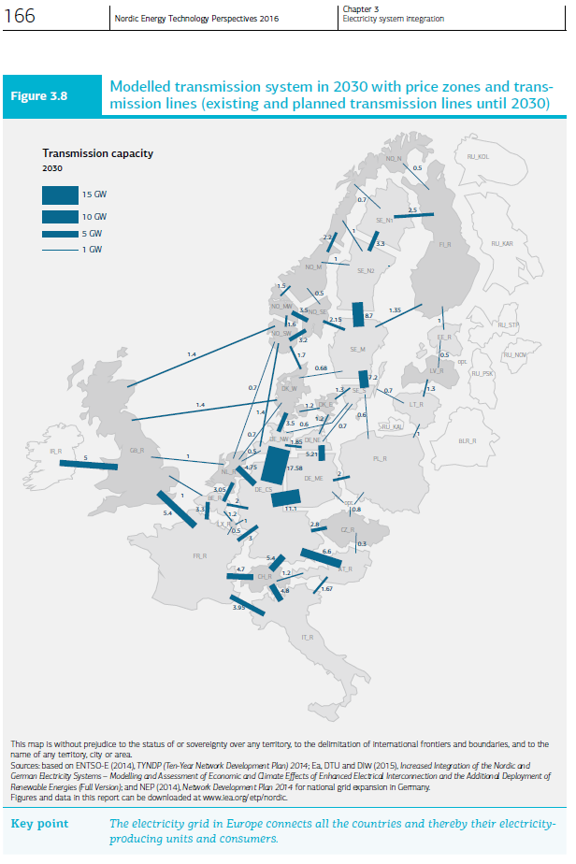
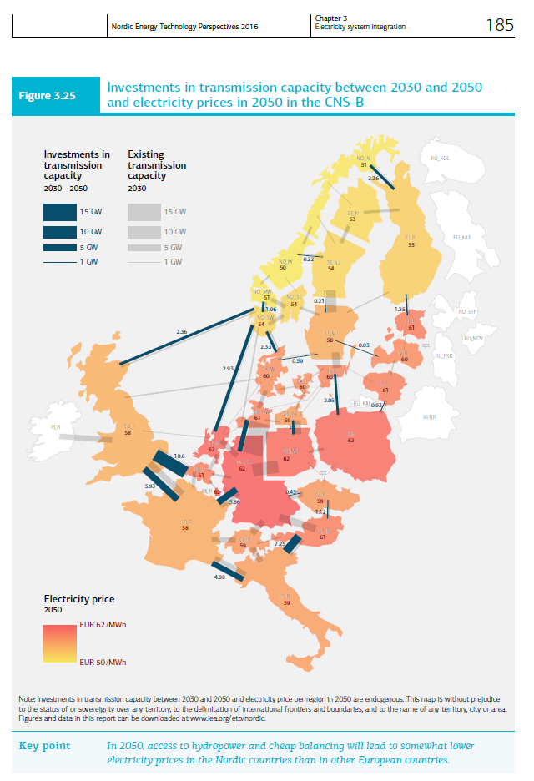
NETP 2016 data, extracted from the figures on the right |  |  |  |  |  | 2030 | 2030-2050
Norway |  | 2030 | 2030-2050 | Sweden |  | MW | additional MW
 |  | MW | additional MW | SE1 | FI | 2500 | 0 | 1 Mwh to 1 PJ
NO1 | UK | 1400 | 2360 | SE1 | NO2 | 700 | 0 | 0.0000036
NO1 | DE | 1400 | 0 | SE1 | SE2 | 3300 | 0
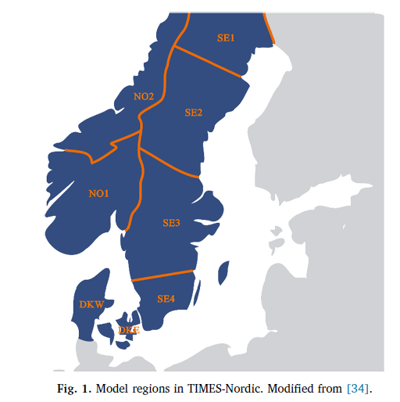
NO1 | DKW | 1700 | 2330 | SE2 | SE1 | 3300 | 0
NO1 | SE3 | 2150 | 0 | SE2 | NO2 | 2000 | 220
NO1 | NO2 | 2000 | 0 | SE2 | SE3 | 8700 | 210
NO1 | NL | 700 | 2930 | SE3 | SE2 | 8700 | 210
NO2 | NO1 | 2000 | 0 | SE3 | NO1 | 2150 | 0
NO2 | SE2 | 2000 | 220 | SE3 | SE4 | 7200 | 0
NO2 | SE1 | 700 | 0 | SE3 | LV | 0 | 30
NO2 | FI | 500 | 2360 | SE3 | DKW | 680 | 590
Denmark |  |  |  | SE3 | FI | 1350 | 0
DKW | NO1 | 1700 | 2330 | SE4 | SE3 | 7200 | 0
DKW | UK | 1400 | 0 | SE4 | DKE | 1300 | 0
DKW | DE | 3500 | 0 | SE4 | DE | 1300 | 0
DKW | DKE | 1200 | 0 | SE4 | PL | 600 | 2050
DKW | SE3 | 680 | 590 | SE4 | LT | 700 | 0
DKW | NL | 700 | 0
DKE | DKW | 1200 | 0
DKE | DE | 1200 | 0
DKE | SE4 | 1300 | 0

NETP 2016 data, extracted from the figures on the right
Norway |  | 2030 | 2030-2050 |  |  | 2030 | 2030-2050
 |  | Pja | additional Pja | Sweden |  | Pja | additional Pja
NO1 | UK | 44.1504 | 74.42496 | SE1 | FI | 78.84 | 0
NO1 | DE | 44.1504 | 0 | SE1 | NO2 | 22.0752 | 0
NO1 | DKW | 53.6112 | 73.47888 | SE1 | SE2 | 104.0688 | 0
NO1 | SE3 | 67.8024 | 0 | SE2 | SE1 | 104.0688 | 0
NO1 | NO2 | 63.072 | 0 | SE2 | NO2 | 63.072 | 6.93792
NO1 | NL | 22.0752 | 92.40048 | SE2 | SE3 | 274.3632 | 6.62256
NO2 | NO1 | 63.072 | 0 | SE3 | SE2 | 274.3632 | 6.62256
NO2 | SE2 | 63.072 | 6.93792 | SE3 | NO1 | 67.8024 | 0
NO2 | SE1 | 22.0752 | 0 | SE3 | SE4 | 227.0592 | 0
NO2 | FI | 15.768 | 74.42496 | SE3 | LV | 0 | 0.94608
Denmark |  | 0 | 0 | SE3 | DKW | 21.44448 | 18.60624
DKW | NO1 | 53.6112 | 73.47888 | SE3 | FI | 42.5736 | 0
DKW | UK | 44.1504 | 0 | SE4 | SE3 | 227.0592 | 0
DKW | DE | 110.376 | 0 | SE4 | DKE | 40.9968 | 0
DKW | DKE | 37.8432 | 0 | SE4 | DE | 40.9968 | 0
DKW | SE3 | 21.44448 | 18.60624 | SE4 | PL | 18.9216 | 64.6488
DKW | NL | 22.0752 | 0 | SE4 | LT | 22.0752 | 0
DKE | DKW | 37.8432 | 0
DKE | DE | 37.8432 | 0
DKE | SE4 | 40.9968 | 0

