HP_TechData
This entire sheet is kept unchanged from the TIMES-DK model

Comm | Year | *ELCC Input | *Minimum capacity | INVCOST | FIXOM | VAROM | CAP2ACT | AFA | Peak | LIFE | ILED
Degrees of Source Temperature |  | Electricity consumption | Minimum capacity for technology | Total cost of investment in new capacity | Annual fixed O&M cost | Annual variable O&M cost | Units of activity/unit of capacity | Annual availability/utilization factor | Fraction of capacity in peak equations | Technical life | Construction time | Currency Conversion
 |  |  | MW | MKr/MW | MKr/MW | MKr/PJ | Factor | Factor |  | Years | Years | DKK/EU | 7.45
22.5 | 2015 | 0.23 | 4 | 5.22 | 0.0149 | 4.139 | 0.031536 | 0.99 | 1.00 | 25 | 0.5
 | 2020 | 0.20 | 4 | 4.90 | 0.0149 | 3.725
 | 2030 | 0.17 | 4 | 4.41 | 0.0149 | 3.518
 | 2050 | 0.14 | 4 | 3.97 | 0.0149 | 3.311
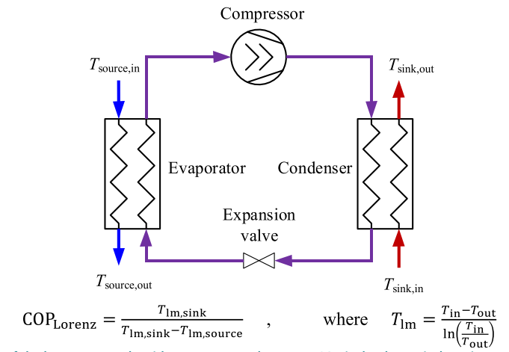
From Danish Energy Agency technology catalogue 2017
Heat Exchanger
Air from/to data center
Closed loop for source of HP
T_air,in = 31 C
T_air,out = 20 C
T_source,in = 28 C
T_source,out = 17 C
Assumed configuration: HX followed by heat pump

 |  |  |  |  |  |  |  |  |  |  |  |  |  | T_source in [K] = | 301
 |  |  |  |  |  |  |  |  |  |  |  |  |  | T_source out [K] = | 290

 |  |  |  |  |  |  |  |  |  |  |  |  |  | T_lm, source [C] = | 22.5

Data for the danish energy agency 2017 technology catalog

Technology | 40 Electrical compression heat pumps - district heating
 | 2015 | 2020 | 2030 | 2050 | Uncertainty (2020) |  | Uncertainty (2050) |  | Note | Ref
Energy/technical data |  |  |  |  | Lower | Upper | Lower | Upper
Heat generation capacity for one unit (MWheat) | 4 | 4 | 4 | 4 | 3 | 6 | 3 | 10 |  | 3
Total efficiency, net (%), name plate | N/A | N/A | N/A | N/A | N/A | N/A | N/A | N/A
Total eff., net (%), annual average, ambient heat source, no dev. in supply temp. | 350 | 360 | 380 | 410 | 350 | 380 | 350 | 450 | A, F, J, K | 4
Total eff., net (%), annual average, ambient heat source, reduced supply temp. | 350 | 400 | 480 | 600 | 350 | 450 | 350 | 700 | A, B, F, J | 3, 4
Total eff., net (%), annual average, waste heat 20° C, reduced supply temp. | 440 | 500 | 600 | 740 | 440 | 600 | 440 | 850 | A, B, F, J | 3, 4
Total eff., net (%), annual average, waste heat 40° C, reduced supply temp. | 700 | 900 | 1200 | 1800 | 700 | 1200 | 700 | 2000 | A, B, F, J | 3, 4
Electricity consumption for pumps etc. (% of heat gen) | 10 | 9 | 7 | 4 | 4 | 10 | 3 | 6 | I, M | 3
Forced outage (%) | 0 | 0 | 0 | 0 | 0 | 1 | 0 | 1 | G | 3
Planned outage (weeks per year) | 0.5 | 0.5 | 0.5 | 0.5 | 0 | 1 | 0 | 1 | H | 3
Technical lifetime (years) | 25 | 25 | 25 | 25 | 15 | 30 | 15 | 30 |  | 3
Construction time (years) | 0.5 | 0.5 | 0.5 | 0.5 | 0.3 | 0.7 | 0.3 | 0.7 | C
Space requirement (1000m2 per MWheat) | 0.02 | 0.02 | 0.02 | 0.02 | 0.01 | 0.04 | 0.01 | 0.04 |  | 1
Regulation ability
Primary regulation (% per 30 seconds) | 10 | 10 | 10 | 10 | 10 | 25 | 10 | 30 | D | 3
Secondary regulation (% per minute) | 20 | 20 | 20 | 20 | 20 | 40 | 20 | 40 | D | 3
Minimum load (% of full load) | 10 | 10 | 10 | 10 | 10 | 10 | 10 | 10 | D | 3
Warm start-up time (hours) | 0 | 0 | 0 | 0 | 0 | 1 | 0 | 1 |  | 3
Cold start-up time (hours) | 6 | 6 | 6 | 6 | 1 | 12 | 1 | 12 | E | 8,10
Environment
SO2 (g per GJ fuel) | 0 | 0 | 0 | 0 | 0 | 0 | 0 | 0
NOX (g per GJ fuel) | 0 | 0 | 0 | 0 | 0 | 0 | 0 | 0
CH4 (g per GJ fuel) | 0 | 0 | 0 | 0 | 0 | 0 | 0 | 0
N2O (g per GJ fuel) | 0.0 | 0.0 | 0.0 | 0.0 | 0.0 | 0.0 | 0.0 | 0.0
Financial data
Nominal investment (M€ per MWheat) | 0.70 | 0.66 | 0.59 | 0.53 | 0.50 | 1.00 | 0.50 | 1.00 | A, L
- of which equipment (%) | 50 | 50 | 50 | 50 | 30 | 70 | 30 | 70 |  | 3
- of which installation (%) | 50 | 50 | 50 | 50 | 30 | 70 | 30 | 70 |  | 3
Fixed O&M (€/MWheat/year) | 2000 | 2000 | 2000 | 2000 | 1000 | 3000 | 1000 | 3000 |  | 3
Variable O&M (€/MWhheat) | 8.4 | 8.2 | 8.8 | 8.2 | 4.3 | 9.1 | 6.5 | 11.9
- of which is electricity costs (€/MWhheat) | 6.4 | 6.4 | 7.1 | 6.6 | 2.8 | 7.1 | 5.0 | 9.9 | M
- of which is other O&M costs (€/MWhheat) | 2.0 | 1.8 | 1.7 | 1.6 | 1.5 | 2.0 | 1.5 | 2.0 | F | 3
Technology specific data

Demand_Proj
Trans - Insert

 | TimeSlice | LimType | Attribute | Year | DKW | DKE | Cset_Set | Cset_CN |  | DEA's linear projection taken from 2026 (it will be probably present in COWI's report), while for the period 2017-2025 Energinet projection is kept:
 | *Unit |  |  |  |  |  |  |  |  |  | Total estimated power consumption [MWh] | Total IT estimated power consumption [MWh] | IT Installed power [MW] | Annual IT Power consumption - Central [GWh] | Annual IT Power consumption - Decentral [GWh] |  | Usage profile assumption coming from "RenewIT" project (deliverable 4.5) [http://www.renewit-project.eu/documents/deliverable/]
 |  |  | COM_PROJ | 2017 | 0 | 0 | DEM | ELDCC |  | 2017 | 0 | 0 | 0 | 0 | 0 |  | Average daily load
 |  |  | COM_PROJ | 2018 | 0.00 | 0 | DEM | ELDCC | 0 | 2018 | 0 | 0 | 0 | 0 | 0 |  | Hour | Load
 |  |  | COM_PROJ | 2019 | 0.43 | 0 | DEM | ELDCC | 0.22 | 2019 | 220000 | 200000 | 23 | 120 | 80 | Cooling system power (% of IT load) | 1 | 53%
 |  |  | COM_PROJ | 2020 | 1.72 | 0 | DEM | ELDCC | 0.879 | 2020 | 879000 | 799091 | 91 | 479 | 320 | 10% | 2 | 50%
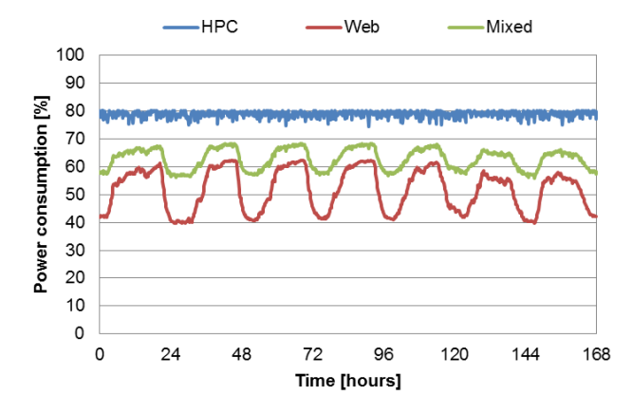
 |  |  | COM_PROJ | 2021 | 3.45 | 0 | DEM | ELDCC | 1.759 | 2021 | 1759000 | 1599091 | 183 | 958 | 641 |  | 3 | 49%
 |  |  | COM_PROJ | 2022 | 5.13 | 0 | DEM | ELDCC | 2.616 | 2022 | 2616000 | 2378182 | 271 | 1425 | 954 | Percentage of Decentral DC until 2025 | 4 | 49%
 |  |  | COM_PROJ | 2023 | 6.68 | 0 | DEM | ELDCC | 3.408 | 2023 | 3408000 | 3098182 | 354 | 1856 | 1242 | 40% | 5 | 49%
 |  |  | COM_PROJ | 2024 | 8.06 | 0 | DEM | ELDCC | 4.111 | 2024 | 4111000 | 3737273 | 427 | 2239 | 1499 |  | 6 | 53%
 |  |  | COM_PROJ | 2025 | 9.27 | 0 | DEM | ELDCC | 4.727 | 2025 | 4727000 | 4297273 | 491 | 2574 | 1723 |  | 7 | 58%
 |  |  | COM_PROJ | 2026 | 17.19 | 0 | DEM | ELDCC | 5.254 | 2026 | 5254000 | 4776364 | 545 | 4776 | 1723 |  | 8 | 58%
 |  |  | COM_PROJ | 2027 | 18.71 | 0 | DEM | ELDCC | 5.716 | 2027 | 5716000 | 5196364 | 593 | 5196 | 1723 |  | 9 | 63%
 |  |  | COM_PROJ | 2028 | 20.15 | 0 | DEM | ELDCC | 6.156 | 2028 | 6156000 | 5596364 | 639 | 5596 | 1723 |  | 10 | 68%
 |  |  | COM_PROJ | 2029 | 21.58 | 0 | DEM | ELDCC | 6.595 | 2029 | 6595000 | 5995455 | 684 | 5995 | 1723 |  | 11 | 68%
 |  |  | COM_PROJ | 2030 | 23.02 | 0 | DEM | ELDCC | 7.035 | 2030 | 7035000 | 6395455 | 730 | 6395 | 1723 |  | 12 | 68%
 |  |  | COM_PROJ | 2031 | 24.46 | 0 | DEM | ELDCC | 7.475 | 2031 | 7475000 | 6795455 | 776 | 6795 | 1723 |  | 13 | 68%
 |  |  | COM_PROJ | 2032 | 25.90 | 0 | DEM | ELDCC | 7.914 | 2032 | 7914000 | 7194545 | 821 | 7195 | 1723 |  | 14 | 68%
 |  |  | COM_PROJ | 2033 | 27.34 | 0 | DEM | ELDCC | 8.353 | 2033 | 8353000 | 7593636 | 867 | 7594 | 1723 |  | 15 | 68%
 |  |  | COM_PROJ | 2034 | 28.77 | 0 | DEM | ELDCC | 8.792 | 2034 | 8792000 | 7992727 | 912 | 7993 | 1723 |  | 16 | 68%
From RenewIT: this is the fraction of the installed IT power consumed by the servers (depending on the type of workload)
 |  |  | COM_PROJ | 2035 | 30.21 | 0 | DEM | ELDCC | 9.231 | 2035 | 9231000 | 8391818 | 958 | 8392 | 1723 |  | 17 | 68%
From RenewIT: this is the fraction of the installed IT power consumed by the servers (depending on the type of workload)
 |  |  | COM_PROJ | 2036 | 31.65 | 0 | DEM | ELDCC | 9.67 | 2036 | 9670000 | 8790909 | 1004 | 8791 | 1723 |  | 18 | 68%
 |  |  | COM_PROJ | 2037 | 33.08 | 0 | DEM | ELDCC | 10.109 | 2037 | 10109000 | 9190000 | 1049 | 9190 | 1723 |  | 19 | 68%
 |  |  | COM_PROJ | 2038 | 34.52 | 0 | DEM | ELDCC | 10.548 | 2038 | 10548000 | 9589091 | 1095 | 9589 | 1723 |  | 20 | 68%
The "Web" profile was chosen. In RenewIT project only the servers are considered in the "IT power", so the profile was translated by an 8% up to account for power transmission lossess.
8% lossess estimated from paper: "Energy saving potential of various air-side economizers in a modular data center" - S. Ham et al.
(https://www.sciencedirect.com/science/article/pii/S0306261914011167)
 |  |  | COM_PROJ | 2039 | 35.96 | 0 | DEM | ELDCC | 10.987 | 2039 | 10987000 | 9988182 | 1140 | 9988 | 1723 |  | 21 | 68%
The "Web" profile was chosen. In RenewIT project only the servers are considered in the "IT power", so the profile was translated by an 8% up to account for power transmission lossess.
8% lossess estimated from paper: "Energy saving potential of various air-side economizers in a modular data center" - S. Ham et al.
(https://www.sciencedirect.com/science/article/pii/S0306261914011167)
 |  |  | COM_PROJ | 2040 | 37.39 | 0 | DEM | ELDCC | 11.426 | 2040 | 11426000 | 10387273 | 1186 | 10387 | 1723 |  | 22 | 63%
 |  |  |  |  |  |  |  |  |  |  |  |  |  |  |  |  | 23 | 58%
 |  |  |  |  |  |  |  |  |  |  |  |  |  |  |  |  | 24 | 53%

 | TimeSlice | LimType | Attribute | Year | DKW | DKE | Cset_Set | Cset_CN
 | *Unit
 |  |  | COM_PROJ | 2017 | 0 | 0 | DEM | ELDCD
 |  |  | COM_PROJ | 2018 | 0.00 | 0 | DEM | ELDCD
 |  |  | COM_PROJ | 2019 | 0.29 | 0 | DEM | ELDCD
 |  |  | COM_PROJ | 2020 | 1.15 | 0 | DEM | ELDCD
 |  |  | COM_PROJ | 2021 | 2.31 | 0 | DEM | ELDCD
 |  |  | COM_PROJ | 2022 | 3.43 | 0 | DEM | ELDCD
 |  |  | COM_PROJ | 2023 | 4.47 | 0 | DEM | ELDCD
 |  |  | COM_PROJ | 2024 | 5.40 | 0 | DEM | ELDCD
 |  |  | COM_PROJ | 2025 | 6.20 | 0 | DEM | ELDCD
 |  |  | COM_PROJ | 2026 | 6.20 | 0 | DEM | ELDCD
 |  |  | COM_PROJ | 2027 | 6.20 | 0 | DEM | ELDCD
 |  |  | COM_PROJ | 2028 | 6.20 | 0 | DEM | ELDCD
 |  |  | COM_PROJ | 2029 | 6.20 | 0 | DEM | ELDCD
 |  |  | COM_PROJ | 2030 | 6.20 | 0 | DEM | ELDCD
 |  |  | COM_PROJ | 2031 | 6.20 | 0 | DEM | ELDCD
 |  |  | COM_PROJ | 2032 | 6.20 | 0 | DEM | ELDCD
 |  |  | COM_PROJ | 2033 | 6.20 | 0 | DEM | ELDCD
 |  |  | COM_PROJ | 2034 | 6.20 | 0 | DEM | ELDCD
 |  |  | COM_PROJ | 2035 | 6.20 | 0 | DEM | ELDCD
 |  |  | COM_PROJ | 2036 | 6.20 | 0 | DEM | ELDCD
 |  |  | COM_PROJ | 2037 | 6.20 | 0 | DEM | ELDCD
 |  |  | COM_PROJ | 2038 | 6.20 | 0 | DEM | ELDCD
 |  |  | COM_PROJ | 2039 | 6.20 | 0 | DEM | ELDCD
 |  |  | COM_PROJ | 2040 | 6.20 | 0 | DEM | ELDCD

 | TimeSlice | LimType | Attribute | Year | DKW | Pset_PN | Cset_CN
 | *Unit
 |  |  | VDA_FLOP |  | 0.08 | LDCF* | LDCCSELC
 |  |  | VDA_FLOP |  | 0.58 | LDCF* | LDCLTH*

