Intro
This scenario file is set up to assign investment costs associated with the fuel infrastructure of liquid and gaseous fuels. Hydrogen fuel infrastructure is already included in the SubRES file H2_Chain. Delivery costs (variable costs for transporting fuels) are already accounted for in a separate scenario file and are compared in the Sheet Data Comparison against the values provided in the different sources.

Notes RAFS 4th April 2018
File taken from TIMES-Nordic, in specific from the TIMES-DK submodule.
The existing stock of gas station has been taken from the energy balance (SSB) and input as PJ/year, while the investment cost is assumed as in TIMES-DK and TIMES-SE
The existing stock of electricity delivered by public EV stations is taken from the Nordic EV Outlook 2018 by IEA and the split into regions is taken from the Norwegian Electric Vehicle Association. While the investment cost is assumed as in TIMES-DK and TIMES-SE

Sheet | Explanation
INS Gas | Investment cost and stock for natural and renewable gas are inserted
INS Electricity | Investment cost and stock for EV charging stations are inserted
Infrastructure cost data | Investment cost in fuel infrastructure (liquid fuels, gas, EV)
Data comparison | Collection of all data on infrastructure costs
Stock gas | Calculation of gas network and gas stations stock in Denmark in PJ
Stock electricity | Calculation of EV stations stock in Denmark in PJ
Gas imp exp | Projections on natural gas exchanges from Energinet.dk

INS Gas
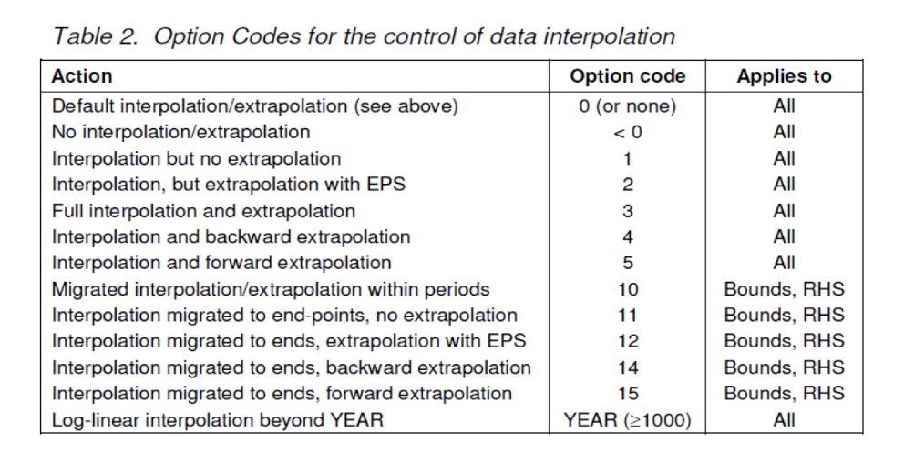
 |  | Same costs as in Denmark and Sweden

Gas station investment costs are assigned to all the gas blending technologies (i.e. gas blending technologies simulate a gas station, delivering a mix of natural gas and renewable gas).
~TFM_INS
Attribute | Year | Pset_PN | CURR | NO1 | NO2
*Unit |  |  | Currency | DKK/GJ/year | DKK/GJ/year
INVCOST | 2015 | FT-TRANGBL* | MKr15 | 128.5 | 128.5
INVCOST | 2020 | FT-TRANGBL* | MKr15 | 76 | 76
INVCOST | 2035 | FT-TRANGBL* | MKr15 | 19 | 19

The stock (PJ) of gas delivered by gas stations in Denmark in 2015 is assigned to the sum of blending technologies. In this way, only when the required gas for vehicles is higher than the stock, additional capacity will be built (at a cost equal to the investment cost).
UC - All Regions/Each Period
 | ~UC_Sets: R_S: NO1, NO2
 | ~UC_Sets: T_E:
 |  |  | ~UC_T
UC_N | Pset_PN | Year | LimType | UC_CAP | UC_RHSTS | UC_RHSTS~0 | UC_Desc
STOCK_GasStations_NO | FT-TRANGBL* | 2010 | FX | 1 | 2.3 | 4 | Existing stock of gas stations
 | FT-TRANGBL* | 2012 | FX | 1 | 3.7
 | FT-TRANGBL* | 2015 | FX | 1 | 5.0

INS Electricity
 |  |  |  | Same costs as in Denmark and Sweden

EV charging station investment costs are assigned to the virtual technology simulating EV charging station for cars and vans, as defined in the VT_TRA file. Only public chargers (normal and rapid) are modelled.
~TFM_INS
Attribute | Year | Pset_PN | CURR | NO1 | NO2
*Unit |  |  | Currency | DKK/GJ/year | DKK/GJ/year
INVCOST | 2015 | FT-TRAELCEV | MKr15 | 263.68 | 263.68
INVCOST | 2020 | FT-TRAELCEV | MKr15 | 86.18 | 86.18
INVCOST | 2035 | FT-TRAELCEV | MKr15 | 15.25 | 15.25

The stock (PJ) of electricity delivered by public EV stations in Denmark in 2015 is assigned (home charging is not included). In this way, only when the required electricity for EV (cars and vans) is higher than the stock, additional capacity will be built (at a cost equal to the investment cost).
~TFM_INS
Attribute | Year | Pset_PN | NO1 | NO2 | LimType
*Unit |  |  | PJ | PJ
ACT_BND | 2015 | FT-TRAELCEV | 0.0327 | 0.0062 | FX
ACT_BND | 0 | FT-TRAELCEV | 4 | 4 | FX

Data comparison
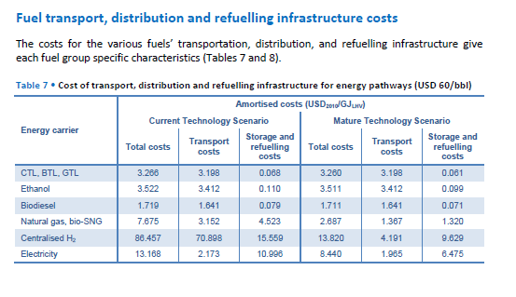
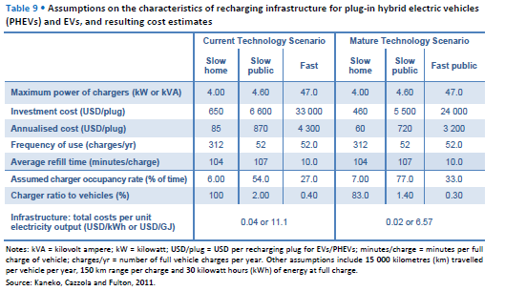
Comparison of fuel delivery and infrastructure data

Sources | Production Costs of Alternative Transportation Fuels, IEA (2013)
 | NREL (2013) Alternative Fuel Infrastructure Expansion: Costs, Resources, Production Capacity, and Retail Availability for Low-Carbon Scenarios.
 | Dodds, P. E., McDowall, W. (2014) Methodologies for representing the road transport sector in energy system models. International Journal of Hydrogen Energy, 39-5.
 | EA, Grøn Roadmap (2015)
Values from different sources are here compared. Additionally, transport costs (IEA, 2013) are compared with the delivery costs already present in the model. The greatest difference is in the electricity delivery cost (it depends on what is accounted for, price to consumers in our case).
Green Roadmap (EA, 2015) provides data for distribution prices of fuels in DKK/km (see graph). Transmission and distribution (variable cost) and infrastructure (fixed investment) in DDK/GJ are also calculated in the Grøn Roadmap (EA, 2015).

 |  | Current technology (USD/GJ LHV) |  | Mature technology (USD/GJ LHV) |  | Current technology (USD/GJ LHV) |  | Mature technology (USD/GJ LHV)
 | Fuel | Transport costs | Storage and refuelling costs | Transport costs | Storage and refuelling costs | Transport costs | Storage and refuelling costs | Transport costs | Storage and refuelling costs | Delivery costs (applied in other scenario file)
 | CTL, BTL, GTL | 3.198 | 0.068 | 3.198 | 0.061 | 3.534 | 0.075 | 3.534 | 0.068 | USD/GJ
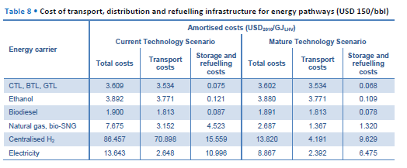
 | Ethanol | 3.412 | 0.11 | 3.412 | 0.099 | 3.771 | 0.121 | 3.771 | 0.109 | 5.1364985163 | Ethanol
 | Biodiesel | 1.641 | 0.079 | 1.641 | 0.071 | 1.813 | 0.087 | 1.813 | 0.078 | 4.2106824926 | Biodiesel
 | Natural gas, bio-SNG | 3.152 | 4.523 | 1.367 | 1.32 | 3.152 | 4.523 | 1.367 | 1.32 | 1.9287833828 | Natural gas, bio-SNG
 | Electricity | 2.173 | 10.996 | 1.985 | 6.475 | 2.648 | 10.996 | 2.392 | 6.475 | 18.95727003 | Electricity
 |  | Oil price = 60 USD/bbl |  |  |  | Oil price = 150 USD/bbl
 | Source: IEA (2013)

 |  | Current technology |  |  | Mature technology
 | EV charging | Slow charging home | Slow charging public | Fast charging | Slow charging home | Slow charging public | Fast charging
 | Investment cost (USD/plug) | 650 | 6600 | 33000 | 460 | 5500 | 24000
 | Annualised cost (USD/plug) | 85 | 870 | 4300 | 60 | 720 | 3200
 | Total infr. cost (USD/GJ) | 11.1 |  |  | 6.57
 | Source: IEA (2013)
 |  |  |  |  |  |  |  |  |  |  |  | Source: IEA (2013)
 | Investment new capacity | 2020 | 2050 |  | Investment new capacity | 2020 | 2050
 | Diesel/gasoline (USD2005/gge/year) | 0.64 | 0.64 |  | Diesel/gasoline (USD2005/(MJ/kg)/year) | 20.323947305 | 20.323947305
 | CNG (USD2005/gge/year) | 2.64 | 2.36 |  | CNG (USD2005/(MJ/kg)/year) | 83.836282635 | 74.944555689
 | EV charging PHEV (USD2005/gge/year) | 9.65 | 3.67 |  | EV charging PHEV (USD2005/(MJ/kg)/year) | 306.44701796 | 116.54513533
 | EV BEV charging (USD2005/gge/year) | 11.87 | 7.31 |  | EV BEV charging (USD2005/(MJ/kg)/year) | 376.94571018 | 232.13758563
 | Source: NREL (2013)
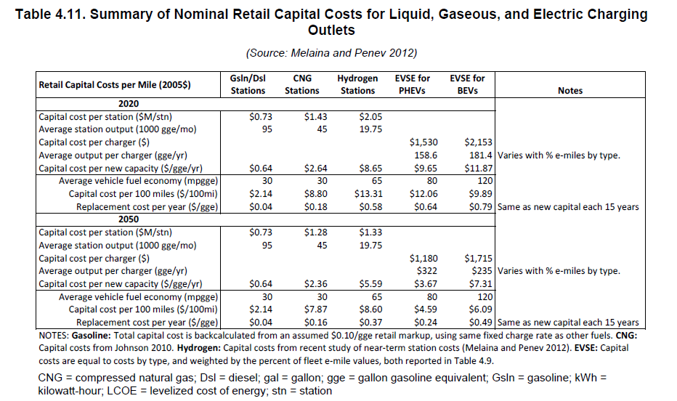
 | gge = gallon gasoline equivalent

 | Fuel | Annual cost of infrastructure provision per car (GBP)
 | Diesel | 17
 | CNG | 34
 | EV charger | 129
 | Source: Dodds & McDowall (2014)
 | Costs include dispenser+storage(+compressor for CNG)

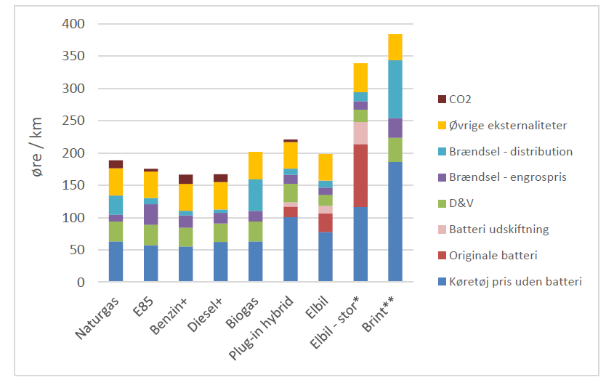

 |  | Fuel distribution cost (DKK/km) | Fuel distribution cost (DKK/liter)
 | Natural gas | 0.3
 | Gasoline E85 | 0.12 | 0.00017406440383
 | Gasoline+ | 0.1 | 0.00014505366986
 | Diesel+ | 0.07 | 0.00010879025239
 | Biogas | 0.5
 | PHEV | 0.15 | 0.00067524984244
 | EV | 0.17 |  |  |  |  |  |  |  |  |  | Source: NREL (2013)
 | EV large | 0.2
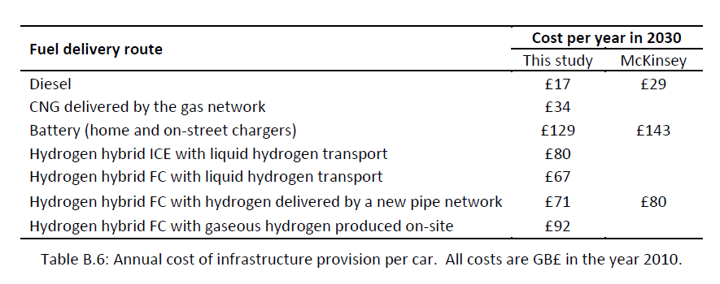
 | Hydrogen | 0.9
 | Source: EA, Grøn Roadmap (2015)

 |  | Fuel transmission and distribution cost (DKK/GJ) | Fuel transmission and distribution cost (USD/GJ) | Fuel infrastructure cost (DKK/GJ)
 | Natural gas | 2.5 | 0.37091988131 | See figures
 | Gasoline E85 | 1.1 | 0.16320474777 | Included in transmission and distribution
 | Gasoline+ | 1.1 | 0.16320474777 | Included in transmission and distribution
 | Diesel+ | 1.1 | 0.16320474777 | Included in transmission and distribution
 | Biogas | 2.5 | 0.37091988131 | See figures, same as for NGA
 | Electricity | 100 DKK/MWh | 4.1213320145 | See figures
 | Hydrogen | 35 | 5.1928783383 | Not calculated |  | Source: EA, Grøn Roadmap (2015)
 | Source: EA, Grøn Roadmap (2015) |  |  |  |  |  |  |  |  |  |  | Source: Dodds & McDowall (2014)
Differences between EA data and delivery costs already present in the model derives probably from the fact that EA does not account for sales margin (as it is done in the data from World Energy Outlook, source used for the delivery costs currently implemented).
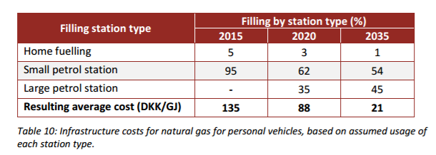

 | Delivery costs | DKK/GJ | For comparison (USD/GJ)
 | Gasoline/BioEthanol | 34.62 | 5.1364985163
 | Diesel/BioDiesel | 28.38 | 4.2106824926
 | Electricity | 127.772 | 18.95727003
 | Natural gas/SNG | 13 | 1.9287833828
 | Note: already included in other scenario file |  |  |  |  | Source: EA, Grøn Roadmap (2015)

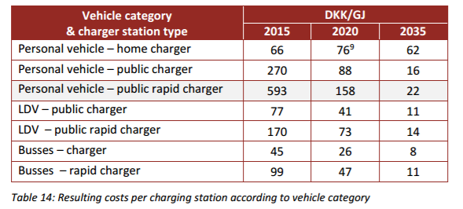
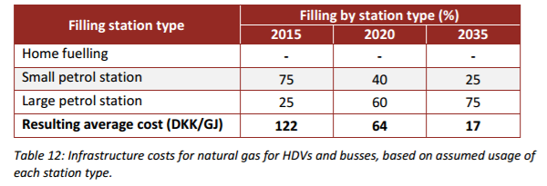

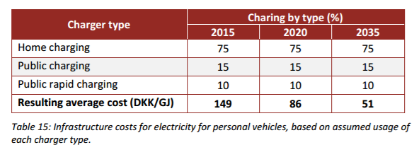

 | Conversion factors

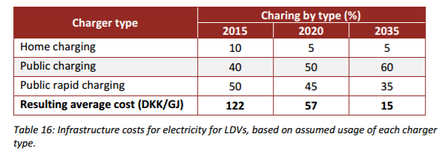
 | LHV | MJ/kg |  | USD | 1
 | Diesel | 45 |  | DKK | 6.74
 | Gasoline | 47
 | CNG | 54 |  | GGE | 1
 |  |  |  | BTU/gallon | 114000

 |  |  |  | BTU/pound | 1
 |  |  |  | MJ/kg | 0.002326

 |  |  |  | gallon | 1
 | Fuel consumption (lge/100km) |  |  | pounds | 8.35
 | Average OECD | 7.66
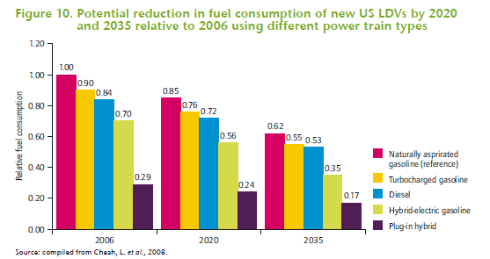
 | Turbocharged gasoline | 6.894
 | Diesel | 6.4344
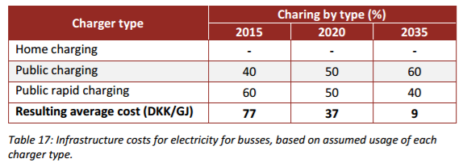
 | Hybrid electric-gasoline | 5.362
 | PHEV | 2.2214
 | Source: IEA, Fuel Economy of Road Vehicles (2012)

 |  |  | Source: IEA, Fuel Economy of Road Vehicles (2012)

Stock gas
 | Fuel infrastructure stock
 | Network and stations |  |  |  |  | Source | Energinet.dk, Gas in Denmark 2015
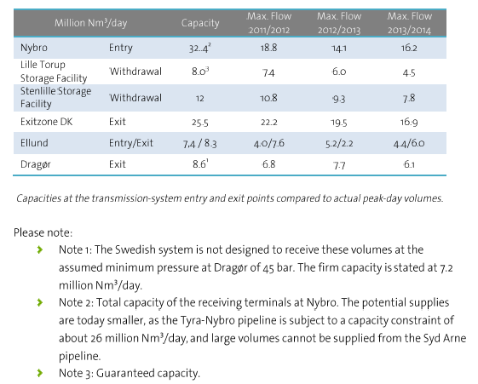
 | Natural gas transmission system capacity |  |  |  |  |  |  |  |  |  |  |  | Source | Danmark Statistics
 | from table on the right |  |  |  |  |  |  |  |  |  |  |  | Transport in pipelines by unit, product and time
 | 32.4
 | 8 |  |  |  |  |  |  |  |  |  |  |  |  |  | 2013 | 2014 | 2015 | kg | Nm3 | MJ | PJ
 | 12 |  |  |  |  |  |  |  |  |  |  |  | 1000 tonnes | Natural gas, total | 3568 | 3442 | 3553 | 3553000000 | 4280722891.6 | 2.3543975904E+11 | 235.43975904
 | 25.5 |  |  |  |  |  |  |  |  |  |  |  |  | Natural gas, exported | 2527 | 1737 | 1799 | 1799000000 | 2167469879.5 | 1.1921084337E+11 | 119.21084337
 | 8.3 |  |  |  |  |  |  |  |  |  |  |  |  |  |  |  |  |  |  |  | 354.65060241 | Total transported gas (2015)
 | 8.6
 | 94.8 | 5214000000 | 5.214 | 1903.11 | Total capacity
 | Nm3/day | MJ/day | PJ/day | PJ/year
 | Notes: this includes storage |  |  |  |  |  |  |  |  |  |  |  | Gas network in Denmark (2015) |  |  |  |  |  |  |  | Gas filling stations in Denmark (2015) |  |  |  | Source | Statistics Denmark
 |  |  |  |  |  |  |  |  |  |  |  |  | Source | Energinet.dk |  |  |  |  |  |  | Source | Energinet.dk | Number of gas stations | 10 | Stock of passenger cars per 1 January by propellant, tare and time
 |  |  |  |  |  |  |  |  |  |  |  |  |  |  |  |  |  |  |  |  | Source | http://hmnnaturgas.dk/grongas/gastiltransport/gastankstationer/ | Number of gas stations | 16 | Units: number
 | Conversion units |  |  |  |  |  |  |  |  |  |  |  |  |  |  |  |  |  |  |  |  |  |  |  |  |  | 2015 | 2016
 | 15.2 | kWh/Nm3 | Average Wobbe index |  |  |  |  |  |  |  |  |  |  |  |  |  |  |  |  |  |  |  |  |  | N-gas | Total | 58 | 58
 | 1 | kWh | What I always forget too quickly |  |  |  |  |  |  |  |  |  |  |  |  |  |  |  |  |  |  |  |  |  |  | 901-1.000 kg | 32 | 34
 | 3600000 | J | What I always forget too quickly |  |  |  |  |  |  |  |  |  |  |  |  |  |  |  |  |  |  |  |  |  |  | 1.001-1.000 kg | 2 | 2
 | 55 | MJ/Nm3 | LHV Natural gas |  |  |  |  |  |  |  |  |  |  |  |  |  |  |  |  |  |  |  |  |  |  | 1.101-1.200 kg | 1 | 1
 | 0.83 | kg/Nm3 | Density natural gas |  |  |  |  |  |  |  |  |  |  |  |  |  |  |  |  |  |  |  |  |  |  | 1.301-1.400 kg | 3 | 3
 |  |  |  |  |  |  |  |  |  |  |  |  |  |  |  |  |  |  |  |  |  |  |  |  |  | 1.401-1.500 kg | 8 | 3
 |  |  |  |  |  |  |  |  |  |  |  |  |  |  |  |  |  |  |  |  |  |  |  |  |  | 1.501-1.600 kg | 5 | 6
 |  |  |  |  |  |  |  |  |  |  |  |  |  |  |  |  |  |  |  |  |  |  |  |  |  | 1.601-1.700 kg | 1 | 1
 |  |  |  |  |  |  |  |  |  |  |  |  |  |  |  |  |  |  |  |  |  |  |  |  |  | Above 2.000 kg | 6 | 8
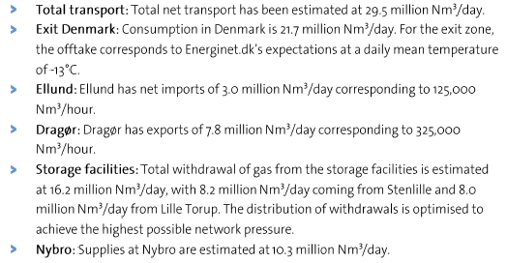
 | Net transport of gas in 2015 (Energinet.dk)
 | Nm3/year | MJ/year | PJ/year |  |  |  |  |  |  |  |  | Net transport (mill Nm3/day) |  |  |  |  |  |  |  |  |  |  |  |  | Stock of vans per 1 January by propellant, gross weight and time
 | 10767500000 | 592212500000 | 592.2125 |  |  |  |  |  |  |  |  | 10.3 |  |  |  |  |  |  |  |  |  |  |  |  | Units: number
 | Note: 29.5 million Nm3/day is the value estimated by Energinet.dk (see text) |  |  |  |  |  |  |  |  |  |  | 8 |  |  |  |  |  |  |  |  |  |  |  |  |  |  | 2013 | 2014 | 2015 | 2016
 |  |  |  |  |  |  |  |  |  |  |  | 8.2 |  |  |  |  |  |  |  |  |  |  |  |  | N-gas | Total | 16 | 20 | 51 | 63
Net transport (PJ/year) is the closest value to gas network capacity, if compared with the estimated 8 billion Nm3 of gas transported each year in Denmark (Energinet.dk). The value found (~600 PJ) is far from the value reported in Statistics Denmark (354 PJ).
 |  |  |  |  |  |  |  |  |  |  |  | 3 |  |  |  |  |  |  |  |  |  |  |  |  |  | 0-1,000 kg | 0 | 0 | 0 | 0
 |  |  |  |  |  |  |  |  |  |  |  |  |  |  |  |  |  |  |  |  |  |  |  |  |  | 1,001-1,500 kg | 0 | 0 | 0 | 0
 |  |  |  |  |  |  |  |  |  |  |  |  |  |  |  |  |  |  |  |  |  |  |  |  |  | 1,501-2,000 kg | 0 | 1 | 4 | 5
 |  |  |  |  |  |  |  |  |  |  |  |  |  |  |  |  |  |  |  |  |  |  |  |  |  | 2,001-2,500 kg | 9 | 10 | 17 | 21
 |  |  |  |  |  |  |  |  |  |  |  |  |  |  |  |  |  |  |  |  |  |  |  |  |  | 2,501-3,000 kg | 5 | 6 | 18 | 24
 |  |  |  |  |  |  |  |  |  |  |  |  |  |  |  |  |  |  |  |  |  |  |  |  |  | 3,001-3,500 kg | 2 | 3 | 12 | 13

 |  |  |  |  |  |  |  |  |  |  |  |  |  |  |  |  |  |  |  |  |  |  |  |  | Total gas vehicles (2015) | 109
 |  |  |  |  |  |  |  |  |  |  |  |  |  |  |  |  |  |  |  |  |  |  |  |  | Yearly distance travelled (km) | 18000 | TIMES
 |  |  |  |  |  |  |  |  |  |  |  |  |  |  |  |  |  |  |  |  |  |  |  |  | Fuel consumption (MJ/km) | 1.53 | Admodel
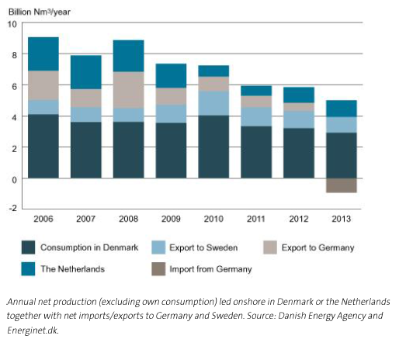
 | Annual net production in 2013 (Energinet.dk) |  |  |  |  |  |  |  |  |  |  |  |  |  |  |  |  |  |  |  |  |  |  |  | Total gas (MJ/year) | 3001860
 | Nm3/year | MJ/year | PJ/year |  |  |  |  |  |  |  |  |  |  |  |  |  |  |  |  |  |  |  |  |  | Total gas (PJ/year) | 0.00300186
 | 5000000000 | 275000000000 | 275 | NET Production 2013 |  |  |  |  |  |  |  |  |  |  |  |  |  |  |  |  |  |  |  |  | Gas delivered by station (MJ/year) | 187616.25
 | Notes: Netherlands is excluded |  |  |  |  |  |  |  |  |  |  |  |  |  |  |  |  |  |  |  |  |  |  |  | Gas delivered by station (PJ/year) | 0.00018761625

SSB Website
11561: Energy balance. Supply and consumption, by energy product 2010 - 2016
Energy balance. Supply and consumption, by energy balance item, energyproduct, contents and year

 |  | Energy balance (PJ)
 |  | 2010 |  | 2011 |  | 2012 |  | 2013 | 2014 | 2015 | 2016
EB01 1 Primary energy production | Natural gas | 3965.8 |  | 3791.1 |  | 4247.5 |  | 4035.6 | 4010.8 | 4306.0 | 4284.6
EB02 2 Imports | Natural gas | 0.2 |  | 0.0 |  | 0.0 |  | - | - | - | -
EB03 3 Exports | Natural gas | 3704.5 |  | 3574.9 |  | 4020.6 |  | 3798.6 | 3768.1 | 4050.7 | 4051.4
EB04 4 International bunkers | Natural gas | - |  | - |  | - |  | - | - | 1.4 | 2.0
EB05 5 Stock changes | Natural gas | 2.9 |  | -2.2 |  | 1.4 |  | -0.8 | -1.5 | 3.2 | 0.8
EB06 6 Total energy supply (1+2-3-4+5) | Natural gas | 264.4 |  | 214.1 |  | 228.3 |  | 236.2 | 241.2 | 257.1 | 232.1
EB07 7 Transformation processes | Natural gas | -29.4 |  | -23.7 |  | -14.7 |  | -13.6 | -14.3 | -14.2 | -14.3
EB08 8 Energy industries own use | Natural gas | 180.8 |  | 173.6 |  | 176.6 |  | 177.3 | 187.2 | 193.3 | 190.5
EB09 9 Distribution losses | Natural gas | 3.5 |  | 3.5 |  | 4.3 |  | 2.6 | 2.8 | 1.9 | 3.1
EB10 10 Final consumption (11+12) | Natural gas | 32.8 |  | 35.2 |  | 35.4 |  | 37.5 | 39.1 | 40.5 | 35.5
EB11 11 Non energy consumption | Natural gas | 19.4 |  | 21.1 |  | 18.2 |  | 20.0 | 21.7 | 23.0 | 18.8
EB12 12 Final energy consumption | Natural gas | 13.3 |  | 14.0 |  | 17.0 |  | 17.4 | 17.3 | 17.4 | 16.6
EB1201 12.1 Manufacturing, const.and non-fuel mining industries | Natural gas | 9.2 |  | 9.8 |  | 11.5 |  | 11.4 | 11.0 | 10.8 | 10.4
EB1202 12.2 Transport | Natural gas | 2.3 |  | 2.7 |  | 3.7 |  | 4.3 | 5.0 | 5.0 | 4.5
EB1203 12.3 Other | Natural gas | 1.8 |  | 1.6 |  | 1.8 |  | 1.7 | 1.4 | 1.6 | 1.7
EB13 13 Statistical difference (6+7-8-9-10) | Natural gas | 18.0 |  | -21.8 |  | -2.4 |  | 5.3 | -2.1 | 7.4 | -11.3
Memo1 Memo 1: Gas flared off on oil fields and terminals | Natural gas | 16.9 |  | 16.4 |  | 15.0 |  | 19.0 | 15.7 | 18.1 | 17.1
Memo2 Memo2: Venting of natural gas and crude oil on oil fields | Natural gas | - |  | - |  | - |  | - | - | 0.1 | 0.1

- = Nil
* = Provisional or preliminary figure |  |  |  |  | Copyright

Latest update: |  |  |  |  | Units:
Energy balance (PJ): |  |  |  |  | Energy balance (PJ):
20170628 08:00 |  |  |  |  | PJ
 |  |  |  |  | Data type:
Source: |  |  |  |  | Energy balance (PJ):
Statistics Norway |  |  |  |  | Flow

Contact: |  |  |  |  | Reference period:
Energy balance (PJ): |  |  |  |  | Energy balance (PJ)
Nadiya Fedoryshyn, Statistics Norway |  |  |  |  | 31.12.
+47 2109 4919
naf@ssb.no

Sigrid Hendriks Moe, Statistics Norway
+47 2109 4309
shm@ssb.no

Stock electricity
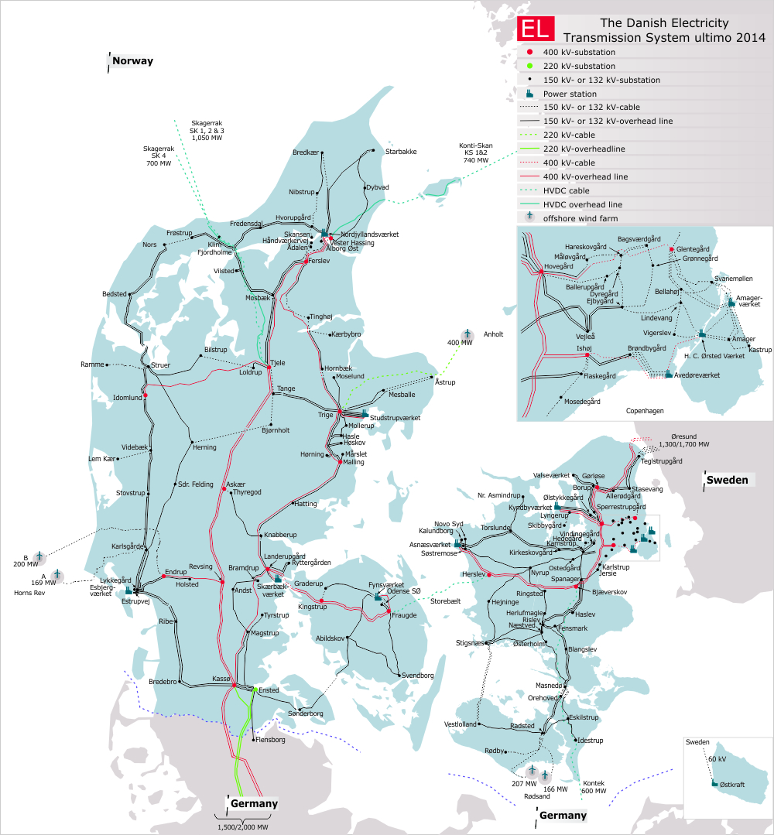
 | Electricity network | Charging stations EV | https://ladekort.danskelbilalliance.dk/
 |  |  | Denmark | DK West | DK East
 |  | Total number | 512 | 210 | 302
 |  | Hereof fast charging | 267 | 134 | 133

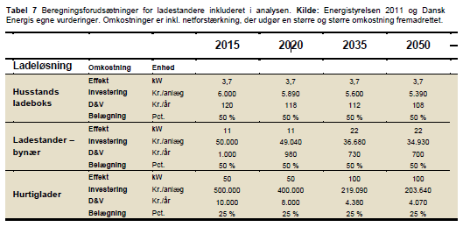

 |  |  |  |  |  |  |  |  | Source: Dansk Energi (2015). Analyse 18, Fremtidig vejtransport
 |  | Source: IEA (2013)

 |  | Own analysis | Year = 2016
 |  |  | Normal public | Fast public | Source |  |  | 1 | kWh
 |  | Maximum power of chargers (kW) | 11 | 50 | Dansk Energi (2015) |  |  | 3600000 | J
 |  | Frequency of use (charges/year) | 52 | 52 | IEA (2013)
 |  | Average refill time (minutes/charge) | 107 | 10 | IEA (2013)
 |  | Charger occupancy rate (%) | 54 | 27 | IEA (2013)
 |  | Average charge (kWh) | 30 | 30 | IEA (2013)
 |  | Number of chargers | 245 | 267 | Dansk Elbil Alliance

 |  | Power delivered (kWh/year) | 382200 | 416520
 |  | Power delivered (PJ/year) | 0.00137592 | 0.001499472
 |  | Total power (PJ/year) | 0.002875392
 |  | Comment: home charging is excluded

 |  | DKE | Year = 2016
 |  |  | Normal public | Fast public | Source
 |  | Maximum power of chargers (kW) | 11 | 50 | Dansk Energi (2015)
 |  | Frequency of use (charges/year) | 52 | 52 | IEA (2013)
 |  | Average refill time (minutes/charge) | 107 | 10 | IEA (2013)
 |  | Charger occupancy rate (%) | 54 | 27 | IEA (2013)
 |  | Average charge (kWh) | 30 | 30 | IEA (2013)
 |  | Number of chargers | 169 | 133 | Dansk Elbil Alliance

 |  | Power delivered (kWh/year) | 263640 | 207480
 |  | Power delivered (PJ/year) | 0.000949104 | 0.000746928
 |  | Total power (PJ/year) | 0.001696032
Source: Energinet.dk |  | Comment: home charging is excluded

 |  | DKW | Year = 2016
 |  |  | Normal public | Fast public | Source
 |  | Maximum power of chargers (kW) | 11 | 50 | Dansk Energi (2015)
 |  | Frequency of use (charges/year) | 52 | 52 | IEA (2013)
 |  | Average refill time (minutes/charge) | 107 | 10 | IEA (2013)
 |  | Charger occupancy rate (%) | 54 | 27 | IEA (2013)
 |  | Average charge (kWh) | 30 | 30 | IEA (2013)
 |  | Number of chargers | 76 | 134 | Dansk Elbil Alliance

 |  | Power delivered (kWh/year) | 118560 | 209040
 |  | Power delivered (PJ/year) | 0.000426816 | 0.000752544
 |  | Total power (PJ/year) | 0.00117936
 |  | Comment: home charging is excluded

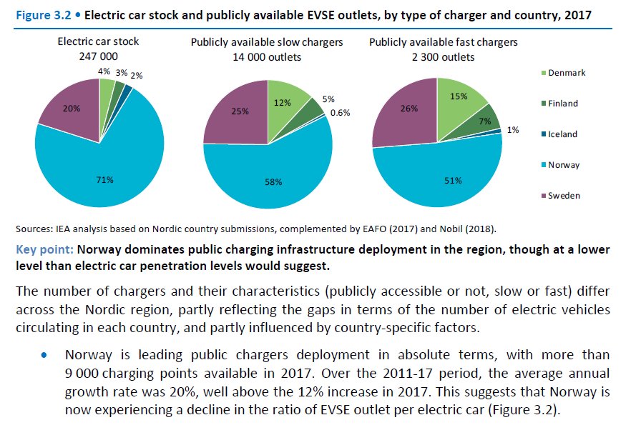
 | "Nordic EV Outlook 2018" by IEA, pp. 39
 |  |  | Number of Public Charging stations
 |  |  | 2013 | 2014 | 2015 | 2016 | 2017
 |  | Slow | 4195.6018519 | 5034.7222222 | 6041.6666667 | 7250 | 8120
 |  | Fast | 606.08878968 | 727.30654762 | 872.76785714 | 1047.3214286 | 1173

 |  | Share Public Charges
 |  | Obtained from The Norwegian Electric Vehicle Association
 |  | https://elbil.no/
 |  | NO1 | 0.84154460719
 |  | NO2 | 0.15845539281

 |  | Own analysis | Year = 2015
 |  |  | Normal public | Fast public | Source |  |  | 1 | kWh
 |  | Maximum power of chargers (kW) | 11 | 50 | Dansk Energi (2015) |  |  | 3600000 | J
 |  | Frequency of use (charges/year) | 52 | 52 | IEA (2013)
 |  | Average refill time (minutes/charge) | 107 | 10 | IEA (2013)
 |  | Charger occupancy rate (%) | 54 | 27 | IEA (2013)
 |  | Average charge (kWh) | 30 | 30 | IEA (2013)
 |  | Number of chargers | 6041.6666667 | 872.76785714 | Nordic EV Outlook 2018 by IEA + Norwegian Electric Vehicle Association

 |  | Power delivered (kWh/year) | 9425000 | 1361517.8571
 |  | Power delivered (PJ/year) | 0.03393 | 0.0049014642857
 |  | Total power (PJ/year) | 0.038831464286
 |  | Comment: home charging is excluded

 |  | NO1 | Year = 2015
 |  |  | Normal public | Fast public | Source
 |  | Maximum power of chargers (kW) | 11 | 50 | Dansk Energi (2015)
 |  | Frequency of use (charges/year) | 52 | 52 | IEA (2013)
 |  | Average refill time (minutes/charge) | 107 | 10 | IEA (2013)
 |  | Charger occupancy rate (%) | 54 | 27 | IEA (2013)
 |  | Average charge (kWh) | 30 | 30 | IEA (2013)
Notes RAFS 4th April 2018
Since values are from 2017, values for previous years were obtained knowing the growth rate stated into the text shown in the picture above
 |  | Number of chargers | 5084.3320018 | 734.47308351 | Nordic EV Outlook 2018 by IEA + Norwegian Electric Vehicle Association

 |  | Power delivered (kWh/year) | 7931557.9228 | 1145778.0103
 |  | Power delivered (PJ/year) | 0.028553608522 | 0.004124800837
 |  | Total power (PJ/year) | 0.032678409359
 |  | Comment: home charging is excluded

 |  | NO2 | Year = 2016
 |  |  | Normal public | Fast public | Source
 |  | Maximum power of chargers (kW) | 11 | 50 | Dansk Energi (2015)
 |  | Frequency of use (charges/year) | 52 | 52 | IEA (2013)
 |  | Average refill time (minutes/charge) | 107 | 10 | IEA (2013)
 |  | Charger occupancy rate (%) | 54 | 27 | IEA (2013)
 |  | Average charge (kWh) | 30 | 30 | IEA (2013)
 |  | Number of chargers | 957.33466489 | 138.29477364 | Nordic EV Outlook 2018 by IEA + Norwegian Electric Vehicle Association

 |  | Power delivered (kWh/year) | 1493442.0772 | 215739.84687
 |  | Power delivered (PJ/year) | 0.005376391478 | 0.00077666344874
 |  | Total power (PJ/year) | 0.0061530549268
 |  | Comment: home charging is excluded

Gas imp exp
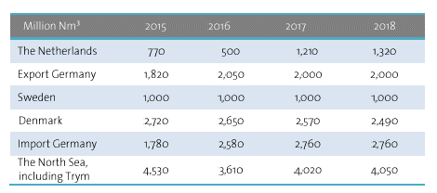
Gas import/export

Source | Energinet.dk, Gas in Denmark 2015
Projections of imports and export of natural gas

