INS Gas
Gas station investment costs are assigned to all the gas blending technologies (i.e. gas blending technologies simulate a gas station, delivering a mix of natural gas and renewable gas).
~TFM_INS
Attribute | Year | Pset_PN | CURR | SE1 | SE2 | SE3 | SE4
*Unit |  |  | Currency | DKK/GJ/year | DKK/GJ/year | DKK/GJ/year | DKK/GJ/year
INVCOST | 2015 | FT-TRANGBL* | MKr15 | 128.5 | 128.5 | 128.5 | 128.5
INVCOST | 2020 | FT-TRANGBL* | MKr15 | 76 | 76 | 76 | 76
INVCOST | 2035 | FT-TRANGBL* | MKr15 | 19 | 19 | 19 | 19

The stock (PJ) of gas delivered by gas stations in Denmark in 2015 is assigned to the sum of blending technologies. In this way, only when the required gas for vehicles is higher than the stock, additional capacity will be built (at a cost equal to the investment cost).
 | ~UC_Sets: R_E: SE1, SE2, SE3, SE4
 | ~UC_Sets: T_E:
 |  |  | ~UC_T:UC_RHSRTS
UC_N | Pset_PN | Year | LimType | UC_CAP | SE1 | SE2 | SE3 | SE4 | UC_RHSRTS~0 | UC_Desc
STOCK_GasStations-SE | FT-TRANGBL* | 2010 | UP | 1 | 0.21 | 0.50 | 3.39 | 1.05 | 1 | Existing stock of gas stations
 | FT-TRANGBL* | 2012 | UP | 1 | 0.21 | 0.50 | 3.39 | 1.05
 | FT-TRANGBL* | 2014 | UP | 1 | 0.24 | 0.56 | 3.84 | 1.19

 | TABLE NOT ACTIVE
Attribute | Year | Pset_PN | AllRegions
*Unit |  |  | PJ
STOCK | 2015 | FT-TRANGBL* | 0.004

UC_N | Pset_PN | Year | LimType | UC_CAP | UC_RHSTS | UC_RHSTS~0 | UC_Desc
STOCK_GasStations | FT-TRANGBL* | 2015 | FX | 1 | 0.0031 | 4 | Existing stock of gas stations

INS Electricity
EV charging station investment costs are assigned to the virtual technology simulating EV charging station for cars and vans, as defined in the VT_TRA file. Only public chargers (normal and rapid) are modelled.
~TFM_INS
Attribute | Year | Pset_PN | CURR | SE1 | SE2 | SE3 | SE4
*Unit |  |  | Currency | DKK/GJ/year | DKK/GJ/year | DKK/GJ/year | DKK/GJ/year
INVCOST | 2015 | FT-TRAELCEV | MKr15 | 263.68 | 263.68 | 263.68 | 263.68
INVCOST | 2020 | FT-TRAELCEV | MKr15 | 86.18 | 86.18 | 86.18 | 86.18
INVCOST | 2035 | FT-TRAELCEV | MKr15 | 15.26 | 15.26 | 15.26 | 15.26

The stock (PJ) of electricity delivered by public EV stations in Denmark in 2015 is assigned (home charging is not included). In this way, only when the required electricity for EV (cars and vans) is higher than the stock, additional capacity will be built (at a cost equal to the investment cost).

~TFM_INS
Attribute | Year | Pset_PN | SE1 | SE2 | SE3 | SE4 | LimType
*Unit |  |  | PJ | PJ | PJ | PJ
CAP_BND | 2010 | FT-TRAELCEV | 0.00010 | 0.00020 | 0.00160 | 0.00050 | FX
CAP_BND | 2012 | FT-TRAELCEV | 0.00020 | 0.00050 | 0.00390 | 0.00120 | FX
CAP_BND | 2014 | FT-TRAELCEV | 0.00080 | 0.00180 | 0.01400 | 0.00450 | FX
CAP_BND | 2016 | FT-TRAELCEV | 0.00180 | 0.00420 | 0.03240 | 0.01040 | FX
CAP_BND | 0 | FT-TRAELCEV | 1 | 1 | 1 | 1 | FX

Data comparison
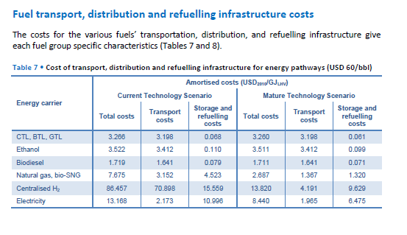
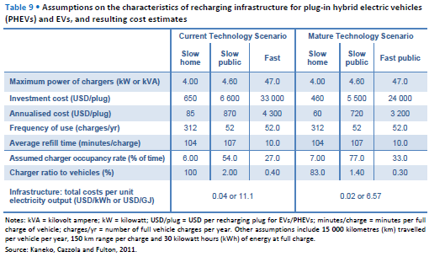
Comparison of fuel delivery and infrastructure data

Sources | Production Costs of Alternative Transportation Fuels, IEA (2013)
 | NREL (2013) Alternative Fuel Infrastructure Expansion: Costs, Resources, Production Capacity, and Retail Availability for Low-Carbon Scenarios.
 | Dodds, P. E., McDowall, W. (2014) Methodologies for representing the road transport sector in energy system models. International Journal of Hydrogen Energy, 39-5.
 | EA, Grøn Roadmap (2015)
Values from different sources are here compared. Additionally, transport costs (IEA, 2013) are compared with the delivery costs already present in the model. The greatest difference is in the electricity delivery cost (it depends on what is accounted for, price to consumers in our case).
Green Roadmap (EA, 2015) provides data for distribution prices of fuels in DKK/km (see graph). Transmission and distribution (variable cost) and infrastructure (fixed investment) in DDK/GJ are also calculated in the Grøn Roadmap (EA, 2015).

 |  | Current technology (USD/GJ LHV) |  | Mature technology (USD/GJ LHV) |  | Current technology (USD/GJ LHV) |  | Mature technology (USD/GJ LHV)
 | Fuel | Transport costs | Storage and refuelling costs | Transport costs | Storage and refuelling costs | Transport costs | Storage and refuelling costs | Transport costs | Storage and refuelling costs | Delivery costs (applied in other scenario file)
 | CTL, BTL, GTL | 3.198 | 0.068 | 3.198 | 0.061 | 3.534 | 0.075 | 3.534 | 0.068 | USD/GJ
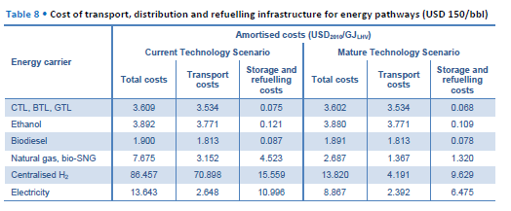
 | Ethanol | 3.412 | 0.11 | 3.412 | 0.099 | 3.771 | 0.121 | 3.771 | 0.109 | 5.1364985163 | Ethanol
 | Biodiesel | 1.641 | 0.079 | 1.641 | 0.071 | 1.813 | 0.087 | 1.813 | 0.078 | 4.2106824926 | Biodiesel
 | Natural gas, bio-SNG | 3.152 | 4.523 | 1.367 | 1.32 | 3.152 | 4.523 | 1.367 | 1.32 | 1.9287833828 | Natural gas, bio-SNG
 | Electricity | 2.173 | 10.996 | 1.985 | 6.475 | 2.648 | 10.996 | 2.392 | 6.475 | 18.95727003 | Electricity
 |  | Oil price = 60 USD/bbl |  |  |  | Oil price = 150 USD/bbl
 | Source: IEA (2013)

 |  | Current technology |  |  | Mature technology
 | EV charging | Slow charging home | Slow charging public | Fast charging | Slow charging home | Slow charging public | Fast charging
 | Investment cost (USD/plug) | 650 | 6600 | 33000 | 460 | 5500 | 24000
 | Annualised cost (USD/plug) | 85 | 870 | 4300 | 60 | 720 | 3200
 | Total infr. cost (USD/GJ) | 11.1 |  |  | 6.57
 | Source: IEA (2013)
 |  |  |  |  |  |  |  |  |  |  |  | Source: IEA (2013)
 | Investment new capacity | 2020 | 2050 |  | Investment new capacity | 2020 | 2050
 | Diesel/gasoline (USD2005/gge/year) | 0.64 | 0.64 |  | Diesel/gasoline (USD2005/(MJ/kg)/year) | 20.323947305 | 20.323947305
 | CNG (USD2005/gge/year) | 2.64 | 2.36 |  | CNG (USD2005/(MJ/kg)/year) | 83.836282635 | 74.944555689
 | EV charging PHEV (USD2005/gge/year) | 9.65 | 3.67 |  | EV charging PHEV (USD2005/(MJ/kg)/year) | 306.44701796 | 116.54513533
 | EV BEV charging (USD2005/gge/year) | 11.87 | 7.31 |  | EV BEV charging (USD2005/(MJ/kg)/year) | 376.94571018 | 232.13758563
 | Source: NREL (2013)
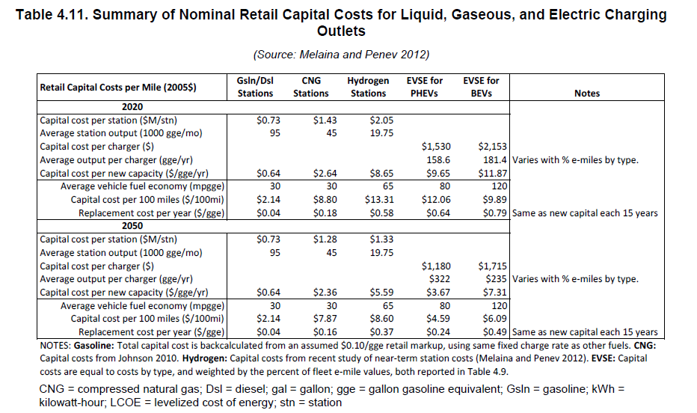
 | gge = gallon gasoline equivalent

 | Fuel | Annual cost of infrastructure provision per car (GBP)
 | Diesel | 17
 | CNG | 34
 | EV charger | 129
 | Source: Dodds & McDowall (2014)
 | Costs include dispenser+storage(+compressor for CNG)

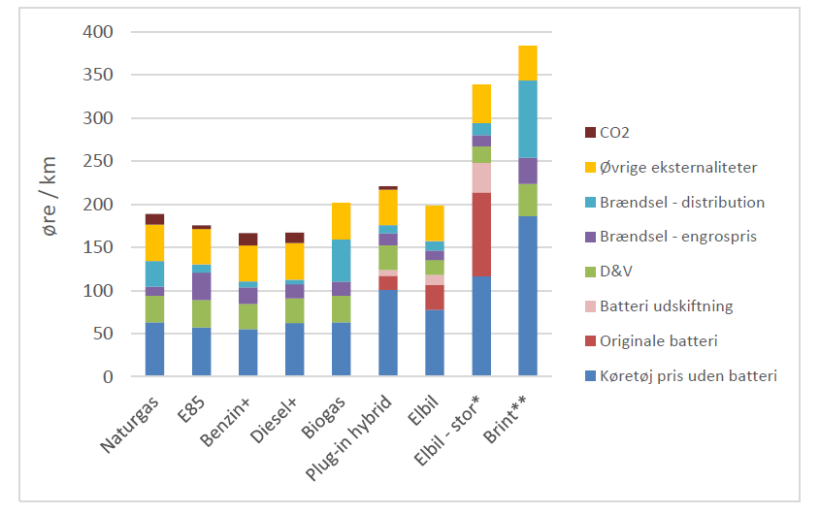

 |  | Fuel distribution cost (DKK/km) | Fuel distribution cost (DKK/liter)
 | Natural gas | 0.3
 | Gasoline E85 | 0.12 | 0.00017406440383
 | Gasoline+ | 0.1 | 0.00014505366986
 | Diesel+ | 0.07 | 0.00010879025239
 | Biogas | 0.5
 | PHEV | 0.15 | 0.00067524984244
 | EV | 0.17 |  |  |  |  |  |  |  |  |  | Source: NREL (2013)
 | EV large | 0.2
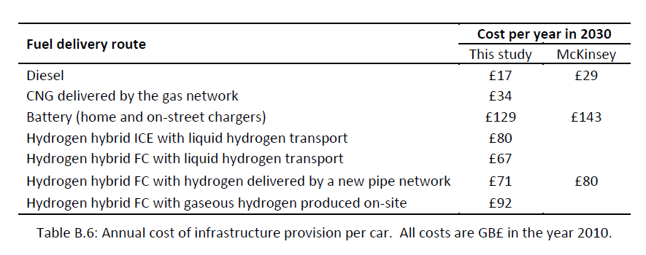
 | Hydrogen | 0.9
 | Source: EA, Grøn Roadmap (2015)

 |  | Fuel transmission and distribution cost (DKK/GJ) | Fuel transmission and distribution cost (USD/GJ) | Fuel infrastructure cost (DKK/GJ)
 | Natural gas | 2.5 | 0.37091988131 | See figures
 | Gasoline E85 | 1.1 | 0.16320474777 | Included in transmission and distribution
 | Gasoline+ | 1.1 | 0.16320474777 | Included in transmission and distribution
 | Diesel+ | 1.1 | 0.16320474777 | Included in transmission and distribution
 | Biogas | 2.5 | 0.37091988131 | See figures, same as for NGA
 | Electricity | 100 DKK/MWh | 4.1213320145 | See figures
 | Hydrogen | 35 | 5.1928783383 | Not calculated |  | Source: EA, Grøn Roadmap (2015)
 | Source: EA, Grøn Roadmap (2015) |  |  |  |  |  |  |  |  |  |  | Source: Dodds & McDowall (2014)
Differences between EA data and delivery costs already present in the model derives probably from the fact that EA does not account for sales margin (as it is done in the data from World Energy Outlook, source used for the delivery costs currently implemented).
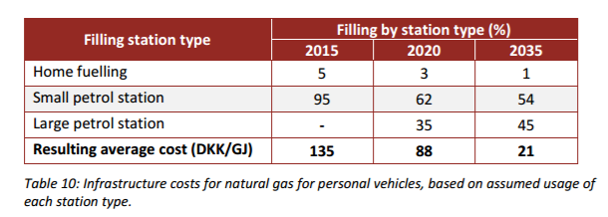

 | Delivery costs | DKK/GJ | For comparison (USD/GJ)
 | Gasoline/BioEthanol | 34.62 | 5.1364985163
 | Diesel/BioDiesel | 28.38 | 4.2106824926
 | Electricity | 127.772 | 18.95727003
 | Natural gas/SNG | 13 | 1.9287833828
 | Note: already included in other scenario file |  |  |  |  | Source: EA, Grøn Roadmap (2015)

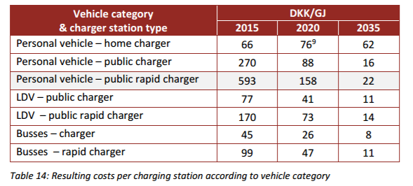
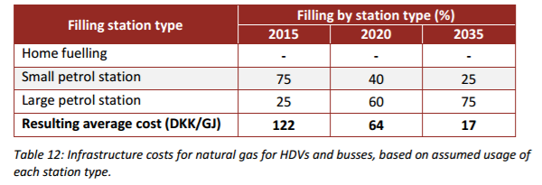

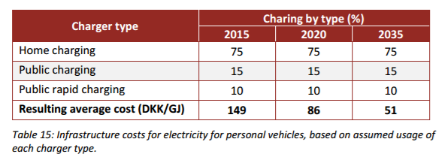

 | Conversion factors

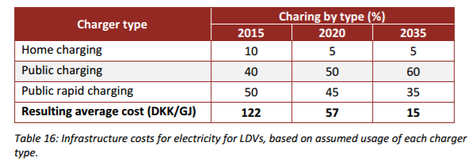
 | LHV | MJ/kg |  | USD | 1
 | Diesel | 45 |  | DKK | 6.74
 | Gasoline | 47
 | CNG | 54 |  | GGE | 1
 |  |  |  | BTU/gallon | 114000

 |  |  |  | BTU/pound | 1
 |  |  |  | MJ/kg | 0.002326

 |  |  |  | gallon | 1
 | Fuel consumption (lge/100km) |  |  | pounds | 8.35
 | Average OECD | 7.66
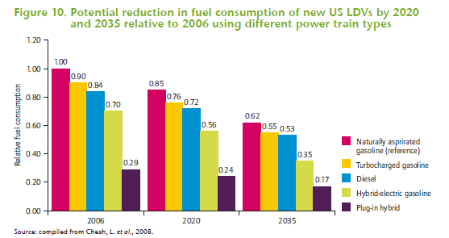
 | Turbocharged gasoline | 6.894
 | Diesel | 6.4344
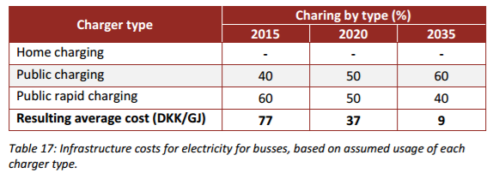
 | Hybrid electric-gasoline | 5.362
 | PHEV | 2.2214
 | Source: IEA, Fuel Economy of Road Vehicles (2012)

 |  |  | Source: IEA, Fuel Economy of Road Vehicles (2012)

Stock gas
 | Fuel infrastructure stock
 | Network and stations |  |  |  |  | Source | Energinet.dk, Gas in Denmark 2015
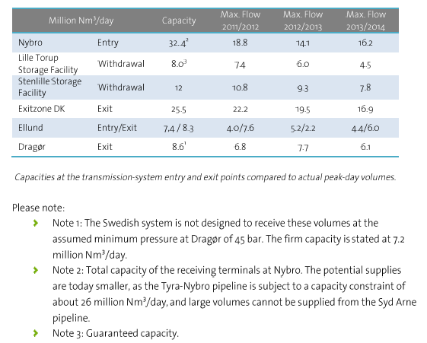
 | Natural gas transmission system capacity |  |  |  |  |  |  |  |  |  |  |  |  |  |  |  | Source | Danmark Statistics
 | from table on the right |  |  |  |  |  |  |  |  |  |  |  |  |  |  |  | Transport in pipelines by unit, product and time
 | 32.4
 | 8 |  |  |  |  |  |  |  |  |  |  |  |  |  |  |  |  |  | 2013 | 2014 | 2015 | kg | Nm3 | MJ | PJ
 | 12 |  |  |  |  |  |  |  |  |  |  |  |  |  |  |  | 1000 tonnes | Natural gas, total | 3568 | 3442 | 3553 | 3553000000 | 4280722891.6 | 2.3543975904E+11 | 235.43975904
 | 25.5 |  |  |  |  |  |  |  |  |  |  |  |  |  |  |  |  | Natural gas, exported | 2527 | 1737 | 1799 | 1799000000 | 2167469879.5 | 1.1921084337E+11 | 119.21084337
 | 8.3 |  |  |  |  |  |  |  |  |  |  |  |  |  |  |  |  |  |  |  |  |  |  |  | 354.65060241 | Total transported gas (2015)
 | 8.6
 | 94.8 | 5214000000 | 5.214 | 1903.11 | Total capacity
 | Nm3/day | MJ/day | PJ/day | PJ/year
 | Notes: this includes storage |  |  |  |  |  |  |  |  |  |  |  |  |  |  |  | Gas network in Denmark (2015) |  |  |  |  |  |  |  | Gas filling stations in Denmark (2015) |  |  |  | Source | Statistics Denmark
 |  |  |  |  |  |  |  |  |  |  |  |  |  |  |  |  | Source | Energinet.dk |  |  |  |  |  |  | Source | Energinet.dk | Number of gas stations | 10 | Stock of passenger cars per 1 January by propellant, tare and time
 |  |  |  |  |  |  |  |  |  |  |  |  |  |  |  |  |  |  |  |  |  |  |  |  | Source | http://hmnnaturgas.dk/grongas/gastiltransport/gastankstationer/ | Number of gas stations | 16 | Units: number
 | Conversion units |  |  |  |  |  |  |  |  |  |  |  |  |  |  |  |  |  |  |  |  |  |  |  |  |  |  |  |  |  | 2015 | 2016
 | 15.2 | kWh/Nm3 | Average Wobbe index |  |  |  |  |  |  |  |  |  |  |  |  |  |  |  |  |  |  |  |  |  |  |  |  |  | N-gas | Total | 58 | 58
 | 1 | kWh | What I always forget too quickly |  |  |  |  |  |  |  |  |  |  |  |  |  |  |  |  |  |  |  |  |  |  |  |  |  |  | 901-1.000 kg | 32 | 34
 | 3600000 | J | What I always forget too quickly |  |  |  |  |  |  |  |  |  |  |  |  |  |  |  |  |  |  |  |  |  |  |  |  |  |  | 1.001-1.000 kg | 2 | 2
 | 55 | MJ/Nm3 | LHV Natural gas |  |  |  |  |  |  |  |  |  |  |  |  |  |  |  |  |  |  |  |  |  |  |  |  |  |  | 1.101-1.200 kg | 1 | 1
 | 0.83 | kg/Nm3 | Density natural gas |  |  |  |  |  |  |  |  |  |  |  |  |  |  |  |  |  |  |  |  |  |  |  |  |  |  | 1.301-1.400 kg | 3 | 3
 |  |  |  |  |  |  |  |  |  |  |  |  |  |  |  |  |  |  |  |  |  |  |  |  |  |  |  |  |  | 1.401-1.500 kg | 8 | 3
 |  |  |  |  |  |  |  |  |  |  |  |  |  |  |  |  |  |  |  |  |  |  |  |  |  |  |  |  |  | 1.501-1.600 kg | 5 | 6
 |  |  |  |  |  |  |  |  |  |  |  |  |  |  |  |  |  |  |  |  |  |  |  |  |  |  |  |  |  | 1.601-1.700 kg | 1 | 1
 |  |  |  |  |  |  |  |  |  |  |  |  |  |  |  |  |  |  |  |  |  |  |  |  |  |  |  |  |  | Above 2.000 kg | 6 | 8
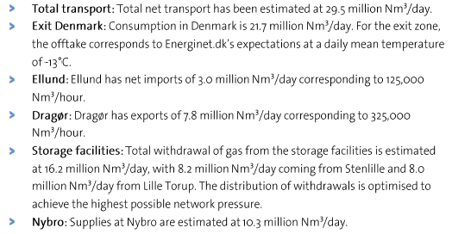
 | Net transport of gas in 2015 (Energinet.dk)
 | Nm3/year | MJ/year | PJ/year |  |  |  |  |  |  |  |  |  |  |  | Net transport (mill Nm3/day) |  |  |  |  |  |  |  |  |  |  |  |  |  | Stock of vans per 1 January by propellant, gross weight and time
 | 10767500000 | 592212500000 | 592.2125 |  |  |  |  |  |  |  |  |  |  |  | 10.3 |  |  |  |  |  |  |  |  |  |  |  |  |  | Units: number
 | Note: 29.5 million Nm3/day is the value estimated by Energinet.dk (see text) |  |  |  |  |  |  |  |  |  |  |  |  |  | 8 |  |  |  |  |  |  |  |  |  |  |  |  |  |  |  | 2013 | 2014 | 2015 | 2016
 |  |  |  |  |  |  |  |  |  |  |  |  |  |  | 8.2 |  |  |  |  |  |  |  |  |  |  |  |  |  | N-gas | Total | 16 | 20 | 51 | 63
Net transport (PJ/year) is the closest value to gas network capacity, if compared with the estimated 8 billion Nm3 of gas transported each year in Denmark (Energinet.dk). The value found (~600 PJ) is far from the value reported in Statistics Denmark (354 PJ).
 |  |  |  |  |  |  |  |  |  |  |  |  |  |  | 3 |  |  |  |  |  |  |  |  |  |  |  |  |  |  | 0-1,000 kg | 0 | 0 | 0 | 0
 |  |  |  |  |  |  |  |  |  |  |  |  |  |  |  |  |  |  |  |  |  |  |  |  |  |  |  |  |  | 1,001-1,500 kg | 0 | 0 | 0 | 0
 |  |  |  |  |  |  |  |  |  |  |  |  |  |  |  |  |  |  |  |  |  |  |  |  |  |  |  |  |  | 1,501-2,000 kg | 0 | 1 | 4 | 5
 |  |  |  |  |  |  |  |  |  |  |  |  |  |  |  |  |  |  |  |  |  |  |  |  |  |  |  |  |  | 2,001-2,500 kg | 9 | 10 | 17 | 21
 |  |  |  |  |  |  |  |  |  |  |  |  |  |  |  |  |  |  |  |  |  |  |  |  |  |  |  |  |  | 2,501-3,000 kg | 5 | 6 | 18 | 24
 |  |  |  |  |  |  |  |  |  |  |  |  |  |  |  |  |  |  |  |  |  |  |  |  |  |  |  |  |  | 3,001-3,500 kg | 2 | 3 | 12 | 13

 |  |  |  |  |  |  |  |  |  |  |  |  |  |  |  |  |  |  |  |  |  |  |  |  |  |  |  |  | Total gas vehicles (2015) | 109
 |  |  |  |  |  |  |  |  |  |  |  |  |  |  |  |  |  |  |  |  |  |  |  |  |  |  |  |  | Yearly distance travelled (km) | 18000 | TIMES
 |  |  |  |  |  |  |  |  |  |  |  |  |  |  |  |  |  |  |  |  |  |  |  |  |  |  |  |  | Fuel consumption (MJ/km) | 1.53 | Admodel
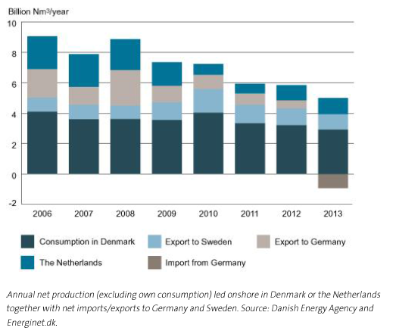
 | Annual net production in 2013 (Energinet.dk) |  |  |  |  |  |  |  |  |  |  |  |  |  |  |  |  |  |  |  |  |  |  |  |  |  |  |  | Total gas (MJ/year) | 3001860
 | Nm3/year | MJ/year | PJ/year |  |  |  |  |  |  |  |  |  |  |  |  |  |  |  |  |  |  |  |  |  |  |  |  |  | Total gas (PJ/year) | 0.00300186
 | 5000000000 | 275000000000 | 275 | NET Production 2013 |  |  |  |  |  |  |  |  |  |  |  |  |  |  |  |  |  |  |  |  |  |  |  |  | Gas delivered by station (MJ/year) | 187616.25
 | Notes: Netherlands is excluded |  |  |  |  |  |  |  |  |  |  |  |  |  |  |  |  |  |  |  |  |  |  |  |  |  |  |  | Gas delivered by station (PJ/year) | 0.00018761625

SWEDEN

FROM VT_SE_TRA

 |  | Copied from "SE Energy data"
 |  | Inrikes
 |  |  |  | 2002 | 2003 | 2004 | 2005 | 2006 | 2007 | 2008 | 2009 | 2010 | 2011 | 2012 | 2013 | 2014
 |  | PJ | Bensin | 177.984 | 176.508 | 173.268 | 170.856 | 167.040 | 158.724 | 153.108 | 152.028 | 142.920 | 132.804 | 122.148 | 115.848 | 111.420
 |  | PJ | Diesel | 111.168 | 116.064 | 124.884 | 132.948 | 134.856 | 143.460 | 150.480 | 143.784 | 156.240 | 160.164 | 161.100 | 162.108 | 161.568
 |  | PJ | Etanol | 1.620 | 3.168 | 5.544 | 5.544 | 6.804 | 7.632 | 8.964 | 8.280 | 8.496 | 8.928 | 8.640 | 7.524 | 6.948
 |  | PJ | varav - Låginblandad | 1.232 | 2.655 | 4.991 | 5.352 | 5.268 | 5.183 | 4.843 | 4.864 | 4.588 | 4.333 | 4.057 | 3.802 | 3.632
 |  | PJ | varav - Övrig | 0.382 | 0.531 | 0.531 | 0.701 | 1.529 | 2.443 | 4.121 | 3.398 | 3.908 | 4.588 | 4.567 | 3.738 | 3.313
 |  | PJ | Biodiesel | 0.144 | 0.180 | 0.324 | 0.324 | 2.196 | 4.392 | 5.544 | 6.804 | 7.416 | 9.792 | 14.148 | 19.512 | 27.036
 |  | PJ | Biodiesel - FAME låginbl. | 0.132 | 0.165 | 0.297 | 0.297 | 1.849 | 4.126 | 5.282 | 6.404 | 6.833 | 7.394 | 8.319 | 7.922 | 8.451
 |  | PJ | Biodiesel - HVO låginbl. | 0.000 | 0.000 | 0.000 | 0.000 | 0.000 | 0.000 | 0.000 | 0.000 | 0.000 | 1.530 | 4.454 | 9.820 | 14.917
 |  | PJ | Biodiesel - övrig (FAME?) | 0.033 | 0.033 | 0.033 | 0.066 | 0.297 | 0.165 | 0.165 | 0.396 | 0.594 | 0.858 | 1.386 | 1.750 | 3.697
 |  | PJ | Fordonsgas | 0.828 | 1.080 | 1.260 | 1.260 | 1.620 | 2.016 | 2.160 | 2.484 | 3.384 | 4.428 | 5.148 | 5.400 | 5.832
 |  | PJ | Naturgas | 0.504 | 0.684 | 0.792 | 0.792 | 0.792 | 1.008 | 0.972 | 1.008 | 1.332 | 1.800 | 2.232 | 2.268 | 2.340
 |  | PJ | Biogas | 0.324 | 0.396 | 0.468 | 0.468 | 0.828 | 1.008 | 1.188 | 1.476 | 2.052 | 2.628 | 2.916 | 3.132 | 3.492
 |  | PJ | El | 9.792 | 10.152 | 9.936 | 9.936 | 10.512 | 10.656 | 10.764 | 9.936 | 10.944 | 10.908 | 10.944 | 11.124 | 11.088
 |  | PJ | El bantrafik |  |  |  |  | 10.386 | 8.716 | 8.500 | 8.791 | 8.658 | 9.504 | 9.666 | 9.900
 |  | PJ | El övrig |  |  |  |  | 0.126 | 1.940 | 2.264 | 1.145 | 2.286 | 1.404 | 1.278 | 1.224
 |  | PJ | Flygbränsle | 9.108 | 8.820 | 9.900 | 9.900 | 9.108 | 8.784 | 9.036 | 7.812 | 6.840 | 7.560 | 7.380 | 7.380 | 7.344
 |  | PJ | Eo1 | 4.068 | 3.780 | 2.808 | 2.808 | 2.376 | 2.268 | 0.936 | 0.720 | 0.648 | 0.684 | 0.828 | 0.936 | 1.080
 |  | PJ | Eo2-5 | 1.872 | 2.808 | 2.844 | 2.844 | 2.232 | 1.908 | 1.620 | 3.132 | 6.192 | 3.132 | 1.908 | 1.872 | 1.944
 |  |  |  | 316.584 | 322.560 | 330.768 | 336.420 | 336.744 | 339.840 | 342.612 | 334.980 | 343.080 | 338.400 | 332.244 | 331.704 | 334.260

 |  | SE1 | Fordonsgas | 0.03 | 0.04 | 0.05 | 0.05 | 0.07 | 0.08 | 0.09 | 0.10 | 0.14 | 0.18 | 0.21 | 0.22 | 0.24
 |  | SE2 | Fordonsgas | 0.08 | 0.10 | 0.12 | 0.12 | 0.16 | 0.19 | 0.21 | 0.24 | 0.33 | 0.43 | 0.50 | 0.52 | 0.56
 |  | SE3 | Fordonsgas | 0.54 | 0.71 | 0.83 | 0.83 | 1.07 | 1.33 | 1.42 | 1.63 | 2.23 | 2.91 | 3.39 | 3.55 | 3.84
 |  | SE4 | Fordonsgas | 0.17 | 0.22 | 0.26 | 0.26 | 0.33 | 0.41 | 0.44 | 0.51 | 0.69 | 0.91 | 1.05 | 1.11 | 1.19
 |  |  |  | 0.828 | 1.08 | 1.26 | 1.26 | 1.62 | 2.016 | 2.16 | 2.484 | 3.384 | 4.428 | 5.148 | 5.4 | 5.832

 |  | GWH , fuel use per road transport mode 2014, based on calculations from other projects (Martin Hagberg)

 |  |  | Passenger car | Taxi | Bus - public transport | Bus - other | Heavy truck | Heavy truck - foreign | Light truck | Motor cycle
 |  | Petrol | 30462 | 155 | 0 | 17 | 262 | 0 | 856 | 271 | 32022 | 0.0036 | 115.27759506
 |  | Diesel | 8845 | 352 | 1634 | 961 | 13380 | 2385 | 4563 | 0 | 32119 | 0.0036 | 115.62849511
 |  | Ethanol (low blend) | 1013 | 3 | 0 | 1 | 9 | 0 | 30 | 10 | 1065 | 0.0036 | 3.8352181988
 |  | Ethanol | 620 | 9 | 197 | 0 | 7 | 0 | 21 | 0 | 854 | 0.0036 | 3.0752677519
 |  | Biodiesel (low blend) | 1093 | 43 | 202 | 119 | 1654 | 265 | 564 | 0 | 3940 | 0.0036 | 14.183479352
 |  | Biodiesel | 0 | 0 | 380 | 0 | 626 | 0 | 0 | 0 | 1006 | 0.0036 | 3.6233823158
 |  | Electricity | 11 | 0 | 1 | 0 | 0 | 0 | 18 | 0 | 30 | 0.0036 | 0.10860294
 |  | CNG | 274 | 206 | 832 | 0 | 164 | 0 | 98 | 0 | 1574 | 0.0036 | 5.6652665805
 |  |  |  |  |  |  |  |  |  |  | 72610 | 0.0036 | 261.39730731
 |  | SHARE
 |  |  | Passenger car | Taxi | Bus - public transport | Bus - other | Heavy truck | Heavy truck - foreign | Light truck | Motor cycle
 |  | Electricity | 0.373 | 0.000 | 0.032 | 0.000 | 0.000 | 0.000 | 0.594 | 0.000
 |  | CNG | 0.174 | 0.131 | 0.529 | 0.000 | 0.104 | 0.000 | 0.063 | 0.000

 |  |  | CAR | BUS
 |  | CNG | 0.305 | 0.529

 |  | estimated shares | 0.3655114241 | 0.6344885759

 |  | CALCULATED SHARES
 |  |  | GAS CARS | GAS BUSES
 |  | SE1 | 0.036 | 0.04 |  | 0.04
 |  | SE2 | 0.087 | 0.10 |  | 0.10
 |  | SE3 | 0.664 | 0.65 |  | 0.66
 |  | SE4 | 0.213 | 0.20 |  | 0.20
 |  |  |  |  |  | 1

 |  | FROM VT FILE
 |  |  |  | STOCK |  | SHARES

 |  |  |  | kVehicles | kVehicles
 |  |  |  | antal Diesel | Antal Biogas
 |  | S1 | Short Distance | 0.13847688512 | 0.057418871189 | 0.043898219563
 |  |  | Long Distance | 0.46 | 0
 |  | SE2 | Short Distance | 0.32106627552 | 0.13312881136 | 0.10178043682
 |  |  | Long Distance | 1.06 | 0
 |  | SE3 | Short Distance | 2.0635102339 | 0.85562603619 | 0.65414834571
 |  |  | Long Distance | 6.80 | 0
 |  | SE4 | Short Distance | 0.63144550079 | 0.26182628127 | 0.20017299791
 |  |  | Long Distance | 2.08 | 0

 |  | Region | Fuel | 2010 | 2012 | 2015
 |  | Car stock by region, fuel type and year (thousand vehicles)
 |  | SE1 | Petrol | 126.617 | 106.632 | 95.190
 |  |  | Diesel | 22.072 | 36.383 | 41.296
 |  |  | LPG | 0.000 | 0.000 | 0.000

 |  |  | NG | 0.909 | 1.272 | 1.312 | 0.036 | 0.036 | 0.036
 |  |  | Electricity | 0.007 | 1.056 | 1.574
 |  |  | Ethanol | 8.144 | 7.792 | 8.094

 |  | SE2 | Petrol | 301.780 | 252.097 | 225.609
 |  |  | Diesel | 52.606 | 86.016 | 97.874
 |  |  | LPG | 0.000 | 0.000 | 0.000

 |  |  | NG | 2.166 | 3.006 | 3.109 | 0.087 | 0.086 | 0.085
 |  |  | Electricity | 0.016 | 2.497 | 3.729
 |  |  | Ethanol | 19.410 | 18.421 | 17.191

 |  | SE3 | Petrol | 2310.060 | 1951.871 | 1760.797
 |  |  | Diesel | 402.687 | 665.983 | 763.869
 |  |  | LPG | 0.000 | 0.000 | 0.000

 |  |  | NG | 16.579 | 23.276 | 24.262 | 0.664 | 0.665 | 0.667
 |  |  | Electricity | 0.126 | 19.333 | 29.107
 |  |  | Ethanol | 148.580 | 142.627 | 134.170

 |  | SE4 | Petrol | 740.994 | 623.474 | 559.713
 |  |  | Diesel | 129.169 | 212.731 | 242.814
 |  |  | LPG | 0.000 | 0.000 | 0.000

 |  |  | NG | 5.318 | 7.435 | 7.712 | 0.213 | 0.212 | 0.212
 |  |  | Electricity | 0.040 | 6.176 | 9.252
 |  |  | Ethanol | 47.660 | 45.559 | 42.649
 |  |  |  |  |  |  | 1 | 1 | 1

 |  | Total gas vehicles (2015) | 24972.000
 |  | Yearly distance travelled (km) | 18000 | TIMES
 |  | Fuel consumption (MJ/km) | 1.53 | Admodel

 |  | Total gas (MJ/year) | 6.877E+08
 |  | Total gas (PJ/year) | 0.68772888

Stock electricity
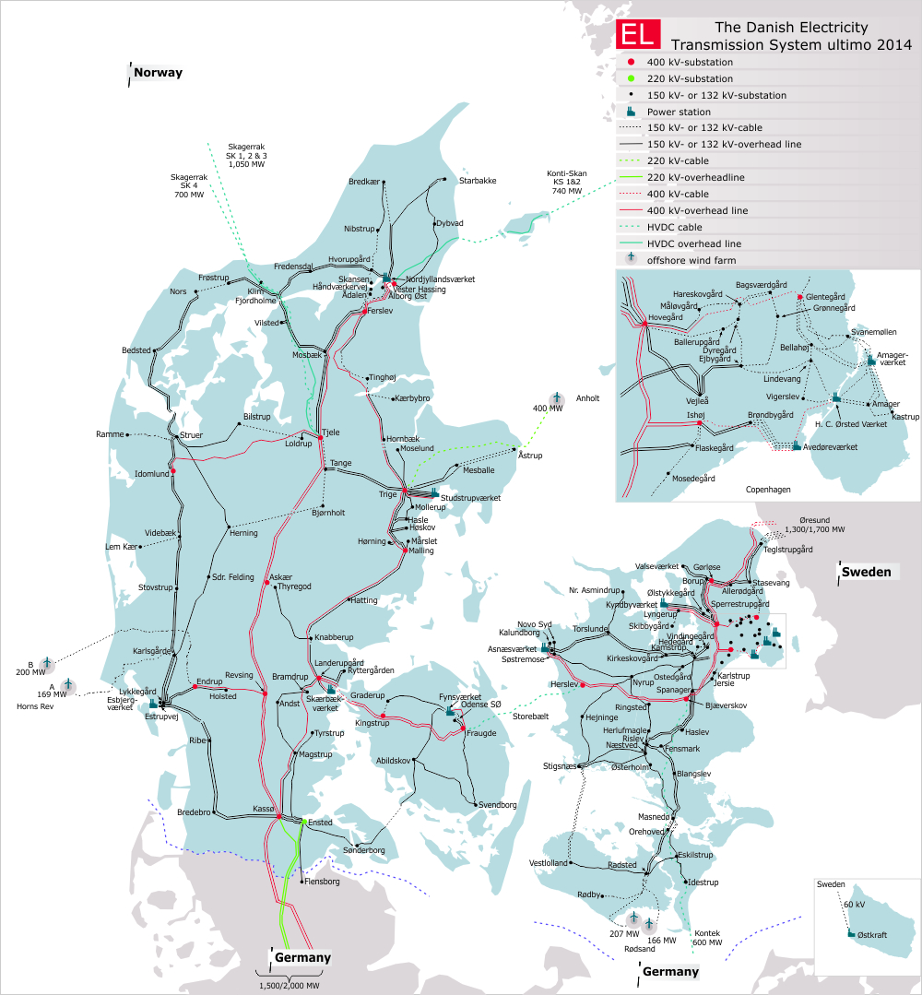
 | Electricity network |  |  |  |  |  |  |  |  | Charging stations EV | https://ladekort.danskelbilalliance.dk/
 |  |  |  |  |  |  |  |  |  |  | Denmark | DK West | DK East
 |  |  |  |  |  |  |  |  |  | Total number | 512 | 210 | 302
 |  |  |  |  |  |  |  |  |  | Hereof fast charging | 267 | 134 | 133

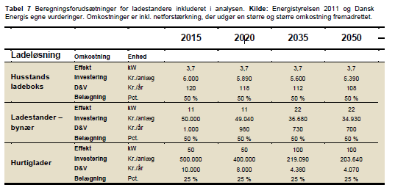

 |  |  |  |  |  |  |  |  |  |  |  |  |  |  |  |  | Source: Dansk Energi (2015). Analyse 18, Fremtidig vejtransport
 |  |  |  |  |  |  |  |  |  | Source: IEA (2013)

 |  |  |  |  |  |  |  |  |  | Own analysis | Year = 2016
 |  |  |  |  |  |  |  |  |  |  | Normal public | Fast public | Source |  |  | 1 | kWh
 |  |  |  |  |  |  |  |  |  | Maximum power of chargers (kW) | 11 | 50 | Dansk Energi (2015) |  |  | 3600000 | J
 |  |  |  |  |  |  |  |  |  | Frequency of use (charges/year) | 52 | 52 | IEA (2013)
 |  |  |  |  |  |  |  |  |  | Average refill time (minutes/charge) | 107 | 10 | IEA (2013)
 |  |  |  |  |  |  |  |  |  | Charger occupancy rate (%) | 54 | 27 | IEA (2013)
 |  |  |  |  |  |  |  |  |  | Average charge (kWh) | 30 | 30 | IEA (2013)
 |  |  |  |  |  |  |  |  |  | Number of chargers | 245 | 267 | Dansk Elbil Alliance

 |  |  |  |  |  |  |  |  |  | Power delivered (kWh/year) | 382200 | 416520
 |  |  |  |  |  |  |  |  |  | Power delivered (PJ/year) | 0.00137592 | 0.001499472
 |  |  |  |  |  |  |  |  |  | Total power (PJ/year) | 0.002875392
 |  |  |  |  |  |  |  |  |  | Comment: home charging is excluded

 |  |  |  |  |  |  |  |  |  | DKE | Year = 2016
 |  |  |  |  |  |  |  |  |  |  | Normal public | Fast public | Source
 |  |  |  |  |  |  |  |  |  | Maximum power of chargers (kW) | 11 | 50 | Dansk Energi (2015)
 |  |  |  |  |  |  |  |  |  | Frequency of use (charges/year) | 52 | 52 | IEA (2013)
 |  |  |  |  |  |  |  |  |  | Average refill time (minutes/charge) | 107 | 10 | IEA (2013)
 |  |  |  |  |  |  |  |  |  | Charger occupancy rate (%) | 54 | 27 | IEA (2013)
 |  |  |  |  |  |  |  |  |  | Average charge (kWh) | 30 | 30 | IEA (2013)
 |  |  |  |  |  |  |  |  |  | Number of chargers | 169 | 133 | Dansk Elbil Alliance

 |  |  |  |  |  |  |  |  |  | Power delivered (kWh/year) | 263640 | 207480
 |  |  |  |  |  |  |  |  |  | Power delivered (PJ/year) | 0.000949104 | 0.000746928
 |  |  |  |  |  |  |  |  |  | Total power (PJ/year) | 0.001696032
Source: Energinet.dk |  |  |  |  |  |  |  |  |  | Comment: home charging is excluded

 |  |  |  |  |  |  |  |  |  | DKW | Year = 2016
 |  |  |  |  |  |  |  |  |  |  | Normal public | Fast public | Source
 |  |  |  |  |  |  |  |  |  | Maximum power of chargers (kW) | 11 | 50 | Dansk Energi (2015)
 |  |  |  |  |  |  |  |  |  | Frequency of use (charges/year) | 52 | 52 | IEA (2013)
 |  |  |  |  |  |  |  |  |  | Average refill time (minutes/charge) | 107 | 10 | IEA (2013)
 |  |  |  |  |  |  |  |  |  | Charger occupancy rate (%) | 54 | 27 | IEA (2013)
 |  |  |  |  |  |  |  |  |  | Average charge (kWh) | 30 | 30 | IEA (2013)
 |  |  |  |  |  |  |  |  |  | Number of chargers | 76 | 134 | Dansk Elbil Alliance

 |  |  |  |  |  |  |  |  |  | Power delivered (kWh/year) | 118560 | 209040
 |  |  |  |  |  |  |  |  |  | Power delivered (PJ/year) | 0.000426816 | 0.000752544
 |  |  |  |  |  |  |  |  |  | Total power (PJ/year) | 0.00117936
 |  |  |  |  |  |  |  |  |  | Comment: home charging is excluded

SWEDEN

 |  |  |  |  |  |  |  |  |  | Own analysis | Year = 2017
Det finns 2318 laddplatser (och 8695 uttag) som registrerats i SVERIGE |  |  |  |  |  |  |  |  |  |  | Normal public | Fast public | Source |  |  | 1 | kWh
http://www.uppladdning.nu/List.aspx#SE |  |  |  |  |  |  |  |  |  | Maximum power of chargers (kW) | 11 | 50 | Dansk Energi (2015) |  |  | 3600000 | J
 |  |  |  |  |  |  |  |  |  | Frequency of use (charges/year) | 52 | 52 | IEA (2013)
 |  |  |  |  |  |  |  |  |  | Average refill time (minutes/charge) | 107 | 10 | IEA (2013)
 |  |  | 2017-12-22 |  |  |  |  |  |  | Charger occupancy rate (%) | 54 | 27 | IEA (2013)
 | Number of chargers | 8695 | registered chargers at www.uppladdning.nu (some might not be public) |  |  |  |  |  |  | Average charge (kWh) | 30 | 30 | IEA (2013)
 | Assumption fast charge, share | 0.5 |  |  |  |  |  |  |  | Number of chargers | 4347.5 | 4347.5

 |  |  |  |  |  |  |  |  |  | Power delivered (kWh/year) | 6782100 | 6782100
 |  |  |  |  |  |  |  |  |  | Power delivered (PJ/year) | 0.02441556 | 0.02441556
 |  |  |  |  |  |  |  |  |  | Total power (PJ/year) | 0.04883112

Data source: | http://www.trafa.se/vagtrafik/fordon/
BIL707: Stock of vehicles per 1 January by region and type of vehicle
 | 2010 | 2011 | 2012 | 2013 | 2014 | 2015
Passenger cars, total |  |  |  |  |  |  |  |  |  | SE1 | SE2 | SE3 | SE4
All Sweden | 4335152 |  |  | 4495422 | 4582524 | 4665868 |  |  | 2010 | 8.9650027286E-05 | 0.00021367295646 | 0.0016356201819 | 0.00052465555984
SE1 | 157756 |  |  | 163376 | 165870 | 167433.6 | 0.036 |  | 2012 | 0.00021339065705 | 0.00050859786609 | 0.0038932064592 | 0.0012488182997
SE2 | 375997 |  |  | 386248 | 392828 | 397129.4 | 0.087 |  | 2014 | 0.00076863102342 | 0.001831964453 | 0.014023290928 | 0.0044982310894
SE3 | 2878173 |  |  | 2990546 | 3051960 | 3113369.1 | 0.664 |  | 2017 | 0.0017769579093 | 0.0042352229159 | 0.03241971371 | 0.010399225465
SE4 | 923227 |  |  | 955252 | 971866 | 987935.9 | 0.213
 | 0 |  |  | 0 | 0 | 0
 | 0 |  |  | 0 | 0 | 0

Unit : Number
Note: Extracted 2016-02-20
Data source: | http://www.trafa.se/vagtrafik/fordon/
Bil10: Stock of passenger cars per 1 January by tare, propellant and time
 | 2010 | 2011 | 2012 | 2013 | 2014 | 2015 | 2016

Total propellant | 4335152 | 4335152 | 4495422 | 4495422 | 4582524 | 4665868
Petrol | 3479591 | 3479591 | 3130130 | 3130130 | 3047171 | 2956656
Diesel | 606559 | 606559 | 1068007 | 1068007 | 1223544 | 1381036
LPG | 0 | 0 | 0 | 0 | 0 | 0
N-gas | 24973 | 24973 | 37327 | 37327 | 40078 | 42648
Electricity | 190 | 190 | 31004 | 31004 | 42000 | 57245
Kerosene | 0 | 0 | 0 | 0 | 0 | 0
Ethanol | 223802 | 223802 | 228725 | 228725 | 229464 | 228020
Other propellant | 37 | 37 | 229 | 229 | 267 | 263
Unit : Number
relax | 2 |  | 1.5 |  | 1.5
 | 380 |  | 905 |  | 3,258 |  | 7,532

Tabell PB5
Personbilar i trafik efter drivmedel 1 och drivmedel 21), årsvis 2012–2016
Passenger cars in use by fuel, by year 2012–2016

Driv- |  | Driv- |  | Vid slutet av år
medel 1 |  | medel 2 |  | 2012 |  | 2013 |  | 2014 | 2015 |  | 2016
Bensin |  | – |  | 3,236,814 |  | 3,130,151 |  | 3,049,225 | 2,958,860 |  | 2,888,004
Bensin |  | El |  | 23,964 |  | 28,694 |  | 37,673 | 49,908 |  | 70,430 |  | 57,278 | 0 | 81,490
Bensin |  | Gengas |  | 7 |  | 6 |  | 8 | 7 |  | 8
Bensin |  | Etanol |  | 225,822 |  | 228,679 |  | 229,576 | 228,132 |  | 224,739
Bensin |  | Motorgas |  | 163 |  | 180 |  | 207 | 210 |  | 209
Bensin |  | Naturgas |  | 1 |  | 1 |  | 1 | - |  | -
Bensin |  | E85 |  | 5 |  | 3 |  | - | - |  | -
Bensin |  | Metangas |  | 29,367 |  | 30,461 |  | 31,939 | 34,116 |  | 35,287
Bensin |  | Annat |  | 1 |  | 1 |  | 1 | 1 |  | 1
Diesel |  | – |  | 924,197 |  | 1,068,035 |  | 1,224,287 | 1,381,813 |  | 1,529,805
Diesel |  | El |  | 385 |  | 1,299 |  | 2,178 | 2,604 |  | 3,527
Diesel |  | Etanol |  | 5 |  | 4 |  | 4 | 4 |  | 3
Diesel |  | Metangas |  | 1 |  | 1 |  | 1 | 1 |  | -
Diesel |  | Biodiesel |  | - |  | 1 |  | 1 | 1 |  | 1
El |  | – |  | 603 |  | 1,010 |  | 2,172 | 4,765 |  | 7,532
El |  | Etanol |  | 1 |  | 1 |  | 1 | 1 |  | 1
Gengas |  | – |  | 11 |  | 10 |  | 9 | 6 |  | 6
Etanol |  | – |  | 36 |  | 40 |  | 41 | 38 |  | 45
Motorgas |  | – |  | 23 |  | 22 |  | 30 | 27 |  | 21
Naturgas |  | – |  | 1 |  | 1 |  | 1 | 1 |  | 1
Metangas |  | – |  | 5,751 |  | 6,861 |  | 8,150 | 8,553 |  | 8,405
Vätgas |  | – |  | - |  | 3 |  | 3 | 4 |  | 23
Annat |  | – |  | 5 |  | 5 |  | 7 | 7 |  | 8
Okänd |  | – |  | 2 |  | 2 |  | 2 | 2 |  | 2
Biodiesel |  | – |  | - |  | 2 |  | 2 | 2 |  | 2
Totalt |  |  |  | 4,447,165 |  | 4,495,473 |  | 4,585,519 | 4,669,063 |  | 4,768,060
1) Vid nyregistrering av ett fordon är det inte obligatoriskt att ange det andra bränslet. Detta gör att en viss underskattning kan förekomma.

Gas imp exp
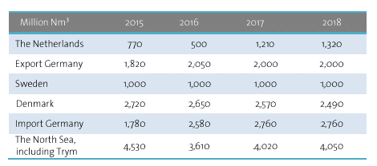
Gas import/export

Source | Energinet.dk, Gas in Denmark 2015
Projections of imports and export of natural gas

