Projection New
Demand drivers updated 2021-02-03 by Martin Hagberg
 |  |  | All aviation transport have been delayed and reduced in 2020 and forward due to the COVID outbreak

INFO ON ASSUMPTIONS:
(Martin Hagberg)
Transport demand drivers are based on the "Basprognos" from the Swedish road administration as of 2020-06-15.
https://www.trafikverket.se/for-dig-i-branschen/Planera-och-utreda/Planerings--och-analysmetoder/Samhallsekonomisk-analys-och-trafikanalys/Kort-om-trafikprognoser/
This scenario is a reference scenario and does not, for instance, include any extensive effects on reduced transport demand due to city planning measures ( "transport efficients society") etc which is the case for some, but not all, of the climate scenarios also publsihed by Swedish road administration
(see https://trafikverket.ineko.se/Files/en-US/74700/Ineko.Product.RelatedFiles/2020_080_scenarier_for_att_na_klimatmalet_for_inrikes_transporter_ett_regeringsuppdrag.pdf )
Here, effects pon aviation due to Covid-19 outbreak has been taken into account, primarily based on analysis by Transportstyrelsen (2020).
(see https://transportstyrelsen.se/4a8a71/globalassets/global/publikationer/luftfart/passagerarprognos-20202026-rapport.pdf )
 | Transport driver for transport (Index 100=2010)
 |  |  | 2010 | 2012 | 2015 | 2020 | 2025 | 2030 | 2035 | 2040 | 2045 | 2050
 | Passenger | Cars | 100.0 | 100.3 | 103.6 | 109.7 | 115.5 | 121.7 | 128.2 | 135.0 | 139.6 | 144.4
 | Air National | Air International | Air International
 | 100.0 | 100.0 | 100.0
 | 113.9 | 113.1 | 75.9
 | 121.7 | 130.0 | 69.4
 | 63.1 | 78.0 | 39.9
 | 107.1 | 129.3 | 66.9
 | 127.4 | 177.7 | 86.1
 | 128.5 | 202.4 | 92.8
 | 129.6 | 230.4 | 100.1
 | 130.8 | 262.4 | 107.9
 | 131.4 | 287.4 | 114.3
 | Passenger | Sea National | 100.0 | 95.2 | 95.2 | 100.7 | 104.2 | 107.2 | 109.5 | 111.4 | 113.4 | 115.4 | from 2020 based on population growth
 | Passenger | Sea International | 100.0 | 98.5 | 95.3 | 100.8 | 104.3 | 107.3 | 109.6 | 111.5 | 113.5 | 115.5 | from 2020 based on population growth
 | Passenger | Air National | 100.0 | 113.9 | 121.7 | 63.1 | 107.1 | 127.4 | 128.5 | 129.6 | 130.8 | 131.4 | adjusted for COVID
 | Passenger | Air International | 100.0 | 113.1 | 130.0 | 78.0 | 129.3 | 177.7 | 202.4 | 230.4 | 262.4 | 287.4 | adjusted for COVID
 | Freight | Sea National | 100.0 | 85.9 | 86.8 | 95.5 | 106.3 | 118.3 | 131.7 | 146.5 | 159.2 | 172.9
 | Freight | Sea International | 100.0 | 99.2 | 97.5 | 106.6 | 118.6 | 132.0 | 147.0 | 163.6 | 177.7 | 192.9
 | Freight | Air International | 100.0 | 75.9 | 69.4 | 39.9 | 66.9 | 86.1 | 92.8 | 100.1 | 107.9 | 114.3 | no data available. Here linked to sea freight.adjusted for COVID
 | Passenger | Bike | 100.0 | 100.5 | 102.6 | 107.1 | 112.0 | 116.8 | 121.6 | 126.4 | 128.3 | 130.3
 | Passenger | Walk | 100.0 | 101.4 | 104.6 | 110.7 | 115.5 | 120.4 | 125.2 | 130.0 | 132.0 | 134.0
 | Passenger | Motor bike | 100.0 | 81.0 | 92.3 | 97.6 | 101.1 | 104.0 | 106.2 | 108.1 | 110.0 | 111.9 | from 2020 based on population growth
 | Passenger | Moped | 100.0 | 101.4 | 104.6 | 110.6 | 114.5 | 117.8 | 120.3 | 122.4 | 124.5 | 126.7 | from 2020 based on population growth
 | Passenger | Bus | 100.0 | 101.6 | 104.9 | 108.0 | 111.6 | 115.4 | 119.4 | 123.4 | 126.8 | 130.2
 | Passenger | Rail | 100.0 | 105.4 | 112.8 | 125.8 | 137.9 | 151.2 | 165.8 | 181.8 | 190.9 | 200.5
 | Freight | Vans | 100.0 | 106.8 | 113.0 | 127.9 | 138.8 | 150.6 | 163.5 | 177.4 | 189.0 | 201.3
 | Freight | Truck | 100.0 | 91.3 | 95.4 | 104.3 | 113.2 | 122.8 | 133.3 | 144.6 | 154.1 | 164.1
 | Freight | Rail | 100.0 | 95.1 | 86.8 | 103.0 | 111.2 | 120.1 | 129.7 | 140.1 | 148.6 | 157.7

 |  | population growth | 100 | 101.49032932 | 104.62475453 | 110.62065281 | 114.55405249 | 117.83538331 | 120.32923126 | 122.45645245 | 124.59443241 | 126.76470994
 |  |  |  |  | 1 | 1.0573086007 | 1.0949039069 | 1.1262667601 | 1.1501028777 | 1.1704347886 | 1.1908695315 | 1.2116129736

 |  |  |  |  |  |  |  |  |  |  |  |  |  |  |  |  |  |  |  |  |  |  |  |  |  |  |  |  |  |  |  |  |  |  |  |  |  |  |  |  |  |  | 1.2562332076
Källa |  |  | 2,000 | 2,001 | 2,002 | 2,003 | 2,004 | 2,005 | 2,006 | 2,007 | 2,008 | 2,009 | 2,010 | 2,011 | 2,012 | 2,013 | 2,014 | 2,015 | 2,016 | 2,017 | 2,018 | 2019 | 2020 | 2021 | 2022 | 2023 | 2024 | 2025 | 2026 | 2027 | 2028 | 2029 | 2030 | 2031 | 2032 | 2033 | 2034 | 2035 | 2036 | 2037 | 2038 | 2039 | 2040 | 2041 | 2042 | 2043 | 2044 | 2045 | 2046 | 2047 | 2048 | 2049 | 2050 | 2051 | 2052 | 2053 | 2054 | 2055 | 2056 | 2057 | 2058 | 2059 | 2060 | 2061 | 2062 | 2063 | 2064 | 2065
TRAFA | Persontransportarbete på väg, miljoner personkilometer. | Personbil | 104,235 | 104,826 | 106,614 | 107,313 | 108,360 | 107,983 | 108,137 | 110,239 | 109,468 | 108,897 | 108,013 | 109,032 | 108,378 | 108,252 | 110,374 | 111,953 | 114,566 | 116,118 | 116,000 | 117214.32666 | 118441.51687 | 119681.5553 | 120934.57648 | 122200.71631 | 123480.11216 | 124772.9028 | 126079.22848 | 127399.2309 | 128733.05325 | 130080.84022 | 131442.73802 | 132818.89438 | 134209.45858 | 135614.58148 | 137034.41548 | 138469.11461 | 139918.83451 | 141383.73244 | 142863.96729 | 144359.69966 | 145871.09178 | 146846.08161 | 147827.58819 | 148815.65507 | 149810.32611 | 150811.64544 | 151819.65751 | 152834.40704 | 153855.93907 | 154884.29893 | 155919.53226
TRAFA |  | Buss | 9,223 | 9,219 | 9,305 | 9,326 | 9,255 | 9,254 | 9,332 | 9,418 | 9,167 | 9,239 | 9,374 | 9,647 | 9,524 | 9,708 | 9,696 | 9,831 | 9,852 | 9,979 | 9,984 | 10051.474946 | 10119.068235 | 10187.11607 | 10255.621507 | 10324.587623 | 10394.017517 | 10463.914307 | 10534.281132 | 10605.121155 | 10676.437556 | 10748.23354 | 10820.512331 | 10893.277176 | 10966.531345 | 11040.278126 | 11114.520833 | 11189.262801 | 11264.507388 | 11340.257973 | 11416.517959 | 11493.290771 | 11570.579859 | 11632.546627 | 11694.845262 | 11757.477539 | 11820.445247 | 11883.750181 | 11947.394147 | 12011.378962 | 12075.70645 | 12140.378447 | 12205.396798
TRAFA |  | MC | 568 | 617 | 688 | 741 | 760 | 777 | 854 | 933 | 913 | 898 | 821 | 805 | 665 | 766 | 737 | 758 | 766 | 728 | 693
TRAFA |  | Moped | 138 | 139 | 139 | 139 | 140 | 140 | 141 | 141 | 142 | 143 | 144 | 145 | 146 | 148 | 149 | 151 | 153 | 155 | 157
TRAFA |  | Cykel | 1,834 | 1,809 | 1,807 | 1,804 | 1,808 | 1,802 | 1,803 | 1,805 | 1,808 | 1,814 | 1,818 | 1,821 | 1,827 | 1,835 | 1,846 | 1,866 | 1,885 | 1,900 | 1,913 | 1930.71 | 1948.19 | 1965.68 | 1983.17 | 2000.65 | 2018.14 | 2035.63 | 2053.11 | 2070.60 | 2088.09 | 2105.57 | 2123.06 | 2140.55 | 2158.03 | 2175.52 | 2193.01 | 2210.50 | 2227.98 | 2245.47 | 2262.96 | 2280.44 | 2,297.93 | 2305.00 | 2312.07 | 2319.14 | 2326.21 | 2333.28 | 2340.35 | 2347.42 | 2354.49 | 2361.56 | 2368.63 | 2375.71 | 2382.78 | 2389.85 | 2396.92 | 2403.99 | 2411.06 | 2418.13 | 2425.20 | 2432.27 | 2439.34 | 2446.41 | 2453.48 | 2460.55 | 2467.62 | 2,474.69
TRAFA |  | Gång | 2,524 | 2,616 | 2,698 | 2,779 | 2,868 | 2,946 | 3,043 | 3,136 | 3,240 | 3,342 | 3,399 | 3,421 | 3,447 | 3,479 | 3,516 | 3,554 | 3,608 | 3,654 | 3,697 | 3729.86 | 3762.68 | 3795.50 | 3828.32 | 3861.15 | 3893.97 | 3926.79 | 3959.61 | 3992.43 | 4025.25 | 4058.07 | 4090.89 | 4123.71 | 4156.53 | 4189.35 | 4222.17 | 4254.99 | 4287.81 | 4320.63 | 4353.45 | 4386.27 | 4,419.09 | 4432.69 | 4446.29 | 4459.89 | 4473.48 | 4487.08 | 4500.68 | 4514.27 | 4527.87 | 4541.47 | 4555.07 | 4568.66 | 4582.26 | 4595.86 | 4609.46 | 4623.05 | 4636.65 | 4650.25 | 4663.84 | 4677.44 | 4691.04 | 4704.64 | 4718.23 | 4731.83 | 4745.43 | 4,759.02
TRAFA |  | TOTALT | 118,523 | 119,225 | 121,251 | 122,102 | 123,191 | 122,903 | 123,310 | 125,672 | 124,739 | 124,334 | 123,569 | 124,873 | 123,988 | 124,188 | 126,317 | 128,112 | 130,830 | 132,535 | 132,445
TRAFA | Tabell 1.2 Persontransportarbete i bantrafiken, miljoner personkilometer. | Järnväg | 8,243 | 8,732 | 8,874 | 8,834 | 8,658 | 8,936 | 9,617 | 10,261 | 11,146 | 11,321 | 11,155 | 11,378 | 11,792 | 11,842 | 12,121 | 12,650 | 12,800 | 13,331 | 13,547
TRAFA |  | Tunnel- bana | 1,588 | 1,581 | 1,578 | 1,558 | 1,556 | 1,541 | 1,657 | 1,690 | 1,715 | 1,715 | 1,731 | 1,725 | 1,796 | 1,841 | 1,848 | 1,892 | 1,953 | 1,979 | 1,991
TRAFA |  | Spårväg | 394 | 410 | 415 | 436 | 462 | 473 | 482 | 514 | 524 | 524 | 548 | 615 | 577 | 608 | 595 | 608 | 655 | 668 | 746
TRAFA |  | TOTALT | 10,225 | 10,723 | 10,867 | 10,827 | 10,676 | 10,950 | 11,756 | 12,464 | 13,385 | 13,561 | 13,434 | 13,719 | 14,165 | 14,291 | 14,564 | 15,150 | 15,408 | 15,978 | 16,284 | 16586.636604 | 16895.107005 | 17209.314193 | 17529.364856 | 17855.36767 | 18187.43333 | 18525.674589 | 18870.206299 | 19221.145447 | 19578.611194 | 19942.724919 | 20313.610259 | 20691.393149 | 21076.201865 | 21468.167072 | 21867.421862 | 22274.101802 | 22688.344984 | 23110.292064 | 23540.086315 | 23977.873676 | 24423.802799 | 24664.063526 | 24906.687736 | 25151.698677 | 25399.119829 | 25648.9749 | 25901.287835 | 26156.082812 | 26413.384246 | 26673.216794 | 26935.605354
TRAFA | Tabell 1.3 Persontransportarbete i sjöfarten, miljoner personkilometer. | Inrikes | 200 | 201 | 212 | 218 | 222 | 223 | 225 | 250 | 251 | 253 | 257 | 247 | 245 | 262 | 259 | 245 | 261 | 279 | 265
TRAFA |  | Inrikes, ny metod |  |  |  |  |  |  |  |  |  |  |  |  |  |  |  | 259 | 276 | 295 | 280
TRAFA |  | Utrikes | 611 | 576 | 587 | 582 | 608 | 609 | 604 | 604 | 601 | 569 | 571 | 559 | 562 | 551 | 548 | 544 | 545 | 557 | 556
TRAFA |  | Utrikes, ny metod |  |  |  |  |  |  |  |  |  |  |  |  |  |  |  | 1,290 | 1,292 | 1,321 | 1,319
TRAFA | Tabell 1.4 Persontransportarbete i luftfarten, miljoner personkilometer. | Inrikes | 3,620 | 3,660 | 3,400 | 3,170 | 3,274 | 3,328 | 3,296 | 3,254 | 3,238 | 2,890 | 2,983 | 3,358 | 3,399 | 3,422 | 3,578 | 3,629 | 3,752 | 3,860 | 3,751 | 3758.04 | 3764.80 | 3771.56 | 3778.32 | 3785.08 | 3791.84 | 3798.60 | 3805.36 | 3812.12 | 3818.88 | 3825.64 | 3832.40 | 3839.16 | 3845.92 | 3852.68 | 3859.44 | 3866.20 | 3872.96 | 3879.72 | 3886.48 | 3893.24 | 3,900 | 3903.9515786 | 3907.9071611 | 3911.8667514 | 3915.8303537 | 3919.7979721 | 3923.7696105 | 3927.7452731 | 3931.7249639 | 3935.708687 | 3939.6964466 |  |  |  |  |  |  |  |  |  |  |  |  |  |  | 0
TRAFA , EUROSTAT |  | Utrikes (over national territory) |  |  |  |  |  |  |  |  |  |  | 5,567 | 6,176 | 6,297 | 6,606 | 6,962 | 7,235 | 7,787 | 8,461 | 8,468 | 8,468 | 8690.42 | 8918.97 | 9153.54 | 9394.28 | 9641.35 | 9894.92 | 10155.15 | 10422.24 | 10696.34 | 10977.65 | 11266.37 | 11562.67 | 11866.77 | 12178.87 | 12499.17 | 12827.90 | 13165.27 | 13511.52 | 13866.87 | 14231.57 | 14605.86 | 14874.75 | 15148.60 | 15427.48 | 15711.50 | 16000.75 | 16295.33 | 16595.32 | 16900.84 | 17211.99 | 17528.86
TRAFA | Tabell 2.4 Godstransportarbete i luftfarten, miljoner tonkilometer. | Inrikes | 14 | 12 | 13 | 11 | 10 | 10 | 11 | 9 | 9 | 7 | 7 | 7 | 6 | 6 | 6 | 6 | 6 | 6 | 4
TRAFA, EUROSTAT |  | Utrikes (over national territory) |  |  |  |  |  |  |  |  |  |  | 56 | 49 | 43 | 40 | 38 | 39 | 40 | 44 | 44 | 44.318 | 44.989 | 45.671 | 46.362 | 47.065 | 47.777 | 48.501 | 49.236 | 49.981 | 50.738 | 51.507 | 52.287 | 53.079 | 53.883 | 54.699 | 55.527 | 56.368 | 57.222 | 58.088 | 58.968 | 59.861 | 60.768 | 61.476 | 62.193 | 62.919 | 63.652 | 64.394 | 65.145 | 65.905 | 66.674 | 67.451 | 68.238
 |  |  |  |  |  |  |  |  |  |  |  |  | 0.01012 | 0.00801 | 0.00679 | 0.00606 | 0.00547 | 0.00541 | 0.00517 | 0.00523 | 0.00516 | 0.00523 | 0.00518 | 0.00512 | 0.00506 | 0.00501 | 0.00496 | 0.00490 | 0.00485 | 0.00480 | 0.00474 | 0.00469 | 0.00464 | 0.00459 | 0.00454 | 0.00449 | 0.00444 | 0.00439 | 0.00435 | 0.00430 | 0.00425 | 0.00421 | 0.00416 | 0.00413 | 0.00411 | 0.00408 | 0.00405 | 0.00402 | 0.00400 | 0.00397 | 0.00394 | 0.00392 | 0.00389
TRAFA | Tabell 2.1 Godstransportarbete på väg, miljoner tonkilometer. | Svenska tunga lastbilar | 40,981 | 39,229 | 41,746 | 41,466 | 42,627 | 44,846 | 46,101 | 47,130 | 49,103 | 41,277 | 42,301 | 43,197 | 38,754 | 39,965 | 40,079 | 39,512 | 40,665 | 39,858 | 41,768
TRAFA |  | Utländska tunga lastbilar | 5,811 | 5,564 | 5,803 | 6,073 | 8,225 | 8,625 | 8,980 | 8,944 | 9,484 | 8,034 | 9,533 | 8,471 | 8,571 | 9,391 | 9,455 | 9,937 | 11,029 | 10,869 | 10,538
TRAFA |  | Totalt tunga lastbilar | 46,792 | 44,793 | 47,549 | 47,539 | 50,852 | 53,471 | 55,081 | 56,074 | 58,587 | 49,311 | 51,834 | 51,668 | 47,325 | 49,356 | 49,534 | 49,449 | 51,694 | 50,727 | 52,306 | 53168.514702 | 54045.603292 | 54937.160678 | 55843.425542 | 56764.640506 | 57701.052192 | 58652.911291 | 59620.47263 | 60603.995238 | 61603.742419 | 62619.981821 | 63652.985505 | 64703.030021 | 65770.396482 | 66855.370636 | 67958.242949 | 69079.308673 | 70218.867936 | 71377.225814 | 72554.692416 | 73751.582967 | 74968.217892 | 75920.423674 | 76884.723859 | 77861.272063 | 78850.223855 | 79851.736778 | 80865.970377 | 81893.086223 | 82933.247939 | 83986.621228 | 85053.373894
TRAFA | Tabell 2.2 Godstransportarbete i bantrafiken, miljoner tonkilometer. | Inrikes | 11,776 | 11,929 | 11,793 | 12,188 | 12,492 | 13,360 | 14,037 | 14,715 | 14,681 | 12,124 | 13,665 | 13,362 | 12,999 | 12,512 | 12,626 | 11,855 | 12,111 | 12,491 | 13,643 | 13854.331681 | 14069.252314 | 14287.506985 | 14509.147416 | 14734.226128 | 14962.796461 | 15194.912578 | 15430.629486 | 15670.003043 | 15913.089974 | 16159.947884 | 16410.635271 | 16665.211544 | 16923.737028 | 17186.272988 | 17452.881638 | 17723.626156 | 17998.570703 | 18277.780432 | 18561.32151 | 18849.261127 | 19141.667518 | 19370.299506 | 19601.66232 | 19835.78858 | 20072.711291 | 20312.463856 | 20555.080074 | 20800.59415 | 21049.040696 | 21300.454739 | 21554.871722
TRAFA |  | Utrikes | 7,572 | 6,958 | 6,698 | 7,201 | 7,523 | 7,417 | 7,157 | 7,312 | 6,840 | 6,633 | 7,902 | 7,786 | 7,546 | 7,360 | 7,414 | 7,724 | 8,132 | 8,348 | 8,936
TRAFA |  | Totalt | 19,347 | 18,887 | 18,491 | 19,389 | 20,015 | 20,776 | 21,194 | 22,026 | 21,521 | 18,757 | 21,567 | 21,149 | 20,546 | 19,872 | 20,040 | 19,579 | 20,243 | 20,838 | 22,579
TRAFA | Tabell 2.3 Godstransportarbete i sjöfarten, miljoner tonkilometer. | Inrikes | 8,118 | 7,579 | 7,183 | 7,456 | 7,154 | 8,000 | 7,192 | 7,866 | 8,255 | 6,504 | 7,851 | 7,508 | 6,744 | 6,693 | 6,663 | 6,814 | 6,623 | 6,752 | 7,184 | 7339.7845522 | 7498.5879654 | 7660.8272458 | 7826.5767315 | 7995.9123694 | 8168.9117494 | 8345.65414 | 8526.2205251 | 8710.6936403 | 8899.1580118 | 9091.6999941 | 9288.4078104 | 9489.3715926 | 9694.6834227 | 9904.4373749 | 10118.729559 | 10337.658164 | 10561.323503 | 10789.82806 | 11023.276537 | 11261.7759 | 11505.43543 | 11697.101075 | 11891.959621 | 12090.064257 | 12291.469061 | 12496.229007 | 12704.399989 | 12916.038829 | 13131.203298 | 13349.952129 | 13572.345031
TRAFA |  | Inrikes, ny metod |  |  |  |  |  |  |  |  |  |  |  |  |  |  |  | 7,221 | 7,018 | 7,155 | 7,613
TRAFA |  | Utrikes | 25,138 | 25,557 | 25,934 | 26,857 | 28,087 | 30,371 | 29,748 | 30,685 | 30,612 | 27,501 | 30,027 | 30,169 | 29,774 | 27,250 | 28,395 | 29,275 | 29,126 | 30,988 | 30,668 | 31331.629676 | 32009.52011 | 32702.077366 | 33409.618776 | 34132.468535 | 34870.957856 | 35625.425115 | 36396.21601 | 37183.68372 | 37988.189064 | 38810.100667 | 39649.795131 | 40507.657205 | 41384.079964 | 42279.464986 | 43194.222539 | 44128.771765 | 45083.540877 | 46058.967352 | 47055.498132 | 48073.58983 | 49113.708937 | 49931.879683 | 50763.680093 | 51609.337219 | 52469.081898 | 53343.148809 | 54231.776542 | 55135.207661 | 56053.688772 | 56987.470589 | 57936.808
TRAFA |  | Utrikes, ny metod |  |  |  |  |  |  |  |  |  |  |  |  |  |  |  | 21,463 | 21,354 | 22,719 | 22,485
TRAFA |  | Totalt | 33,256 | 33,136 | 33,117 | 34,313 | 35,241 | 38,371 | 36,940 | 38,551 | 38,867 | 34,005 | 37,878 | 37,677 | 36,518 | 33,943 | 35,058 | 36,089 | 35,696 | 37,586 | 37,868
TRAFA |  | Totalt, ny metod |  |  |  |  |  |  |  |  |  |  |  |  |  |  |  | 28,684 | 28,372 | 29,874 | 30,098
TRAFA
TRAFA | Trafikarbetet på svenska vägar, miljoner fordonskilometer | Lastbilar ≤3,5 ton | 4,600 | 4,910 | 5,246 | 5,537 | 5,867 | 6,365 | 6,750 | 7,238 | 7,435 | 7,448 | 7,588 | 7,991 | 8,107 | 8,177 | 8,399 | 8,573 | 8,835 | 9,096 | 9,393 | 9547.737347 | 9705.2405523 | 9865.341992 | 10028.084528 | 10193.511728 | 10361.667879 | 10532.598001 | 10706.347852 | 10882.963949 | 11062.493574 | 11244.984789 | 11430.486452 | 11619.048222 | 11810.72058 | 12005.554841 | 12203.603164 | 12404.918569 | 12609.554952 | 12817.567097 | 13029.010691 | 13243.942342 | 13462.419588 | 13633.411965 | 13806.576195 | 13981.939863 | 14159.530906 | 14339.377614 | 14521.508637 | 14705.952991 | 14892.740057 | 15081.899591 | 15273.461728

 |  |  |  |  |  |  |  |  |  |  |  |  | 2010 |  | 2012 |  | 2014 | 2015 |  |  | 2018
Eurostat ktoe | International maritime bunkers |  |  |  |  |  |  |  |  |  |  |  | 1,957 |  | 1,690 |  | 1,719 | 1,826 |  |  | 1,859
Eurostat ktoe | International aviation |  |  |  |  |  |  |  |  |  |  |  | 707 |  | 723 |  | 740 | 758 |  |  | 942

 |  |  |  |  |  |  |  |  |  | nav | energi, bunker |  | 1.00 |  | 0.86 |  | 0.88 | 0.93 |  |  | 0.95
 |  |  |  |  |  |  |  |  |  | nav | tkm (part) |  | 1.00 |  | 0.99 |  | 0.95 | 0.97 |  |  | 1.02

 |  |  |  |  |  |  |  |  |  | aviation int | energi |  | 1.00 |  | 1.02 |  | 1.05 | 1.07 |  |  | 1.33

 |  |  |  |  |  |  |  |  |  | inrikes pass | pkm |  | 1.00 |  | 1.14 |  | 1.20 | 1.22 |  |  | 1.26
 |  |  |  |  |  |  |  |  |  |  | energi |  | 1.00 |  | 1.08 |  | 1.08 | 1.07 |  |  | 1.06
 |  |  |  |  |  |  |  |  |  |  | energi/pkm |  | 1 |  | 0.9475214623 |  | 0.9011019108 | 0.87787686152 |  |  | 0.84642087131
 |  |  |  |  |  |  |  |  |  |  |  |  |  |  | 2012 |  | 2014 | 2015 |  |  | 2018
Eurostat ktoe | Domestic aviation |  |  |  |  | FC_TRA_DAVI_E |  |  |  |  |  |  | 167.0 |  | 180.3 |  | 180.5 | 178.4 |  |  | 177.8

https://www.trafikverket.se/for-dig-i-branschen/Planera-och-utreda/Planerings--och-analysmetoder/Samhallsekonomisk-analys-och-trafikanalys/Kort-om-trafikprognoser/

 | Personbil
2,000 | 104,235
2,001 | 104,826
2,002 | 106,614
2,003 | 107,313
2,004 | 108,360
2,005 | 107,983
2,006 | 108,137
2,007 | 110,239
2,008 | 109,468
2,009 | 108,897
2,010 | 108,013
2,011 | 109,032
2,012 | 108,378
2,013 | 108,252
2,014 | 110,374
2,015 | 111,953
2,016 | 114,566
2,017 | 116,118
2,018 | 116,000
2,019 | 117,214
2,020 | 118,442
2,021 | 119,682
2,022 | 120,935
2,023 | 122,201
2,024 | 123,480
2,025 | 124,773
2,026 | 126,079
2,027 | 127,399
2,028 | 128,733
2,029 | 130,081
2,030 | 131,443
2,031 | 132,819
2,032 | 134,209
2,033 | 135,615
2,034 | 137,034
2,035 | 138,469
2,036 | 139,919
2,037 | 141,384
2,038 | 142,864
2,039 | 144,360
2,040 | 145,871
2,041 | 146,846
2,042 | 147,828
2,043 | 148,816
2,044 | 149,810
2,045 | 150,812
2,046 | 151,820
2,047 | 152,834
2,048 | 153,856
2,049 | 154,884
...
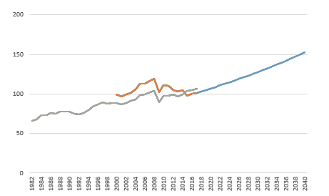
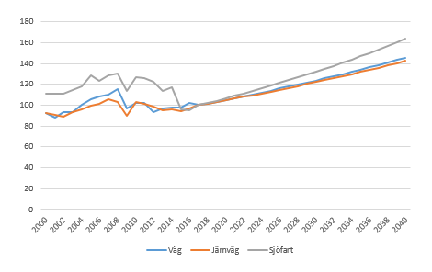
Trafikverkets Basprognoser 2020-06-15

Transportarbete Godstrafik
[Miljarder tonkm/år]

Färdmedel | Prognos 2017 | Prognos 2040
Järnväg | 21.4 | 30.5
Sjöfart | 32.1 | 52.5
Väg | 50.3 | 73.2
Summa | 104 | 156

Tillväxt transportarbete Godstrafik

Färdmedel | Årlig tillväxt | Total tillväxt
 | 2017-2040 | 2017-2040
Järnväg | 1.55% | 42%
Sjöfart | 2.16% | 64%
Väg | 1.65% | 46%
Summa | 1.80% | 51% |  | Transportarbete i miljarder tonkilometer per år. Historiska data 1982–2017, respektive 2000-2017 (enligt Trafikanalys reviderade metoder för beräkning av transportarbete*) och prognostiserad tillväxt 2017-2040.
 |  |  |  |  |  |  |  |  |  |  |  |  |  |  | Transportarbetesförändring med index 100=År 2017. Historiska data 2000-2017 (enligt Trafikanalys reviderade metoder för beräkning av transportarbete*) och prognostiserad tillväxt 2017-2040.
 |  |  |  | Källa historiska data: Statistik från Trafikanalys (www.trafa.se)

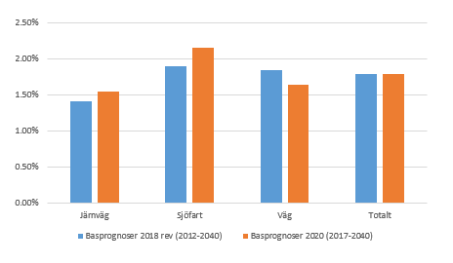
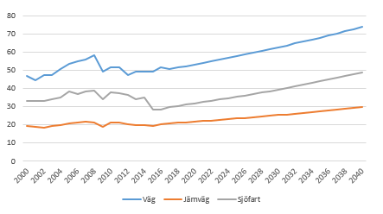
JFR transportarbete Godstrafik 2018 rev-2020

Färdmedel | Basprognoser 2018 rev (2012-2040) | Basprognoser 2020 (2017-2040)
 |  |  | antaget 2040 -2050
Järnväg | 1.41% | 1.55% | 1.19%
Sjöfart | 1.90% | 2.16% | 1.67%
Väg | 1.85% | 1.65% | 1.27%
Totalt | 1.79% | 1.80%

Färdmedel | Basprognoser 2018 rev (2012-2040) | Basprognoser 2020 (2017-2040)

Järnväg | 31.6 | 30.5
Sjöfart | 66.8 | 52.5
Väg | 85.7 | 73.2
Summa | 184 | 156

 |  |  |  |  |  |  |  |  |  |  |  |  |  |  | Transportarbete i miljarder tonkilometer per år. Historiska data 2000–2017 (Trafikanalys) och prognostiserad tillväxt 2017-2040.

 |  |  |  | (*) Nya modeller för att beräkna transportarbetet togs fram av Trafikanalys år 2016. Den senaste publikationen redovisar tidsserier där de nya metoderna tillämpats på gamla underlag tillbaka till år 2000. Dessa tidsserier är inte helt jämförbara med tidsserier för 1950–2014. Statistiken för sjöfart har dessutom reviderats nedåt ganska kraftigt från och med år 2015 jämfört med tidigare år (tidsseriebrott), vilket beror på att Trafikanalys har bytt metod för att skatta det inrikes transportarbetet för sjöfart. Den nuvarande metoden bygger underlag om fartygens geografiska positioner i s.k. AIS-data.

Trafikverkets Basprognoser 2020-06-15

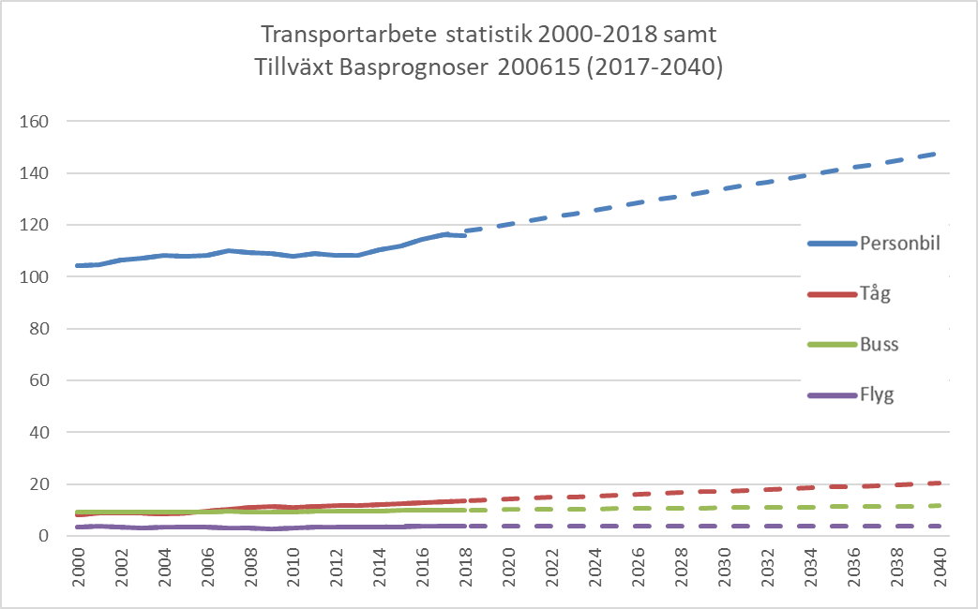
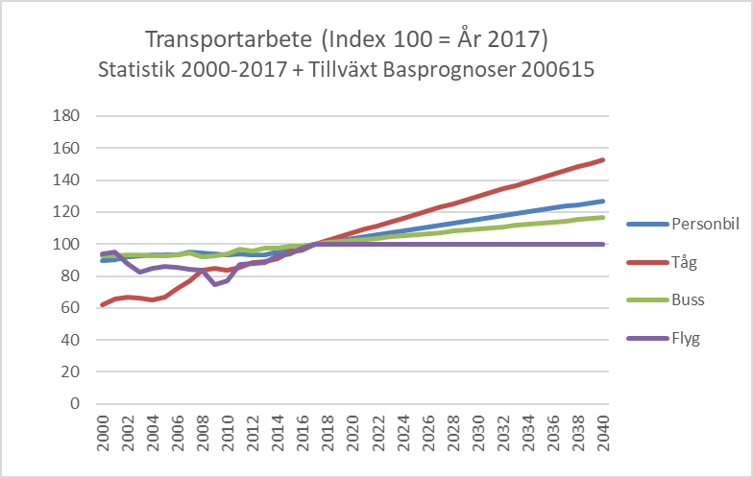
Transportarbete Persontrafik
[Miljoner pkm/år]

Färdmedel | Prognos 2017 | Prognos 2040 | Prognos 2065
Långväga bil | 25,800 | 31,300 | 35,800
Långväga tåg | 7,300 | 11,100 | 14,100
Långväga buss | 2,800 | 3,400 | 3,800
Flyg | 3,900 | 3,900 | 4,000
Summa långväga | 39,800 | 49,700 | 57,700
Regional bil* | 80,600 | 103,900 | 123,900
Regional tåg | 7,100 | 10,900 | 14,000
Regional övrig spår | 2,300 | 3,300 | 3,800
Regional buss | 8,500 | 9,900 | 11,300
Gång och Cykel | 4,300 | 5,200 | 5,600 | 1.21 | 1.30
Summa regionalt | 102,800 | 133,200 | 158,600
Totalt | 142,600 | 182,900 | 216,300
varav bil | 106,400 | 135,200 | 159,700 |  | 1.2706766917 | 1.5009398496
varav tåg | 14,400 | 22,000 | 28,100
varav buss | 11,400 | 13,300 | 15,200
* inklusive yrkestrafik
 |  |  |  |  |  |  | Transportarbete i miljarder personkilometer per år. Historiska data 2000–2018 och prognostiserad tillväxt 2017-2040. |  |  |  |  |  |  |  |  |  | Transportarbetesförändring med index 100=År 2017. Historiska data 2000–2017 och prognostiserad tillväxt 2017-2040.
Tillväxt transportarbete Persontrafik

Färdmedel | Årlig Tillväxt |  | Total Tillväxt |  |  |  | Källa historiska data: Statistik från Trafikanalys (www.trafa.se)
 | 2017-2040 | 2040-2065 | 2017-2040 | 2040-2065
Långväga bil | 0.8% | 0.5% | 21% | 14%
Långväga tåg | 1.8% | 1.0% | 52% | 27%
Långväga buss | 0.8% | 0.4% | 21% | 12%
Flyg | 0.0% | 0.1% | 0% | 3%
Summa långväga | 1.0% | 0.6% | 25% | 16%
Regional bil* | 1.1% | 0.7% | 29% | 19%
Regional tåg | 1.9% | 1.0% | 54% | 28%
Regional övrig spår | 1.6% | 0.6% | 43% | 15%
Regional buss | 0.7% | 0.5% | 16% | 14%
Gång och Cykel | 0.8% | 0.3% | 21% | 8%
Summa regionalt | 1.1% | 0.7% | 30% | 19%
Totalt | 1.1% | 0.7% | 28% | 18%
varav bil | 1.0% | 0.7% | 27% | 18%
varav tåg | 1.9% | 1.0% | 53% | 28%
varav buss | 0.7% | 0.5% | 17% | 14%
* inklusive yrkestrafik
 | 23
 | 127.1%

Trafikverkets Basprognoser 2020-06-15

Trafikarbete Vägtrafik - Riket |  |  |  |  |  |  |  |  |  |  |  |  |  |  |  |  | Resandeprognos för flygtrafiken 2040, Trafikverket 2020
[Miljoner fkm/år] |  |  |  |  |  |  |  |  |  |  |  |  |  |  |  |  | http://trafikverket.diva-portal.org/smash/get/diva2:1443411/FULLTEXT01.pdf

Färdmedel | Prognos 2017 | Prognos 2040 | Prognos 2065
Personbil | 58,400 | 74,800 | 86,900 |  | 1.2808219178
Personbil yrkestrafik | 8,300 | 10,100 | 12,700
Summa Lätta fordon | 66,700 | 84,900 | 99,600 |  | 1.2728635682 | 1.4932533733
Lastbil utan släp | 4,000 | 5,800 | 7,800
Lastbil med släp | 3,600 | 5,000 | 6,700
Summa Tunga fordon | 7,600 | 10,800 | 14,500
Totalt | 74,300 | 95,700 | 114,100

Tillväxt Trafikarbete Vägtrafik - Riket |  |  |  |  |  |  |  |  |  |  |  |  |  |  |  |  |  |  |  |  |  |  |  |  |  |  |  |  |  |  |  |  |  |  | 21
 |  |  |  |  |  |  |  |  |  |  |  |  |  |  |  |  |  |  |  |  |  |  |  |  |  |  |  |  |  |  |  |  |  |  | 1.7248880245 |  |  | 1.7250403877
Färdmedel | Årlig Tillväxt 2017-2040 | Årlig Tillväxt 2040-2065 |  |  |  |  |  |  |  |  |  |  |  |  |  |  |  |  |  |  |  |  |  |  |  |  |  |  |  |  |  |  | 2019-2040 | 0.0263 | 1.0263 | change in mpkm assumed to follow change in number of passengers
Personbil | 1.1% | 0.6% |  |  |  |  |  |  |  |  |  |  |  |  |  |  |  |  |  |  |  |  |  |  |  |  |  |  |  |  |  |  | 2040-2050 | 0.01841 | 1.01841 | assumed
Personbil yrkestrafik | 0.9% | 0.9%
Summa Lätta fordon | 1.1% | 0.6%
Lastbil utan släp | 1.6% | 1.2%
Lastbil med släp | 1.4% | 1.2%
Summa Tunga fordon | 1.5% | 1.2% | 0.76995384831
Totalt | 1.1% | 0.7%

Tillväxt Trafikarbete Vägtrafik - Län

Län | Årlig Tillväxt | Årlig Tillväxt
 | 2017-2040 | 2040-2065
Stockholms län | 1.5% | 0.6%
Uppsala län | 1.2% | 0.8%
Södermanlands län | 1.2% | 0.9%
Östergötlands län | 1.0% | 0.7%
Jönköpings län | 1.2% | 0.8%
Kronobergs län | 1.3% | 0.9%
Kalmar län | 0.9% | 0.7%
Gotlands län | 0.3% | 0.4%
Blekinge län | 1.1% | 0.7%
Skåne län | 1.4% | 0.8%
Hallands län | 1.2% | 0.9%
Västra Götalands län | 1.0% | 0.7%
Värmlands län | 0.8% | 0.7%
Örebro län | 1.1% | 0.8%
Västmanlands län | 1.2% | 0.8%
Dalarnas län | 0.8% | 0.6%
Gävleborgs län | 0.7% | 0.6%
Västernorrlands län | 0.6% | 0.4%
Jämtlands län | 0.7% | 0.4%
Västerbottens län | 0.6% | 0.4%
Norrbottens län | 0.4% | 0.3%
Totalt | 1.1% | 0.7%

Innehållsbeskrivning Den här filen innehåller övergripande prognosresultat från Trafikverkets Basprognoser med publiceringsdatum 2020-06-15. För mer information om prognoserna se följande rapporter: - Prognos för godstransporter 2040 - Trafikverkets Basprognoser 2020-06-15 - Prognos för persontrafiken 2040 - Trafikverkets Basprognoser 2020-06-15 - Resandeprognos för flygtrafiken 2040 - Trafikverkets Basprognoser 2020-06-15 Diverse ytterligare resultat från prognoserna finns under "Övriga resultat- och indatasammanställningar" på Trafikverkets hemsida (samma som där detta dokument ligger) Syfte och bakgrund Trafikverket har regeringens uppdrag att ta fram och tillhandahålla trafikprognoser för alla trafikslag inom såväl persontrafik- som godstransport-sektorn. Syftet med dessa s.k. Basprognoser är bland annat att utgöra underlag för samhällsekonomiska analyser av åtgärder som påverkar transportsystemet. De utgör även grunden för de nationella och regionala transportplanerna. På regional och lokal nivå används trafikprognoser för exempelvis kapacitetsanalyser och dimensionering av infrastrukturprojekt. Trafikprognosberäkningar görs med hjälp av godstransport- och persontrafikmodeller som är baserade på dagens transport- och resandemönster. Som indata till modellerna krävs bland annat uppgifter om nutida och framtida infrastruktur, trafikering och kostnader. Dessutom krävs information om hur omvärldsförutsättningar såsom befolkning, ekonomisk utveckling, bränslekostnader m fl kan förväntas utvecklas. Denna information hämtar Trafikverket om möjligt från andra officiella och väletablerade källor såsom exempelvis SCB befolkningsprognoser och utredningar från Finansdepartementet och Konjunkturinstitutet. De flesta av de ovan nämnda prognosförutsättningarna är förknippade med tämligen stora osäkerheter. Därför bör det poängteras att prognosernas resultat för de framtida åre

COVID

https://www.trafa.se/luftfart/flygtrafik-9443/

https://transportstyrelsen.se/4a8a71/globalassets/global/publikationer/luftfart/passagerarprognos-20202026-rapport.pdf

 | 2019 | 22418718

 | 2025 | 19570000 | 0.87293127109

Data extracted on 19/01/2021 11:13:47 from [ESTAT]
Dataset: | Passenger air transport over national territory (including territorial sea) - million passenger-km [AVIA_TPPA]
Last updated: | 01/04/2020 23:00

Time frequency |  | Annual
Unit of measure |  | Millions of passenger-kilometres

TIME |  | 2010 | 2011 | 2012 | 2013 | 2014 | 2015 | 2016 | 2017 | 2018
TRA_COV (Labels) | GEO (Labels)
National transport and international transport intra-EU27 (from 2020) | Denmark | 1,805 | 1,899 | 1,869 | 1,946 | 2,047 | 2,137 | 2,344 | 2,417 | 2,487
National transport and international transport intra-EU27 (from 2020) | Finland | 2,210 | 2,636 | 2,688 | 2,519 | 2,586 | 2,593 | 2,696 | 2,922 | 3,207
National transport and international transport intra-EU27 (from 2020) | Sweden | 6,755 | 7,486 | 7,591 | 7,792 | 8,115 | 8,417 | 9,071 | 9,702 | 9,539
National transport and international transport intra-EU27 (from 2020) | Norway | 7,089 | 7,674 | 8,110 | 8,480 | 8,736 | 8,739 | 8,907 | 9,187 | 9,425
International transport Extra-EU27 (from 2020) | Denmark | 1,313 | 1,406 | 1,432 | 1,505 | 1,659 | 1,759 | 1,909 | 1,828 | 1,880
International transport Extra-EU27 (from 2020) | Finland | 668 | 769 | 783 | 832 | 894 | 916 | 925 | 1,062 | 1,199
International transport Extra-EU27 (from 2020) | Sweden | 1,795 | 2,048 | 2,105 | 2,236 | 2,425 | 2,447 | 2,468 | 2,619 | 2,680
International transport Extra-EU27 (from 2020) | Norway | 765 | 848 | 933 | 1,054 | 1,088 | 1,082 | 1,040 | 1,054 | 1,098

Special value
: | not available

Data extracted on 19/01/2021 11:13:59 from [ESTAT]
Dataset: | Freight and mail air transport over national territory (including territorial sea) - million tonne-km [AVIA_TPGO]
Last updated: | 01/04/2020 23:00

Time frequency |  | Annual
Unit of measure |  | Million tonne-kilometre (TKM)

TIME |  | 2010 | 2011 | 2012 | 2013 | 2014 | 2015 | 2016 | 2017 | 2018
TRA_COV (Labels) | GEO (Labels)
National transport and international transport intra-EU27 (from 2020) | Denmark | 7 | 9 | 8 | 8 | 11 | 10 | 11 | 9 | 9
National transport and international transport intra-EU27 (from 2020) | Finland | 7 | 8 | 9 | 9 | 9 | 10 | 10 | 9 | 7
National transport and international transport intra-EU27 (from 2020) | Sweden | 37 | 32 | 30 | 30 | 29 | 30 | 29 | 31 | 30
National transport and international transport intra-EU27 (from 2020) | Norway | 6 | 7 | 7 | 13 | 15 | 15 | 14 | 15 | 14
International transport Extra-EU27 (from 2020) | Denmark | 14 | 14 | 13 | 14 | 21 | 21 | 20 | 22 | 22
International transport Extra-EU27 (from 2020) | Finland | 24 | 26 | 27 | 25 | 25 | 25 | 26 | 27 | 32
International transport Extra-EU27 (from 2020) | Sweden | 26 | 24 | 19 | 16 | 15 | 15 | 17 | 19 | 18
International transport Extra-EU27 (from 2020) | Norway | 2 | 4 | 5 | 7 | 7 | 6 | 7 | 9 | 9

Special value
: | not available

