INS Gas
~TFM_INS |  |  |  |  |  |  |  |  |  |  |  |  |  | From the Chalmers TIMES-DK model
Attribute | Year | Pset_PN | CURR | DKE | DKW | NO1 | NO2 | SE1 | SE2 | SE3 | SE4 | ISL |  | TechName | Comm-IN | Comm-OUT | CURR | CAP2ACT | EFF | AFA~2020 | AFA~2030 | AFA~2050 | LIFE | INVCOST | FIXOM | VAROM | START | FLO_DELIV
*Unit |  |  | Currency | DKK/GJ/year | DKK/GJ/year | DKK/GJ/year | DKK/GJ/year | DKK/GJ/year | DKK/GJ/year | DKK/GJ/year | DKK/GJ/year | DKK/GJ/year |  | *Fuel Tech |  |  |  |  | Output/Input (PJ/PJ) | Max PJ/year | Max PJ/year | Max PJ/year |  | MKr/PJ | MKr/PJ/year | MKr/PJ |  | MKr/PJ
INVCOST |  | FT-TRANGBL*,-FT-TRANGBL*N | MKr16 | 147.83 | 147.83 | 147.83 | 147.83 | 147.83 | 147.83 | 147.83 | 147.83 | 147.83 |  | FSTTRACNGTF | TRANGBL1 | TRACNGTF | MKr16 | 1 | 1 | 0.5 | 0.75 | 0.9 | 20 | 181.521 | 20.8413 | 2.7639 | 2020 | 9.83
FIXOM |  | FT-TRANGBL*,-FT-TRANGBL*N | MKr16 | 2.32 | 2.32 | 2.32 | 2.32 | 2.32 | 2.32 | 2.32 | 2.32 | 2.32 | Vehicles fueling | FSTTRACNGVRA | TRANGBL1 | TRACNGVRA | MKr16 | 1 | 1 | 0.5 | 0.6 | 0.75 | 20 | 147.83 | 2.32 | 9.19 | 2020 | 0
VAROM |  | FT-TRANGBL*,-FT-TRANGBL*N | MKr16 | 9.19 | 9.19 | 9.19 | 9.19 | 9.19 | 9.19 | 9.19 | 9.19 | 9.19 |  | FSTTRACNGFF | TRANGBL1 | TRACNGFF | MKr16 | 1 | 1 | 0.5 | 0.6 | 0.9 | 20 | 248.3775 | 20.8413 | 2.7639 | 2020 | 9.83
Gas station investment costs are assigned to all the gas blending technologies (i.e. gas blending technologies simulate a gas station, delivering a mix of natural gas and renewable gas).
AFA | 2020 | FT-TRANGBL*,-FT-TRANGBL*N | MKr16 | 0.5 | 0.5 | 0.5 | 0.5 | 0.5 | 0.5 | 0.5 | 0.5 | 0.50 |  | FSTTRALNG | TRALRNG | TRALNGFF | MKr16 | 1 | 1 | 0.5 | 0.6 | 0.9 | 20 | 52.74 | 12.47 | 0.82 | 2020 | 18.25
AFA | 2030 | FT-TRANGBL*,-FT-TRANGBL*N | MKr16 | 0.6 | 0.6 | 0.6 | 0.6 | 0.6 | 0.6 | 0.6 | 0.6 | 0.60 |  | FSTTRALCNG | TRALRNG | TRALNGFF | MKr16 | 1 | 1 | 0.5 | 0.6 | 0.9 | 20 | 115.26 | 23.38 | 5.9 | 2020 | 18.25
AFA | 2050 | FT-TRANGBL*,-FT-TRANGBL*N | MKr16 | 0.75 | 0.75 | 0.75 | 0.75 | 0.75 | 0.75 | 0.75 | 0.75 | 0.75 | Bunkering | FSTTRALNGSTS | TRALRNG | TRALNGSTS | MKr16 | 1 | 1 | 0.75 | 0.8 | 0.9 | 20 | 10.28 |  |  | 2020
LIFE |  | FT-TRANGBL*,-FT-TRANGBL*N | MKr16 | 20 | 20 | 20 | 20 | 20 | 20 | 20 | 20 | 20.00 |  | FSTTRALNGTTS | TRALRNG | TRALNGTTS | MKr16 | 1 | 1 | 0.75 | 0.8 | 0.9 | 20 | 7.3 |  |  | 2020
INVCOST |  | FT-TRANGBL*N | MKr16 | 10.28 | 10.28 | 10.28 | 10.28 | 10.28 | 10.28 | 10.28 | 10.28 | 10.28 |  | FSTTRAH2 | H2 | TRAH2 | MKr16 | 1 | 1 | 0.5 | 0.6 | 0.9 | 30 | 1457 | 86 |  | 2020
AFA | 2020 | FT-TRANGBL*N | MKr16 | 0.75 | 0.75 | 0.75 | 0.75 | 0.75 | 0.75 | 0.75 | 0.75 | 0.75
AFA | 2030 | FT-TRANGBL*N | MKr16 | 0.8 | 0.8 | 0.8 | 0.8 | 0.8 | 0.8 | 0.8 | 0.8 | 0.80
AFA | 2050 | FT-TRANGBL*N | MKr16 | 0.9 | 0.9 | 0.9 | 0.9 | 0.9 | 0.9 | 0.9 | 0.9 | 0.90
LIFE |  | FT-TRANGBL*N | MKr16 | 20 | 20 | 20 | 20 | 20 | 20 | 20 | 20 | 20.00
INVCOST |  | FT-TRAH2C,FT-TRAH2G | MKr16 | 1457 | 1457 | 1457 | 1457 | 1457 | 1457 | 1457 | 1457 | 1457.00
FIXOM |  | FT-TRAH2C,FT-TRAH2G | MKr16 | 86 | 86 | 86 | 86 | 86 | 86 | 86 | 86 | 86.00
AFA | 2020 | FT-TRAH2C,FT-TRAH2G | MKr16 | 0.5 | 0.5 | 0.5 | 0.5 | 0.5 | 0.5 | 0.5 | 0.5 | 0.50
AFA | 2030 | FT-TRAH2C,FT-TRAH2G | MKr16 | 0.6 | 0.6 | 0.6 | 0.6 | 0.6 | 0.6 | 0.6 | 0.6 | 0.60
AFA | 2050 | FT-TRAH2C,FT-TRAH2G | MKr16 | 0.9 | 0.9 | 0.9 | 0.9 | 0.9 | 0.9 | 0.9 | 0.9 | 0.90
LIFE |  | FT-TRAH2C,FT-TRAH2G | MKr16 | 30 | 30 | 30 | 30 | 30 | 30 | 30 | 30 | 30.00

The stock (PJ) of gas delivered by gas stations in Denmark in 2015 is assigned to the sum of blending technologies. In this way, only when the required gas for vehicles is higher than the stock, additional capacity will be built (at a cost equal to the investment cost).
UC - All Regions/Each Period
 | ~UC_Sets: R_S: DKE,DKW
 | ~UC_Sets: T_E:
 |  |  | UC_T
UC_N | Pset_PN | Year | LimType | UC_CAP | UC_RHSTS | UC_RHSTS~0 | UC_Desc
STOCK_GasStations_DK | FT-TRANGBLD* | 2010 | FX | 1 | 0.00300186 | 4 | Existing stock of gas stations

INS Electricity
EV charging station investment costs are assigned to the virtual technology simulating EV charging station for cars and vans, as defined in the VT_TRA file. Only public chargers (normal and rapid) are modelled.
~TFM_INS
Attribute | Year | Pset_PN | CURR | DKE | DKW | NO1 | NO2 | SE1 | SE2 | SE3 | SE4 | ISL
*Unit |  |  | Currency | DKK/GJ/year | DKK/GJ/year | DKK/GJ/year | DKK/GJ/year | DKK/GJ/year | DKK/GJ/year | DKK/GJ/year | DKK/GJ/year | DKK/GJ/year
INVCOST | 2015 | FT-TRAELCEVC | MKr15 | 2024.96 | 2024.96 | 2024.96 | 2024.96 | 2024.96 | 2024.96 | 2024.96 | 2024.96 | 2024.96
INVCOST | 2020 | FT-TRAELCEVC | MKr15 | 1168.77 | 1168.77 | 1168.77 | 1168.77 | 1168.77 | 1168.77 | 1168.77 | 1168.77 | 1168.77
INVCOST | 2035 | FT-TRAELCEVC | MKr15 | 693.11 | 693.11 | 693.11 | 693.11 | 693.11 | 693.11 | 693.11 | 693.11 | 693.11
The stock (PJ) of electricity delivered by public EV stations in Denmark in 2015 is assigned (home charging is not included). In this way, only when the required electricity for EV (cars and vans) is higher than the stock, additional capacity will be built (at a cost equal to the investment cost).
~TFM_INS
Attribute | Year | Pset_PN | CURR | DKE | DKW | NO1 | NO2 | SE1 | SE2 | SE3 | SE4 | ISL
*Unit |  |  | Currency | DKK/GJ/year | DKK/GJ/year | DKK/GJ/year | DKK/GJ/year | DKK/GJ/year | DKK/GJ/year | DKK/GJ/year | DKK/GJ/year | DKK/GJ/year
INVCOST | 2015 | FT-TRAELCEV | MKr15 | 1352.24 | 1352.24 | 1352.24 | 1352.24 | 1352.24 | 1352.24 | 1352.24 | 1352.24 | 1352.24
INVCOST | 2020 | FT-TRAELCEV | MKr15 | 665.93 | 665.93 | 665.93 | 665.93 | 665.93 | 665.93 | 665.93 | 665.93 | 665.93
INVCOST | 2035 | FT-TRAELCEV | MKr15 | 176.67 | 176.67 | 176.67 | 176.67 | 176.67 | 176.67 | 176.67 | 176.67 | 176.67

Infrastructure cost data
Data on infrastructure cost of fuels

Sources | Production Costs of Alternative Transportation Fuels, IEA (2013)
 | NREL (2013) Alternative Fuel Infrastructure Expansion: Costs, Resources, Production Capacity, and Retail Availability for Low-Carbon Scenarios.
 | EA, Grøn Roadmap (2015)

Storage and refuelling costs |  |  |  |  |  | Investment new capacity
 | Current technology (USD/GJ LHV) |  | Mature technology (USD/GJ LHV) |  |  | Fuel | 2020 | 2050 | Liquid fuels infrastructure costs (i.e. new petrol stations) are included in transmission and distribution costs (EA, 2015)
Fuel | Oil price = 60 USD/bbl | Oil price = 150 USD/bbl | Oil price = 60 USD/bbl | Oil price = 150 USD/bbl |  | Diesel/gasoline (USD2005/gge/year) | 0.64 | 0.64 | Source: EA, Grøn Roadmap (2015)
CTL, BTL, GTL | 0.068 | 0.075 | 0.061 | 0.068 |  | CNG (USD2005/gge/year) | 2.64 | 2.36
Ethanol | 0.11 | 0.121 | 0.099 | 0.109 |  | EV charging PHEV (USD2005/gge/year) | 9.65 | 3.67
Biodiesel | 0.079 | 0.087 | 0.071 | 0.078 |  | EV BEV charging (USD2005/gge/year) | 11.87 | 7.31
Natural gas, bio-SNG | 4.523 | 4.523 | 1.32 | 1.32 |  | Source: NREL (2013)
Electricity | 10.996 | 10.996 | 6.475 | 6.475 |  | gge = gallon gasoline equivalent
Source: IEA (2013)

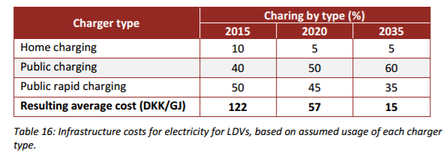
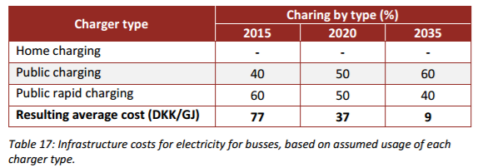
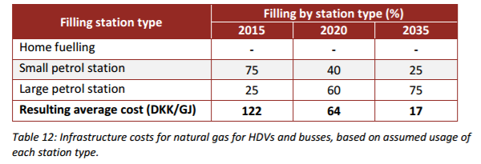
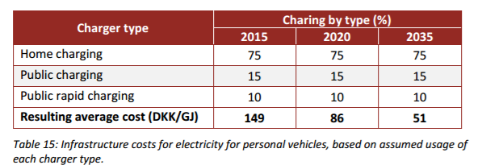
 |  | Cost (DKK/GJ) |  |  |  | Input data for TIMES, Simple investment costs calculated based on an assumption of 4 % discount rate. |  |  |  |  | Current technology |  |  | Mature technology
 |  | 2015 | 2020 | 2035 |  | Investment cost DKK/Gja |  |  |  | EV charging | Slow charging home | Slow charging public | Fast charging | Slow charging home | Slow charging public | Fast charging
 | Personal vehicle average cost | 149 | 86 | 51 |  | 2024.9586254 | 1168.7680657 | 693.10664359 |  | Investment cost (USD/plug) | 650 | 6600 | 33000 | 460 | 5500 | 24000
 | LDV Average costs | 122 | 57 | 15 |  | 1658.0198141 | 774.64860166 | 203.85489517 |  | Annualised cost (USD/plug) | 85 | 870 | 4300 | 60 | 720 | 3200
 | Busses and trucks average costs | 77 | 41 | 11 |  | 1046.4551286 | 557.20338014 | 149.49358979 |  | Total infr. cost (USD/GJ) | 11.1 |  |  | 6.57
 |  |  |  |  |  |  |  |  |  | Source: IEA (2013)
 | Source: EA (2015) |  |  |  |  | Estimated investment cost per Vehicle
 | Note: The above table consist of average price for charging e.g. includes both fast and slow charging |  |  |  | Car | 22254.295293 | 12844.761042 | 7617.2420131 |  | OBS! The values used for calculating the cost for
 |  |  |  |  | LDV | 34475.205994 | 16107.268374 | 4238.7548354
Bus/Truck | LDV | Cars |  |  | Bus/Truck | 164816.68275 | 87759.532373 | 23545.240393
50000 | 17400 | 15700 | km/year
3150 | 1195 | 700 | KJ/km
157500000 | 20793000 | 10990000 | KJ/year
157.5 | 20.793 | 10.99 | GJ/year

Natural gas (and biogas) stations

 | 2015 | 2020 | 2035
Personal vehicles (DKK/GJ) | 135 | 88 | 21
HDV and busses (DKK/GJ) | 122 | 64 | 17
Source: EA (2015), average values under EA assumptions of mix of 3 station types (home fuelling, small and large stations)

Data comparison
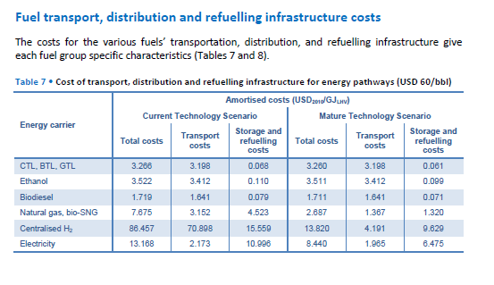
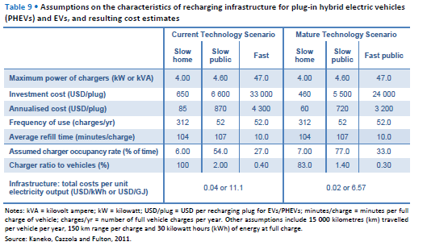
Comparison of fuel delivery and infrastructure data

Sources | Production Costs of Alternative Transportation Fuels, IEA (2013)
 | NREL (2013) Alternative Fuel Infrastructure Expansion: Costs, Resources, Production Capacity, and Retail Availability for Low-Carbon Scenarios.
 | Dodds, P. E., McDowall, W. (2014) Methodologies for representing the road transport sector in energy system models. International Journal of Hydrogen Energy, 39-5.
 | EA, Grøn Roadmap (2015)
Values from different sources are here compared. Additionally, transport costs (IEA, 2013) are compared with the delivery costs already present in the model. The greatest difference is in the electricity delivery cost (it depends on what is accounted for, price to consumers in our case).
Green Roadmap (EA, 2015) provides data for distribution prices of fuels in DKK/km (see graph). Transmission and distribution (variable cost) and infrastructure (fixed investment) in DDK/GJ are also calculated in the Grøn Roadmap (EA, 2015).

 |  | Current technology (USD/GJ LHV) |  | Mature technology (USD/GJ LHV) |  | Current technology (USD/GJ LHV) |  | Mature technology (USD/GJ LHV)
 | Fuel | Transport costs | Storage and refuelling costs | Transport costs | Storage and refuelling costs | Transport costs | Storage and refuelling costs | Transport costs | Storage and refuelling costs | Delivery costs (applied in other scenario file)
 | CTL, BTL, GTL | 3.198 | 0.068 | 3.198 | 0.061 | 3.534 | 0.075 | 3.534 | 0.068 | USD/GJ
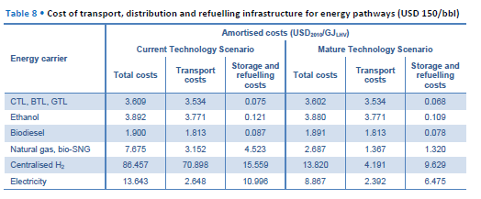
 | Ethanol | 3.412 | 0.11 | 3.412 | 0.099 | 3.771 | 0.121 | 3.771 | 0.109 | 5.1364985163 | Ethanol
 | Biodiesel | 1.641 | 0.079 | 1.641 | 0.071 | 1.813 | 0.087 | 1.813 | 0.078 | 4.2106824926 | Biodiesel
 | Natural gas, bio-SNG | 3.152 | 4.523 | 1.367 | 1.32 | 3.152 | 4.523 | 1.367 | 1.32 | 1.9287833828 | Natural gas, bio-SNG
 | Electricity | 2.173 | 10.996 | 1.985 | 6.475 | 2.648 | 10.996 | 2.392 | 6.475 | 18.95727003 | Electricity
 |  | Oil price = 60 USD/bbl |  |  |  | Oil price = 150 USD/bbl
 | Source: IEA (2013)

 |  | Current technology |  |  | Mature technology
 | EV charging | Slow charging home | Slow charging public | Fast charging | Slow charging home | Slow charging public | Fast charging
 | Investment cost (USD/plug) | 650 | 6600 | 33000 | 460 | 5500 | 24000
 | Annualised cost (USD/plug) | 85 | 870 | 4300 | 60 | 720 | 3200
 | Total infr. cost (USD/GJ) | 11.1 |  |  | 6.57
 | Source: IEA (2013)
 |  |  |  |  |  |  |  |  |  |  |  | Source: IEA (2013)
 | Investment new capacity | 2020 | 2050 |  | Investment new capacity | 2020 | 2050
 | Diesel/gasoline (USD2005/gge/year) | 0.64 | 0.64 |  | Diesel/gasoline (USD2005/(MJ/kg)/year) | 20.323947305 | 20.323947305
 | CNG (USD2005/gge/year) | 2.64 | 2.36 |  | CNG (USD2005/(MJ/kg)/year) | 83.836282635 | 74.944555689
 | EV charging PHEV (USD2005/gge/year) | 9.65 | 3.67 |  | EV charging PHEV (USD2005/(MJ/kg)/year) | 306.44701796 | 116.54513533
 | EV BEV charging (USD2005/gge/year) | 11.87 | 7.31 |  | EV BEV charging (USD2005/(MJ/kg)/year) | 376.94571018 | 232.13758563
 | Source: NREL (2013)
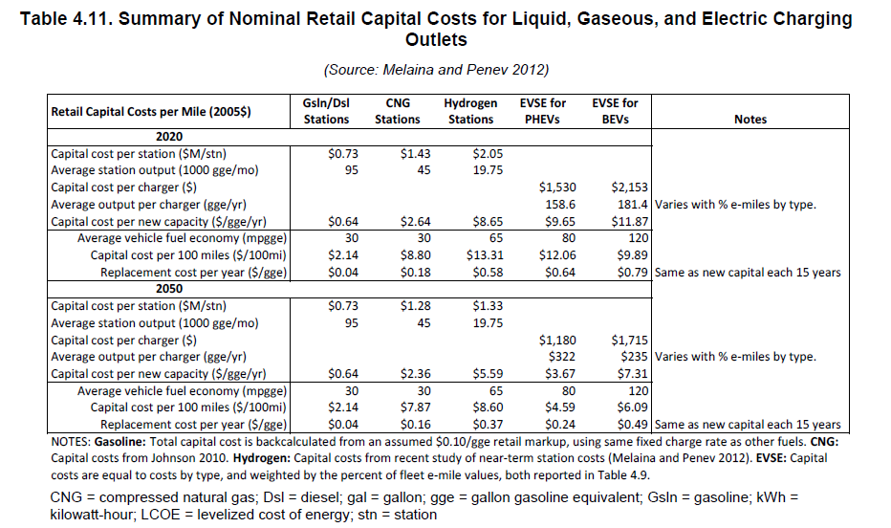
 | gge = gallon gasoline equivalent

 | Fuel | Annual cost of infrastructure provision per car (GBP)
 | Diesel | 17
 | CNG | 34
 | EV charger | 129
 | Source: Dodds & McDowall (2014)
 | Costs include dispenser+storage(+compressor for CNG)

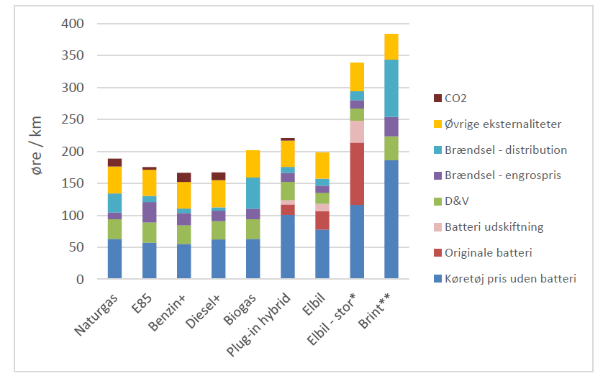

 |  | Fuel distribution cost (DKK/km) | Fuel distribution cost (DKK/liter)
 | Natural gas | 0.3
 | Gasoline E85 | 0.12 | 0.00017406440383
 | Gasoline+ | 0.1 | 0.00014505366986
 | Diesel+ | 0.07 | 0.00010879025239
 | Biogas | 0.5
 | PHEV | 0.15 | 0.00067524984244
 | EV | 0.17 |  |  |  |  |  |  |  |  |  | Source: NREL (2013)
 | EV large | 0.2
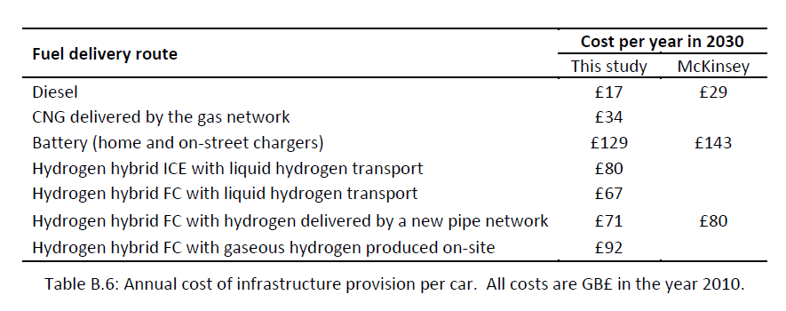
 | Hydrogen | 0.9
 | Source: EA, Grøn Roadmap (2015)

 |  | Fuel transmission and distribution cost (DKK/GJ) | Fuel transmission and distribution cost (USD/GJ) | Fuel infrastructure cost (DKK/GJ)
 | Natural gas | 2.5 | 0.37091988131 | See figures
 | Gasoline E85 | 1.1 | 0.16320474777 | Included in transmission and distribution
 | Gasoline+ | 1.1 | 0.16320474777 | Included in transmission and distribution
 | Diesel+ | 1.1 | 0.16320474777 | Included in transmission and distribution
 | Biogas | 2.5 | 0.37091988131 | See figures, same as for NGA
 | Electricity | 100 DKK/MWh | 4.1213320145 | See figures
 | Hydrogen | 35 | 5.1928783383 | Not calculated |  | Source: EA, Grøn Roadmap (2015)
 | Source: EA, Grøn Roadmap (2015) |  |  |  |  |  |  |  |  |  |  | Source: Dodds & McDowall (2014)
Differences between EA data and delivery costs already present in the model derives probably from the fact that EA does not account for sales margin (as it is done in the data from World Energy Outlook, source used for the delivery costs currently implemented).
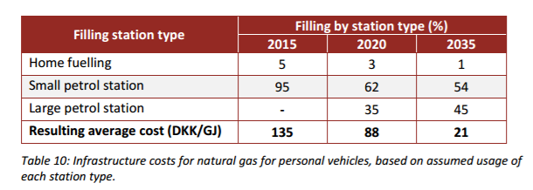

 | Delivery costs | DKK/GJ | For comparison (USD/GJ)
 | Gasoline/BioEthanol | 34.62 | 5.1364985163
 | Diesel/BioDiesel | 28.38 | 4.2106824926
 | Electricity | 127.772 | 18.95727003
 | Natural gas/SNG | 13 | 1.9287833828
 | Note: already included in other scenario file |  |  |  |  | Source: EA, Grøn Roadmap (2015)

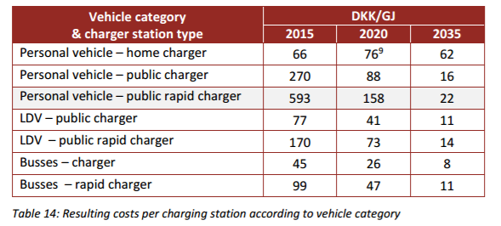

 | Conversion factors

 | LHV | MJ/kg |  | USD | 1
 | Diesel | 45 |  | DKK | 6.74
 | Gasoline | 47
 | CNG | 54 |  | GGE | 1
 |  |  |  | BTU/gallon | 114000

 |  |  |  | BTU/pound | 1
 |  |  |  | MJ/kg | 0.002326

 |  |  |  | gallon | 1
 | Fuel consumption (lge/100km) |  |  | pounds | 8.35
 | Average OECD | 7.66
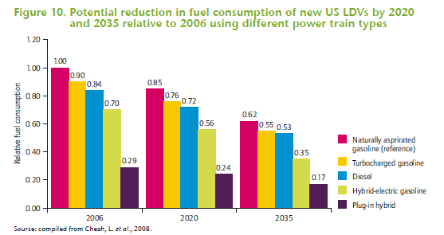
 | Turbocharged gasoline | 6.894
 | Diesel | 6.4344
 | Hybrid electric-gasoline | 5.362
 | PHEV | 2.2214
 | Source: IEA, Fuel Economy of Road Vehicles (2012)

 |  |  | Source: IEA, Fuel Economy of Road Vehicles (2012)

Stock gas
Fuel infrastructure stock
Network and stations |  |  |  |  | Source | Energinet.dk, Gas in Denmark 2015
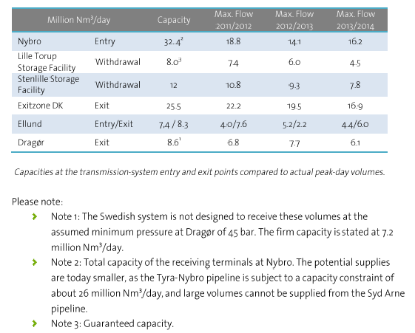
Natural gas transmission system capacity |  |  |  |  |  |  |  | Source | Danmark Statistics
from table on the right |  |  |  |  |  |  |  | Transport in pipelines by unit, product and time
32.4
8 |  |  |  |  |  |  |  |  |  | 2013 | 2014 | 2015 | kg | Nm3 | MJ | PJ
12 |  |  |  |  |  |  |  | 1000 tonnes | Natural gas, total | 3568 | 3442 | 3553 | 3553000000 | 4280722891.6 | 2.3543975904E+11 | 235.43975904
25.5 |  |  |  |  |  |  |  |  | Natural gas, exported | 2527 | 1737 | 1799 | 1799000000 | 2167469879.5 | 1.1921084337E+11 | 119.21084337
8.3 |  |  |  |  |  |  |  |  |  |  |  |  |  |  |  | 354.65060241 | Total transported gas (2015)
8.6
94.8 | 5214000000 | 5.214 | 1903.11 | Total capacity
Nm3/day | MJ/day | PJ/day | PJ/year
Notes: this includes storage |  |  |  |  |  |  |  | Gas network in Denmark (2015) |  |  |  |  |  |  |  | Gas filling stations in Denmark (2015) |  |  |  | Source | Statistics Denmark
 |  |  |  |  |  |  |  | Source | Energinet.dk |  |  |  |  |  |  | Source | Energinet.dk | Number of gas stations | 10 | Stock of passenger cars per 1 January by propellant, tare and time
 |  |  |  |  |  |  |  |  |  |  |  |  |  |  |  | Source | http://hmnnaturgas.dk/grongas/gastiltransport/gastankstationer/ | Number of gas stations | 16 | Units: number
Conversion units |  |  |  |  |  |  |  |  |  |  |  |  |  |  |  |  |  |  |  |  |  | 2015 | 2016
15.2 | kWh/Nm3 | Average Wobbe index |  |  |  |  |  |  |  |  |  |  |  |  |  |  |  |  |  | N-gas | Total | 58 | 58
1 | kWh | What I always forget too quickly |  |  |  |  |  |  |  |  |  |  |  |  |  |  |  |  |  |  | 901-1.000 kg | 32 | 34
3600000 | J | What I always forget too quickly |  |  |  |  |  |  |  |  |  |  |  |  |  |  |  |  |  |  | 1.001-1.000 kg | 2 | 2
55 | MJ/Nm3 | LHV Natural gas |  |  |  |  |  |  |  |  |  |  |  |  |  |  |  |  |  |  | 1.101-1.200 kg | 1 | 1
0.83 | kg/Nm3 | Density natural gas |  |  |  |  |  |  |  |  |  |  |  |  |  |  |  |  |  |  | 1.301-1.400 kg | 3 | 3
 |  |  |  |  |  |  |  |  |  |  |  |  |  |  |  |  |  |  |  |  | 1.401-1.500 kg | 8 | 3
 |  |  |  |  |  |  |  |  |  |  |  |  |  |  |  |  |  |  |  |  | 1.501-1.600 kg | 5 | 6
 |  |  |  |  |  |  |  |  |  |  |  |  |  |  |  |  |  |  |  |  | 1.601-1.700 kg | 1 | 1
 |  |  |  |  |  |  |  |  |  |  |  |  |  |  |  |  |  |  |  |  | Above 2.000 kg | 6 | 8
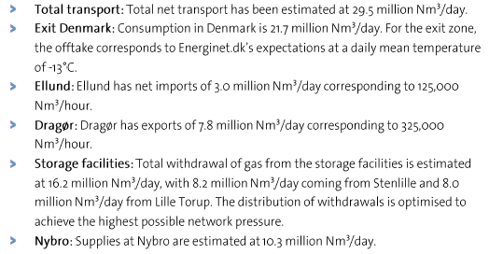
Net transport of gas in 2015 (Energinet.dk)
Nm3/year | MJ/year | PJ/year |  |  |  |  | Net transport (mill Nm3/day) |  |  |  |  |  |  |  |  |  |  |  |  | Stock of vans per 1 January by propellant, gross weight and time
10767500000 | 592212500000 | 592.2125 |  |  |  |  | 10.3 |  |  |  |  |  |  |  |  |  |  |  |  | Units: number
Note: 29.5 million Nm3/day is the value estimated by Energinet.dk (see text) |  |  |  |  |  |  | 8 |  |  |  |  |  |  |  |  |  |  |  |  |  |  | 2013 | 2014 | 2015 | 2016
 |  |  |  |  |  |  | 8.2 |  |  |  |  |  |  |  |  |  |  |  |  | N-gas | Total | 16 | 20 | 51 | 63
Net transport (PJ/year) is the closest value to gas network capacity, if compared with the estimated 8 billion Nm3 of gas transported each year in Denmark (Energinet.dk). The value found (~600 PJ) is far from the value reported in Statistics Denmark (354 PJ).
 |  |  |  |  |  |  | 3 |  |  |  |  |  |  |  |  |  |  |  |  |  | 0-1,000 kg | 0 | 0 | 0 | 0
 |  |  |  |  |  |  |  |  |  |  |  |  |  |  |  |  |  |  |  |  | 1,001-1,500 kg | 0 | 0 | 0 | 0
 |  |  |  |  |  |  |  |  |  |  |  |  |  |  |  |  |  |  |  |  | 1,501-2,000 kg | 0 | 1 | 4 | 5
 |  |  |  |  |  |  |  |  |  |  |  |  |  |  |  |  |  |  |  |  | 2,001-2,500 kg | 9 | 10 | 17 | 21
 |  |  |  |  |  |  |  |  |  |  |  |  |  |  |  |  |  |  |  |  | 2,501-3,000 kg | 5 | 6 | 18 | 24
 |  |  |  |  |  |  |  |  |  |  |  |  |  |  |  |  |  |  |  |  | 3,001-3,500 kg | 2 | 3 | 12 | 13

 |  |  |  |  |  |  |  |  |  |  |  |  |  |  |  |  |  |  |  | Total gas vehicles (2015) | 109
 |  |  |  |  |  |  |  |  |  |  |  |  |  |  |  |  |  |  |  | Yearly distance travelled (km) | 18000 | TIMES
 |  |  |  |  |  |  |  |  |  |  |  |  |  |  |  |  |  |  |  | Fuel consumption (MJ/km) | 1.53 | Admodel
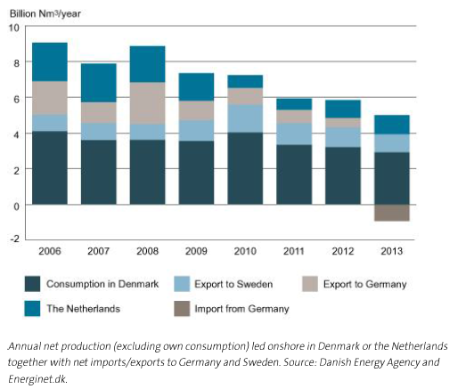
Annual net production in 2013 (Energinet.dk) |  |  |  |  |  |  |  |  |  |  |  |  |  |  |  |  |  |  |  | Total gas (MJ/year) | 3001860
Nm3/year | MJ/year | PJ/year |  |  |  |  |  |  |  |  |  |  |  |  |  |  |  |  |  | Total gas (PJ/year) | 0.00300186
5000000000 | 275000000000 | 275 | NET Production 2013 |  |  |  |  |  |  |  |  |  |  |  |  |  |  |  |  | Gas delivered by station (MJ/year) | 187616.25
Notes: Netherlands is excluded |  |  |  |  |  |  |  |  |  |  |  |  |  |  |  |  |  |  |  | Gas delivered by station (PJ/year) | 0.00018761625

Stock electricity
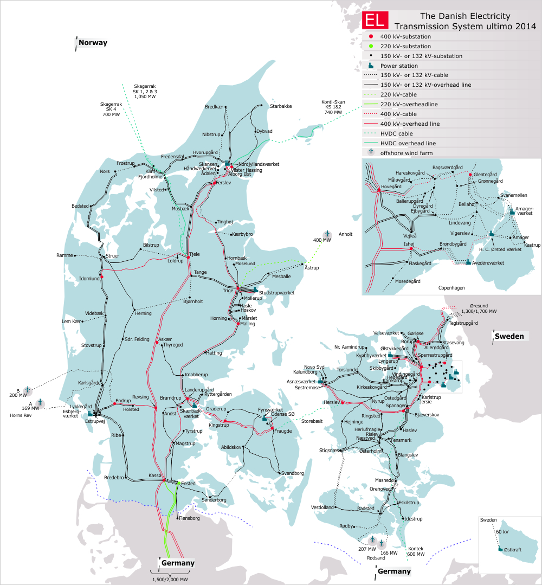
 | Electricity network | Charging stations EV | https://ladekort.danskelbilalliance.dk/
 |  |  | Denmark | DK West | DK East
 |  | Total number | 512 | 210 | 302
 |  | Hereof fast charging | 267 | 134 | 133

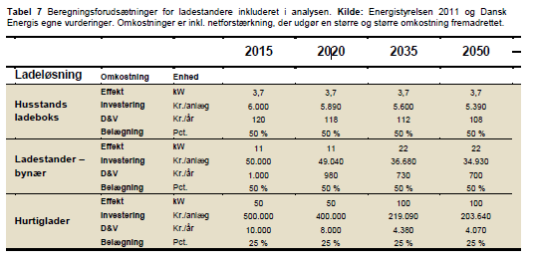

 |  |  |  |  |  |  | Source: Dansk Energi (2015). Analyse 18, Fremtidig vejtransport
 |  | Source: IEA (2013)

 |  | Own analysis | Year = 2016
 |  |  | Normal public | Fast public | Source | 1 | kWh
 |  | Maximum power of chargers (kW) | 11 | 50 | Dansk Energi (2015) | 3600000 | J
 |  | Frequency of use (charges/year) | 52 | 52 | IEA (2013)
 |  | Average refill time (minutes/charge) | 107 | 10 | IEA (2013)
 |  | Charger occupancy rate (%) | 54 | 27 | IEA (2013)
 |  | Average charge (kWh) | 30 | 30 | IEA (2013)
 |  | Number of chargers | 245 | 267 | Dansk Elbil Alliance

 |  | Power delivered (kWh/year) | 382200 | 416520
 |  | Power delivered (PJ/year) | 0.00137592 | 0.001499472
 |  | Total power (PJ/year) | 0.002875392
 |  | Comment: home charging is excluded

 |  | DKE | Year = 2016
 |  |  | Normal public | Fast public | Source
 |  | Maximum power of chargers (kW) | 11 | 50 | Dansk Energi (2015)
 |  | Frequency of use (charges/year) | 52 | 52 | IEA (2013)
 |  | Average refill time (minutes/charge) | 107 | 10 | IEA (2013)
 |  | Charger occupancy rate (%) | 54 | 27 | IEA (2013)
 |  | Average charge (kWh) | 30 | 30 | IEA (2013)
 |  | Number of chargers | 169 | 133 | Dansk Elbil Alliance

 |  | Power delivered (kWh/year) | 263640 | 207480
 |  | Power delivered (PJ/year) | 0.000949104 | 0.000746928
 |  | Total power (PJ/year) | 0.001696032
Source: Energinet.dk |  | Comment: home charging is excluded

 |  | DKW | Year = 2016
 |  |  | Normal public | Fast public | Source
 |  | Maximum power of chargers (kW) | 11 | 50 | Dansk Energi (2015)
 |  | Frequency of use (charges/year) | 52 | 52 | IEA (2013)
 |  | Average refill time (minutes/charge) | 107 | 10 | IEA (2013)
 |  | Charger occupancy rate (%) | 54 | 27 | IEA (2013)
 |  | Average charge (kWh) | 30 | 30 | IEA (2013)
 |  | Number of chargers | 76 | 134 | Dansk Elbil Alliance

 |  | Power delivered (kWh/year) | 118560 | 209040
 |  | Power delivered (PJ/year) | 0.000426816 | 0.000752544
 |  | Total power (PJ/year) | 0.00117936
 |  | Comment: home charging is excluded

Gas imp exp
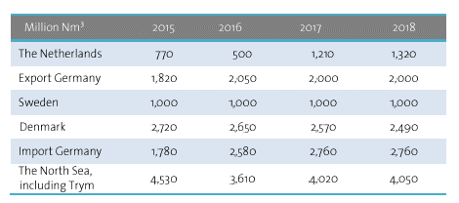
Gas import/export

Source | Energinet.dk, Gas in Denmark 2015
Projections of imports and export of natural gas

