UC_ELCEXP
UC - Each Region/Period
 | ~UC_Sets: R_S: AllRegions
 | ~UC_Sets: T_E:
 |  |  |  |  |  |  |  |  | ~UC_T:UC_RHSTS
 | UC_N | Pset_Set | Pset_PN | Pset_CI | Pset_CO | Cset_CN | Attribute | Year | LimType | UC_ACT | AllRegions | UC_RHSTS~0 | UC_Desc
 | AU_ELC_MaxEXP_Germany | EXP | *DE | ELCC |  |  |  | 2010 | UP | 1 | 90 | 15 | Max ELC export to Germany | Germany
 |  | EXP | *DE | ELCC |  |  |  | 2050 | UP | 1
 | AU_ELC_MaxEXP_Netherlands | EXP | *NL | ELCC |  |  |  | 2010 | UP | 1 | 80 | 15 | Max ELC export to Netherlands | Netherlands
 |  | EXP | *NL | ELCC |  |  |  | 2050 | UP | 1
 | AU_ELC_MaxEXP_Poland | EXP | *PL | ELCC |  |  |  | 2010 | UP | 1 | 50 | 15 | Max ELC export to Poland | Poland
 |  | EXP | *PL | ELCC |  |  |  | 2050 | UP | 1
 | AU_ELC_MaxEXP_Russia | EXP | *RU | ELCC |  |  |  | 2010 | UP | 1 | 0 | 15 | Max ELC export to Russia | Russia
 |  | EXP | *RU | ELCC |  |  |  | 2050 | UP | 1
 | AU_ELC_MaxEXP_Great Britain | EXP | *UK | ELCC |  |  |  | 2010 | UP | 1 | 55 | 15 | Max ELC export to Great Britain | Great Britain
 |  | EXP | *UK | ELCC |  |  |  | 2050 | UP | 1
 | AU_ELC_MaxEXP_Lithuania | EXP | *LT | ELCC |  |  |  | 2010 | UP | 1 | 9 | 15 | Max ELC export to Lithuania | Lithuania
 |  | EXP | *LT | ELCC |  |  |  | 2050 | UP | 1

 |  |  |  |  |  |  |  |  |  |  | 284

 | AU_ELC_MaxEXP_Estonia |  | EXPELC_XX | ELCC |  |  |  | 2010 | UP | 1 | 36 | 15 | Max ELC export to Estonia | Estonia
 | AU_ELC_MaxEXP_Latvia |  | EXPELC_XX | ELCC |  |  |  | 2010 | UP | 1 | 0 | 15 | Max ELC export to Latvia | Latvia

This sheet is used to define an absolute user constraint for the total elc export.

NETP results 2
 | Net electricity trade of the Nordic region

 | Please reference all figures as: 'International Energy Agency / Nordic Energy Research (2016), Nordic Energy Technology Perspectives 2016'

 | Chapter | 1
 | Figure number | 18
 | Figure title | Net electricity trade of the Nordic region
 | Key point

 | Notes
 | Sources

 | Labels
 | Primary y axis | TWh
 | Primary x axis | Bottom axis label

 | FIGURE
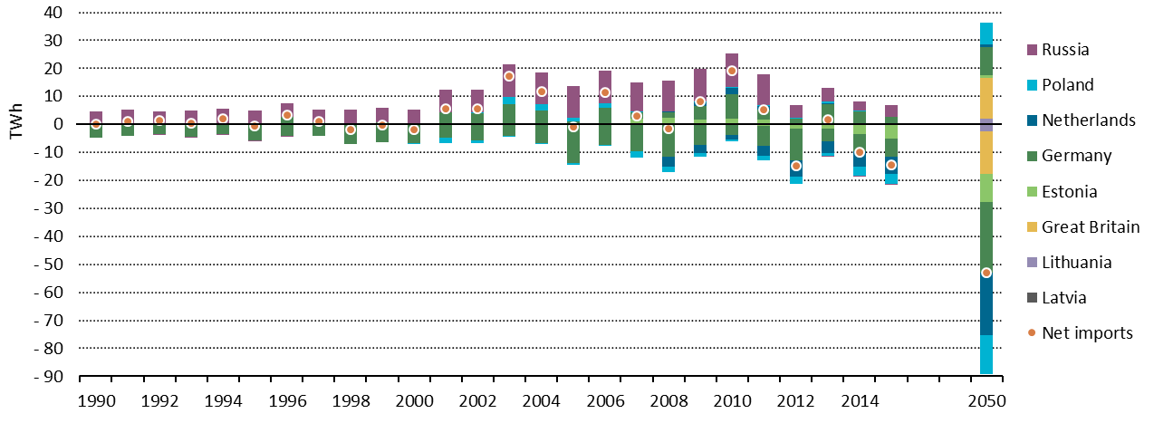

 | DATA
 |  |  |  |  |  |  |  |  |  |  |  |  |  |  |  |  |  |  |  |  |  |  |  |  |  |  |  | CNS
 |  | 1990 | 1991 | 1992 | 1993 | 1994 | 1995 | 1996 | 1997 | 1998 | 1999 | 2000 | 2001 | 2002 | 2003 | 2004 | 2005 | 2006 | 2007 | 2008 | 2009 | 2010 | 2011 | 2012 | 2013 | 2014 | 2015 | 2050
Imports | Estonia | 0 | 0 | 0 | 0 | 0 | 0 | 0 | 0 | 0 | 0 | 0 | 0 | 0 | 0 | 0 | 0 | 4 | 1921 | 2250 | 1785 | 1967 | 1650 | 373 | 459 | 33 | 28 | 730
 | Germany | 93 | 108 | 114 | 128 | 180 | 218 | 2510 | 803 | 212 | 571 | 479 | 4387 | 4007 | 7238 | 4785 | 1015 | 5846 | 2394 | 1877 | 4726 | 8688 | 3468 | 1620 | 6714 | 4543 | 2730 | 10050
 | Netherlands | 0 | 0 | 0 | 0 | 0 | 0 | 0 | 0 | 0 | 0 | 0 | 0 | 0 | 0 | 0 | 0 | 0 | 0 | 326 | 1215 | 2259 | 1489 | 90 | 240 | 99 | 11 | 1021
 | Poland | 0 | 0 | 0 | 0 | 0 | 0 | 0 | 0 | 0 | 0 | 53 | 0 | 196 | 2646 | 2377 | 1182 | 1490 | 230 | 145 | 254 | 494 | 277 | 129 | 762 | 108 | 20 | 7748
 | Russia | 4531 | 5106 | 4515 | 4765 | 5381 | 4839 | 4824 | 4450 | 5008 | 5441 | 4755 | 7891 | 8161 | 11512 | 11337 | 11528 | 11767 | 10362 | 11059 | 11931 | 11847 | 10968 | 4554 | 4851 | 3470 | 4016 | 0
 | Great Britain |  |  |  |  |  |  |  |  |  |  |  |  |  |  |  |  |  |  |  |  |  |  |  |  |  |  | 14828
 | Latvia |  |  |  |  |  |  |  |  |  |  |  |  |  |  |  |  |  |  |  |  |  |  |  |  |  |  | 61
 | Lithuania |  |  |  |  |  |  |  |  |  |  |  |  |  |  |  |  |  |  |  |  |  |  |  |  |  |  | 1817
Exports | Estonia | 0 | 0 | 0 | 0 | 0 | 0 | 0 | 0 | 0 | 0 | 0 | 0 | 0 | 0 | 0 | 0 | -7 | -21 | -10 | -87 | -246 | -484 | -1530 | -1544 | -3507 | -5007 | -10030
 | Germany | -4699 | -4051 | -3353 | -4542 | -3609 | -5660 | -4137 | -4129 | -7186 | -6417 | -6657 | -4893 | -5687 | -4265 | -6675 | -13827 | -7351 | -9659 | -11686 | -7279 | -3711 | -7255 | -11386 | -4419 | -6099 | -6698 | -25126
 | Netherlands | 0 | 0 | 0 | 0 | 0 | 0 | 0 | 0 | 0 | 0 | 0 | 0 | 0 | 0 | 0 | 0 | 0 | 0 | -3369 | -2920 | -1377 | -3492 | -5870 | -4298 | -5583 | -5980 | -22316
 | Poland | 0 | 0 | 0 | 0 | 0 | 0 | 0 | 0 | 0 | 0 | -425 | -1700 | -1125 | -11 | -213 | -817 | -263 | -2210 | -2065 | -1393 | -760 | -1513 | -2672 | -1015 | -3120 | -3526 | -13766
 | Russia | 0 | 0 | -1 | -1 | -1 | -1 | -1 | 0 | 0 | 0 | 0 | 0 | 0 | 0 | 0 | 0 | 0 | 0 | 0 | 0 | 0 | 0 | 0 | -3 | 0 | -24 | 0
 | Great Britain |  |  |  |  |  |  |  |  |  |  |  |  |  |  |  |  |  |  |  |  |  |  |  |  |  |  | -15347
 | Latvia |  |  |  |  |  |  |  |  |  |  |  |  |  |  |  |  |  |  |  |  |  |  |  |  |  |  | -119
 | Lithuania |  |  |  |  |  |  |  |  |  |  |  |  |  |  |  |  |  |  |  |  |  |  |  |  |  |  | -2419

 | Net imports | -75 | 1163 | 1275 | 350 | 1951 | -604 | 3196 | 1124 | -1966 | -405 | -1795 | 5685 | 5552 | 17120 | 11611 | -919 | 11486 | 3017 | -1473 | 8232 | 19161 | 5108 | -14692 | 1747 | -10058 | -14431 | -52868

