SE
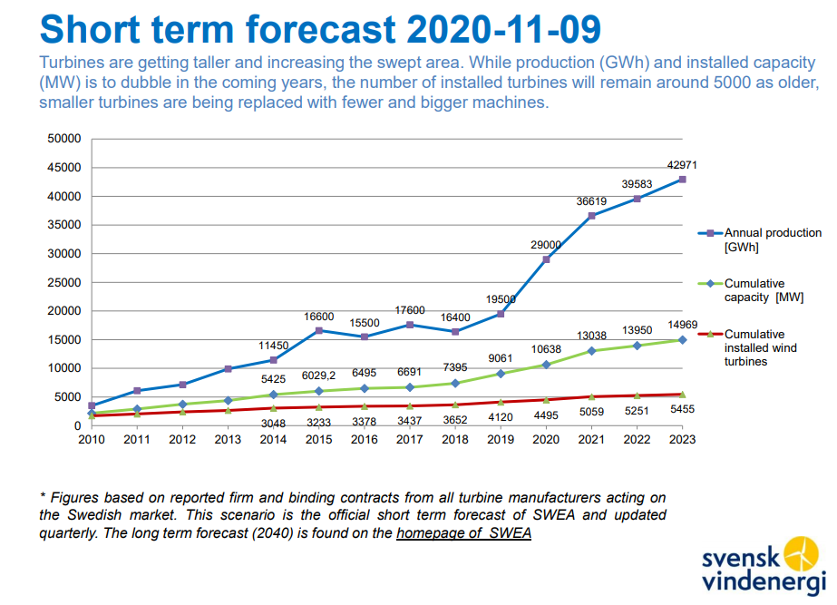
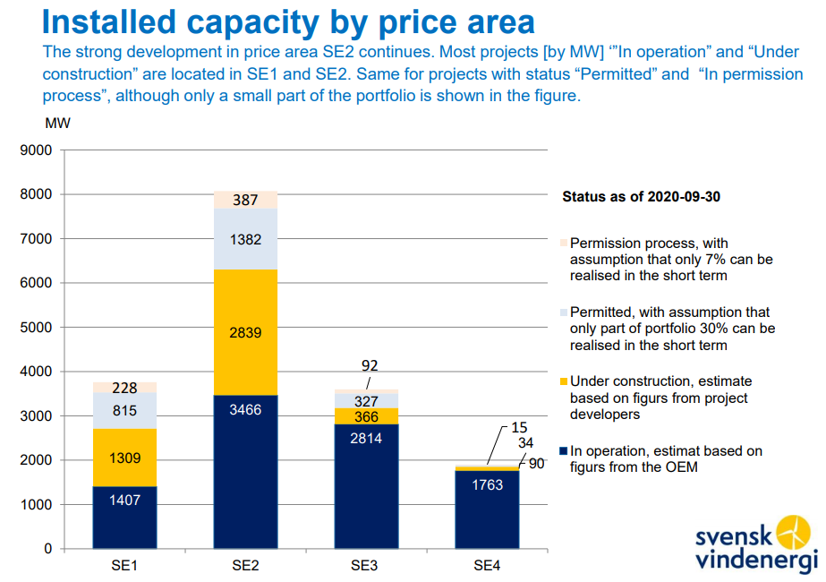
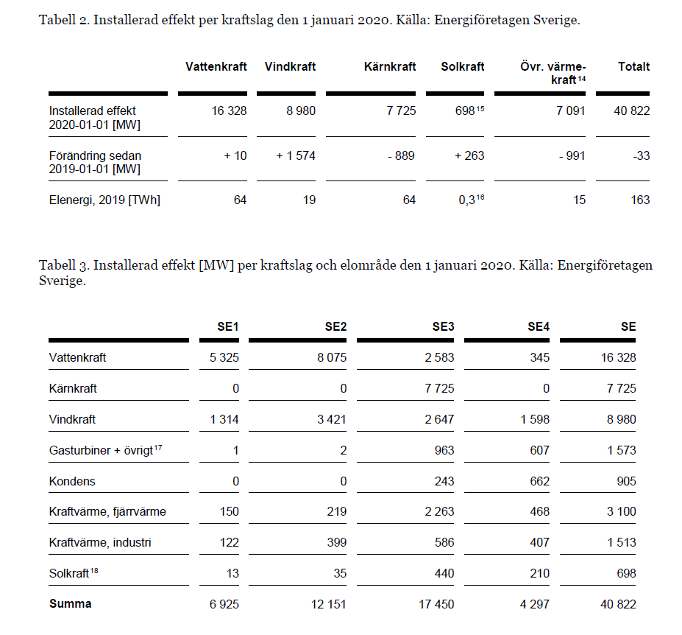
 |  |  | All projects under construction assumed online by 2021 |  |  |  | All projects in pipeline - assume to be established by 2025
 |  | 2020 | 2021 | 2022 | 2023 | 2024 | 2025
 | SE1 | 1,407 | 2,700 | 2,975 | 3,250 | 3,525 | 3,800
 | SE2 | 3,466 | 6,200 | 6,650 | 7,100 | 7,550 | 8,000
 | SE3 | 2,814 | 3,100 | 3,225 | 3,350 | 3,475 | 3,600
 | SE4 | 1,763 | 1,850 | 1,863 | 1,875 | 1,888 | 1,900
 | Total | 9,450 | 13,850 | 14,713 | 15,575 | 16,438 | 17,300

Projection (probably end of year figures) |  | 10,638 | 13,038 | 13950 | 14969
 |  |  |  |  | 2.871

 | https://svenskvindenergi.org/wp-content/uploads/2020/11/Q3-2020-Statistics-and-forecast-Svensk-Vindenergi-2020-11-09-SLUTLIG-2-1.pdf

