ELC_TRADE
Trans - Insert
 | ~TFM_INS
 | TimeSlice | LimType | Attribute | Year | Attrib_Cond | Val_Cond | DKE | DKW | Pset_Set | Pset_PN | Pset_PD | Pset_CI | Pset_CO | Cset_Set | Cset_CN | Cset_CD
 |  |  | EFF | 2010 |  |  | 0.98 | 0.98 |  | TB_ELCC_DKE_DKW_01
 |  | FX | CAP_BND | 2010 |  |  | 600 | 600 |  | TB_ELCC_DKE_DKW_01
 |  | FX | CAP_BND | 2020 |  |  | 600 | 600 |  | TB_ELCC_DKE_DKW_01
 |  | UP | CAP_BND | 2030 |  |  | 1200 | 1200 |  | TB_ELCC_DKE_DKW_01
 |  | UP | CAP_BND | 0 |  |  | 5 | 5 |  | TB_ELCC_DKE_DKW_01
 |  |  | AFA |  |  |  | 0.92 | 0.92 |  | TB_ELCC_DKE_DKW_01
 |  |  | CAP2ACT |  |  |  | 0.031536 | 0.031536 |  | TB_ELCC_DKE_DKW_01
 |  |  | LIFE |  |  |  | 50 | 50 |  | TB_ELCC_DKE_DKW_01
 |  |  | INVCOST |  |  |  | 0.26 | 0.26 |  | TB_ELCC_DKE_DKW_01

Rafs 19 Sept 2019
The CAP_BND for 2030 is taken from NETP 2016 pp. 166 (see next sheet).
I included also a value for 2020 to freeze the investments before.

Data New Transmission
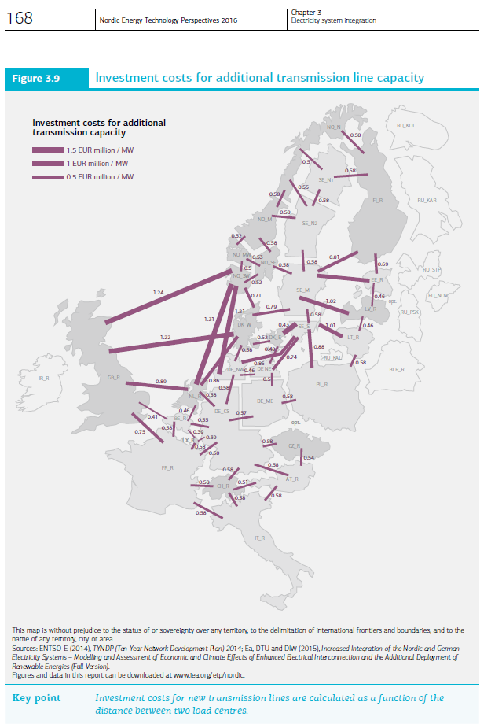
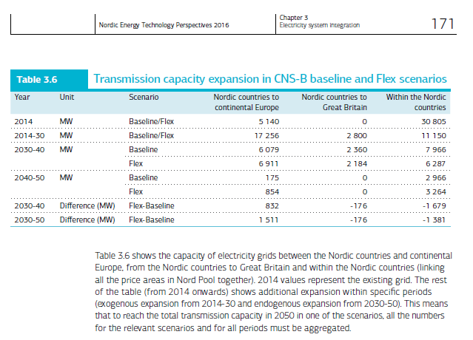
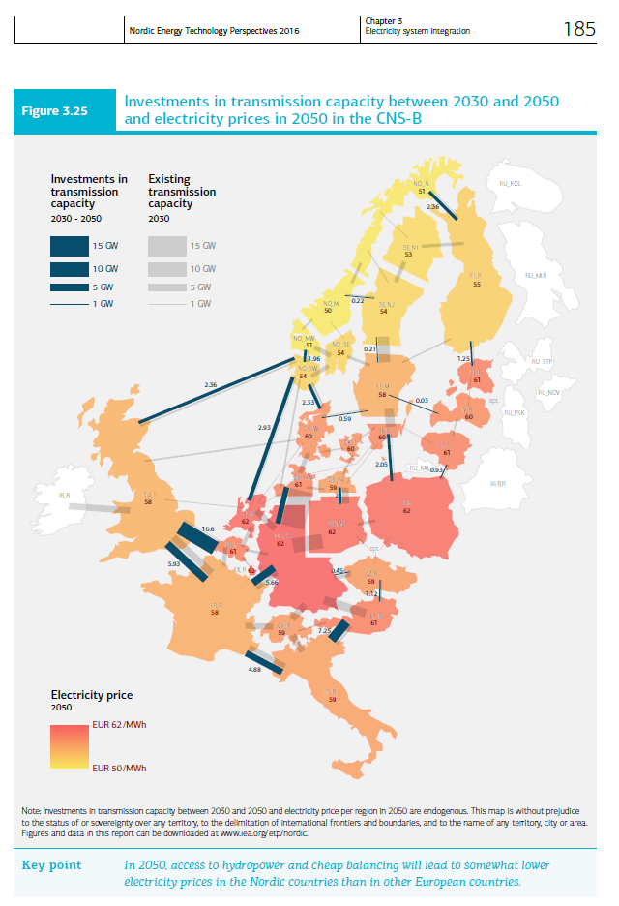
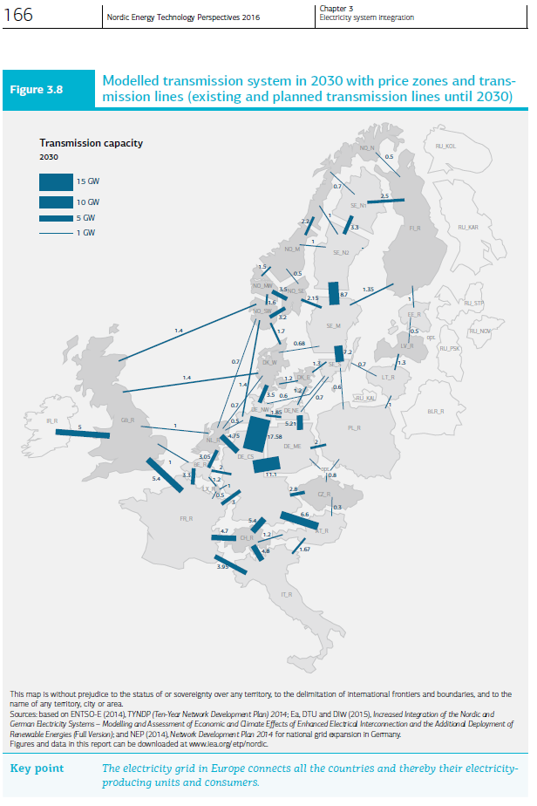
From NETP 2016 Ch. 3 pp. 166
 |  |  |  | In 2030 | 2030-2050
 |  |  | Existing | Capacity |  | Invest | Invest
 |  |  | MW | MW | additional MW | Meuros 2014/MW | MDKK 2014/MW
 | From | To
 | DKW | DKE | 600 | 1200 | 0 | 0.52

 |  | Cost allocation
 |  | DKW | DKE
 |  | Meuros 2014/MW
 |  | 0.26 | 0.26

RAFS Sept 2019
The first picture here on the left include existing and planned capacities in 2030. While the other include the expansion of the interconnectors from 2030 until 2050.
I allocated the INVCOST equally to both regions

Data Existing Transmission
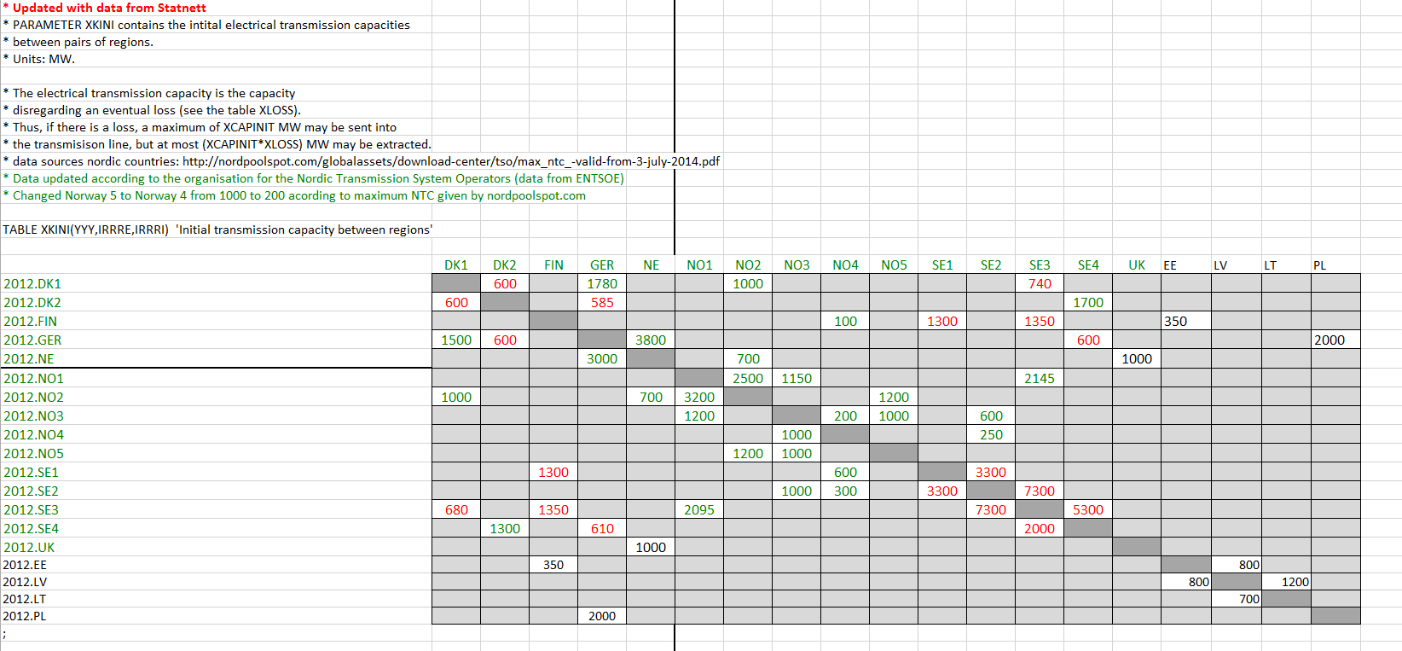
Picture from: TIMES-NO documentaiton (Pernille) pp. 4. the picture is probably referring to the situation in 2012. | Picture from: "Nordic Market report 2013" by NordReg, pp. 20. It is placed in the folder called "My Data"
 |  | Existing Lines
 |  | Agora Study - "Increased Integration of the Nordic and German Electricity Systems" pp. 154

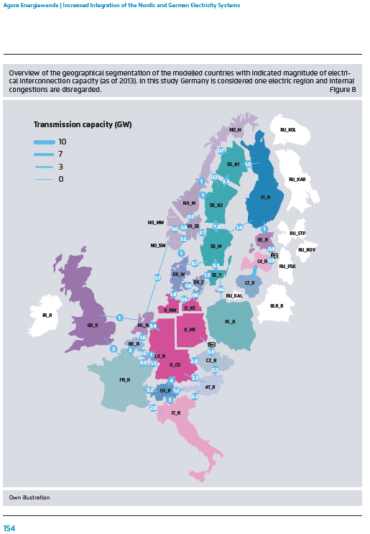

Picture Extracted from the "Data" excel workbook which embodied the Flex4RES database for their base year (2012). The picture is contained in the sheet called "35".

