Trade_Cap
Source: | 2010 | Sheet "Data Existing Transmission" (Balmorel data Flex4RES+ Nordic Market report 2013 )
 | 2030 | Sheet "NETP2050" (scenario 01_grid_invest_13)
 | 2050 | Sheet "NETP2050" (scenario 01_grid_invest_13)

~TFM_INS
LimType | Attribute | Year | DKE | DKW | SE1 | SE2 | SE3 | SE4 | NO1 | NO2 | Pset_PN | NETP areas
FX | CAP_BND | 2010 | 1700 |  |  |  |  | 1300 |  |  | TB_ELCC_DKE_SE4_01 | DK_E-SE_S
UP | CAP_BND | 2030 | 1700 |  |  |  |  | 1300 |  |  | TB_ELCC_DKE_SE4_01 | DK_E-SE_S
UP | CAP_BND | 2050 | 1700 |  |  |  |  | 1300 |  |  | TB_ELCC_DKE_SE4_01 | DK_E-SE_S
RAFS Sept 2019:
The data here below were obtained from Flex4RES Balmorel model.
However, I decided to exclude such projections because wrongly defined in the model. Instead, I am using the projections from NETP 2016 as upper bounds for expansions.
INVCOST are assumed based on the NETP 2016 results
EFF is assumed as average across the countries
UP | CAP_BND | 0 | 5 |  |  |  |  | 5 |  |  | TB_ELCC_DKE_SE4_01 | DK_E-SE_S
FX | CAP_BND | 2010 |  | 1000 |  |  |  |  | 1000 |  | TB_ELCC_DKW_NO1_01 | DK_W-NO_SW
UP | CAP_BND | 2030 |  | 1700 |  |  |  |  | 1700 |  | TB_ELCC_DKW_NO1_01 | DK_W-NO_SW
UP | CAP_BND | 2050 |  | 4027 |  |  |  |  | 4027 |  | TB_ELCC_DKW_NO1_01 | DK_W-NO_SW
UP | CAP_BND | 0 |  | 5 |  |  |  |  | 5 |  | TB_ELCC_DKW_NO1_01 | DK_W-NO_SW
FX | CAP_BND | 2010 |  | 740 |  |  | 680 |  |  |  | TB_ELCC_DKW_SE3_01 | DK_W-SE_M
UP | CAP_BND | 2030 |  | 740 |  |  | 680 |  |  |  | TB_ELCC_DKW_SE3_01 | DK_W-SE_M
UP | CAP_BND | 2050 |  | 1326 |  |  | 1266 |  |  |  | TB_ELCC_DKW_SE3_01 | DK_W-SE_M
UP | CAP_BND | 0 |  | 5 |  |  | 5 |  |  |  | TB_ELCC_DKW_SE3_01 | DK_W-SE_M
FX | CAP_BND | 2010 |  |  |  |  | 2095 |  | 2145 |  | TB_ELCC_NO1_SE3_01 | NO_SE-SE-M
UP | CAP_BND | 2030 |  |  |  |  | 2095 |  | 2145 |  | TB_ELCC_NO1_SE3_01 | NO_SE-SE-M
UP | CAP_BND | 2050 |  |  |  |  | 2095 |  | 2145 |  | TB_ELCC_NO1_SE3_01 | NO_SE-SE-M
UP | CAP_BND | 0 |  |  |  |  | 5 |  | 5 |  | TB_ELCC_NO1_SE3_01 | NO_SE-SE-M
FX | CAP_BND | 2010 |  |  | 600 |  |  |  |  | 700 | TB_ELCC_NO2_SE1_01 | NO_N-SE_N1
UP | CAP_BND | 2030 |  |  | 600 |  |  |  |  | 700 | TB_ELCC_NO2_SE1_01 | NO_N-SE_N1
UP | CAP_BND | 2050 |  |  | 600 |  |  |  |  | 700 | TB_ELCC_NO2_SE1_01 | NO_N-SE_N1
UP | CAP_BND | 0 |  |  | 5 |  |  |  |  | 5 | TB_ELCC_NO2_SE1_01 | NO_N-SE_N1
FX | CAP_BND | 2010 |  |  |  | 1300 |  |  |  | 850 | TB_ELCC_NO2_SE2_01 | NO_N-SE_N2, NO_M-SE_N2
UP | CAP_BND | 2030 |  |  |  | 2050 |  |  |  | 1600 | TB_ELCC_NO2_SE2_01 | NO_N-SE_N2, NO_M-SE_N2
UP | CAP_BND | 2050 |  |  |  | 2273 |  |  |  | 1823 | TB_ELCC_NO2_SE2_01 | NO_N-SE_N2, NO_M-SE_N2
UP | CAP_BND | 0 |  |  |  | 5 |  |  |  | 5 | TB_ELCC_NO2_SE2_01 | NO_N-SE_N2, NO_M-SE_N2
 | AFA |  | 1 |  |  |  |  | 1 |  |  | TB_ELCC_DKE_SE4_01
 | AFA |  |  | 1 |  |  |  |  | 1 |  | TB_ELCC_DKW_NO1_01
 | AFA |  |  | 1 |  |  | 1 |  |  |  | TB_ELCC_DKW_SE3_01
 | AFA |  |  |  |  |  | 1 |  | 1 |  | TB_ELCC_NO1_SE3_01 |  | Data from Flex4RES Balmorel model - previously defined in "Scen__MERGED_ELC_PriceTrade_Balmorel"
 | AFA |  |  |  | 1 |  |  |  |  | 1 | TB_ELCC_NO2_SE1_01 |  | Attribute | Year | DKE | DKW | NO1 | NO2 | SE2 | SE3 | SE4
 | AFA |  |  |  |  | 1 |  |  |  | 1 | TB_ELCC_NO2_SE2_01 |  | CAP_BND | 2020 | 3841 |  |  |  |  |  |  | TB_ELCC_DKE_SE4_01
 | CAP2ACT |  | 0.031536 |  |  |  |  | 0.031536 |  |  | TB_ELCC_DKE_SE4_01 |  | CAP_BND | 2020 |  |  |  |  |  |  | 4241 | TB_ELCC_DKE_SE4_01
 | CAP2ACT |  |  | 0.031536 |  |  |  |  | 0.031536 |  | TB_ELCC_DKW_NO1_01 |  | CAP_BND | 2020 |  | 1700 |  |  |  |  |  | TB_ELCC_DKW_NO1_01
 | CAP2ACT |  |  | 0.031536 |  |  | 0.031536 |  |  |  | TB_ELCC_DKW_SE3_01 |  | CAP_BND | 2020 |  |  | 1700 |  |  |  |  | TB_ELCC_DKW_NO1_01
 | CAP2ACT |  |  |  |  |  | 0.031536 |  | 0.031536 |  | TB_ELCC_NO1_SE3_01 |  | CAP_BND | 2020 |  |  | 1136 |  |  |  |  | TB_ELCC_NO1_NO2_01
 | CAP2ACT |  |  |  | 0.031536 |  |  |  |  | 0.031536 | TB_ELCC_NO2_SE1_01 |  | CAP_BND | 2020 |  |  |  | 1436 |  |  |  | TB_ELCC_NO1_NO2_01
 | CAP2ACT |  |  |  |  | 0.031536 |  |  |  | 0.031536 | TB_ELCC_NO2_SE2_01 |  | CAP_BND | 2020 |  |  | 3295 |  |  |  |  | TB_ELCC_NO1_SE3_01
 | LIFE |  | 50 |  |  |  |  | 50 |  |  | TB_ELCC_DKE_SE4_01 |  | CAP_BND | 2020 |  |  |  |  |  | 3345 |  | TB_ELCC_NO1_SE3_01
 | LIFE |  |  | 50 |  |  |  |  | 50 |  | TB_ELCC_DKW_NO1_01 |  | CAP_BND | 2020 |  |  |  | 1300 |  |  |  | TB_ELCC_NO2_SE2_01
 | LIFE |  |  | 50 |  |  | 50 |  |  |  | TB_ELCC_DKW_SE3_01 |  | CAP_BND | 2020 |  |  |  |  | 850 |  |  | TB_ELCC_NO2_SE2_01
 | LIFE |  |  |  |  |  | 50 |  | 50 |  | TB_ELCC_NO1_SE3_01 |  | CAP_BND | 2020 |  |  |  |  | 7300 |  |  | TB_ELCC_SE2_SE3_01
 | LIFE |  |  |  | 50 |  |  |  |  | 50 | TB_ELCC_NO2_SE1_01 |  | CAP_BND | 2020 |  |  |  |  |  | 6500 |  | TB_ELCC_SE3_SE4_01
 | LIFE |  |  |  |  | 50 |  |  |  | 50 | TB_ELCC_NO2_SE2_01 |  | CAP_BND | 2020 |  |  |  |  |  |  | 3200 | TB_ELCC_SE3_SE4_01
 | INVCOST |  | 0.275 |  |  |  |  | 0.275 |  |  | TB_ELCC_DKE_SE4_01 |  | CAP_BND | 2020 |  | 680 |  |  |  |  |  | TB_ELCC_DKW_SE3_01
 | INVCOST |  |  | 0.275 |  |  |  |  | 0.275 |  | TB_ELCC_DKW_NO1_01
 | INVCOST |  |  | 0.275 |  |  | 0.275 |  |  |  | TB_ELCC_DKW_SE3_01
 | INVCOST |  |  |  |  |  | 0.275 |  | 0.275 |  | TB_ELCC_NO1_SE3_01
 | INVCOST |  |  |  | 0.275 |  |  |  |  | 0.275 | TB_ELCC_NO2_SE1_01
 | INVCOST |  |  |  |  | 0.275 |  |  |  | 0.275 | TB_ELCC_NO2_SE2_01
 | EFF |  | 0.98 |  |  |  |  | 0.98 |  |  | TB_ELCC_DKE_SE4_01
 | EFF |  |  | 0.98 |  |  |  |  | 0.98 |  | TB_ELCC_DKW_NO1_01
 | EFF |  |  | 0.98 |  |  | 0.98 |  |  |  | TB_ELCC_DKW_SE3_01
 | EFF |  |  |  |  |  | 0.98 |  | 0.98 |  | TB_ELCC_NO1_SE3_01
 | EFF |  |  |  | 0.98 |  |  |  |  | 0.98 | TB_ELCC_NO2_SE1_01
 | EFF |  |  |  |  | 0.98 |  |  |  | 0.98 | TB_ELCC_NO2_SE2_01

Data New Transmission
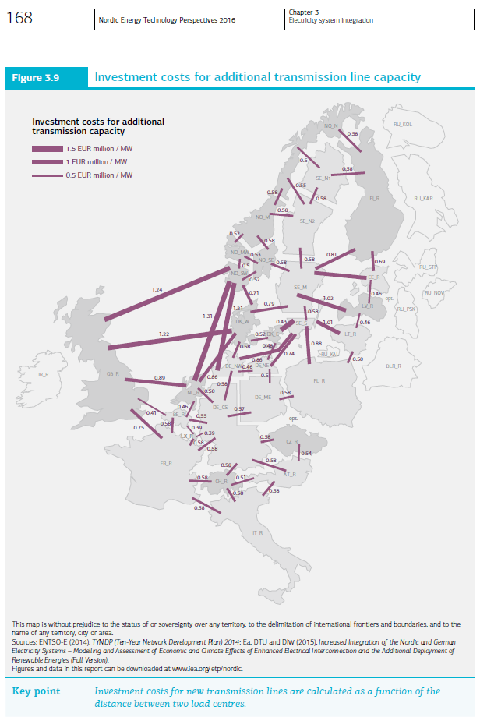
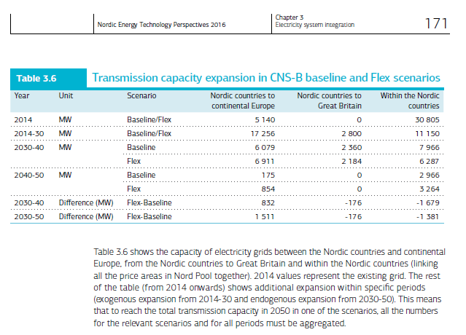
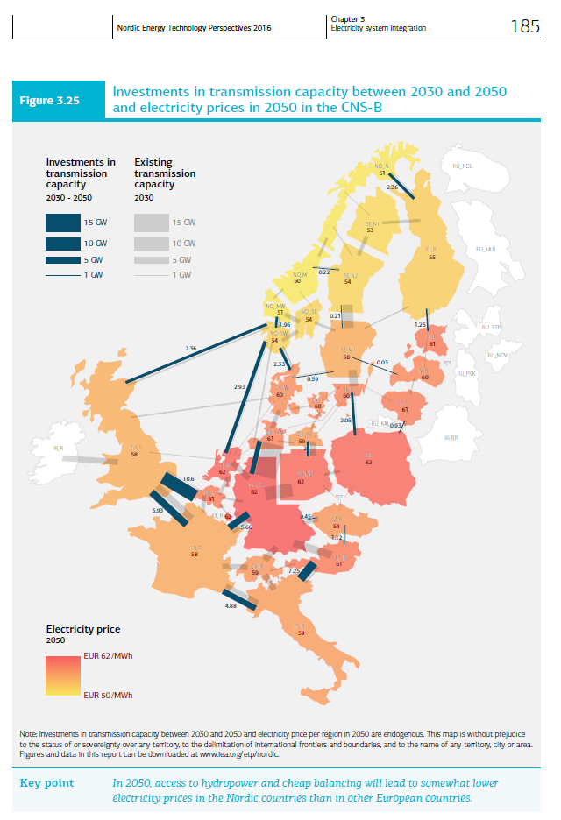
From NETP 2016 Ch. 3 pp. 166
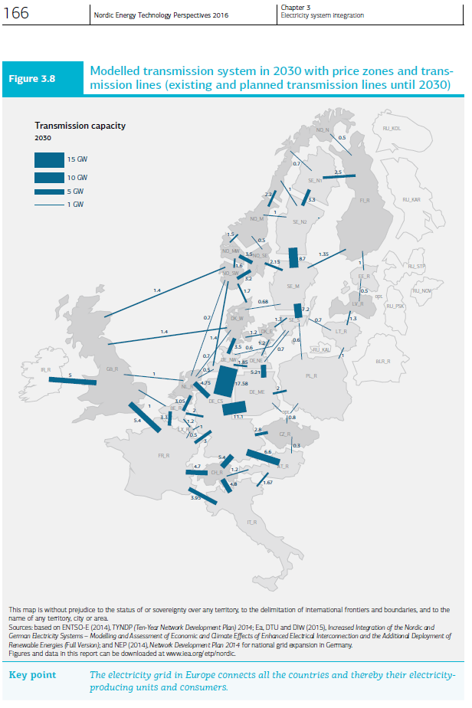
 |  |  | Invest
 |  |  | Meuros 2014/MW

 | Average across the Nordics |  | 0.55
 | Allocation to single region of the pair |  | 0.275

RAFS Spring 2016: Update 12th of April 2017
The first picture here on the left include existing and planned capacities in 2030. While the other include the expansion of the interconnectors from 2030 until 2050.
I allocated the INVCOST equally between the regions composing the pair

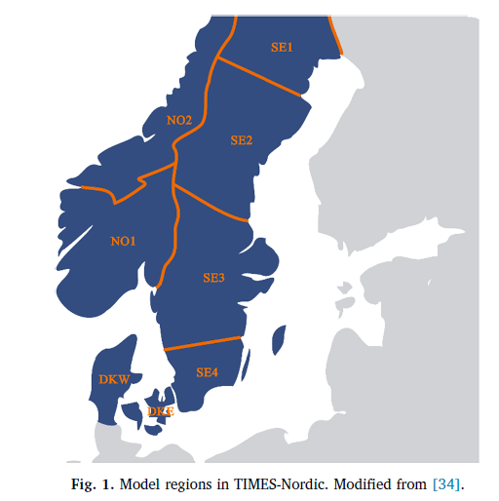

 | NETP 2016 data, extracted from the figures on the right |  |  |  |  |  | 2030 | 2030-2050
 | Norway |  | 2030 | 2030-2050 | Sweden |  | MW | additional MW
 |  |  | MW | additional MW | SE1 | FI | 2500 | 0
 | NO1 | UK | 1400 | 2360 | SE1 | NO2 | 700 | 0
 | NO1 | DE | 1400 | 0 | SE1 | SE2 | 3300 | 0
 | NO1 | DKW | 1700 | 2330 | SE2 | SE1 | 3300 | 0
 | NO1 | SE3 | 2150 | 0 | SE2 | NO2 | 2000 | 220
 | NO1 | NO2 | 2000 | 0 | SE2 | SE3 | 8700 | 210
 | NO1 | NL | 700 | 2930 | SE3 | SE2 | 8700 | 210
 | NO2 | NO1 | 2000 | 0 | SE3 | NO1 | 2150 | 0
 | NO2 | SE2 | 2000 | 220 | SE3 | SE4 | 7200 | 0
 | NO2 | SE1 | 700 | 0 | SE3 | LV | 0 | 30
 | NO2 | FI | 500 | 2360 | SE3 | DKW | 680 | 590
 | Denmark |  |  |  | SE3 | FI | 1350 | 0
 | DKW | NO1 | 1700 | 2330 | SE4 | SE3 | 7200 | 0
 | DKW | UK | 1400 | 0 | SE4 | DKE | 1300 | 0
 | DKW | DE | 3500 | 0 | SE4 | DE | 1300 | 0
 | DKW | DKE | 1200 | 0 | SE4 | PL | 600 | 2050
 | DKW | SE3 | 680 | 590 | SE4 | LT | 700 | 0
 | DKW | NL | 700 | 0
 | DKE | DKW | 1200 | 0
 | DKE | DE | 1200 | 0
 | DKE | SE4 | 1300 | 0

Data Existing Transmission
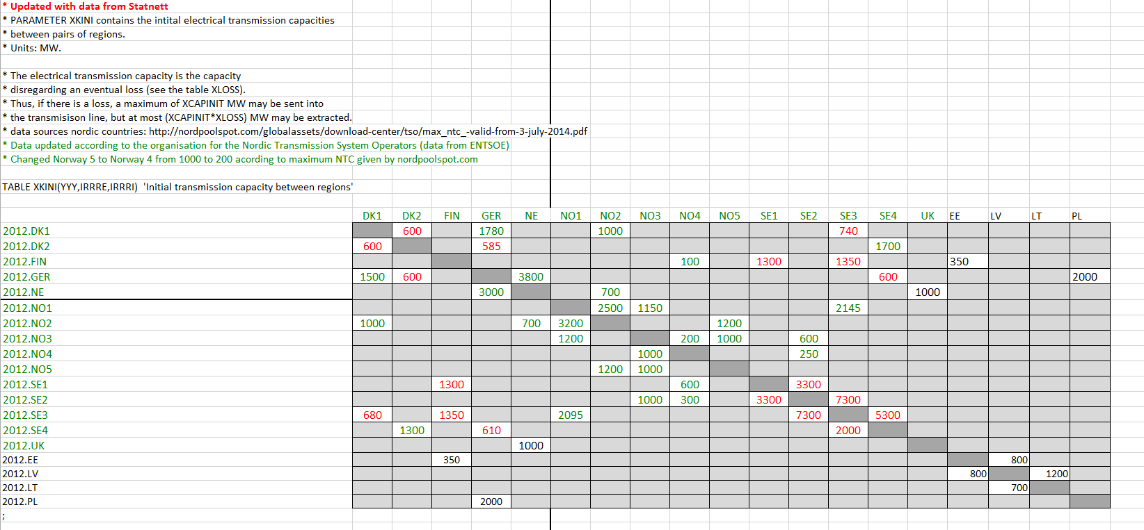
RAFS 12th April 2017:
Considering the two pictures on the left taken from TIMES-NO documentation (Pernille) and the NordReg report, it seams that the existing power lines between NOR1 and NOR2 are roughlybetween 500 and 700 MW. I said roughly because the values are estimated looking at the pictures and there is no more information about those numbers in the documentations. Moreover, the year the pictures are referring to is not totally clear, I assume they refer to 2012.
Moreover, also the Agora project (picture on the right) presents similar values for the year 2013.
Looking at the Flex4RES database (picture below) the transmission capacity assumed between NO3 and NO5 is 1000 MW and the one assumed between NO3 and NO1 is 1150 or 1200 depending by the direction. These data refer to 2012. These numbers seem a bit overestimated compared to the other three sources mentioned above this is also underline by the fact that in the NETP 2016 the overall capacity in 2030 between the same regions is roughly 2000 MW and no further expanion is included in the following years.
In light of this, I assumed 500 MW of interconnectors in the base year (source: Agora Study - "Increased Integration of the Nordic and German Electricity Systems" pp. 154) and then I implement the expansion predicted by the NETP 2016 report (pp. 166) as fixed value in 2030. So basically I used the CAP_BND parameter with the interpolation rule number 5: interpolation and forward extrapolation, so basically the model will increase the capacity linearly over the year from 2010 to 2030, starting with 500 Mw up to 2000 MW. After 2030 there is no plan in expanding this link, as it can be noted in the sheet "Data New Transmission" so then the model just extrapolated the last value until the end of the time horizon.
Picture from: TIMES-NO documentaiton (Pernille) pp. 4. the picture is probably referring to the situation in 2012. | Picture from: "Nordic Market report 2013" by NordReg, pp. 20. It is placed in the folder called "My Data"
 |  |  |  |  |  |  | Existing Lines
 |  |  |  |  |  |  | Agora Study - "Increased Integration of the Nordic and German Electricity Systems" pp. 154

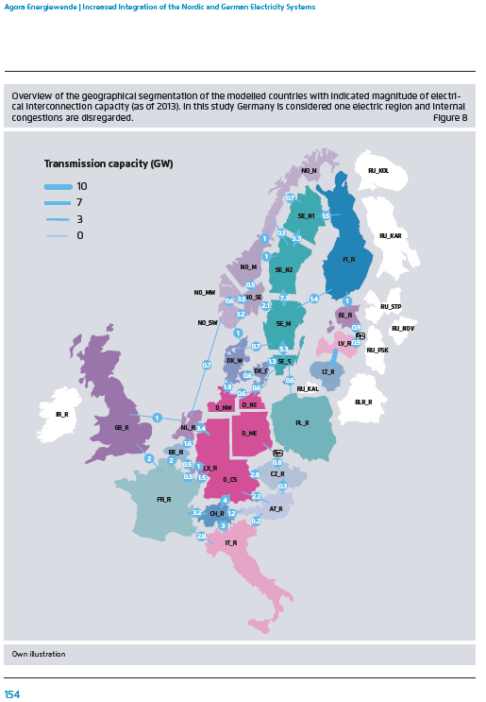

 |  | NO1: | South | NO1, NO2 and NO5
 |  | NO2: | North | NO3 and NO4

 |  | Flex4RES Database 2012
 |  |  | NO3 | NO5 | NO1
 |  | NO3 |  | 1000 | 1200 | 2200
 |  | NO5 | 1000
 |  | NO1 | 1150
 |  |  | 2150
Picture Extracted from the "Data" excel workbook which embodied the Flex4RES database for their base year (2012). The picture is contained in the sheet called "35".

