BI
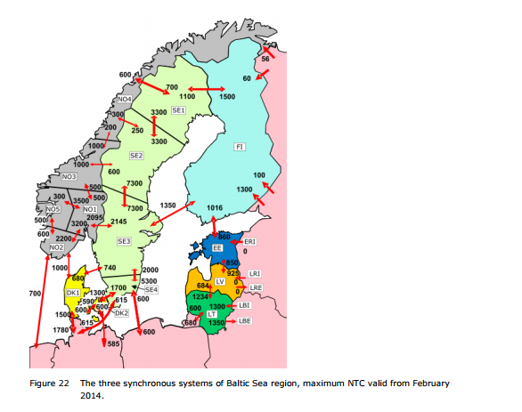
~TradeLinks
ELCC | DKE | DKW | NO1 | NO2 | SE1 | SE2 | SE3 | SE4
DKE |  | 1 |  |  |  |  |  | 1
DKW | 1 |  | 1 |  |  |  | 1
NO1 |  |  |  | 1 |  |  | 1
NO2 |  |  | 1 |  | 1 | 1
SE1 |  |  |  | 1 |  | 1
SE2 |  |  |  | 1 | 1 |  | 1
SE3 |  | 1 | 1 |  |  | 1 |  | 1
SE4 | 1 |  |  |  |  |  | 1

In black in country trade

In Red across country trade

NGA | DKE | DKW | NO1 | NO2 | SE1 | SE2 | SE3 | SE4 | FIN | FIM
DKE |  | 1 | 1 | 1 | 1 | 1 | 1 | 1 | 1 | 1
DKW | 1 |  | 1 | 1 | 1 | 1 | 1 | 1 | 1 | 1
NO1 | 1 | 1 |  | 1 | 1 | 1 | 1 | 1 | 1 | 1
NO2 | 1 | 1 | 1 |  | 1 | 1 | 1 | 1 | 1 | 1
SE1 | 1 | 1 | 1 | 1 |  | 1 | 1 | 1 | 1 | 1
SE2 | 1 | 1 | 1 | 1 | 1 |  | 1 | 1 | 1 | 1
SE3 | 1 | 1 | 1 | 1 | 1 | 1 |  | 1 | 1 | 1
SE4 | 1 | 1 | 1 | 1 | 1 | 1 | 1 |  | 1 | 1
FIN | 1 | 1 | 1 | 1 | 1 | 1 | 1 | 1 |  | 1
FIM | 1 | 1 | 1 | 1 | 1 | 1 | 1 | 1 | 1

