RES_Fuel
 |  |  | ~FI_T
TechName | *TechDesc | Comm-IN | Comm-OUT | EFF | LIFE
*Unit |  | PJ | PJ | PJ/PJ
*Fuel Tech
FT-RESELCA | Fuel Technology for Appliances Electricity RES | ELCC | RESELCA | 1 | 50

FT processes are converting "general" commodities (such as NGA, DSL WPE,etc.) to residential comodities with efficiency of 1 (converting commodities in column D into commodities in column E). The only purpose of these processes is to be able to track the use of commodities in a specific sector (in this case residential sector).
LIFE specifies the lifetime of new capacity.

Demands
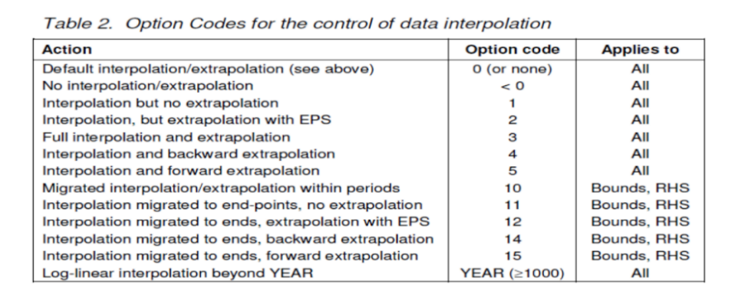
 | ~FI_T
CommName | Region | DEMAND | DEMAND~2011 | DEMAND~2012 | DEMAND~2013 | DEMAND~2014 | DEMAND~2015 | DEMAND~2020 | DEMAND~2025 | DEMAND~2030 | DEMAND~2035 | DEMAND~2040 | DEMAND~2045 | DEMAND~2050 | DEMAND~0
*Unit |  | PJ | PJ | PJ | PJ | PJ | PJ | PJ | PJ | PJ | PJ | PJ | PJ | PJ | Interpolation rule
DELC | ISL | 3.34 | 3.09 | 3.07 | 3.01 | 3.03 | 2.96 | 2.98 | 2.96 | 2.95 | 2.91 | 2.86 | 2.79 | 2.73 | 5

 |  |  |  |  |  |  |  | same development as NO2
 |  |  |  |  |  |  |  | 10 | 10 | 10 | 10 | 10 | 10 | 9
 |  |  |  |  |  |  |  | 1 | 0.99536673545 | 0.99005935469 | 0.97911535329 | 0.96130398717 | 0.93803869385 | 0.91672338126

