Cars
 |  |  |  |  | ~FI_T |  |  |  |  |  |  |  |  |  |  |  |  |  |  |  |  |  |  |  |  |  |  | Share (cars per fuel type) |  | Summary input table from VT_DK_TRA
Region | TechName | *TechDesc | Comm-IN | Comm-OUT | CURR | CAPUNIT | ACTFLO~DEMO~2010 | CEFF-O~2010 | AFA~2010 | Share-O~UP~2010 | Share-O~UP~0 | STOCK~2010 | STOCK~2012 | STOCK~2015 | STOCK~2020 | STOCK~2025 | STOCK~2030 | STOCK~2035 | STOCK~2040 | STOCK~2045 | STOCK~2050 | VAROM |  | Calculated demadn | Car demand |  |  | Diesel | 0.35 |  |  | 2010 | 2012 | From Islandic transport autohory
*Unit |  |  | Input | Output |  |  | Occupancy (ppv) | Mvehicle*km/PJ | Max km/year | Minimum share | Interpolation rule | Kvehicle | Kvehicle | Kvehicle | Kvehicle | Kvehicle | Kvehicle | Kvehicle | Kvehicle | Kvehicle | Kvehicle | Mkr/(kvehicle*km) |  |  |  | TPCAX |  | Gasoline | 0.66 | Energy efficiency for trips under 5 km (million vehicle km per PJ) |  |  |  | Stock | Stock adjusted | Vkm per year
ISL | TPCADSBL1E | Transport Passengers Cars - Diesel Engine - Blending 1 - Average size - Existing | TRADSBL1 | TPCAX | MKr12 | 0.001 | 1.55 | 220.66 | 16357.283 | 0.06 | 5 | 71.8683 | 89.974 | 95.902 | 68.235 | 40.542 | 18.235 | 5.494 | 0.962 | 0.083 | 0.003 | 0.00035 |  | 114.58253704 |  | TPCAS |  |  |  | DK-East | Petrol | 231.99 | 244.54 | 254016 | 205338 | 3358.7716428 | Cars
 |  |  |  | TPCAS | MKr12 |  |  | 279.26 |  | 0.30 | 5 |  |  |  |  |  |  |  |  |  |  |  |  | 549.79376164 |  | TPCAM | Passenger transport - cars (demand) |  |  |  | Diesel | 220.66 | 229.67 | 28491 | 28491 | 384.29318095 | Vans
 |  |  |  | TPCAM | MKr12 |  |  | 361.74 |  | 0.22 | 5 |  |  |  |  |  |  |  |  |  |  |  |  | 397.09695258 |  | TPCAL | Mpkm |  |  |  | LPG | 231.99 | 244.54 | 12817 | 12817 | 246.3822051 | Trucks
 |  |  |  | TPCAL | MKr12 |  |  | 442.60 |  | 0.42 | 5 |  |  |  |  |  |  |  |  |  |  |  |  | 760.66043758 |  |  | 2010 | 2015 | 2016 |  | NG | 231.99 | 244.54 | 1888 | 1888 |  | Bus & coach
ISL | TPCAGSBL1E | Transport Passengers Cars - Otto Engine - Blending 1 - Average size - Existing | TRAGSBL1 | TPCAX | MKr12 | 0.001 | 1.55 | 232.00 | 16357.283 | 0.06 | 5 | 135.52308 | 130.04 | 123.016 | 87.526 | 52.005 | 23.391 | 7.047 | 1.233 | 0.107 | 0.004 | 0.00035 |  | 216.06992699 |  |  | 4958 | 5578 | 6468 |  | Electricity | 1431.74 | 1431.74 | 9651 | 9651 |  | Motorcycles
 |  |  |  | TPCAS | MKr12 |  |  | 293.61 |  | 0.30 | 5 |  |  |  |  |  |  |  |  |  |  |  |  | 1036.7539505 |  |  |  |  |  | DK-West | Petrol | 231.99 | 244.54
 |  |  |  | TPCAM | MKr12 |  |  | 380.32 |  | 0.22 | 5 |  |  |  |  |  |  |  |  |  |  |  |  | 748.81139629 |  |  |  |  |  |  | Diesel | 220.66 | 229.67
 |  |  |  | TPCAL | MKr12 |  |  | 465.34 |  | 0.42 | 5 |  |  |  |  |  |  |  |  |  |  |  |  | 1434.3882537 |  |  |  |  |  |  | LPG | 231.99 | 244.54
ISL | TPCAELCX1E | Transport Passengers Cars - Electric - Blending 1 - Average size - Existing | TRAELCEVC | TPCAX | MKr12 | 0.001 | 1.55 | 1431.74 | 16357.283 | 0.06 | 5 | 0.05 | 0.216 | 0.961 | 6.271 | 4.3113125 | 2.351625 | 0.3919375 | 0 | 0 | 0 | 0.00035 |  |  |  |  |  |  |  |  | NG | 231.99 | 244.54
 |  |  |  | TPCAS | MKr12 |  |  | 1431.74 |  | 0.30 | 5 |  |  |  |  |  |  |  |  |  |  |  |  |  |  |  |  |  |  |  | Electricity | 1431.74 | 1431.74
 |  |  |  | TPCAM | MKr12 |  |  | 1431.74 |  | 0.22 | 5 |  |  |  |  |  |  |  |  |  |  |  |  |  |  |  |  |  |  | Energy efficiency for trips under 25 km (million vehicle km per PJ)
 |  |  |  | TPCAL | MKr12 |  |  | 1431.74 |  | 0.42 | 5 |  |  |  |  |  |  |  |  |  |  |  |  |  |  |  |  |  |  | DK-East | Petrol | 293.61 | 309.49
 |  |  |  |  |  |  |  |  |  |  |  |  |  |  |  |  |  |  |  |  |  |  |  |  |  |  |  |  |  |  | Diesel | 279.26 | 290.66
 |  |  |  |  |  |  |  |  |  |  |  |  |  |  |  |  |  |  |  |  |  |  |  |  |  |  |  |  |  |  | LPG | 293.61 | 309.49
 |  |  |  |  |  |  |  |  |  |  |  |  |  |  |  |  |  |  |  |  |  |  |  |  |  |  |  |  |  |  | NG | 293.61 | 309.49
 |  |  |  |  |  |  |  |  |  |  |  |  |  |  |  |  |  |  |  |  |  |  |  |  |  |  |  |  |  |  | Electricity | 1431.74 | 1431.74
 |  |  |  |  |  |  |  |  |  |  |  |  |  |  |  |  |  |  |  |  |  |  |  |  |  |  |  |  |  | DK-West | Petrol | 293.61 | 309.49
 |  |  |  |  |  |  |  |  |  |  |  |  |  |  |  |  |  |  |  |  |  |  |  |  |  |  |  |  |  |  | Diesel | 279.26 | 290.66
 |  |  |  |  |  |  |  |  |  |  |  |  |  |  |  |  |  |  |  |  |  |  |  |  |  |  |  |  |  |  | LPG | 293.61 | 309.49
 |  |  |  |  |  |  |  |  |  |  |  |  |  |  |  |  |  |  |  |  |  |  |  |  |  |  |  |  |  |  | NG | 293.61 | 309.49
 |  |  |  |  |  |  |  |  |  |  |  |  |  |  |  |  |  |  |  |  |  |  |  |  |  |  |  |  |  |  | Electricity | 1431.74 | 1431.74
 |  |  |  |  |  |  |  |  |  |  |  |  |  |  |  |  |  |  |  |  |  |  |  |  |  |  |  |  |  | Energy efficiency for trips 25-50 km (million vehicle km per PJ)
 |  |  |  |  |  |  |  |  |  |  |  |  |  |  |  |  |  |  |  |  |  |  |  |  |  |  |  |  |  | DK-East | Petrol | 380.32 | 400.89
 |  |  |  |  |  |  |  |  |  |  |  |  |  |  |  |  |  |  |  |  |  |  |  |  |  |  |  |  |  |  | Diesel | 361.74 | 376.50
 |  |  |  |  |  |  |  |  |  |  |  |  |  |  |  |  |  |  |  |  |  |  |  |  |  |  |  |  |  |  | LPG | 380.32 | 400.89
 |  |  |  |  |  |  |  |  |  |  |  |  |  |  |  |  |  |  |  |  |  |  |  |  |  |  |  |  |  |  | NG | 380.32 | 400.89
Burcu Unluturk 2020-12-01
Gasoline cars - travel distance assumed to be driven medium distance (25-50 km)
Diesel cars medium to long ditance (25-50 km, >50 km)
Assumption is based on Data sheet, Table 1 form Icelandic Transportation Authority
If use the assumption for the share of cars per fuel type from Data sheet, Table 1, Diesel (70%), Gasoline(30%). This is what is used in tables
CEFF is taken from VT_DK_TRA summary input for cars table
 |  |  |  |  |  |  |  |  |  |  |  |  |  |  |  |  |  |  |  |  |  |  |  |  |  |  |  |  |  |  | Electricity | 1431.74 | 1431.74
Region | TechName | *TechDesc | Comm-IN | Comm-OUT | CURR | CAPUNIT | ACTFLO~DEMO~2010 | CEFF-O~2010 | CEFF-O~2012 | AFA~2010 | Share-O~UP~2010 | Share-O~UP~0 | STOCK~2010 | STOCK~2012 | STOCK~2015 | STOCK~2020 | STOCK~2025 | STOCK~2030 | STOCK~2035 | STOCK~2040 | STOCK~2045 | STOCK~2050 | VAROM |  |  |  |  |  |  | DK-West | Petrol | 380.32 | 400.89
*Unit |  |  | Input | Output |  |  | Occupancy (ppv) | Mvehicle*km/PJ | Mvehicle*km/PJ | Max km/year | Minimum share | Interpolation rule | kvehicles | kvehicles | kvehicles | kvehicles | kvehicles | kvehicles | kvehicles | kvehicles | kvehicles | kvehicles | Mkr/(kvehicle*km) |  |  |  |  |  |  |  | Diesel | 361.74 | 376.50
DKE | TPCADSBL1E | Transport Passengers Cars - Diesel Engine - Blending 1 - Average size - Existing | TRADSBL1 | TPCAX | MKr12 | 0.001 | 1.55 | 221 | 230 | 21065 | 0.06 | 5 | 199.941 | 250.312 | 266.803 | 189.832 | 112.791 | 50.732 | 15.284 | 2.675 | 0.232 | 0.008 | 0.00035 |  |  |  |  |  |  |  | LPG | 380.32 | 400.89
DKE |  |  |  | TPCAS | MKr12 |  |  | 279 | 291 |  | 0.30 | 5 |  |  |  |  |  |  |  |  |  |  |  |  |  |  |  |  |  |  | NG | 380.32 | 400.89
DKE |  |  |  | TPCAM | MKr12 |  |  | 362 | 377 |  | 0.22 | 5 |  |  |  |  |  |  |  |  |  |  |  |  |  |  |  |  |  |  | Electricity | 1431.74 | 1431.74
DKE |  |  |  | TPCAL | MKr12 |  |  | 443 | 461 |  | 0.42 | 5 |  |  |  |  |  |  |  |  |  |  |  |  |  |  |  |  |  | Energy efficiency for trips over 50 km (million vehicle km per PJ)
DKE | TPCAGSBL1E | Transport Passengers Cars - Otto Engine - Blending 1 - Average size - Existing | TRAGSBL1 | TPCAX | MKr12 | 0.001 | 1.55 | 232 | 245 | 12916 | 0.06 | 5 | 715.641 | 686.687 | 649.595 | 462.191 | 274.616 | 123.520 | 37.213 | 6.513 | 0.565 | 0.020 | 0.00035 |  |  |  |  |  |  | DK-East | Petrol | 465.34 | 490.51
DKE |  |  |  | TPCAS | MKr12 |  |  | 294 | 309 |  | 0.30 | 5 |  |  |  |  |  |  |  |  |  |  |  |  |  |  |  |  |  |  | Diesel | 442.60 | 460.66
DKE |  |  |  | TPCAM | MKr12 |  |  | 380 | 401 |  | 0.22 | 5 |  |  |  |  |  |  |  |  |  |  |  |  |  |  |  |  |  |  | LPG | 465.34 | 490.51
DKE |  |  |  | TPCAL | MKr12 |  |  | 465 | 491 |  | 0.42 | 5 |  |  |  |  |  |  |  |  |  |  |  |  |  |  |  |  |  |  | NG | 465.34 | 490.51
 |  |  |  |  |  |  |  |  |  |  |  |  |  |  |  |  |  |  |  |  |  |  |  |  |  |  |  |  |  |  | Electricity | 1431.74 | 1431.74
 |  |  |  |  |  |  |  |  |  |  |  |  |  |  |  |  |  |  |  |  |  |  |  |  |  |  |  |  |  | DK-West | Petrol | 465.34 | 490.51
 |  |  |  |  |  |  |  |  |  |  |  |  |  |  |  |  |  |  |  |  |  |  |  |  |  |  |  |  |  |  | Diesel | 442.60 | 460.66
 |  |  |  |  |  |  |  |  |  |  |  |  |  |  |  |  |  |  |  |  |  |  |  |  |  |  |  |  |  |  | LPG | 465.34 | 490.51
 |  |  |  |  |  |  |  |  |  |  |  |  |  |  |  |  |  |  |  |  |  |  |  |  |  |  |  |  |  |  | NG | 465.34 | 490.51
 |  |  |  |  |  |  |  |  |  |  |  |  |  |  |  |  |  |  |  |  |  |  |  |  |  |  |  |  |  |  | Electricity | 1431.74 | 1431.74

Bus
 |  |  |  |  |  |  |  |  |  |  |  |  |  |  | 0.98 | Relaxation factor

 |  |  |  |  | ~FI_T |  |  |  |  |  |  |  |  |  |  |  | 2010 | 2015
Region | TechName | *TechDesc | Comm-IN | Comm-OUT | CURR | STOCK~2010 | ACTFLO~DEMO | Share-O~UP~2010 | Share-O~UP~0 | CEFF-O | AFA | CAPUNIT | LIFE | VAROM |  | Calculated demand (Mpkm) | Demand | Demand | Annex 7: Fuel consumption factors in 2010
*Unit |  |  |  |  |  | kvehicles | Occupancy (persons per vehicle) | Minimum share | Share interpolation rule | Mvehicle*km/PJ | Max km per year |  | Year | Mkr/(kvehicle*km) |  |  | Mpkm | Mpkm |  |  | Urban | Rural | Highway
ISL | TPBUDSBL1E | Transport Passengers Public Buses - Diesel Engine - Blending 1 - Existing | TRADSBL1 | TPBUX | MKr12 | 0.944 | 11.47 | 0.19 | 5 | 81.4 | 29451.3 | 0.001 | 8 | 0.0018 | 60.64828 | 319 | 638 | 718 | Buses (MJ/km) |  | 12.292 | 9.723 | 8.673
 |  |  |  | TPBUS |  |  |  | 0.56 | 5 | 81.4 |  |  |  |  | 173.81672 |  |  |  | Buses (Mvheic*km/PJ) |  | 81.353726001 | 102.84891494 | 115.30035743
 |  |  |  | TPBUM |  |  |  | 0.16 | 5 | 102.8 |  |  |  |  | 50.0192
 |  |  |  | TPBUL |  |  |  | 0.09 | 5 | 115.3 |  |  |  |  | 28.76104
ISL | TPCODSBL1E | Transport Passengers Coaches - Diesel Engine - Blending 1 - Existing | TRADSBL1 | TPCOS | MKr12 | 0.944 | 10.16 | 0.10 | 5 | 81.4 | 33276.6 | 0.001 | 8 | 0.0018 | 32.19986 | 319
 |  |  |  | TPCOM |  |  |  | 0.10 | 5 | 102.8 |  |  |  |  | 31.88724
 |  |  |  | TPCOL |  |  |  | 0.80 | 5 | 115.3 |  |  |  |  | 248.84552

Burcu Unluturk 2020-12-04
AFA is calculated to satisfy the demand statistics

 |  |  |  |  |  |  |  |  |  |  |  |  |  |  |  |  |  |  | From Islandic transport autohory
 |  |  |  |  |  |  |  |  |  |  |  |  |  |  |  |  |  |  | Stock | Stock adjusted | Vkm per year
 |  |  |  |  |  |  |  |  |  |  |  |  |  |  |  |  |  |  | 254016 | 205338 | 3358.7716428 | Cars
 |  |  |  |  |  |  |  |  |  |  |  |  |  |  |  |  |  |  | 28491 | 28491 | 384.29318095 | Vans
 |  |  |  |  |  |  |  |  |  |  |  |  |  |  |  |  |  |  | 12817 | 12817 | 246.3822051 | Trucks
 |  |  |  |  |  |  |  |  |  |  |  |  |  |  |  |  |  |  | 1888 | 1888 |  | Bus & coach
 |  |  |  |  |  |  |  |  |  |  |  |  |  |  |  |  |  |  | 9651 | 9651 |  | Motorcycles

Copied from VT_DK_TRA to be use din cases with no data input
Region | TechName | *TechDesc | Comm-IN | Comm-OUT | CURR | STOCK | ACTFLO~DEMO | Share-O~UP~2010 | Share-O~UP~0 | CEFF-O | AFA | CAPUNIT | LIFE | VAROM |  |  | Demand | Calibration
*Unit |  |  |  |  |  | kvehicles | Occupancy (persons per vehicle) | Minimum share | Share interpolation rule | Mvehicle*km/PJ | Max km per year |  | Year | Mkr/(kvehicle*km)
DKE | TPBUDSBL1E | Transport Passengers Public Buses - Diesel Engine - Blending 1 - Existing | TRADSBL1 | TPBUX | MKr12 | 3.4422012959 | 11.473503672 | 0.19341199523 | 5 | 81.353726001 | 46175.971081 | 0.001 | 8 | 0.0018 | TPPBXS |  |  | 352.721364
DKE |  |  |  | TPBUS | MKr12 |  |  | 0.55551345644 | 5 | 81.353726001 |  |  |  |  | TPPBS |  |  | 1013.0781384
DKE |  |  |  | TPBUM | MKr12 |  |  | 0.15971593038 | 5 | 102.84891494 |  |  |  |  | TPPBM |  |  | 291.27056339
DKE |  |  |  | TPBUL | MKr12 |  |  | 0.091358617957 | 5 | 115.30035743 |  |  |  |  | TPPBL |  |  | 166.60877885
DKE | TPCODSBL1E | Transport Passengers Coaches - Diesel Engine - Blending 1 - Existing | TRADSBL1 | TPCOS | MKr12 | 5.2320861574 | 10.155032124 | 0.1028789782 | 5 | 81.353726001 | 43171.795936 | 0.001 | 8 | 0.0018 | TPPBS |  |  | 235.98421081
DKE |  |  |  | TPCOM | MKr12 |  |  | 0.10155615809 | 5 | 102.84891494 |  |  |  |  | TPPBM |  |  | 232.94992077
DKE |  |  |  | TPCOL | MKr12 |  |  | 0.79556486371 | 5 | 115.30035743 |  |  |  |  | TPPBL |  |  | 1824.8698597

Data
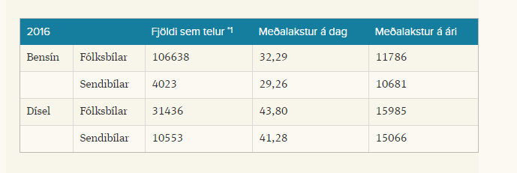

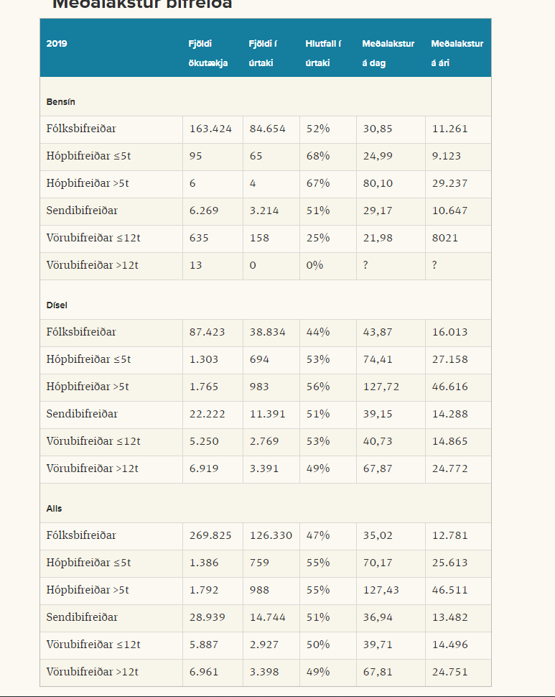
Check
The references from EVA
For demand use ITS report
Number of vehicles try the island statistics
Take the AFA from DK_TRA

https://www.samgongustofa.is/umferd/tolfraedi/onnur-tolfraedi/
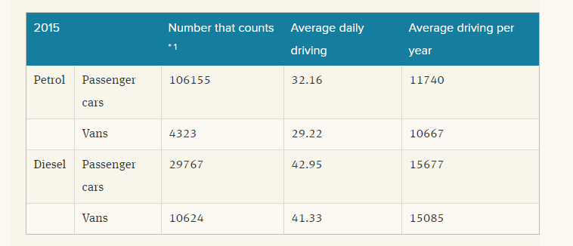
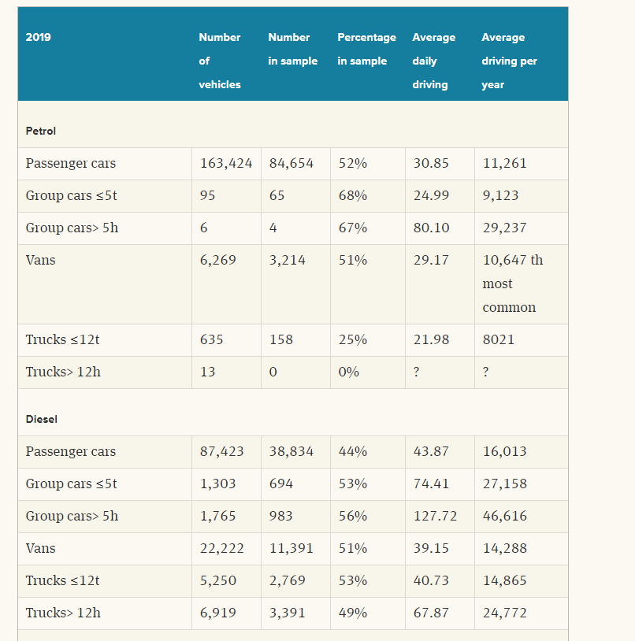
 |  |  |  |  |  |  |  |  |  |  |  |  |  |  |  |  |  |  |  |  |  |  |  |  |  | number of vehicles
 |  |  |  |  |  |  |  |  |  |  |  |  |  |  |  |  |  |  |  |  |  |  |  | 2010 | petrol | passenger cars | 106155
 |  |  |  |  |  |  |  |  |  |  |  |  |  |  |  |  |  |  |  |  |  |  |  |  |  | vans

 |  |  |  |  |  |  |  |  |  |  |  |  |  |  |  |  |  |  |  |  |  |  |  | 2015

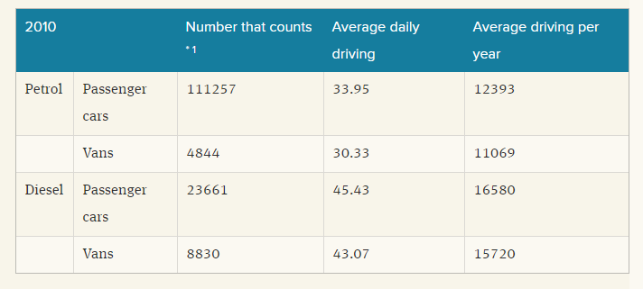

 | Table 1. Average driving of cars (Source: https://www.samgongustofa.is/umferd/tolfraedi/onnur-tolfraedi/ , Icelandic Transport Authority)
 |  |  | 2010 |  |  | 2015 |  |  | 2019
 |  |  | Number of vehicles | Average daily driving | Average driving per year | Number of vehicles | Average daily driving | Average driving per year | Number of vehicles | Average daily driving | Average driving per year |  | MVkm in 2010 |  | From Islandic transport autohory |  |  |  |  |  | Share of vehicles per fuel
 |  |  | k | km /day | km /year | k | km /day | km /year | k | km /day | km /year |  |  |  | Stock | Stock adjusted | Vkm per year
 | Petrol | Car | 163424 | 30.85 | 11260.25 | 106.155 | 32.16 | 11740 | 163.424 | 30.85 | 11261 |  | 1840.195096 |  | 254016 | 205338 | 3358.7716428 | Cars |  | 205338 |  | 0.65148875609
 |  | Group car <5t | 95 | 24.99 | 9121.35 |  |  |  | 0.095 | 24.99 | 9123 |  | 0.86652825 |  | 28491 | 28491 | 384.29318095 | Vans
 |  | Group car >5t | 6 | 80.1 | 29236.5 |  |  |  | 0.006 | 80.1 | 29237 |  | 0.175419 |  | 12817 | 12817 | 246.3822051 | Trucks
 |  | Van | 6269 | 29.17 | 10647.05 | 4.323 | 29.22 | 10667 | 6.269 | 29.17 | 10647 |  | 66.74635645 |  | 1888 | 1888 |  | Bus & coach
 |  | Truck | 648 | 21.98 | 8022.7 |  |  |  | 0.648 | 21.98 | 8021 |  | 5.1987096 |  | 9651 | 9651 |  | Motorcycles
 | Diesel | Car | 87423 | 43.87 | 16012.55 | 29.767 | 42.95 | 15677 | 87.423 | 43.87 | 16013 |  | 1399.8651586 |  |  |  |  |  |  |  |  | 0.34851124391
 |  | Group car <5t | 1303 | 74.41 | 27159.65 |  |  |  | 1.303 | 74.41 | 27158 |  | 35.38902395
 |  | Group car >5t | 1765 | 127.72 | 46617.8 |  |  |  | 1.765 | 127.72 | 46616 |  | 82.280417
 |  | Van | 22222 | 39.15 | 14289.75 | 10.624 | 41.33 | 15085 | 22.222 | 39.15 | 14288 |  | 317.5468245
 |  | Truck | 12169 | 54.3 | 19819.5 |  |  |  | 12.169 | 54.3 | 19818.5 |  | 241.1834955
 | Other fuels | Car |  | 67.87 |  |  |  |  | 18.978

https://pxweb.nordicstatistics.org/pxweb/en/Nordic%20Statistics/Nordic%20Statistics__Business__Transport/TRSP01.px/table/tableViewLayout2/?rxid=4bd7ba15-3c4a-4793-8711-6db1fc878223

 |  |  |  |  |  |  |  |  |  |  |  |  | Table 2. Number of registered vehickles (Source: https://pxweb.nordicstatistics.org/pxweb/en/Nordic%20Statistics/Nordic%20Statistics__Business__Transport/TRSP01.px/table/tableViewLayout2/?rxid=4bd7ba15-3c4a-4793-8711-6db1fc878223 , Nordic statistics)
 |  |  |  |  |  |  |  |  |  |  |  |  |  | 2010 | 2015 | 2016 | 2018 | 2019
 |  |  |  |  |  |  |  |  |  |  |  |  | Cars | 205338 | 217454 |  | 257137 | 267383
 |  |  |  |  |  |  |  |  |  |  |  |  | Coaches and busses | 1888 | 2300 |  | 3097 | 3201
 |  |  |  |  |  |  |  |  |  |  |  |  | Caravans | 15314 | 16592 |  | 17789 | 18411
 |  |  |  |  |  |  |  |  |  |  |  |  | Vans | 40599 | 41587 |  | 50175 | 53177
 |  |  |  |  |  |  |  |  |  |  |  |  | upto 4999 kg | 31654 | 32638 | 34158
 |  |  |  |  |  |  |  |  |  |  |  | Assume to be truck | 5000-9999 kg | 2105 | 2133 | 2172
 |  |  |  |  |  |  |  |  |  |  |  | Assume to be truck | 10000-… kg | 6797 | 6815 | 7106
 |  |  |  |  |  |  |  |  |  |  |  |  |  | 43 | 1 | 0
 |  |  |  |  |  |  |  |  |  |  |  | Total truck (nb) |  | 8902 | 8948 | 9278

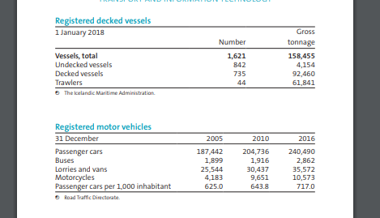
https://hagstofa.is/media/51192/iceland_in_figures_2018.pdf
 |  |  |  |  |  |  | Table 3. Iceland in figures 2018 - registered vehicle numbers (Source: https://hagstofa.is/media/51192/iceland_in_figures_2018.pdf, Iceland statistics)
 |  |  |  |  |  |  |  | 2010 | 2016
 |  |  |  |  |  |  | Passanger cars | 204736 | 240490
 |  |  |  |  |  |  | Busses | 1916 | 2862
 |  |  |  |  |  |  | Lorries and vans | 30437 | 35572
 |  |  |  |  |  |  | Motorcycles | 9651 | 10573
 |  |  |  |  |  |  | Passenger cars per 1000 habitant | 643.8 | 717
 |  |  |  |  |  |  | Ppv | 1.5532774153 | 1.3947001395

https://px.hagstofa.is/pxen/pxweb/en/Atvinnuvegir/Atvinnuvegir__sjavarutvegur__skip/SJA05001.px/table/tableViewLayout1/?rxid=aca76166-f886-42e9-bd83-8e597cf520b0
 |  |  |  |  |  |  |  |  |  |  |  |  | Table 4. Number of fishing vessels (Source: https://px.hagstofa.is/pxen/pxweb/en/Atvinnuvegir/Atvinnuvegir__sjavarutvegur__skip/SJA05001.px/?rxid=aca76166-f886-42e9-bd83-8e597cf520b0 , Iceland statistics)

 |  |  |  |  |  |  |  |  |  |  |  |  | Number of fishing vessels
 |  |  |  |  |  |  |  |  |  |  |  |  | 2010 | 2015 | 2016
 |  |  |  |  |  |  |  |  |  |  |  |  | 1625 | 1664 | 1647

https://stats.oecd.org/Index.aspx?DataSetCode=ITF_PASSENGER_TRANSPORT
E: Estimated

Buses

Table 5. Passanger trasnport (Road) (Source: https://stats.oecd.org/Index.aspx?DataSetCode=ITF_PASSENGER_TRANSPORT )
Passenger transport demand (Mpkm)
 | 2010 | 2015 | 2016 | 2018
Cars (Mpkm) | 4958 | 5578 | 6468 | 7347
Buses (Mpkm) | 638 | 718 | 833 | 946

https://www.oecd-ilibrary.org/transport/transport-demand-by-scenario-and-type_0f5a07cf-en

https://px.hagstofa.is/pxis/pxweb/is/Atvinnuvegir/Atvinnuvegir__ferdathjonusta__ferdavenjur/SAM09108.px/table/tableViewLayout1/?rxid=afd96aef-ef6f-4481-b410-70939318714a

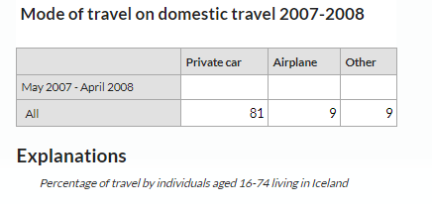

https://stats.oecd.org/Index.aspx?DataSetCode=ITF_PASSENGER_TRANSPORT#

 | Coastal shipping
 | Year | 2010 | 2016
National | Mtkm | 47 | 23
International | ktons | 60001
 |  | 20000.333333

https://ec.europa.eu/eurostat/databrowser/view/tran_hv_psmod/default/table?lang=en
Cars
 |  |  |  |  |  |  |  |  |  |  |  |  | Modal split of transport (%) Source: https://ec.europa.eu/eurostat/databrowser/view/tran_hv_psmod/default/table?lang=en
 |  |  |  |  |  |  |  |  |  |  |  |  | Year | 2010 | 2015 | 2016 | 2017
 |  |  |  |  |  |  |  |  |  |  |  |  | Passenger cars | 88.6 | 88.6 | 88.6 | 88.1
 |  |  |  |  |  |  |  |  |  |  |  |  | Busses, motor coaches, trolley busses | 11.4 | 11.4 | 11.4 | 11.9

Motor coaches , busses, trolley busses |  |  |  |  |  |  |  |  |  |  |  |  | https://px.hagstofa.is/pxen/pxweb/en/Ibuar/Ibuar__mannfjoldi__1_yfirlit__yfirlit_mannfjolda/MAN00000.px/table/tableViewLayout1/?rxid=d82ca14e-7449-4d9f-9fcf-2be3d95a436f
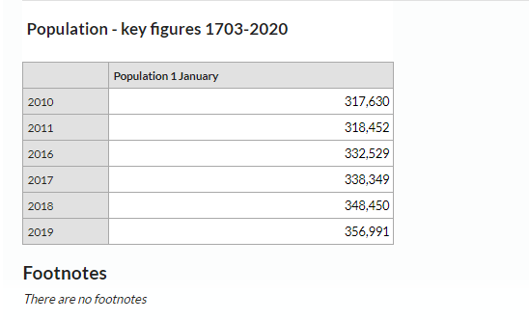

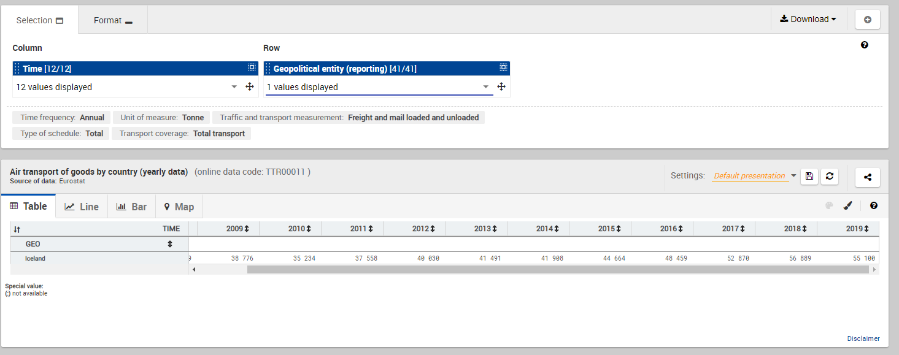
 |  |  |  |  |  |  |  |  |  |  |  |  | 1 January 2011
 |  |  |  |  |  |  |  |  |  |  |  |  | 318452

 |  |  |  |  |  |  |  |  |  |  |  |  | Air transport Source: https://ec.europa.eu/eurostat/data/database
 |  |  |  |  |  |  |  |  |  |  |  |  | Year | 2010 | 2015 | 2016
 |  |  |  |  |  |  |  |  |  |  |  |  | Tonnes of goods per year | 35234 | 44664 | 48459
 |  |  |  |  |  |  |  |  |  |  |  |  | Number of passengers per year | 2036356 | 4847288 | 6801814

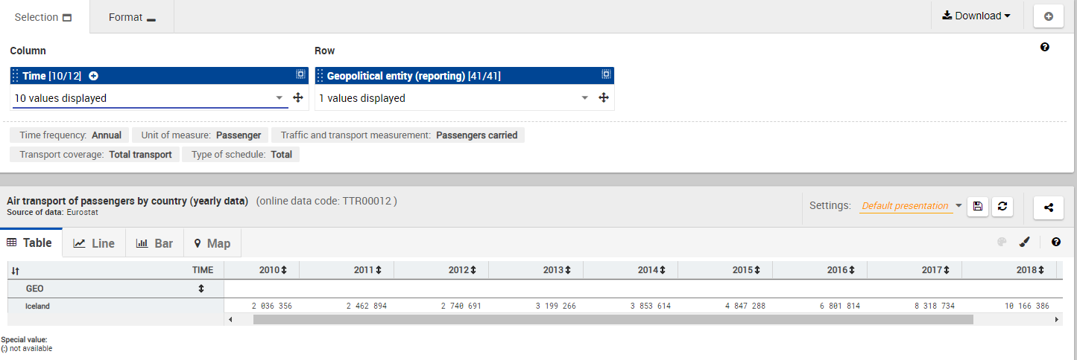

https://databank.worldbank.org/source/world-development-indicators

 |  |  |  |  |  |  |  |  |  |  |  |  | Air transport Source: https://databank.worldbank.org/source/world-development-indicators |  |  |  |  |  |  |  |  |  | Int.
 |  |  |  |  |  |  |  |  |  |  |  |  | Year | 2010 | 2011 | 2012 | 2013 | 2014 | 2015 | 2016 | 2017 | 2018 | 2010
 |  |  |  |  |  |  |  |  |  |  |  |  | Freight (Mtonkm) |  | 82.1 | 98.3 | 99.2 | 96 | 107.7 | 128 | 166.8 | 163.6 | 78
 |  |  |  |  |  |  |  |  |  |  |  |  | Nb of passenger carried |  | 2150527 | 2400160 | 2602714 | 3035882.8 | 4134980 | 5170834 | 7242611 | 7819740.6 | 1700000

 | Freight (Mtonkm)
2010
2011 | 82.1
2012 | 98.3
2013 | 99.2
2014 | 96
2015 | 107.7
2016 | 128
2017 | 166.8
2018 | 163.6
 | Nb of passenger carried
2010
2011 | 2150527
2012 | 2400160
2013 | 2602714
2014 | 3035882.8
2015 | 4134980
2016 | 5170834
2017 | 7242611
2018 | 7819740.6

Number of aircrafts

https://www.isavia.is/annualreport2018/economy/flight-statistics
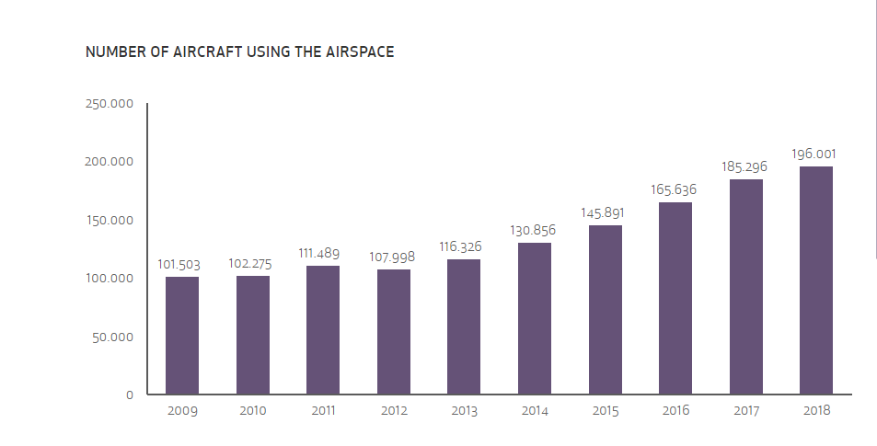

 |  |  |  |  |  |  |  | Nb of aircrafts using the airspace
 |  |  |  |  |  |  |  | 2010 | 2015 | 2016
 |  |  |  |  |  |  |  | 102275 | 145891 | 165636
https://www.isavia.is/media/1/flugtolur-2018-final-enska.pdf
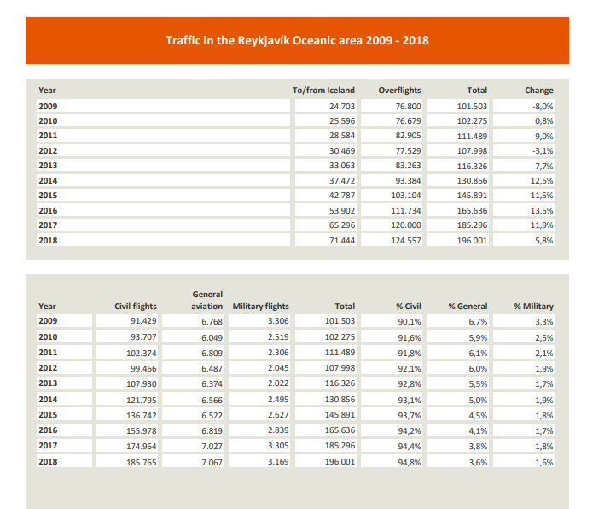

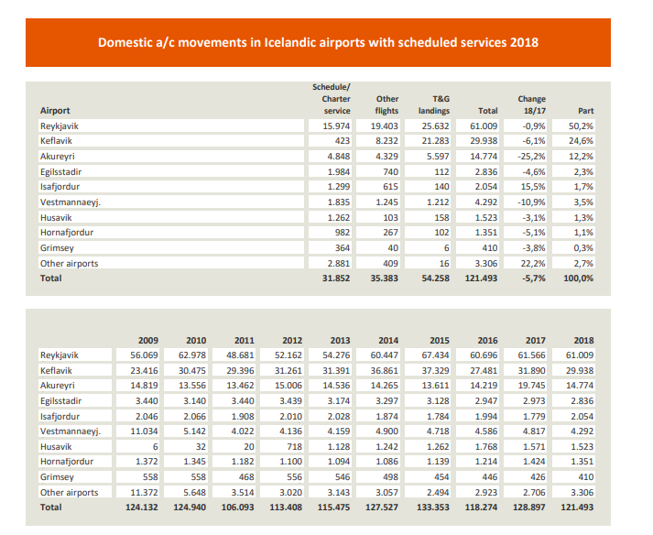

 |  |  |  |  |  |  |  |  | Number of passenger flights
 |  |  |  |  |  |  |  |  | 2010 | 2015 | 2016
 |  |  |  |  |  |  |  | Domestic | 124940 | 133353 | 128897
 |  |  |  |  |  |  |  | International | 25883 | 43089 | 54536
 |  |  |  |  |  |  |  | Total | 150823 | 176442 | 183433

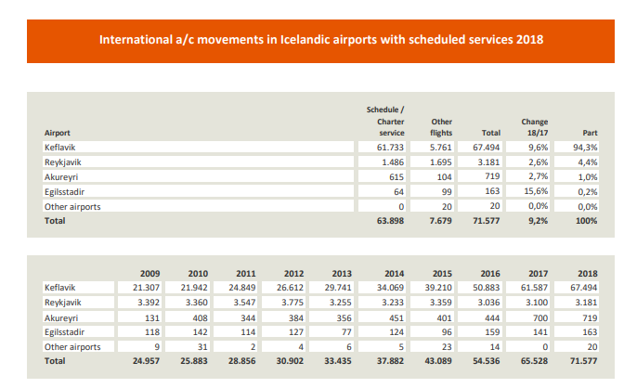

ITF Transport outlook 2019
file:///C:/Users/burcu3153/Downloads/transp_outlook-en-2019-en%20(1).pdf

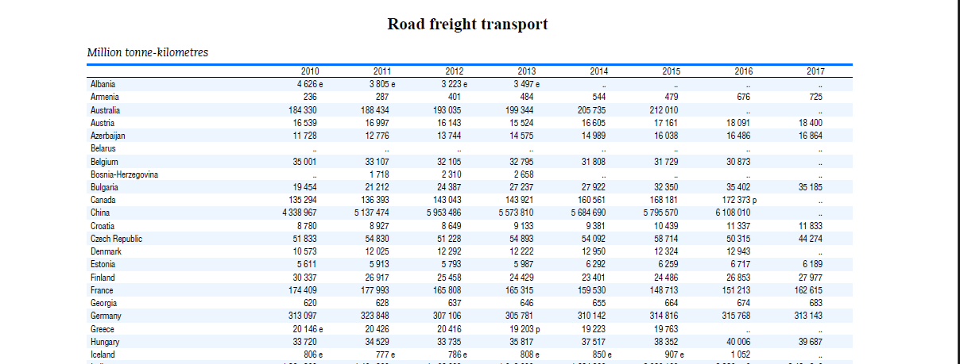

Road freight transport (Mtkm)
 | 2010 | 2015 | 2016
Iceland | 806 | 907 | 1052

 | https://straeto.is/uploads/files/854-078da4e189.pdf
 | Public busses

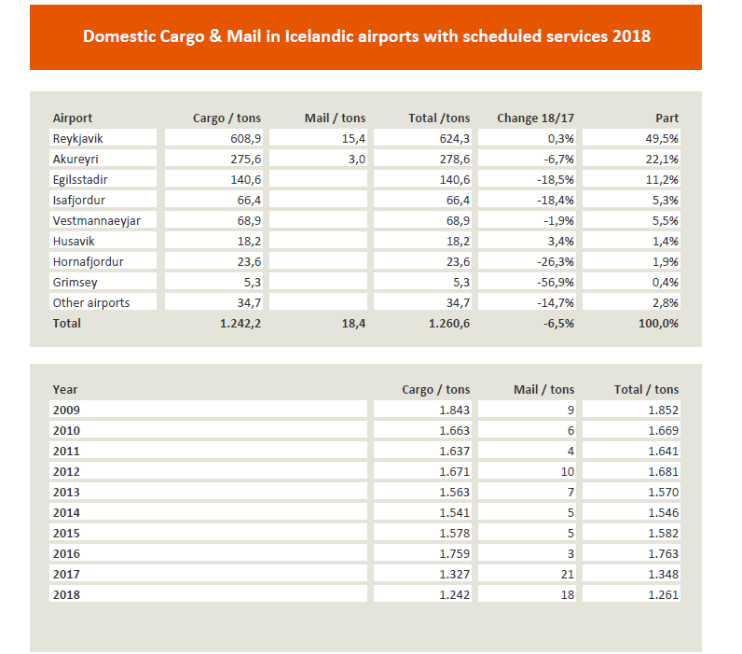

 |  |  |  |  |  |  |  |  |  | tons/year | 2010 | 2016
 |  |  |  |  |  |  |  |  |  | domestic cargo | 1669 | 1763
 |  |  |  |  |  |  |  |  |  | international cargo | 36447 | 49865

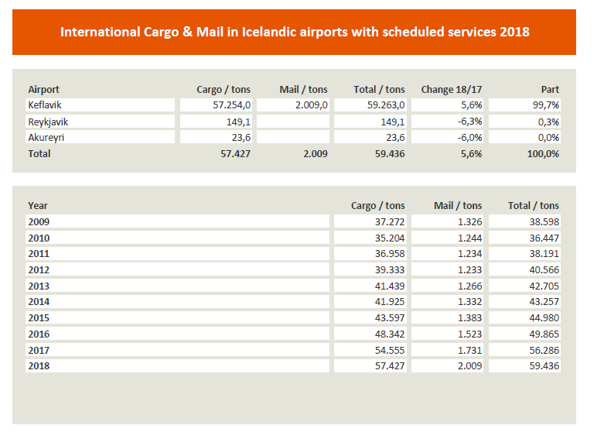
 |  |  |  |  |  |  |  |  |  | Eurostat energy balance 2010 PJ
 |  |  |  |  |  |  |  |  |  | Fuel type | Aviation gasoline | Kerosene | Gasoline | Diesel | HFO | Biogas
 |  |  |  |  |  |  |  |  |  | Domestic aviation | 0.0460548 | 0.2637684 | 0 | 0 | 0 | 0
 |  |  |  |  |  |  |  |  |  | Domestic navigation | 0 | 0 | 0 | 0.3433176 | 0.1214172 | 0
 |  |  |  |  |  |  |  |  |  | Road | 0 | 0 | 6.510474 | 4.5594252 | 0 | 0.020934

https://www.samgongustofa.is/siglingar/skrar-og-utgafa/skipaskra/
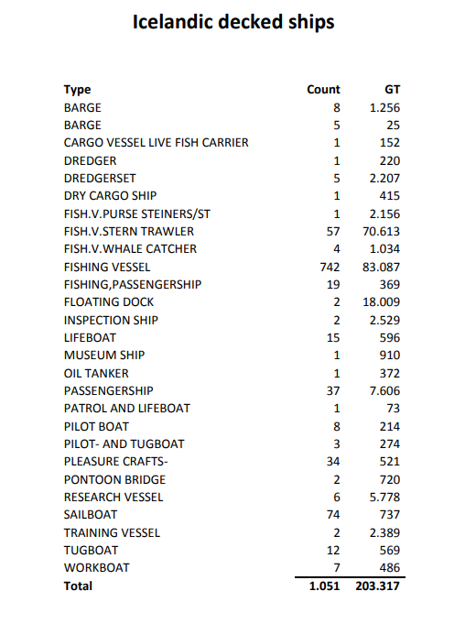

 |  |  |  |  |  |  | Decked ships 2010 (Unit) (Date 1 Jan 2011) Source: https://www.samgongustofa.is/media/siglingar/skip/Vefskipaskra-2011-lokautgafa.pdf
 |  |  |  |  |  |  | Freight - nat | 16
 |  |  |  |  |  |  | Freight - int | 3
 |  |  |  |  |  |  | Passenger | 37

 |  |  |  |  |  |  | oil tanker | 1
 |  |  |  |  |  |  | Dry cargo | 1
 |  |  |  |  |  |  | Cargo vessel live fish | 1
 |  |  |  |  |  |  | Barge | 13
 |  |  |  |  |  |  | fish | 742

 |  |  |  |  |  |  | Eurostat energy balance 2010 PJ
 |  |  |  |  |  |  | Fuel type | Gasoline | Diesel | HFO
 |  |  |  |  |  |  | International navigation | 1.289994948 | 0 | 1.131189624
 |  |  |  |  |  |  | Domestic navigation | 0 | 0.3433176 | 0.1214172 |  | 0.4647348 | 0.029045925 | PJ/national vessel

 |  |  |  |  |  |  |  |  | REF
 |  |  |  |  |  |  | Days at sea/total voyage time |  | 2 | 0.62655553477
 |  |  |  |  |  |  |  |  |  | Min | Max | Avg
 |  |  |  |  |  |  | Speed | knots | 1 | 12.3 | 26
 |  |  |  |  |  |  | Length of nautical mile | km/nm |  | 1.852
 |  |  |  |  |  |  | Max km per year | km |  | 125028.71587 | 264288.34249 | 194658.52918
 |  |  |  |  |  |  | assumed in TIMES-DK | km | 2 | 220565
 |  |  |  |  |  |  | Life Time | years | 3 | 20 | 30 | 25

 |  |  |  |  |  |  | 1. "Cargo Transport by Sea and Road — Technical and Economical Environmental Factors" by Proff. By Hans Otto Kristensen. 2006. pp. 127
 |  |  |  |  |  |  | 2. TIMES-DK. From Data from AletrnativDrivmodellen. I assumed that the value for cruis is valid for cargo ships as well
 |  |  |  |  |  |  | 3. "EU Transport GHG: Routes to 2050? (Task 9 Report IV)" pp. 6, 4 January 2010, by Alison Pridmore (AEA), David Wynn (AEA), Tom Hazeldine (AEA) and Robert Milnes (AEA).

Data_AVI
 | Aviation

 | Source: JRC EU TIMES
 |  | Demand | EFF |  |  |  |  | p/v
 | Aviation | Mtkm or Mpkm | Mtkm/PJ or Mpkm/PJ |  |  |  |  | 139
 | Freight transport | 64.1
 | Domestic + in EU | 7.6 | 297.14668801
 | Extra EU | 56.5 | 118.29610489
 | Passenger transport | 3500.1
 | Domestic | 102.1 | 346.00752391 |  | 0.73474981128 |  | Number of flights |  | Domestic movement | International
 | International - Extra-EU | 1896.6 | 778.8150987 |  |  | 2010 | 93707 |  | 31852 | 63898
 | International - Intra-EU | 1501.4 | 606.05666067
 |  | 3398.0

 | tons/year | 2010 | 2016
 | domestic cargo | 1669 | 1763
 | international cargo | 36447 | 49865

 | Eurostat energy balance 2010 PJ
 | Fuel type | Aviation gasoline | Kerosene | Gasoline | Diesel | HFO | Biogas
 | Domestic aviation | 0.0460548 | 0.2637684 | 0 | 0 | 0 | 0
 | Domestic navigation | 0 | 0 | 0 | 0.3433176 | 0.1214172 | 0
 | Road | 0 | 0 | 6.510474 | 4.5594252 | 0 | 0.020934
 | International aviation | 0 | 5.280015348 | 0 | 0 | 0 | 0
 | International navigation | 0 | 0 | 1.289994948 | 0 | 1.131189624 | 0

 | Dom avi tot | 0.3098232
 | Gasoline share | 0.14864864865
 | Kerosene share | 0.85135135135

 |  |  |  |  |  |  |  | https://ec.europa.eu/eurostat/databrowser/view/tran_hv_psmod/default/table?lang=en
 | Air transport Source: https://ec.europa.eu/eurostat/data/database
 | Year | 2010 | 2015 | 2016
 | Tonnes of goods per year | 35234 | 44664 | 48459
 | Number of passengers per year | 2036356 | 4847288 | 6801814
 |  |  |  |  |  | 1 January 2011
 |  |  |  |  |  | 318452

 | Number of passenger Source: https://www.isavia.is/fyrirtaekid/um-isavia/utgefid-efni/flugtolur/farthegafjoldi-a-keflavikurflugvelli/eldri-farthegatolur
 | Departures | Arrivals | Connection (Touch&Go) *counted twice | Total
2011 | 864570 | 864378 | 745858 | 2474806
2010 | 741223 | 743047 | 580918 | 2065188

Number of flights | 102275
 | 20.192500611

 | https://databank.worldbank.org/source/world-development-indicators

 |  |  |  |  |  |  |  |  |  |  | Air transport Source: https://databank.worldbank.org/source/world-development-indicators |  |  |  |  |  |  |  |  |  | Int.
 |  |  |  |  |  |  |  |  |  |  | Year | 2010 | 2011 | 2012 | 2013 | 2014 | 2015 | 2016 | 2017 | 2018 | 2010
 |  |  |  |  |  |  |  |  |  |  | Freight (Mtonkm) |  | 82.1 | 98.3 | 99.2 | 96 | 107.7 | 128 | 166.8 | 163.6 | 78
 |  |  |  |  |  |  |  |  |  |  | Nb of passenger carried |  | 2150527 | 2400160 | 2602714 | 3035882.8 | 4134980 | 5170834 | 7242611 | 7819740.6 | 1700000

 | Freight (Mtonkm)
2010
2011 | 82.1
2012 | 98.3
2013 | 99.2
2014 | 96
2015 | 107.7
2016 | 128
2017 | 166.8
2018 | 163.6
 | Nb of passenger carried
2010
2011 | 2150527
2012 | 2400160
2013 | 2602714
2014 | 3035882.8
2015 | 4134980
2016 | 5170834
2017 | 7242611
2018 | 7819740.6

 |  |  |  |  |  |  |  | https://www.isavia.is/annualreport2018/economy/flight-statistics

 | Nb of aircrafts using the airspace Source: https://www.isavia.is/annualreport2018/economy/flight-statistics
 | 2010 | 2015 | 2016
 | 102275 | 145891 | 165636

 |  |  |  |  |  |  |  | https://www.isavia.is/media/1/flugtolur-2018-final-enska.pdf

 | All international?
 | Traffic in Reykjavik Oceanic area Source: https://www.isavia.is/media/1/flugtolur-2018-final-enska.pdf
 | to/from iceland | T&G | Total
2010 | 25596 | 76679 | 102275

 | Aircraft movements (Passenger only?)
 |  | 2010 | 2015 | 2016
 | Domestic | 124940 | 133353 | 118274
 | International | 25883 | 43089 | 54536
 | Total | 150823 | 176442 | 172810

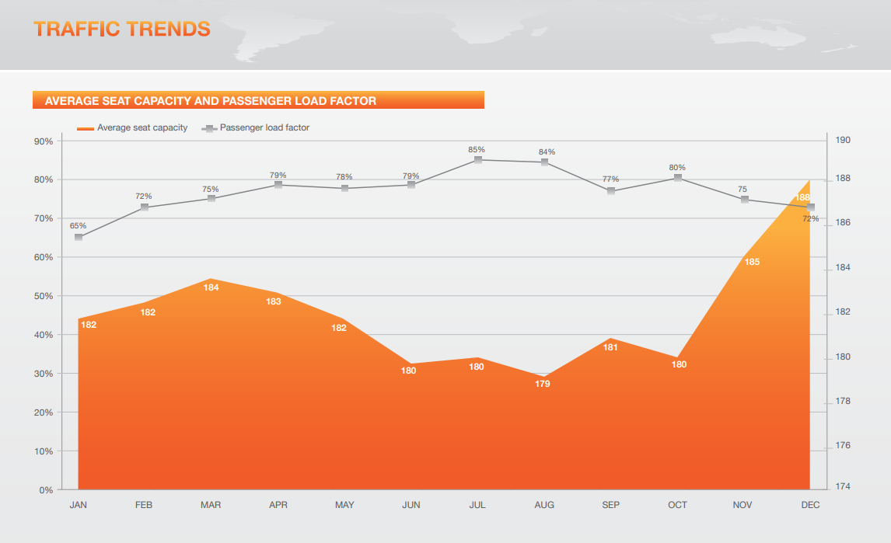
 | Average seat capacity and passenger load factor 2011 (source: https://www.isavia.is/media/1/ff-2012_04042013.pdf) |  |  |  |  |  |  | https://www.isavia.is/media/1/ff-2012_04042013.pdf
 | % | Average seat capacity | Average nb of passengers
 | 0.65 | 182 | 118.3
 | 0.72 | 182 | 131.04
 | 0.75 | 184 | 138
 | 0.79 | 183 | 144.57
 | 0.78 | 182 | 141.96
 | 0.79 | 180 | 142.2
 | 0.85 | 180 | 153
 | 0.84 | 179 | 150.36
 | 0.77 | 181 | 139.37
 | 0.8 | 180 | 144
 | 0.75 | 185 | 138.75
 | 0.72 | 188 | 135.36
 |  | Average passenger per flight | 139.7425

 |  |  |  |  |  |  |  | https://www.isavia.is/fyrirtaekid/um-isavia/utgefid-efni/flugtolur/farthegafjoldi-a-keflavikurflugvelli/eldri-farthegatolur
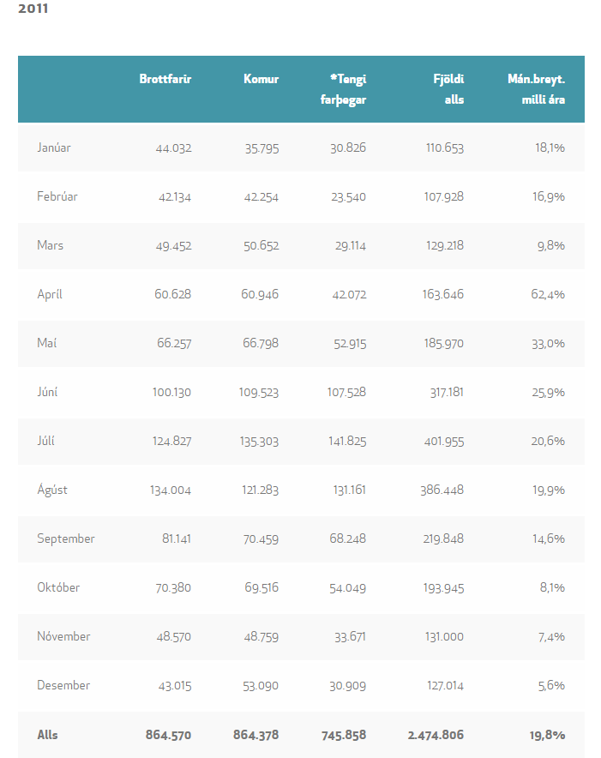
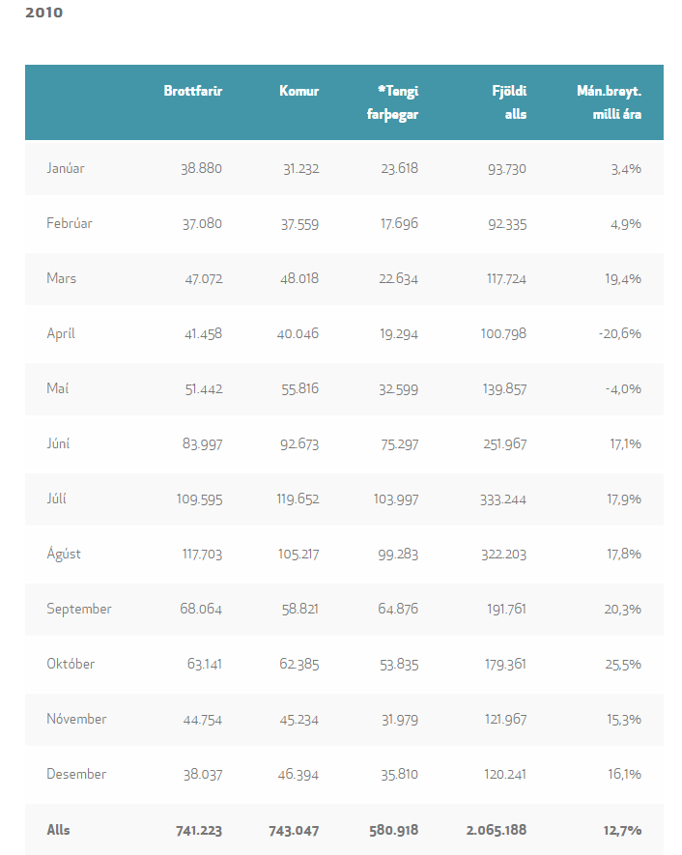

 | Number of passenger Source: https://www.isavia.is/fyrirtaekid/um-isavia/utgefid-efni/flugtolur/farthegafjoldi-a-keflavikurflugvelli/eldri-farthegatolur
 | Departures | Arrivals | Connection (Touch&Go) *counted twice | Total
2011 | 864570 | 864378 | 745858 | 2474806
2010 | 741223 | 743047 | 580918 | 2065188

