matnameRCType
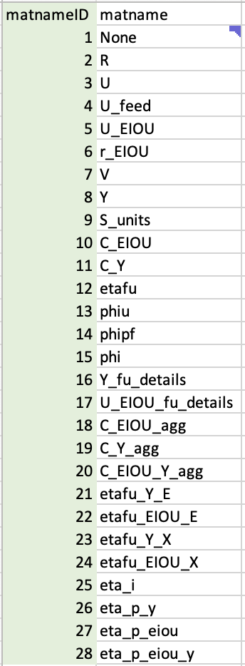
matname rowtype coltype
R Industry Product
U Product Industry
U_feed Product Industry
U_EIOU Product Industry
r_EIOU Product Industry
V Industry Product
Y Product Industry
S_units Product Unit
C_EIOU Product -> Industry Industry -> Product
C_Y Product -> Industry Industry -> Product
etafu Industry -> Product etafu
phiu Product phi
phipf Product phi
phi Product phi
Y_fu_details Product -> Industry Product [from Industry]
U_EIOU_fu_details Product -> Industry Product [from Industry]
C_EIOU_agg Product Industry -> Product
C_Y_agg Product Industry -> Product
C_EIOU_Y_agg Product Industry -> Product
etafu_Y_E Product Industry
etafu_EIOU_E Product Industry
etafu_Y_X Product Industry
etafu_EIOU_X Product Industry
eta_i Industry eta_i
eta_p_y Product etafu
eta_p_eiou Product etafu
eta_p_eiou_y Product etafu
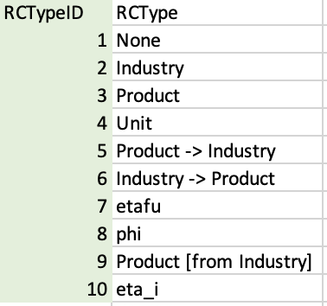
matname | rowtype | coltype
1 | 1 | 1
2 | 2 | 3
3 | 3 | 2
4 | 3 | 2
5 | 3 | 2
6 | 3 | 2
7 | 2 | 3
8 | 3 | 2
9 | 3 | 4
10 | 5 | 6
11 | 5 | 6
12 | 6 | 7
13 | 3 | 8
14 | 3 | 8
15 | 3 | 8
16 | 5 | 9
17 | 5 | 9
18 | 3 | 6
19 | 3 | 6
20 | 3 | 6
21 | 3 | 2
22 | 3 | 2
23 | 3 | 2
24 | 3 | 2
25 | 2 | 10
26 | 3 | 7
27 | 3 | 7
28 | 3 | 7

