WA_hoursWD
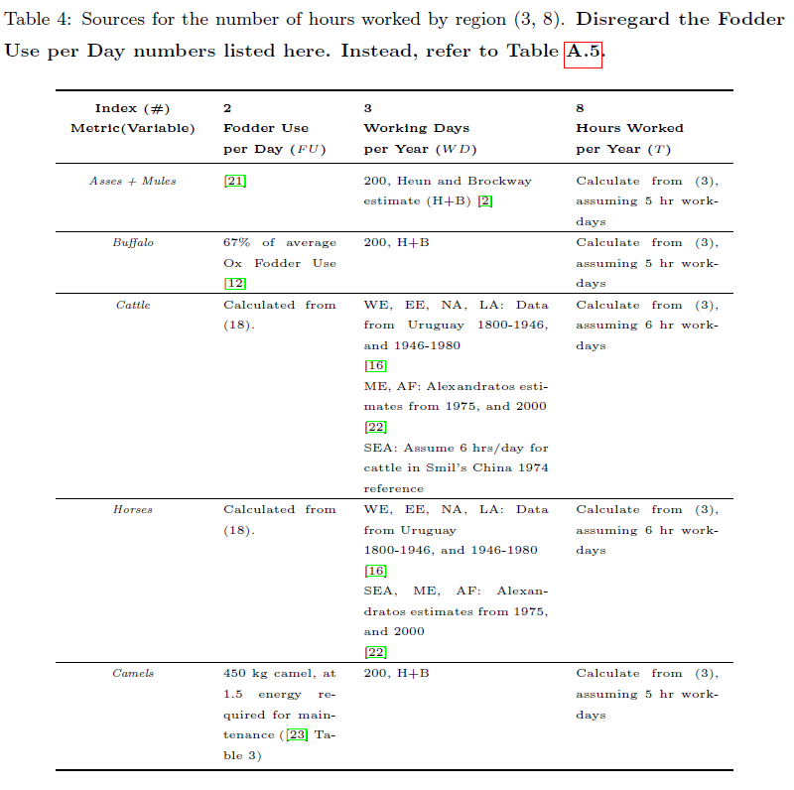
Species | Hours of work per working day
Asses | 5
Buffaloes | 5
Camelids | 5
Cattle | 6
Horses | 6
Mules | 5

