MaxBoundCalculations
Feebate
France

Rebate Rate
155400 | $/GPM
Ireland

Rebate Rate
100800 | $/GPM
Germany

Rebate Rate
194000 | $/GPM (gasoline)
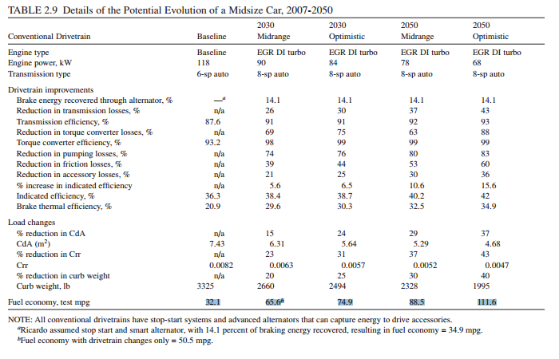

Distributed Solar Carve Out
Reinventing Fire: Transform Scneario - Rooftop PV Generation (TWh/yr) | 973
Reinventing Fire: Transform Scneario - Total Generation (TWh/yr) | 4125
Share from Distributed Solar | 23.58%

