Mexico Targets
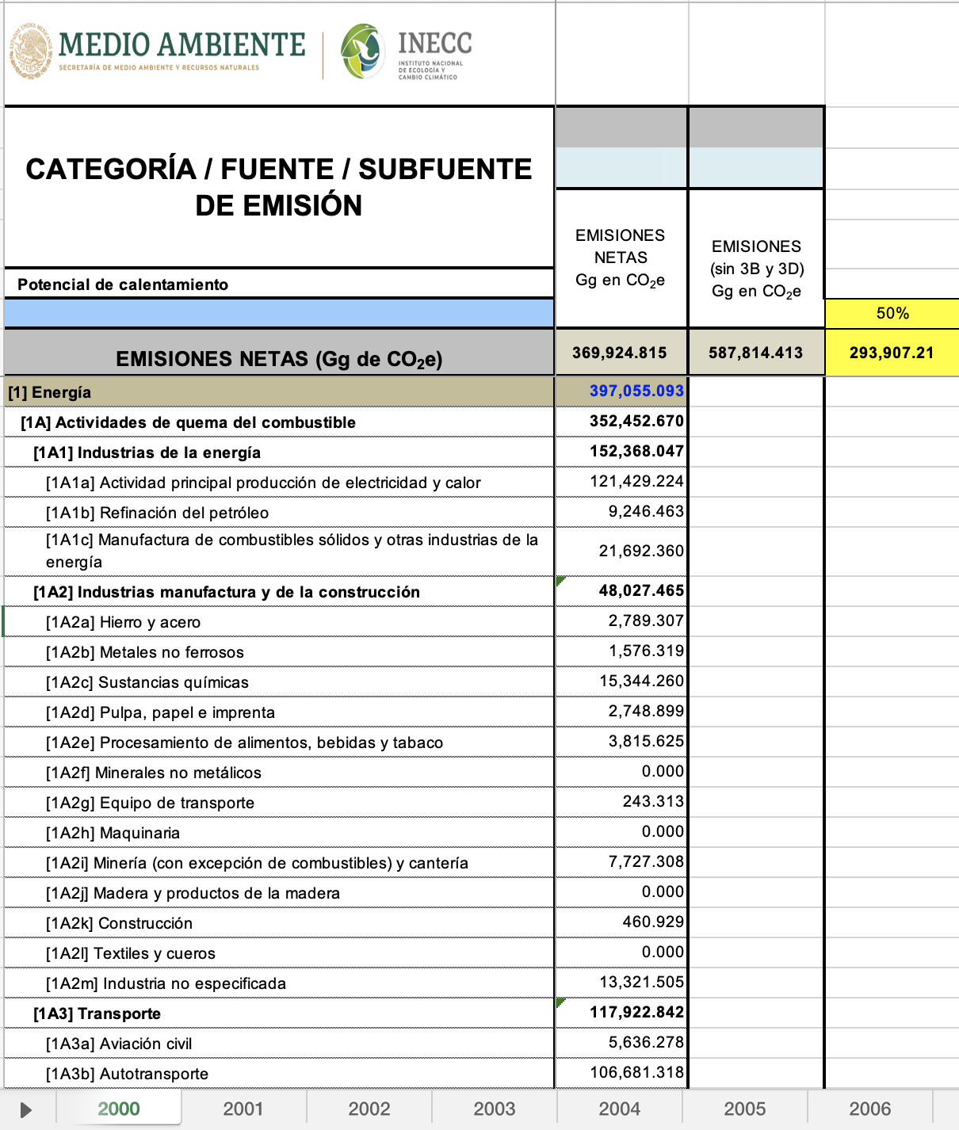
NDC Targets |  |  |  |  | LTS Targets
Source: | Mexico's NDC 2020-2030 (dec 30 2020 updt) |  |  |  | Source: | National Emissions inventory 2017

 |  | MtCO2e |  |  |  | MtCO2e
 | Year | baseline | non-conditioned | conditional | Year | baseline | LTS
 | 2030 | 991 | 781 | 644 | 2050 | 587.814413 | 293.9
 |  |  | 21% | 35% |  |  | 50%
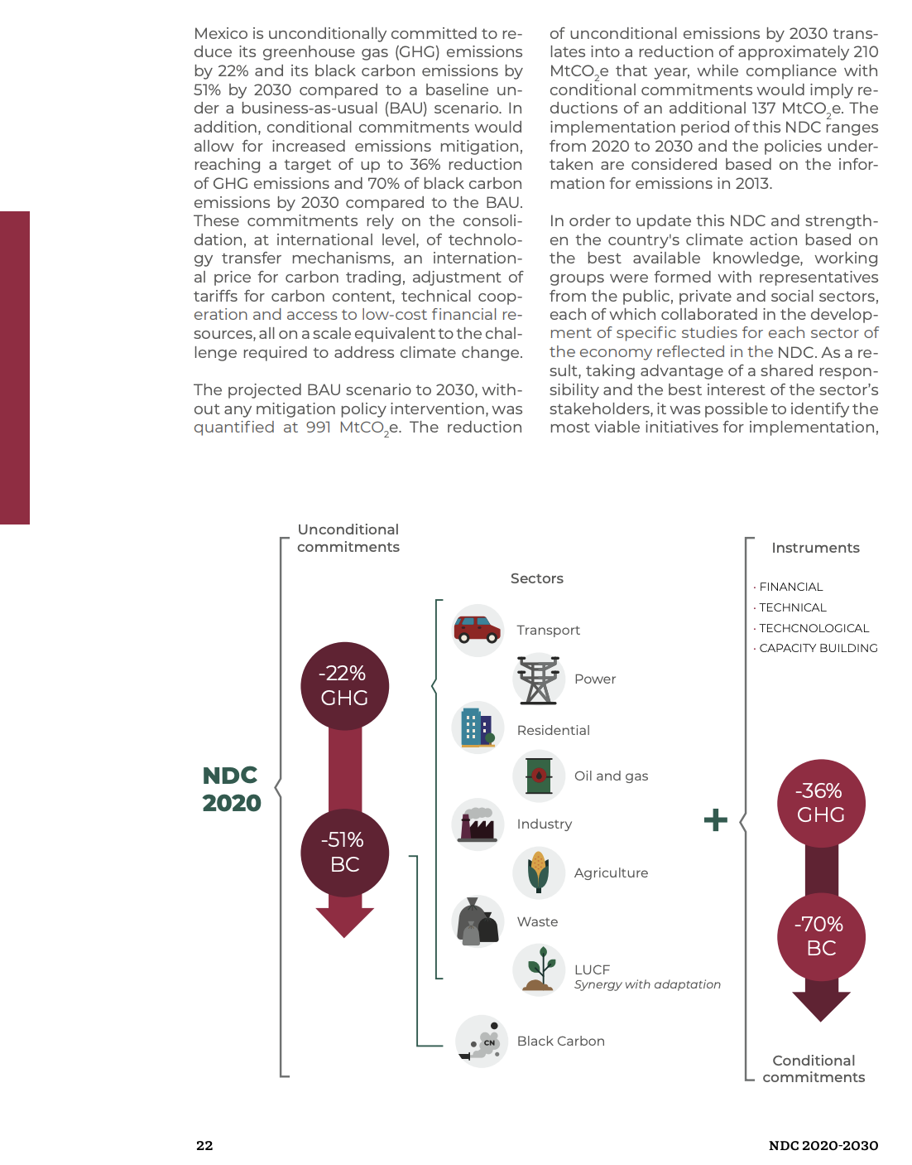
 |  |  |  |  | Notes on the 2050 target
 |  |  |  |  | The 2050 target comes from Mexico's Climate Change Mid-Century Strategy document (released in 2016):
 |  |  |  |  | https://unfccc.int/files/focus/long-term_strategies/application/pdf/mexico_mcs_final_cop22nov16_red.pdf

 |  |  |  |  | The target is mentioned on page 4, in the third paragraph. It is to reduce GHG emissions in 2050 to 50% below emissions in 2000.

 |  |  |  |  | The emissions in year 2000 are available from Mexico's national emissions inventory. A link to a spreadsheet containing annual emmissions for years
 |  |  |  |  | 1990 - 2015 is available at:
 |  |  |  |  | http://datos.abiertos.inecc.gob.mx/Datos_abiertos_INECC/Inventario_Nacional_de_Gases_de_Efecto_Invernadero/INEGyCEI_2015/INEGyCEI 1990_2015_IPCC2006.xlsx

 |  |  |  |  | We base the 2050 target on year 2000 non-land-use emissions (which the inventory incorrectly calls "gross" emissions), and
 |  |  |  |  | we separately add in emissions from land use conversion from one type of land to another (but not emissions or sequestration
 |  |  |  |  | from lands that are remaining the same type and simply exist, as we don't consider these effects anthropogenic).

 |  |  |  |  | The non-land-use ("gross") emissions in year 2000 of the inventory are:
 |  |  |  |  | 369925 | Gg CO2e

 |  |  |  |  | Next, we add in the emissions or sequestration from land use conversions and other land emissions, listed in items 3B 3D
 |  |  |  |  | -205442 | Gg CO2e | 3B
 |  |  |  |  | -12447 | Gg CO2e | 3D

 |  |  |  |  | Thus, total year 2000 emissions we include from the official inventory are:
 |  |  |  |  | 587814 | Gg CO2e
 |  |  |  |  | 588 | MMT

 |  |  |  |  | The reduction percentage for the target is: | 50%

 |  |  |  |  | Accordingly, the year 2050 target is: | 294 | MMT

MaxBoundCalculations
Feebate
France

Rebate Rate
155400 | $/GPM
Ireland

Rebate Rate
100800 | $/GPM
Germany

Rebate Rate
194000 | $/GPM (gasoline)

Fuel Economy Standards [LDVs]
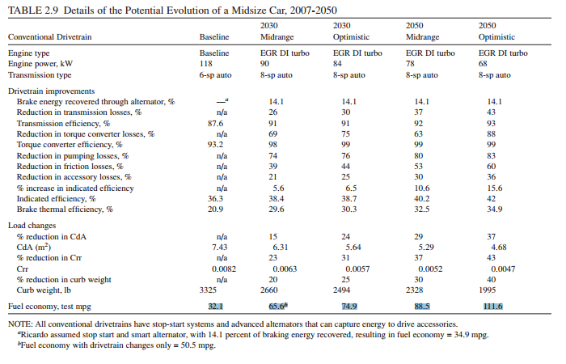

BAU 2050 Tested Fuel Economy for New Light Duty Vehicle | 55.1 | (EIA, Annual Energy Outlook, Table 7, 2040 value extraploated to 2050)
2050 Optimisitc Fuel Economy, test MPG | 111.6

Potential Pecentage Improvement | 1.0254083485
Fuel Economy Standards [HDVs]
6.629025 | Average Fuel Efficiency of New Freight Trucks in 2010 |  |  | AEO 2012
0.15085174667 | Average Fuel Intensity of New Freight Trucks in 2010 |  |  | Calculated
50% | Potential Improvement in Fuel Intensity by 2050 |  |  | NREL
0.075425873337 | 2050 Potential Fuel Intensity |  |  | Calculated
13.25805 | 2050 Potential Fuel Efficiency of New Freight Trucks |  |  | Calculated
8.027492 | BAU 2050 Fuel Efficiency of New Trucks |  |  | AEO 2016
65% | Additional Improvement Potential |  |  | Calculated

Fuel Economy Standards [Aircraft]
30% | BAU Reductions in Energy Intensity relative to 2007
63.5 | BAU 2007 Energy Efficiency from AEO 2010 (seat mpg) - From AEO 2010
0.015748031496 | BAU 2007 Energy Intensity from AEO 2010 (gallon/seat*mile)
0.0110236 | BAU 2050 Energy Intensity
90.7142857 | BAU 2050 Energy Efficiency
35% | Additional Potential Reduction in Energy Intensity by 2050
0.0071653543307 | Potential 2050 Energy Intensity
139.56043956 | Potential 2050 Energy Efficiency (seat mpg)
54% | Potential additional improvement in fuel efficiency by 2050 above BAU

Fuel Economy Standards [Rail]

20% | ASSUME SAME VALUE AS FOR SHIPS

Fuel Economy Standards [Ships]
20% | BAU Reductions in Energy Intensity relative to 2007
1.95 | BAU 2007 Energy Efficiency from AEO 2010 (ton miles per thousand BTU) - From AEO 2010
0.51282051282 | BAU 2007 Energy Intensity from AEO 2010 (gallon/seat*mile)
0.4102564 | BAU 2050 Energy Intensity
2.4375000 | BAU 2050 Energy Efficiency
17% | Additional Potential Reduction in Energy Intensity by 2050
0.34051282051 | Potential 2050 Energy Intensity
2.936746988 | Potential 2050 Energy Efficiency (seat mpg)
20% | Potential additional improvement in fuel efficiency by 2050 above BAU

Fuel Economy Standards [Motorbikes]
4.48E-04 | BAU energy efficiency in 2050 (see model file VFP), passenger*miles/BTU
1.27 | Average passenger loading (from AVLO file)
1.857438353 | BAU energy intensity in 2050 (MJ/km)
0.53837587579 | BAU energy efficiency in 2050 (km/MJ)
1.07 | Potential 2050 Energy Intensity (MJ/km)
0.93457943925 | Potential 2050 Energy Efficiency (km/MJ)
74% | Potential additional improvement in fuel efficiency by 2050 above BAU

Building Energy Efficiency Standards
Table 5-1: Assumed marginal efficiency levels for residential electric end uses in 2050 relative to 2006 by scenario and dwelling type
 | 2050 End-Use Marginal Efficiency Relative to 2006 (100% = 2006 Efficiency Level)
 | Optimistic Efficiency Technology |  | Green Dream
End Use | Existing (%) | New (%) | Existing (%) | New (%) |  | Additional Improvement Potential in 2050
Water Heating | 95 | 95 | 50 | 50 | Appliances | 0.47368421053
Dishwasher | 100 | 100 | 70 | 70 | Appliances | 0.3
Water Heating - Dishwasher | 95 | 95 | 50 | 50 | Appliances | 0.47368421053
Clothes Washer | 105 | 105 | 110 | 110 | Exclude | -0.047619047619
Water Heating - Clothes Washer | 80 | 80 | 35 | 35 | Appliances | 0.5625
Clothes Dryer | 70 | 70 | 50 | 50 | Appliances | 0.28571428571
Other | 90 | 90 | 80 | 80 | Other Component | 0.11111111111
Cooking | 100 | 100 | 90 | 90 | Appliances | 0.1
Refrigerator | 80 | 80 | 40 | 40 | Appliances | 0.5
Freezer | 80 | 80 | 50 | 50 | Appliances | 0.375
Swimming Pool Pump | 90 | 90 | 80 | 80 | Other Component | 0.11111111111
Hot Tub Pump | 95 | 95 | 90 | 90 | Exclude | 0.052631578947
Hot Tub Heating | 95 | 95 | 90 | 90 | Exclude | 0.052631578947
Lighting | 80 | 50 | 30 | 30 | Lighting | 0.4
Space Heating | 90 | 90 | 70 | 70 | Heating | 0.22222222222
Furnace Fan | 95 | 90 | 80 | 80 | Exclude | 0.11111111111
Central Air Conditioner | 80 | 65 | 60 | 30 | Cooling and Ventilation | 0.53846153846
Room Air Conditioner | 90 | 90 | 70 | 70 | Cooling and Ventilation | 0.22222222222

Appliances | 0.38382283835
Other Component | 0.11111111111
Lighting | 0.4
Heating | 0.22222222222
Cooling and Ventilation | 0.38034188034

Building Retrofits
2010-2020 Retrofit Proportion | 40%
Annual Retrofit Rate | 3.42%

Distributed Solar Carve Out
Reinventing Fire: Transform Scneario - Rooftop PV Generation (TWh/yr) | 973
Reinventing Fire: Transform Scneario - Total Generation (TWh/yr) | 4125
Share from Distributed Solar | 23.58%

Renewable Portoflio Standard
BAU RPS in 2050 (modeling input) | 12.46%
Additional Potential, Assuming 100% possible | 87.54%

Transmission Capacity
Additional Transmission Capacity by 2050 (MW-miles) for 90% Scenario | 197000
Existing Total Transmission Capacity in US (MW-Miles), aveage of 150 and 200 million MW-miles | 175000
Additional Transmission Capacity by 2030, as a percentage | 113%

Industrial Energy Efficiency
BAU annual improvement rate | 1.20%
Potential annual improvement rate | 2.40%
Timeframe (years of model run) | 33
BAU total energy use as fraction of start year | 67%
Potential total energy use as fraction of start year | 45%
Potential improvement vs. BAU | 33%

Afforestation/Reforestation
Output | Value
Max technical potential acres available per year | 1.53E+07 | See VFC.xlsx, CO2 Aff & Ref tab
Max historical acres afforested/reforested per year | 3.40E+06
Historical multiplier | 2
Max acres that can be afforested/reforested per year | 6.80E+06
Max acres that can be afforested/reforested per year as a percentage of technical potential | 45%

Mode Shifting

Passenger Modes, OECD Nations (from Figure 5.12) | Size in Pixels (at 100% zoom in Excel)
Scenario | 3-wheelers | 2-wheelers | Mini-buses | Buses | Rail | Cars | Light Trucks | Air
2050 Baseline | 0 | 6 | 9 | 25 | 21 | 215 | 81 | 134
2050 BLUE Shifts | 4 | 3 | 15 | 40 | 43 | 163 | 56 | 94
Change vs. BAU | 4 | -3 | 6 | 15 | 22 | -52 | -25 | -40
Perc Change in Passenger LDVs | -26%
Perc Change in Aircraft | -30%

Passenger Modes, Non-OECD Nations (from Figure 5.12) | Size in Pixels (at 100% zoom in Excel)
Scenario | 3-wheelers | 2-wheelers | Mini-buses | Buses | Rail | Cars | Light Trucks | Air
2050 Baseline | 0 | 17 | 18 | 22 | 12 | 73 | 21 | 21
2050 BLUE Shifts | 0 | 15 | 22 | 39 | 23 | 51 | 17 | 19
Change vs. BAU | 0 | -2 | 4 | 17 | 11 | -22 | -4 | -2
Perc Change in Passenger LDVs | -28%
Perc Change in Aircraft | -10%

Freight Modes (from Figure 6.7) | Size in Pixels (at 100% zoom in Excel)
Scenario | Heavy Trucks | Medium Trucks | Light Commercial | Rail
2050 Baseline | 112 | 16 | 9 | 134
2050 BLUE Shifts | 87 | 17 | 9 | 151
Change vs. BAU | -25 | 1 | 0 | 17
Perc Change in Freight HDVs | -22%

