Buses
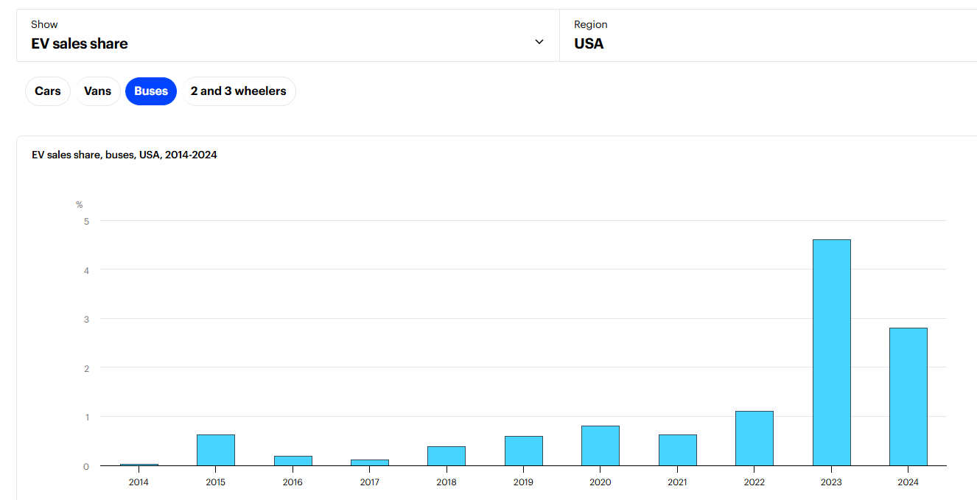

Source: https://www.iea.org/data-and-statistics/data-tools/global-ev-data-explorer
2024 | 0.028
2025 | 0.028 | *no 2025 data available, so we will just take 2024 shareweight and extrapolate from there

EV share of annual sales
 | Total EV
2015 | 0.0066082786585
2016 | 0.0087905746492
2017 | 0.011041754892
2018 | 0.020020107315
2019 | 0.021163845835
2020 | 0.029844583194
2021 | 0.037303747699
2022 | 0.043441072123
2023 | 0.04743736145

