Home Page
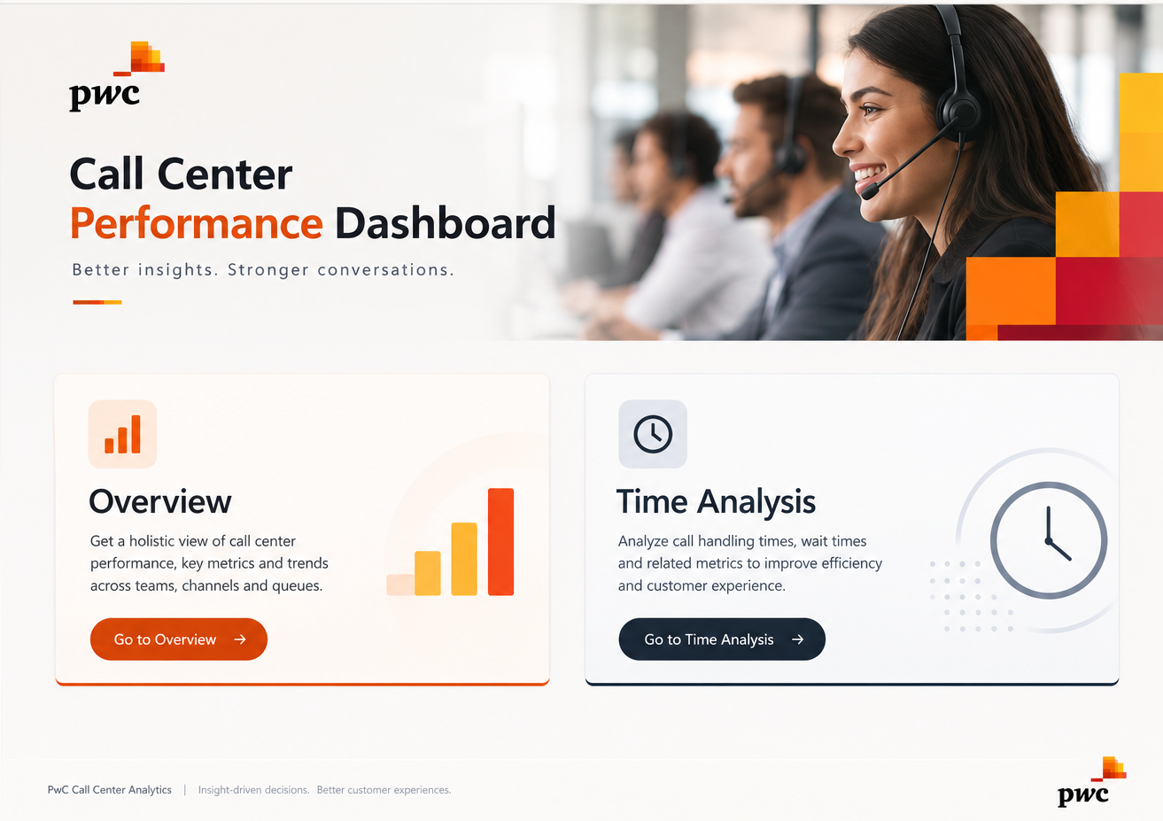

Overview
Answer Rate
Min | 0% | 81.08%
Poor | 25% | 3.00%
Avg | 50% | 115.92%
Good | 25%
Max | 100%
No. of Calls / Agent
 | Total
Becky | 631
Dan | 633
Diane | 633
Greg | 624
Jim | 666
Joe | 593
Martha | 638
Stewart | 582
Answered VS Not Answered
 | Total
N | 946
Y | 4054
No. of Calls / Topic
 | Total
Admin Support | 976
Contract related | 976
Payment related | 1007
Streaming | 1022
Technical Support | 1019
Building trust, solving problems
Overview
Home Page
Time Analysis
ASA (sec)
67.52
Avg Satisfaction
3.4
Resolution Rate
90%
Avg Talk Duration
3.75
Total Calls
5000
Refresh

Time Analysis
No. of Calls / day
 | Total
Friday | 680
Monday | 770
Saturday | 768
Sunday | 716
Thursday | 712
Tuesday | 675
Wednesday | 679
No. of Calls / day
 | Total
1 | 194
2 | 158
3 | 184
4 | 196
5 | 182
6 | 170
7 | 158
8 | 146
9 | 170
10 | 172
11 | 230
12 | 150
13 | 142
14 | 168
15 | 154
16 | 172
17 | 168
18 | 160
19 | 152
20 | 164
21 | 164
22 | 154
23 | 154
24 | 160
25 | 174
26 | 170
27 | 168
28 | 156
29 | 118
30 | 105
31 | 87
No. of Calls / Months
 | Total
January | 1772
March | 1612
February | 1616
Building trust, solving problems
Overview
Home Page
Time Analysis
ASA (sec)
67.52
Avg Satisfaction
3.4
Resolution Rate
90%
Avg Talk Duration
3.75
Total Calls
5000
Refresh

