PLAN
We are going to break down - every one does all tasks but by geographic region
Ann -WEST
Abdulla - SOUTH (west and east)
Hisham - Midwest and NorthEast
Everyone is going to mine and get and clean their own datasets

Then we are going to look at three questions
1. What is the % of visitors to each park against population of the state the park is in
2. Look at visitor numbers based on the weather (more popular during certain weather conditions)
3. Gas prices IN THE STATE THE PARK IS IN versus the number of visitors - this one we can decide to narrow down to major cities or for a certain time range
Just look 2019 to begin
We will each look at data from our region
All findings will come together and we will need to do plots for whole country
We will merge our findings at end
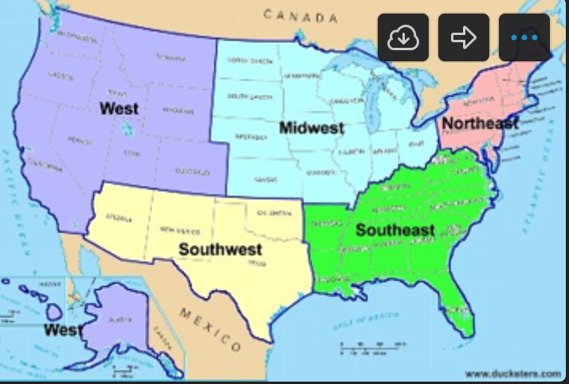

Time LINE
SATURDAY | WORK

TUESDAY | WORK - make sure we are all on same page -

NEXT THURSDAY | MERGE & PRESENTATION

SATURDAY 21 | PRESENT

