Dashboard
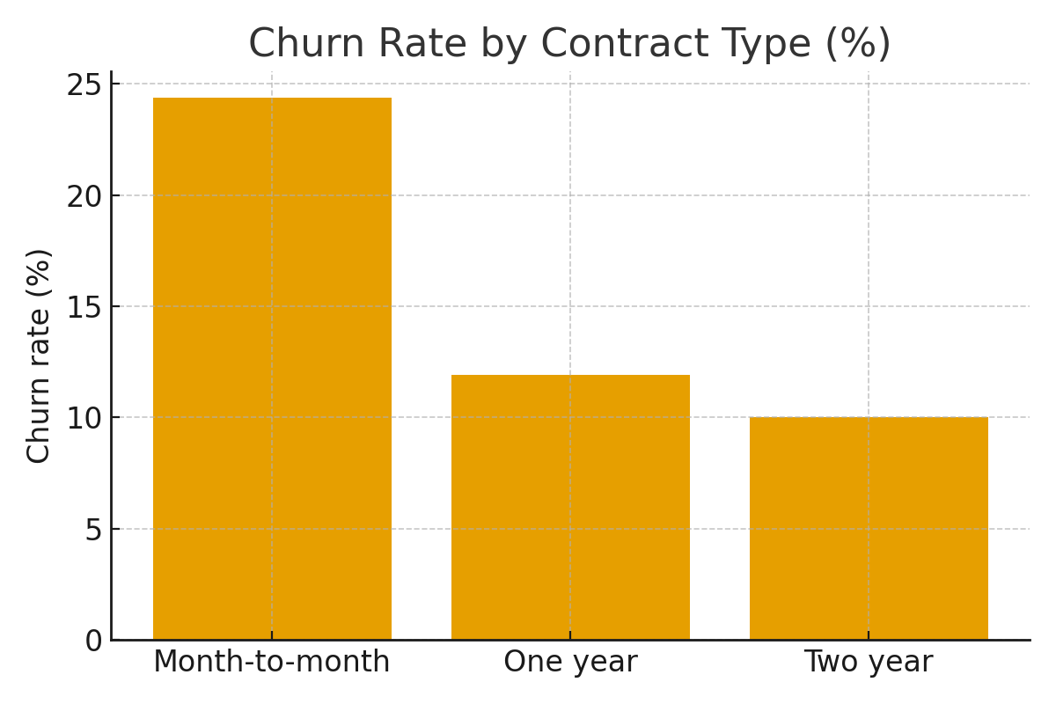
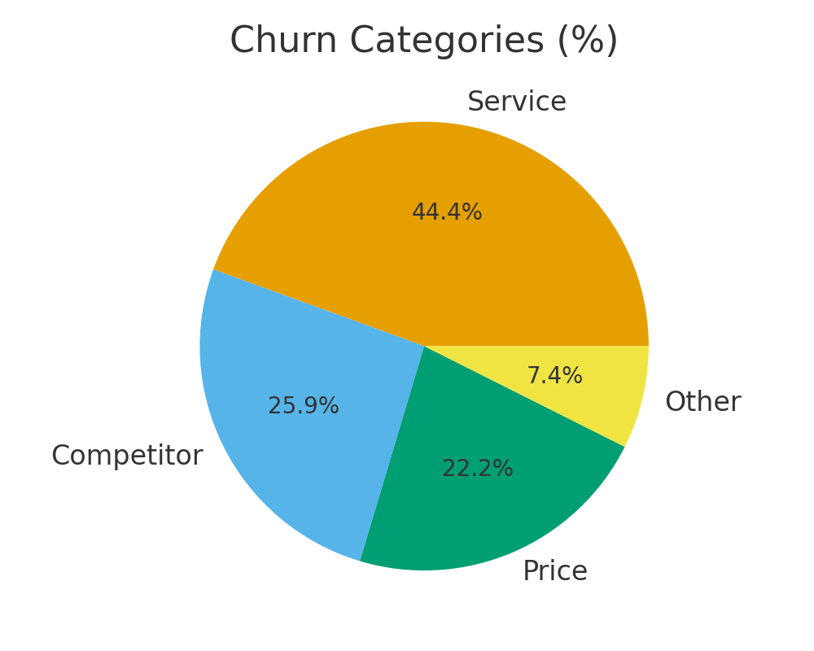
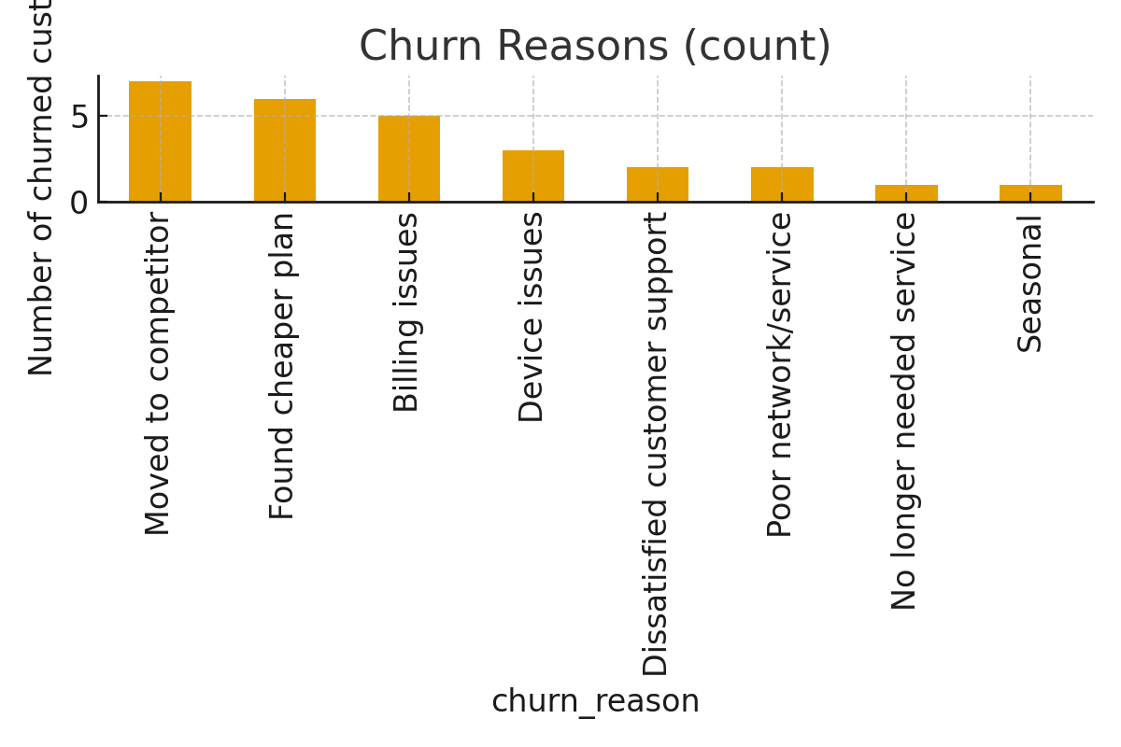
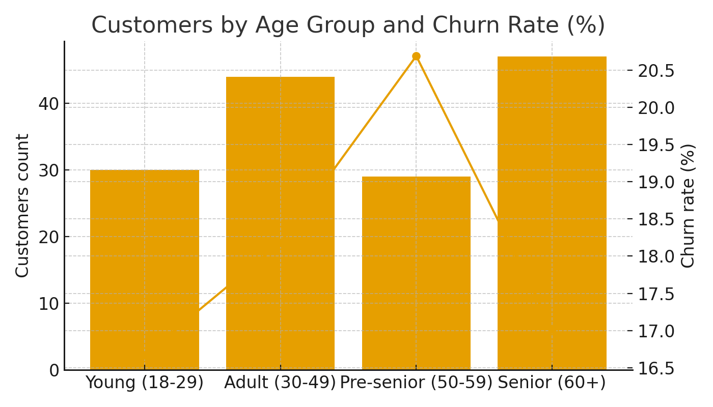
Churn Dashboard
Total customers | 151
Churned customers | 30
Churn rate (%) | 19
Top churn reason | Moved to competitor
Top churn category | Service

