Sheet1
From paper SPE 5434

muod | 43.054826872 | cp |  |  | muo | 2.4228105189 | cp
X | 1.6439934989 |  |  |  | A | 0.32252046926
y | 192.26047015 |  |  |  | B | 0.53595499289
Z | 2.28389 |  |  |  | Rs | 800 | scf/STB
T | 60 | °F
API | 37

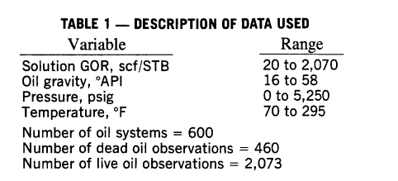

Table from example 4-26 in Tarek Ahmed pg 242
oil | T | API | Rs | Z | y | X | m.muod | muod2 | A | B | muo | m.muo
1 | 250 | 47.1 | 751 | 2.079567 | 120.10663511 | 0.19532722041 | 0.765 | 0.568 | 0.33195441713 | 0.54563462283 | 0.244 | 0.287
2 | 220 | 40.7 | 768 | 2.209039 | 161.82253491 | 0.30535245934 | 1.286 | 1.020 | 0.32859013205 | 0.54219820248 | 0.332 | 0.377
3 | 260 | 48.6 | 693 | 2.049222 | 112.00102572 | 0.17402353898 | 0.686 | 0.493 | 0.34424408279 | 0.55804494629 | 0.232 | 0.279
4 | 237 | 40.5 | 968 | 2.213085 | 163.33715997 | 0.28265239752 | 1.014 | 0.917 | 0.29530988212 | 0.50725410478 | 0.283 | 0.297
5 | 218 | 44.2 | 943 | 2.138234 | 137.47825151 | 0.26218575856 | 1.009 | 0.829 | 0.29893430502 | 0.51114637475 | 0.272 | 0.300
6 | 180 | 27.3 | 807 | 2.480121 | 302.07932348 | 0.71984513948 | 4.166 | 4.246 | 0.3212361576 | 0.53462672523 | 0.696 | 0.689

