Inspection & Compliance
 |  |  | Inspection & Compliance
Checklists Type
Compliance Status | Compliance Rate | NO. of Checklists | Compliance Rate
Compliant | 695 | 1396 |  | Compliant | N/A | Non-Compliant
N/A | 47 | 96 | Confined Space | 67 | 2 | 11
Non-Compliant | 144 | 308 | Electrical Safety | 70 | 4 | 16
Grand Total | 886 | 1800 | Emergency Preparedness | 49 | 4 | 11
 |  |  | Fire Safety | 77 | 2 | 17
 |  |  | General Workplace Safety | 65 | 7 | 15
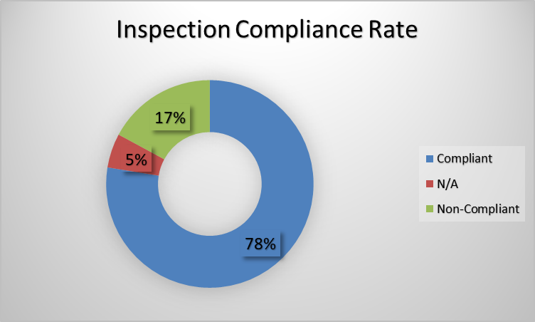
 |  |  | Housekeeping | 70 | 8 | 19
 |  |  | Lifting Operations | 62 | 6 | 12
 |  |  | PPE Compliance | 72 | 3 | 12
 |  |  | PTW Compliance | 74 | 4 | 15
 |  |  | Work at Height | 89 | 7 | 16
 |  |  | Grand Total | 695 | 47 | 144

Non-compliants
Non-Compliant Items
Non-compliant Items | Count of Inspections
Access route partially obstructed | 21
Emergency equipment access partially restricted | 22
Equipment guard requires attention | 21
Housekeeping improvement required | 28
Inspection tag missing | 22
PPE not fully used | 27
Procedure not fully followed | 26
Safety sign damaged | 24
(blank) | 695
Grand Total | 886

Compliance Per Category
Compliance Per Category
 | Compliant | N/A | Non-Compliant
Confined Space | 7 |  | 2
Electrical Safety | 11 |  | 2
Emergency Preparedness | 4
Fire Safety | 16 |  | 4
General Workplace Safety | 11 | 1 | 1
Housekeeping | 11 |  | 4
Lifting Operations | 10 | 1 | 3
PPE Compliance | 8 | 1 | 2
PTW Compliance | 11 | 1 | 4
Work at Height | 14 |  | 3
Count of Inspections | Column Labels
Category | Compliant | N/A | Non-Compliant | Grand Total
Confined Space | 7 |  | 2 | 9
Electrical Safety | 11 |  | 2 | 13
Emergency Preparedness | 4 |  |  | 4
Fire Safety | 16 |  | 4 | 20
General Workplace Safety | 11 | 1 | 1 | 13
Housekeeping | 11 |  | 4 | 15
Lifting Operations | 10 | 1 | 3 | 14
PPE Compliance | 8 | 1 | 2 | 11
PTW Compliance | 11 | 1 | 4 | 16
Work at Height | 14 |  | 3 | 17
Total Checklists
 | Compliant | N/A | Non-Compliant
Confined Space | 7 |  | 2
Electrical Safety | 11 |  | 2
Emergency Preparedness | 4
Fire Safety | 16 |  | 4
General Workplace Safety | 11 | 1 | 1
Housekeeping | 11 |  | 4
Lifting Operations | 10 | 1 | 3
PPE Compliance | 8 | 1 | 2
PTW Compliance | 11 | 1 | 4
Work at Height | 14 |  | 3
Grand Total | 103 | 4 | 25 | 132

Dashboard
 | Compliance Rate
Compliant | 1396
N/A | 96
Non-Compliant | 308
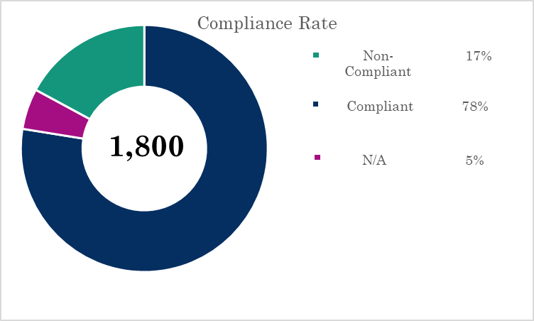
Total Checklists | Passed | Failed | Unknown

1,800 | 1,396 | 308 | 96

 | 77.56% | 17.11% | 5.33%

Compliance Per Category
 | Compliant | N/A | Non-Compliant
Confined Space | 7 |  | 2
Electrical Safety | 11 |  | 2
Emergency Preparedness | 4
Fire Safety | 16 |  | 4
General Workplace Safety | 11 | 1 | 1
Housekeeping | 11 |  | 4
Lifting Operations | 10 | 1 | 3
PPE Compliance | 8 | 1 | 2
PTW Compliance | 11 | 1 | 4
Work at Height | 14 |  | 3

Non-Compliant Items
 | Total
Access route partially obstructed | 21
Emergency equipment access partially restricted | 22
Equipment guard requires attention | 21
Housekeeping improvement required | 28
Inspection tag missing | 22
PPE not fully used | 27
Procedure not fully followed | 26
Safety sign damaged | 24
(blank) | 695

Total Checklists
 | Compliant | N/A | Non-Compliant
Confined Space | 7 |  | 2
Electrical Safety | 11 |  | 2
Emergency Preparedness | 4
Fire Safety | 16 |  | 4
General Workplace Safety | 11 | 1 | 1
Housekeeping | 11 |  | 4
Lifting Operations | 10 | 1 | 3
PPE Compliance | 8 | 1 | 2
PTW Compliance | 11 | 1 | 4
Work at Height | 14 |  | 3

