Inspection & Compliance
 |  |  | Inspection & Compliance
Checklists Type
Compliance Status | Compliance Rate | NO. of Checklists | Compliance Rate
Compliant | 77.56% | 1396 |  | Compliant | N/A | Non-Compliant
N/A | 5.33% | 96 | Confined Space | 137 | 6 | 21
Non-Compliant | 17.11% | 308 | Electrical Safety | 146 | 8 | 30
Grand Total | 100.00% | 1800 | Emergency Preparedness | 119 | 12 | 32
 |  |  | Fire Safety | 151 | 6 | 32
 |  |  | General Workplace Safety | 124 | 13 | 33
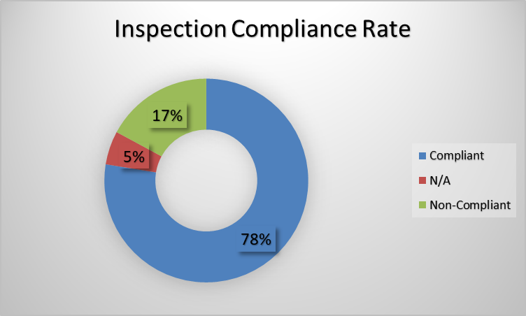
 |  |  | Housekeeping | 140 | 11 | 33
 |  |  | Lifting Operations | 132 | 10 | 28
 |  |  | PPE Compliance | 146 | 8 | 32
 |  |  | PTW Compliance | 147 | 10 | 33
 |  |  | Work at Height | 154 | 12 | 34
 |  |  | Grand Total | 1396 | 96 | 308

Non-compliants
Non-Compliant Items
Non-compliant Items | Count of Inspections
Access route partially obstructed | 3
Emergency equipment access partially restricted | 5
Equipment guard requires attention | 12
Housekeeping improvement required | 3
Inspection tag missing | 10
PPE not fully used | 6
Procedure not fully followed | 6
Safety sign damaged | 4
Grand Total | 49

Compliance Per Category
Compliance Per Category
Count of Inspections | Column Labels
Category | Compliant | N/A | Non-Compliant | Grand Total
Confined Space | 137 | 6 | 21 | 164
Electrical Safety | 146 | 8 | 30 | 184
Emergency Preparedness | 119 | 12 | 32 | 163
Fire Safety | 151 | 6 | 32 | 189
General Workplace Safety | 124 | 13 | 33 | 170
Housekeeping | 140 | 11 | 33 | 184
Lifting Operations | 132 | 10 | 28 | 170
PPE Compliance | 146 | 8 | 32 | 186
PTW Compliance | 147 | 10 | 33 | 190
Work at Height | 154 | 12 | 34 | 200
Grand Total | 1396 | 96 | 308 | 1800

Total Checklists

