HSE_Performance
Overall HSE Performance Changing Over Time

 | Environmental Incident | First Aid Case | Lost Time Injury | Medical Treatment Case | Near Miss | Property Damage
Jan | 4 | 4 |  | 2 | 8 | 5
Feb | 1 | 4 | 2 | 1 | 6 | 9
Mar | 4 | 6 | 3 | 3 | 11 | 7
Apr | 5 | 6 | 1 | 6 | 9 | 5
May | 2 | 2 | 3 | 3 | 7 | 4
Jun | 3 | 2 | 3 | 4 | 6 | 10
Jul | 2 | 4 | 2 | 1 | 10 | 4
Aug | 2 | 3 | 5 | 8 | 15 | 3
Sep | 4 | 5 | 3 | 4 | 11 | 11
Oct | 2 | 5 | 6 | 1 | 12 | 2
Nov | 1 | 4 | 3 | 6 | 6 | 5
Dec | 3 | 5 | 2 | 1 | 5 | 6

Count of Incident ID | Column Labels
Row Labels | Environmental Incident | First Aid Case | Lost Time Injury | Medical Treatment Case | Near Miss | Property Damage
Jan | 4 | 4 |  | 2 | 8 | 5
Feb | 1 | 4 | 2 | 1 | 6 | 9
Mar | 4 | 6 | 3 | 3 | 11 | 7
Apr | 5 | 6 | 1 | 6 | 9 | 5
May | 2 | 2 | 3 | 3 | 7 | 4
Jun | 3 | 2 | 3 | 4 | 6 | 10
Jul | 2 | 4 | 2 | 1 | 10 | 4
Aug | 2 | 3 | 5 | 8 | 15 | 3
Sep | 4 | 5 | 3 | 4 | 11 | 11
Oct | 2 | 5 | 6 | 1 | 12 | 2
Nov | 1 | 4 | 3 | 6 | 6 | 5
Dec | 3 | 5 | 2 | 1 | 5 | 6
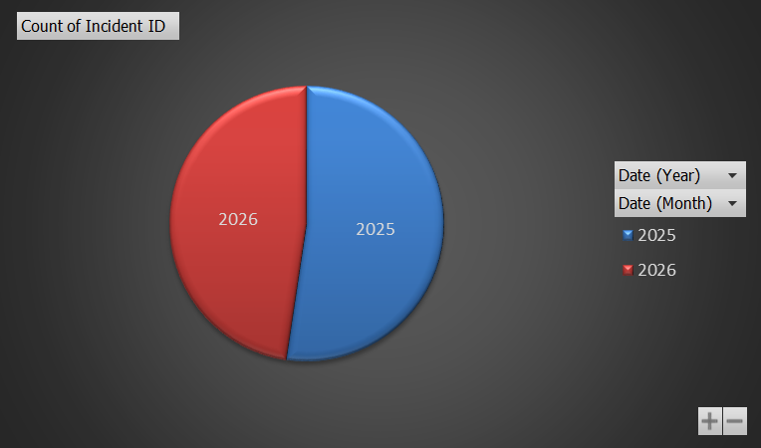
Grand Total | 33 | 50 | 33 | 40 | 106 | 71

Root_Causes
Incidents Per Department & Most Frequent Root Cause

Incidents Per Department

Incidents Per Department
 | Group1
 | Environmental Incident | First Aid Case | Lost Time Injury | Medical Treatment Case | Near Miss | Property Damage
Administration | 4 | 6 | 2 | 2 | 12 | 7
Electrical | 4 | 6 | 5 | 4 | 16 | 11
Maintenance | 3 | 11 | 6 | 9 | 14 | 10
Mechanical | 4 | 10 | 1 | 5 | 9 | 3
Production | 1 | 3 | 2 | 7 | 12 | 11
Quality | 2 | 10 | 2 | 4 | 18 | 4
Utilities | 9 | 2 | 4 | 2 | 11 | 10
Warehouse | 3 | 4 | 6 | 6 | 12 | 8
Grand Total | 30 | 52 | 28 | 39 | 104 | 64
Incident Type & Root Causes

Incident Type & Root Causes
 |  | Equipment Failure | Lack of Training | Poor Housekeeping | PPE Non-Compliance | Procedure Not Followed | Unsafe Act | Unsafe Condition
Group1 | Environmental Incident | 5 | 8 | 5 | 2 | 5 | 4 | 1
 | First Aid Case | 8 | 11 | 5 | 5 | 8 | 7 | 8
 | Lost Time Injury | 6 | 1 | 4 | 6 | 2 | 3 | 6
 | Medical Treatment Case | 4 | 5 | 7 | 9 | 3 | 6 | 5
 | Near Miss | 16 | 14 | 16 | 8 | 14 | 14 | 22
 | Property Damage | 11 | 12 | 10 | 10 | 5 | 7 | 9
Grand Total |  | 50 | 51 | 47 | 40 | 37 | 41 | 51

Incidents_Severity
 |  | Severity of Incidents Analysis

Severity | Incident Percentage
Medium | 65.30%
Medical Treatment Case | 12.30%
Medium Severity Incidents
severity per incident type
Near Miss | 32.81%
Property Damage | 20.19%
High | 18.30%
Environmental Incident | 9.46%
Lost Time Injury | 8.83%
Low | 16.40%
First Aid Case | 16.40%

Severity | Medium

 | Count of Incidents
Medical Treatment Case | 39
Property Damage | 64
Near Miss | 104
Grand Total | 207

Main_Causes
 |  | Incidents Description Analysis

Main Root Causes
Incident Type | (All)
Severity | Medium

Root Causes | Count of Incidents
Poor Housekeeping | 16.75%
Lack of Training | 15.09%
Unsafe Condition | 14.62%
Equipment Failure | 13.92%
PPE Non-Compliance | 13.92%
Unsafe Act | 13.21%
Procedure Not Followed | 12.50%
Grand Total | 100.00%

Core.Actions_Analysis
Actions | Status
Department | Closed | In Progress | Open | Overdue
Administration | 41 | 11 | 13 | 10
Electrical | 26 | 9 | 13 | 11
Maintenance | 29 | 13 | 11 | 8
Mechanical | 33 | 21 | 6 | 4
Production | 35 | 9 | 6 | 2
Quality | 42 | 8 | 11 | 13
Utilities | 35 | 17 | 8 | 5
Warehouse | 33 | 15 | 8 | 14

Unsafe_Findings
Sum of Findings
 | Administration | Electrical | Maintenance | Mechanical | Production | Quality | Utilities | Warehouse
High | 259 | 231 | 144 | 294 | 232 | 207 | 228 | 177
Low | 20 | 47 | 9 | 45 | 52 | 40 | 29 | 36
Medium | 66 | 93 | 204 | 159 | 130 | 143 | 123 | 128
Grand Total | 345 | 371 | 357 | 498 | 414 | 390 | 380 | 341

 | Unsafe Acts | Unsafe Conditions
Administration | 167 | 178
Electrical | 193 | 178
Maintenance | 176 | 181
Mechanical | 237 | 261
Production | 197 | 217
Quality | 186 | 204
Utilities | 218 | 162
Warehouse | 189 | 152

Risks_Activity
Risks Per Activity

Row Labels | Count of Risk ID
Material Handling | 11
Electrical Maintenance | 11
Work at Height | 10
Routine Operation | 9
Excavation | 8
Hot Work | 8
Confined Space Entry | 3

Incidents_risks
Incidents Per Department
Incidents Per Department
Department | Incidents | Department | Risks
Quality | 52 | Maintenance | 26
Production | 46 | Utilities | 25
Electrical | 45 | Electrical | 23
Utilities | 42 | Mechanical | 22
Administration | 41 | Production | 20
Mechanical | 41 | Quality | 19
Warehouse | 36 | Administration | 18
Maintenance | 30 | Warehouse | 17
Grand Total | 333 | Grand Total | 170

PTW_Analysis
PTW Status Per Department

Row Labels | Count of PTW ID
Maintenance | 15.79%
Administration | 15.79%
Production | 14.74%
Warehouse | 13.68%
Utilities | 11.58%
Mechanical | 11.58%
Electrical | 9.47%
Quality | 7.37%
Grand Total | 100.00%

