Form
CHEMICAL CABINET CONTENTS VISUAL AID
APPROVAL: Requires approval from each of the following Departments |  |  | PRD |  | PE | DE | QA
Production Line: |  |  | Date: |  |  | Rev.:
Chemical / Fluid Name (Part Number if Applicable) | Purpose: Be Specific | Visual Aid: Picture of Chemical Container |  | Process Used: List All and Be Specific |  | Danger to Product Quality if Applied or Contacted: Yes or No? If Yes, Countermeasures Taken To Keep Separate
WD 40 Lubricant | General purpose lubricant |  |  | PE/Maintenance Gen 4 & Gen 5 Lines |  | No
Zoom Spout Turbine Oil | General purpose oiler | 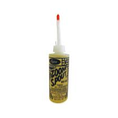 |  | PE/Maintenance Gen 4 & Gen 5 Lines |  | No
E900 Ball Screw Lube | General purpose lubricant |  |  | PE/Maintenance Gen 4 & Gen 5 Lines |  | No
Tool Mates Dry Graphite Lubricant | General purpose lubricant | 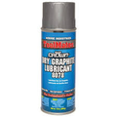 |  | PE/Maintenance Gen 4 & Gen 5 Lines |  | No
LMS 100 Belt Grip | Belt dressing for worn belts |  |  | PE/Maintenance Gen 4 & Gen 5 Lines |  | No
Free All Penetrating Oil | General purpose lubricant |  |  | PE/Maintenance Gen 4 & Gen 5 Lines |  | No
Economy Paintable Mold Release | General purpose mold release | 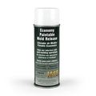 |  | PE/Maintenance Gen 4 & Gen 5 Lines |  | No
Kluber ISOFLEX NBU 15 Grease 004026-591 | MOTOMAN Robot lubricant | 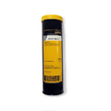 |  | All Lines with Motoman Robot |  | No
Lubriplate EMBPolymer Grease | Electrical motor and bearing grease |  |  | All Lines |  | No
YASKAWA MOTOMAN Robotics Greas | MOTOMAN Robot lubricant | 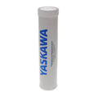 |  | All Lines with Motoman Robot |  | No
MOBIL Mobilith SHC 460 Synthetic Grease | MOTOMAN Robot lubricant | 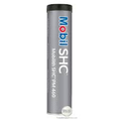 |  | All Lines with Motoman Robot |  | No
Shell GADUS Extreme Pressure Grease | MOTOMAN Robot lubricant | 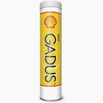 |  | All Lines with Motoman Robot |  | No
MAGNALUBE-G All purpose grease | MOTOMAN Robot lubricant |  |  | All Lines with Motoman Robot |  | No
Parker O Ring Lubricant | O Ring Lubricant |  |  | All Lines |  | No
Magic Tap Cutting Fluid | General Purpose cutting fluid | 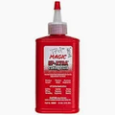 |  | PE/Maintenance Gen 4 & Gen 5 Lines |  | No
BETCO Speedex Degreaser | General purpose degreaser | 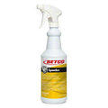 |  | PE/Maintenance Gen 4 & Gen 5 Lines |  | No
Tri-Flow Lubricant | General Purpose Lubricant | 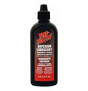 |  | PE/Maintenance Gen 4 & Gen 5 Lines |  | No
SNOOP Leak Test Fluid | Used to check for air leaks in-line | 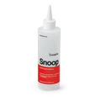 |  | PE/Maintenance Gen 4 & Gen 5 Lines |  | No
MOBIL Gear Lube 375 | General purpose chain and gear lube |  |  | PE/Maintenance Gen 4 & Gen 5 Lines |  | No
Genuine Joe Glass Cleaner | General purpose glass and surface cleaner | 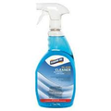 |  | Cleaning of Lexan cabinets and conveyor covers |  | No
3M Glass Cleaner | General purpose glass and surface cleaner | 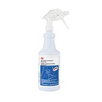 |  | Cleaning of Lexan cabinets and conveyor covers |  | No
Precision Brand Tool Black Liquid | Anti corrosion for unprotected metal parts |  |  | Metal Protectant (prevents corrosion) |  | No
Precision Brand Degreaser / Cleaner | General purpose degreaser |  |  | PE/Maintenance Gen 4 & Gen 5 Lines |  | No
Yellow Jacket Vacuum Pump Oil | Vacuum pump oil | 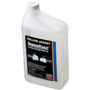 |  | PE/Maintenance Gen 4 & Gen 5 Lines |  | No
LPS Pre Solve Orange Degreaser | General purpose degreaser | 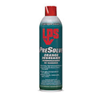 |  | PE/Maintenance Gen 4 & Gen 5 Lines |  | No
LPS U-10 Brake Cleaner | General purpose cleaner | 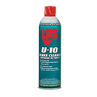 |  | PE/Maintenance Gen 4 & Gen 5 Lines |  | No
LPS Micro X Contact Cleaner | General purpose cleaner | 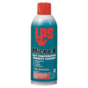 |  | PE/Maintenance Gen 4 & Gen 5 Lines |  | No
LPS ZeroTri Heavy Duty Degreaser | General purpose degreaser | 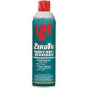 |  | PE/Maintenance Gen 4 & Gen 5 Lines |  | No
Cool 2 Cutting Fluid | Cross section saw used for weld inspection |  |  | Cross Section Saw Gen 5 |  | No
Cool 3 Cutting Fluid | Cross section saw used for weld inspection | 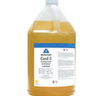 |  | Cross Section Saw Gen 5 |  | No
Autozone Gear Oil 75W 90 | Conveyor Gear Oil | 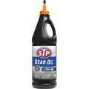 |  | All Lines |  | No
LUBRIPLATE SPO-244 Gear and Bearing Oil | Gear and Bearing Lubricant | 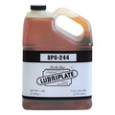 |  | All Lines |  | No
MOBIL DTE 25 Hydraulic Fluid | Press Hydraulic Fluid |  |  | Gen 3 75mm Line Presses |  | No
Clip Machine Grease | Clip Machine Lubricant |  |  | All Lines With Clip Machine |  | No
Machine Oil | All purpose machine lubricant oil |  |  | All Lines |  | No
UNIST Coolube 2210 | Rotor Lubricant | 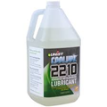 |  | Lubricate Rotor Reduce Press Force |  | No
Deionized Water | Liquid cooled cutoff wheel | 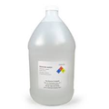 |  | Weld Penetration Shaft Cuts |  | No
Nocor | General Purpose Lubricant |  |  | Op70 A |  | No
Acetone | Cleaning Agent |  |  | General purpose cleaning agent for residue |  | No
Lubriplate Gear and Bearing Oil | Lubricant | 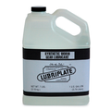 |  | Lubricant for gears and bearings |  | No

