Rissk Assessment
This sheet is about Project risk assessment: qualitative and quantitative risks

 | Qualitative risks | Description | Quantitative risks
 | Health and safety
 | Environment
 |  |  | Data set for sensitivity analysis
 |  |  | Deviation | -20% | -15% | -10% | -5% | 0% | 5% | 10% | 15% | 20%
 |  |  | Unit price
 |  |  | Demand
 |  |  | Growth rate
 |  |  | Variable cost
 |  |  | Fixed cost
 |  |  | Salvage value
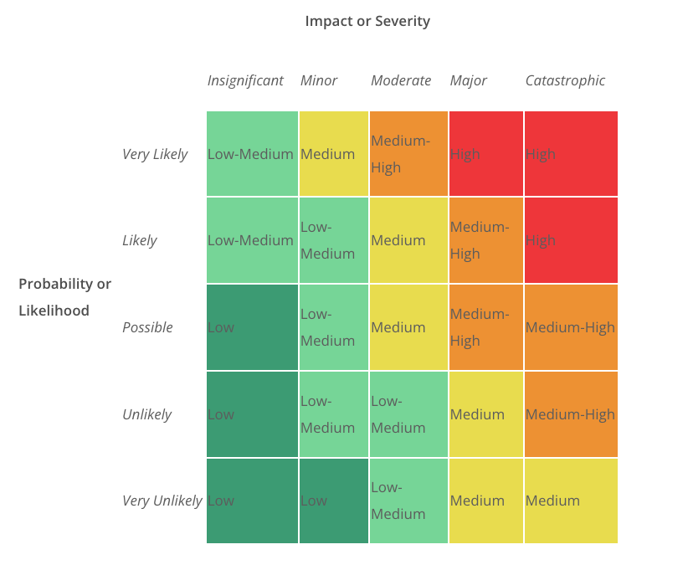
 |  |  | i

 |  |  | sensitivity analysis results
 |  |  | NPV | -20% | -15% | -10% | -5% | 0% | 5% | 10% | 15% | 20%
 |  |  | Unit price
 |  |  | Demand
 |  |  | Growth rate
 |  |  | Variable cost
 |  |  | Fixed cost
 |  |  | Salvage value
 |  |  | i

sensitivity analysis Graph

