raw
Time (ms) | LeftShoulder | RightShoulder | LeftElbow | RightElbow | LeftHip | RightHip | LeftKnee | RightKnee | LeftAnkle | RightAnkle
10 | 138.5 | 41.2 | 159 | 159.6 | 130.9 | 47.3 | 169.8 | 171.5 | 148.9 | 149.2
46 | 133.2 | 45.7 | 158 | 160 | 134.9 | 46.1 | 169.9 | 170.7 | 148.1 | 148.6
76 | 137.5 | 42.5 | 158.5 | 160 | 146.7 | 33.8 | 168.9 | 171.5 | 147.1 | 101.3
109 | 133.9 | 45.6 | 158.5 | 161.2 | 106.5 | 71.1 | 168.4 | 166.8 | 145.2 | 99.3
142 | 133 | 47.5 | 158.3 | 160.4 | 105.4 | 69.5 | 167.3 | 160.2 | 146.1 | 96.3
175 | 126.4 | 54.8 | 157.9 | 161.4 | 102.5 | 69.5 | 166.3 | 155.3 | 139.7 | 94.6
211 | 115.8 | 65.8 | 155.8 | 160.7 | 103.3 | 66.1 | 166.1 | 160 | 132.6 | 175.9
242 | 116.6 | 68.6 | 157.1 | 159.5 | 107.6 | 60.5 | 165.9 | 157.9 | 140.6 | 170.6
274 | 120 | 68.9 | 156.9 | 157.6 | 108.5 | 55.4 | 166.3 | 161.5 | 141.4 | 140.4
309 | 129.1 | 60.8 | 157 | 158.4 | 103.7 | 57 | 168.9 | 164.1 | 97 | 111.4
342 | 113.3 | 78 | 158.2 | 160.1 | 103.9 | 57.4 | 167.1 | 170.7 | 95.6 | 117.9
376 | 103.7 | 90.1 | 158 | 161.5 | 121.8 | 37.8 | 167.4 | 172.5 | 94.5 | 120.1
415 | 103.2 | 89.7 | 156.6 | 161.4 | 127.5 | 31.3 | 166 | 175 | 92.9 | 123
439 | 107.3 | 84.6 | 156.6 | 163.6 | 108.9 | 46.3 | 168.3 | 177.5 | 92 | 126.1
475 | 113.5 | 78.5 | 156.3 | 168.5 | 110 | 41.7 | 166.9 | 172 | 90.6 | 124.1
509 | 109.7 | 82.5 | 154.2 | 165.8 | 101.6 | 47.6 | 169.2 | 172.3 | 89.7 | 123.8
542 | 112.5 | 79.2 | 154.9 | 164.9 | 109.5 | 43.6 | 164.3 | 177.7 | 86.5 | 126.8
576 | 134.1 | 56.4 | 154.3 | 168.4 | 104.8 | 44.8 | 164.7 | 172.3 | 132.2 | 121.8
610 | 141.8 | 46.3 | 154 | 167.8 | 141 | 13 | 161.2 | 177.2 | 81.4 | 123.5
643 | 116 | 70.1 | 152 | 171.2 | 103.8 | 53.6 | 159.8 | 176.5 | 80.9 | 120.2
676 | 176.2 | 10.8 | 156.5 | 169 | 147 | 13.4 | 158.4 | 178.6 | 78.4 | 118.1
709 | 135.9 | 44.4 | 153.3 | 168.2 | 97.8 | 67.9 | 152.2 | 175 | 78.2 | 115.2
744 | 178 | 4.6 | 152.3 | 165.1 | 91.1 | 82.5 | 150.8 | 177 | 80.5 | 113
775 | 162.4 | 13.9 | 157.5 | 170.1 | 89.5 | 89.4 | 142.1 | 174.1 | 76.1 | 109
810 | 138.5 | 43.5 | 155.9 | 162 | 99 | 84.3 | 142.8 | 171.1 | 80.3 | 105.2
874 | 152.7 | 37 | 156.7 | 166 | 78.8 | 110 | 139.3 | 164.9 | 108.5 | 97.6
911 | 148.3 | 41.3 | 155.9 | 160.5 | 0.4 | 163.5 | 134.4 | 165.9 | 131.9 | 97.2
943 | 129.5 | 65.7 | 156.5 | 164.8 | 41.9 | 120 | 136 | 167.9 | 145.3 | 97
977 | 129.9 | 62.6 | 158.2 | 154.9 | 46.2 | 114.9 | 152.2 | 171.7 | 98 | 98.5
1011 | 134.5 | 59.7 | 156.9 | 157.7 | 49.9 | 100.5 | 144.5 | 172.1 | 99.5 | 97.5
1043 | 127.1 | 67.8 | 159.8 | 153.2 | 34.5 | 112.1 | 153.5 | 171.7 | 110.3 | 95.2
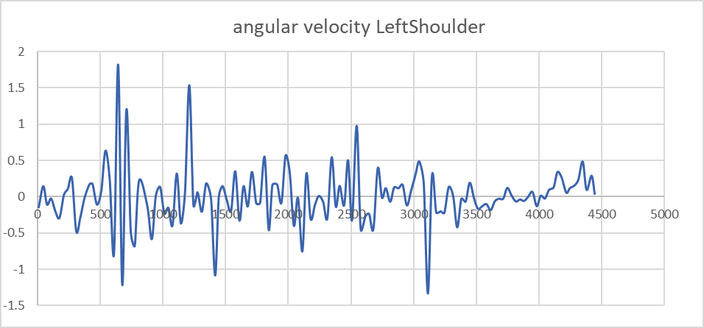
1076 | 122 | 74.3 | 155.8 | 158.6 | 37.8 | 107.7 | 163.2 | 172.1 | 118.6 | 93
1110 | 108.5 | 90.9 | 156 | 154.2 | 31.6 | 112.4 | 167.3 | 170.7 | 123.4 | 90.8
1143 | 119 | 77.4 | 161.9 | 155.9 | 43 | 100.4 | 176.7 | 171.9 | 129.7 | 88.5
1176 | 106.8 | 91.9 | 152.9 | 156.3 | 10.6 | 132.8 | 175 | 169 | 128.7 | 86.2
1210 | 109.1 | 84.3 | 162.1 | 153.7 | 44.6 | 94.7 | 172 | 167.6 | 125.9 | 80.9
1243 | 159.9 | 36.5 | 159 | 156.3 | 42.5 | 98.2 | 167.8 | 166.4 | 122.3 | 81.8
1275 | 156.1 | 36.7 | 168.1 | 162.3 | 41.9 | 102.4 | 167.4 | 159.7 | 118.4 | 75.1
1310 | 158.2 | 33.5 | 160.8 | 161 | 20 | 128.9 | 168.3 | 158.4 | 115.9 | 75.1
1345 | 150.9 | 36.1 | 167.7 | 161.6 | 63.7 | 90.5 | 165 | 154 | 113.1 | 76.5
1383 | 157.9 | 14.3 | 163.6 | 165.4 | 56 | 110.4 | 168.6 | 142.2 | 110.7 | 70.8
1416 | 157 | 23.5 | 165.4 | 161.8 | 53.5 | 121.8 | 170.4 | 132 | 110 | 67.1
1445 | 125.4 | 50.9 | 158.5 | 166.1 | 106.5 | 72.4 | 169.6 | 131 | 105.1 | 67.8
1475 | 125.3 | 54.7 | 159.7 | 166.9 | 94.6 | 77.6 | 165.9 | 128.9 | 102.3 | 73.3
1510 | 130.4 | 52.1 | 158.1 | 165 | 101.8 | 69.8 | 162.7 | 134.9 | 98.1 | 79
1543 | 128.5 | 56.8 | 158.2 | 165.3 | 94.3 | 72 | 167.2 | 143 | 98.3 | 142.4
1576 | 122.1 | 62.4 | 155.6 | 166.4 | 89.9 | 65.6 | 168.9 | 134.8 | 97.2 | 87.5
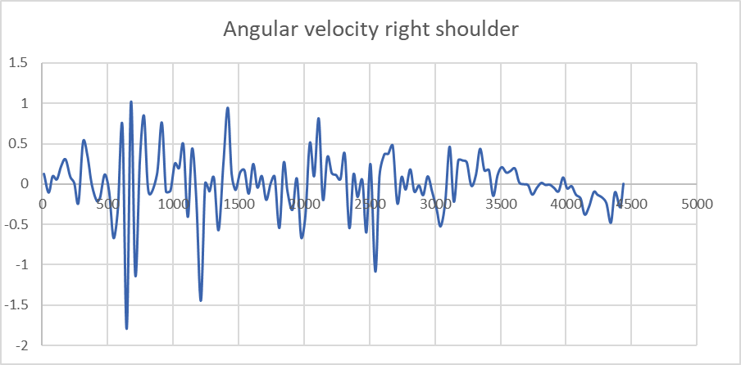
1610 | 134 | 58.3 | 160.2 | 167.2 | 91.6 | 61.1 | 170.4 | 146.3 | 96.3 | 99.5
1642 | 123.4 | 66.2 | 154.8 | 164 | 88.5 | 62.9 | 171.2 | 161.7 | 94.7 | 113.8
1676 | 128.3 | 64.7 | 156.4 | 170.2 | 81.9 | 63.2 | 172.2 | 160.3 | 93.2 | 141.1
1709 | 123.8 | 67.9 | 154.3 | 169.5 | 79.6 | 66.8 | 169.1 | 170.9 | 89.6 | 140.6
1743 | 135.4 | 61.2 | 154.9 | 166.5 | 78.8 | 67.3 | 168.3 | 178 | 86.7 | 130.3
1774 | 132.6 | 61.3 | 157.1 | 170.5 | 74 | 69.4 | 167.1 | 172.1 | 84.2 | 140.7
1810 | 129.5 | 64.5 | 153 | 169.5 | 71.2 | 74.2 | 162.9 | 174 | 80.2 | 143.7
1843 | 147.6 | 46.5 | 154.4 | 167.3 | 64.6 | 78.7 | 162.2 | 167.6 | 78.3 | 120.4
1872 | 134.3 | 54.1 | 153.7 | 172.7 | 75.4 | 72.1 | 158.2 | 169.8 | 75.9 | 119.9
1910 | 140.3 | 50.6 | 158.3 | 168.3 | 72.1 | 83.2 | 147.1 | 168.5 | 70.6 | 116.4
1944 | 146 | 39.7 | 156.5 | 171.8 | 72.8 | 90.2 | 145.1 | 172.6 | 71.1 | 115.4
1977 | 143.2 | 41.9 | 157.8 | 164.7 | 68.8 | 103.1 | 138.9 | 172.9 | 70.8 | 112.6
2010 | 161.9 | 20 | 157.4 | 167.2 | 81 | 97.7 | 135.3 | 173.4 | 71.4 | 110.4
2043 | 173 | 7.5 | 157.3 | 161.6 | 79.8 | 103.9 | 133.1 | 170.5 | 73.2 | 106.5
2076 | 159.7 | 24.3 | 156.1 | 163.2 | 12.7 | 156.9 | 131.3 | 169.5 | 75.5 | 139.2
2111 | 159.1 | 27.7 | 158.5 | 161.7 | 41.6 | 125.9 | 140.4 | 169.6 | 119.9 | 101.1
2143 | 134.9 | 53.7 | 157.1 | 158.6 | 59.2 | 105.7 | 144.4 | 171.6 | 145.7 | 101.4
2177 | 145.8 | 47.1 | 158.5 | 161.4 | 60.5 | 99.8 | 148 | 172.1 | 130.2 | 120.9
2211 | 135.3 | 58.5 | 156.4 | 156.7 | 68.5 | 90.4 | 159.5 | 172.4 | 137.9 | 122.6
2243 | 131.6 | 62.8 | 161.9 | 155.4 | 68.7 | 85.5 | 159.9 | 172.6 | 138.1 | 131.1
2277 | 131.9 | 66.6 | 160.1 | 158.6 | 66.2 | 87.4 | 172.9 | 173 | 142 | 124.4
2310 | 129.4 | 68.6 | 164.3 | 152.7 | 60.5 | 89 | 172.9 | 173.1 | 137.2 | 117.3
2345 | 119 | 81.6 | 162.8 | 157 | 67.8 | 82.8 | 178.2 | 170.9 | 143.6 | 116.8
2377 | 136.4 | 64.1 | 165.5 | 152.9 | 44.1 | 105.5 | 178.5 | 171.1 | 129.2 | 113.4
2408 | 132.2 | 67.8 | 165.3 | 157.2 | 74.7 | 74.8 | 179.5 | 167.2 | 140.8 | 112.7
2444 | 137.5 | 62 | 168.8 | 159.3 | 62.7 | 147.4 | 175 | 165.3 | 139.6 | 126.2
2475 | 133.8 | 63.5 | 168 | 160.4 | 48.6 | 102.1 | 172.1 | 159.1 | 137.1 | 122.6
2507 | 149.9 | 44.2 | 171.6 | 158.1 | 55.8 | 146 | 175.6 | 153.8 | 139 | 131.1
2544 | 137.8 | 53.2 | 167.6 | 159.2 | 64.6 | 98.1 | 172.9 | 146 | 136.6 | 115.7
2576 | 169.1 | 18.4 | 168.6 | 158.5 | 119.9 | 69.8 | 176.4 | 141.4 | 131.2 | 129.7
2612 | 152.8 | 22.2 | 165.9 | 159.9 | 161.4 | 13.7 | 176.1 | 141.3 | 130 | 123.7
2643 | 144.2 | 33.5 | 161.3 | 160.1 | 126.8 | 52.5 | 173.8 | 137.4 | 127.2 | 140.3
2677 | 136 | 46.2 | 160.5 | 159.5 | 142.1 | 33.5 | 171.3 | 143.3 | 124.3 | 130
2712 | 120.3 | 62.7 | 156.5 | 161.1 | 123.6 | 47.7 | 169.9 | 141.3 | 138.1 | 126.2
2745 | 133.3 | 54.8 | 155.2 | 159.7 | 120.1 | 49.7 | 167.5 | 147.8 | 137.6 | 108.2
2776 | 132.9 | 57.5 | 154.3 | 161.2 | 102 | 63.9 | 170.2 | 151.6 | 121.3 | 115.3
2811 | 137 | 55.1 | 153.1 | 163 | 90.2 | 71.5 | 173 | 159.8 | 123.7 | 138.3
2842 | 134.8 | 60.7 | 155 | 163.5 | 79.4 | 79.6 | 173.8 | 166.8 | 123 | 142.3
2878 | 139.3 | 57.3 | 154.1 | 164.4 | 74.4 | 82.3 | 173.9 | 171.2 | 121 | 138.2
2910 | 143 | 56.7 | 157.7 | 165.1 | 79.1 | 76.7 | 173.3 | 176.5 | 119.3 | 140.9
2944 | 148.5 | 52 | 154.3 | 165 | 75.7 | 78.2 | 173.3 | 177.9 | 117.7 | 135.2
2977 | 144.5 | 55.1 | 152.9 | 165.1 | 78.3 | 73.7 | 173.3 | 177.5 | 117.4 | 139.2
3013 | 147.3 | 51.9 | 151.8 | 163.9 | 65.1 | 84.8 | 173.4 | 175.6 | 115.4 | 138.8
3043 | 156.5 | 42.4 | 149.9 | 164.2 | 45.7 | 104.3 | 172.8 | 175.6 | 111.6 | 137.3
3078 | 173.5 | 24 | 150.2 | 163 | 3.9 | 154.2 | 171.7 | 175.1 | 112.2 | 136.5
3112 | 179.9 | 16.3 | 156.2 | 168.6 | 13.6 | 165.2 | 169 | 175.5 | 109.9 | 136.9
3144 | 137.1 | 31.1 | 147.7 | 163.9 | 69.3 | 137.7 | 166.9 | 175.9 | 106.7 | 138.4
3178 | 147 | 23.6 | 150.4 | 167.9 | 108.3 | 93.9 | 160.6 | 176.2 | 107.6 | 137.5
3213 | 139.4 | 33.8 | 152.7 | 166.6 | 100.5 | 96.2 | 155.7 | 177.4 | 120.5 | 136.5
3243 | 133.3 | 42.5 | 154.2 | 166.6 | 96.5 | 95 | 149.3 | 178.5 | 110.2 | 136.2
3278 | 125.5 | 51.9 | 155.9 | 165.5 | 89.9 | 96.3 | 143.5 | 179.9 | 115.5 | 135.6
3313 | 130.2 | 51.1 | 155.3 | 164.6 | 80.9 | 102.9 | 144.4 | 179.5 | 123.4 | 135
3345 | 130.4 | 54.7 | 159.4 | 167.5 | 79.7 | 99.8 | 140.9 | 179.4 | 115.6 | 133.7
3378 | 116.4 | 69.1 | 157.3 | 162.7 | 77.7 | 99.9 | 142.4 | 178.9 | 115 | 132.3
3412 | 115.3 | 74.8 | 158.3 | 164.1 | 74.7 | 100.4 | 142.9 | 179 | 114.5 | 132.9
3445 | 113 | 80.5 | 160.3 | 165.7 | 70.5 | 103.2 | 147.4 | 179.3 | 122.9 | 134.8
3478 | 119.3 | 75.6 | 159.2 | 163.7 | 75.2 | 97.3 | 151.4 | 178.5 | 107 | 133.2
3510 | 118.8 | 79 | 160.3 | 164.9 | 77.5 | 94.4 | 154.7 | 178.3 | 109.6 | 132.2
3546 | 112.8 | 86.5 | 160.6 | 162.6 | 79.9 | 91.3 | 157.4 | 178.1 | 112.5 | 131
3578 | 108.6 | 91 | 163.5 | 165.5 | 82.8 | 88 | 161 | 178.6 | 116.1 | 129.2
3612 | 105.1 | 96.5 | 161.4 | 162.8 | 83.2 | 87.5 | 163.1 | 178.8 | 120.8 | 128.4
3644 | 99.1 | 102.6 | 161.5 | 163 | 83.3 | 87.2 | 164.9 | 178.7 | 123.8 | 126.6
3677 | 96.9 | 103.2 | 162.3 | 163.7 | 84 | 86.3 | 166.1 | 178.8 | 122.2 | 126.8
3712 | 95.9 | 103.1 | 162.9 | 162.3 | 84.8 | 85.5 | 166.7 | 179.2 | 122.8 | 125.6
3744 | 95 | 102.6 | 163.6 | 162 | 85.4 | 84.9 | 167.5 | 179.6 | 123.9 | 126.2
3778 | 99.1 | 98.1 | 161.6 | 161.4 | 85.9 | 84.7 | 168.1 | 179.6 | 124 | 125.7
3812 | 99.7 | 96.4 | 161.4 | 160.9 | 86.9 | 84.1 | 169 | 179.8 | 124.4 | 126.7
3845 | 97.5 | 96.8 | 161.8 | 161.9 | 86.6 | 84.8 | 169.5 | 179.8 | 125.3 | 126.6
3878 | 96.2 | 96.4 | 161.9 | 162.4 | 85.7 | 86.1 | 170.2 | 179.6 | 125.8 | 127.9
3910 | 94.3 | 96.1 | 163.1 | 164.6 | 85.9 | 86.3 | 170.9 | 179.5 | 125.8 | 127.2
3945 | 94.2 | 94.4 | 163.7 | 166.5 | 87.2 | 85.6 | 171.7 | 179.2 | 126 | 126.4
3979 | 96.4 | 91.3 | 162.8 | 167.9 | 87.8 | 85.5 | 172.5 | 179.1 | 126.7 | 126.8
4010 | 92.3 | 93.8 | 162.7 | 169 | 88.3 | 85.6 | 173.2 | 178.8 | 126.3 | 127.1
4045 | 92.7 | 91.9 | 162.6 | 169.8 | 89.2 | 85.2 | 173.7 | 178.6 | 126.2 | 127.1
4077 | 91.9 | 91 | 163.4 | 169.9 | 88.8 | 86.3 | 174.6 | 178.4 | 126.2 | 126.7
4114 | 95.4 | 86.1 | 162.7 | 170.2 | 89.1 | 86.5 | 174.9 | 178 | 126 | 126.4
4144 | 99.3 | 80.6 | 162.1 | 169.7 | 89.1 | 87 | 175.3 | 177.9 | 125.6 | 126.5
4177 | 110.5 | 68.1 | 162 | 169.1 | 88.9 | 87.4 | 175.7 | 177.8 | 126.4 | 126.5
4214 | 120.3 | 57.5 | 161.5 | 168.4 | 89.9 | 86.6 | 176 | 177.9 | 125.5 | 125.7
4243 | 121.9 | 54.6 | 161.6 | 167.8 | 90.9 | 85.9 | 176.3 | 177.9 | 125.6 | 125.3
4280 | 126.2 | 49.6 | 161.6 | 167.4 | 91.6 | 85.3 | 176.3 | 177.8 | 125.3 | 125.7
4311 | 131 | 44.3 | 161.5 | 167.1 | 92.9 | 84.1 | 176.3 | 177.7 | 124.9 | 125.4
4345 | 139 | 36.1 | 161.6 | 166.9 | 94.2 | 82.9 | 176.2 | 177.7 | 125.5 | 125.5
4376 | 154 | 21.2 | 161.8 | 166.6 | 98.6 | 78.6 | 176.3 | 177.7 | 126.1 | 125.5
4416 | 157.8 | 17.1 | 162.3 | 166.1 | 101.9 | 75.5 | 176.5 | 177.7 | 126 | 125.2
4441 | 165 | 9.9 | 163.1 | 166 | 105.7 | 71.7 | 176.5 | 177.7 | 125.9 | 125.4

