Sheet1
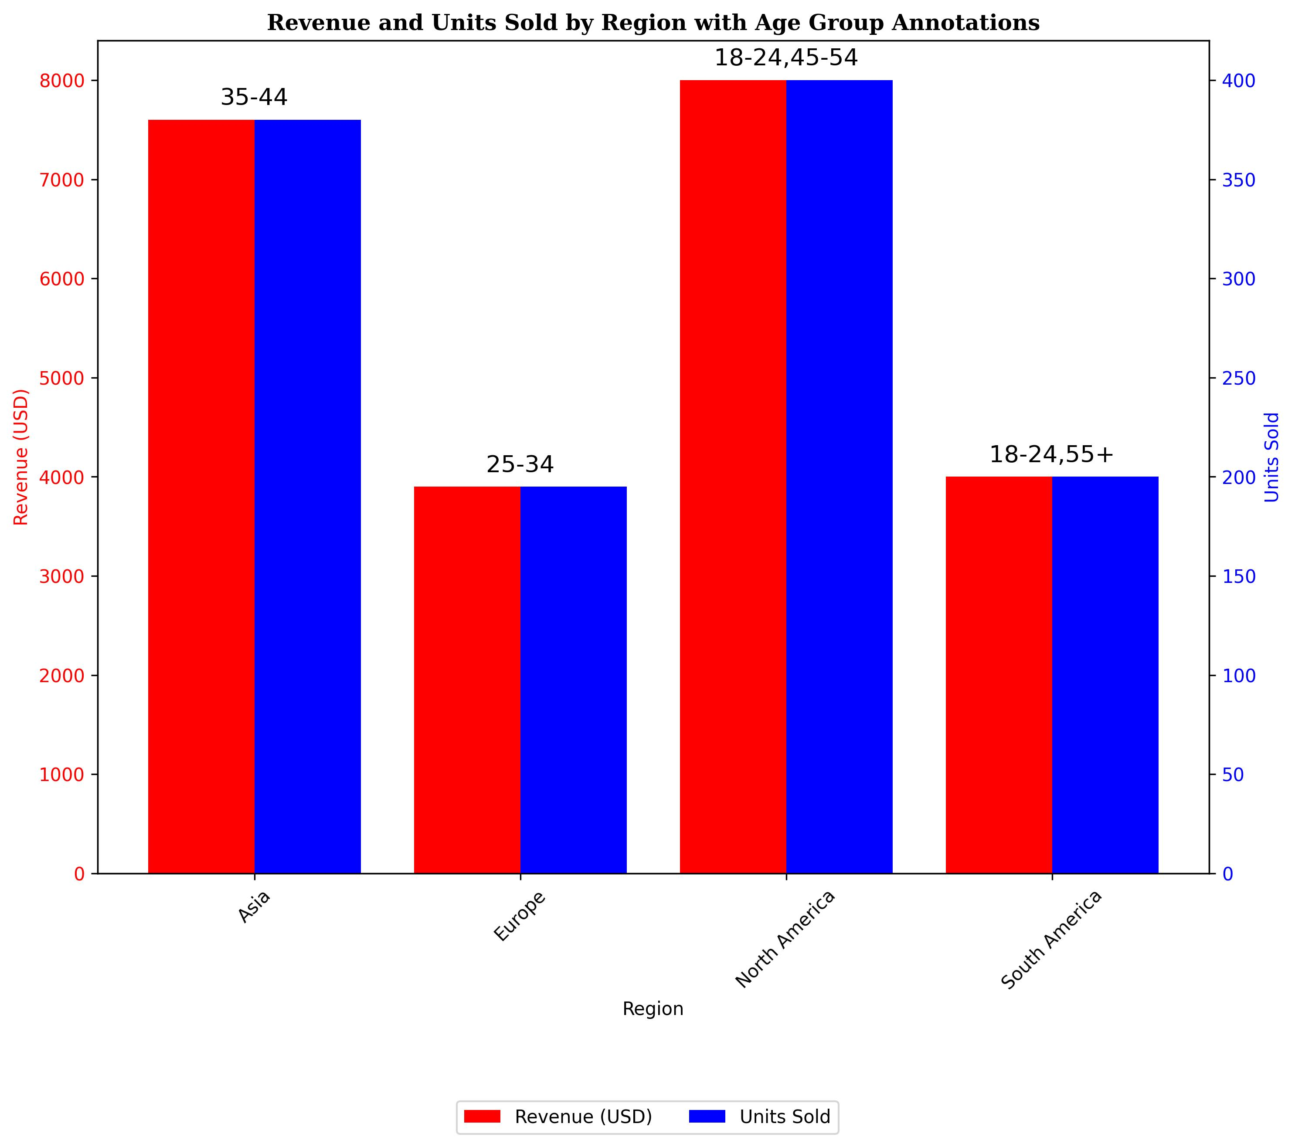
Grouped Data Table
Region | Revenue (USD) | Units Sold | Customer Age Group
Asia | 7600 | 380 | 35-44
Europe | 3900 | 195 | 25-34
North America | 8000 | 400 | 18-24,45-54
South America | 4000 | 200 | 18-24,55+
note:Grouped data by Regions. Chart shows revenue(red) and units sold(blue) with age group annotations

