Dashboard
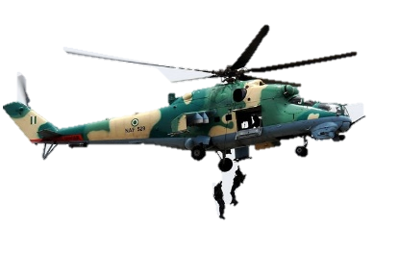
Air-craft Data Analysis | key
 | w/o | Write-off (Aircraft destroyed).
 | sub | substancial damage
Total Accidents
Total Fatalities
Total Aircraft
Non-Fatalities
 | min | minor damage
46
650
43
33
 | non | Non-accidental damage

Aircraft type & fatality dist.
 | Total
BAC One-Eleven 525FT | 103
Beechcraft B300 King Air 350i | 11
Boeing 737-2B7 | 96
Boeing 737-2L9 | 117
Dornier 228-212 | 20
Embraer EMB-120RT Brasilia | 16
Lockheed C-130H Hercules | 159
McDonnell Douglas DC-9-32 | 108
McDonnell Douglas DC-9-83 (MD-83) | 159
Fokker F-27 Friendship 400M | 18
Fatality trends by year
 | Total
2000 | 2
2001 | 1
2002 | 108
2003 | 0
2004 | 0
2005 | 227
2006 | 109
2008 | 3
2009 | 0
2010 | 0
2011 | 0
2012 | 159
2013 | 16
2014 | 0
2015 | 7
2018 | 0
2019 | 0
2021 | 18
2023 | 0
2024 | 0
Total fatality per Operator
 | Total
Sky Executive Airlines | 5
Associated Aviation | 16
Federal Nigerian Air Force | 18
ADC Airlines | 96
EAS Airlines | 103
Sosoliso Airlines | 108
Bellview Airlines | 117
Dana Air | 159
Nigerian Air Force - NAF | 200

Top 5 operators involved in accident
 | Total
Nigerian Air Force - NAF | 10
Skypower Express Airways | 2
Federal Nigerian Air Force | 2
Wings Aviation | 2
Dana Air | 2
Chanchangi Airlines | 2
Associated Aviation | 2
Accident severity
 | Total
min | 2
non | 1
sub | 13
w/o | 30
Accident trends by year
 | Total
2000 | 4
2001 | 4
2002 | 4
2003 | 2
2004 | 1
2005 | 5
2006 | 3
2008 | 2
2009 | 1
2010 | 1
2011 | 2
2012 | 2
2013 | 2
2014 | 1
2015 | 2
2018 | 4
2019 | 1
2021 | 3
2023 | 1
2024 | 1

