Sheet1
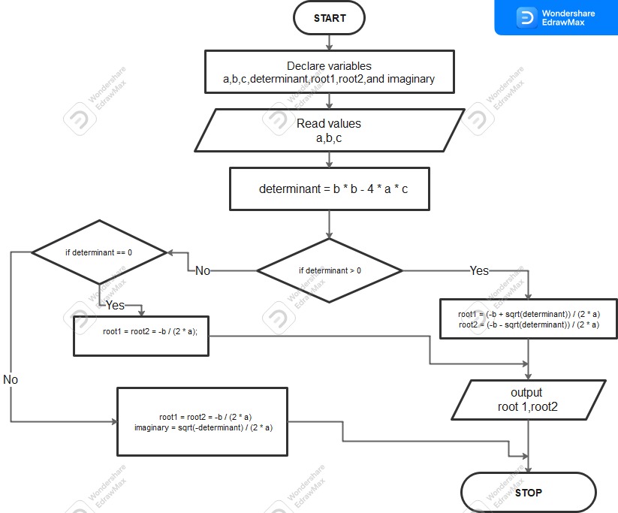
ENC221-0105/2022

