Cover
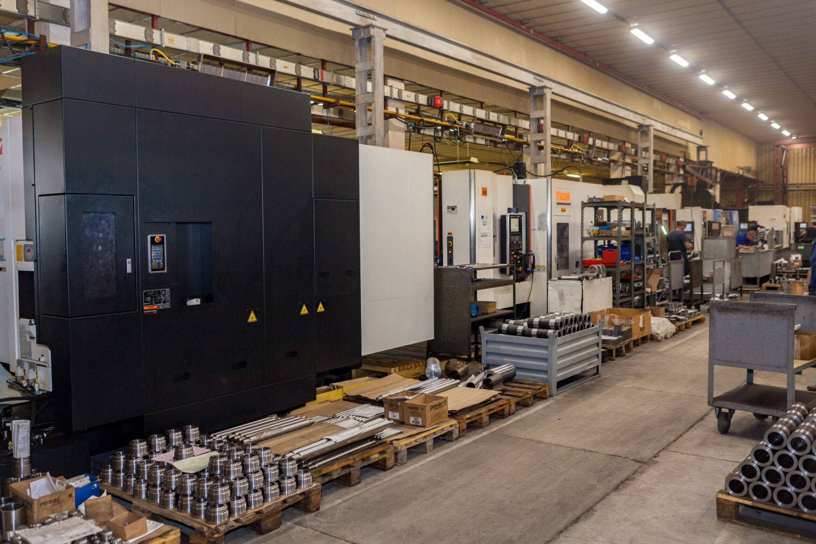

Kircovo Ltd
Financial analysis
and forecasting model

Forecast
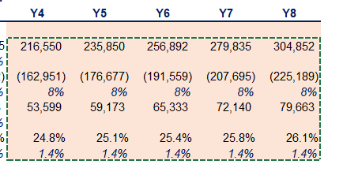
Base-case scenario
in 000' BGN | 2019 | 2020 | 2021 | 2022 | 2023 | 2024 | 2025 | 2026 | 2027 | 2028

Revenue | 8,822 | 8,906 | 12,183 | 17,782 | 15,483 | 18,539 | 22,221 | 26,661 | 32,024 | 38,514
Growth % |  | 1% | 37% | 46% | -13%
COGS | (6,823) | (7,312) | (9,758) | (14,476) | (11,996) | (14,155) | (16,703) | (19,710) | (23,258) | (27,444)
Growth % |  | 7% | 33% | 48% | -17% | 18% | 18% | 18% | 18% | 18%
Gross Profit | 1,999 | 1,594 | 2,425 | 3,306 | 3,487 | 4,384 | 5,517 | 6,951 | 8,767 | 11,070
Growth % |  | -20% | 52% | 36% | 5% | 26% | 26% | 26% | 26% | 26%
Gross profit margin | 23% | 18% | 20% | 19% | 23% | 23.6% | 24.8% | 26.1% | 27.4% | 28.7%
% change |  | -4.8% | 2.0% | -1.3% | 3.9% | 5.0% | 5.0% | 5.0% | 5.0% | 5.0%

Worst-case scenario
in 000' BGN | 2019 | 2020 | 2021 | 2022 | 2023 | 2024 | 2025 | 2026 | 2027 | 2028

Revenue | 8,822 | 8,906 | 12,183 | 17,782 | 15,483 | 18,404 | 21,881 | 26,021 | 30,952 | 36,828
Growth % |  | 1% | 37% | 46% | -13%
COGS | (6,823) | (7,312) | (9,758) | (14,476) | (11,996) | (14,155) | (16,703) | (19,710) | (23,258) | (27,444)
Growth % |  | 7% | 33% | 48% | -17% | 18% | 18% | 18% | 18% | 18%
Gross Profit | 1,999 | 1,594 | 2,425 | 3,306 | 3,487 | 4,248 | 5,177 | 6,311 | 7,695 | 9,384
Growth % |  | -20% | 52% | 36% | 5% | 22% | 22% | 22% | 22% | 22%
Gross profit margin | 22.7% | 17.9% | 19.9% | 18.6% | 22.5% | 23.1% | 23.7% | 24.3% | 24.9% | 25.5%
% change |  | -4.8% | 2.0% | -1.3% | 3.9% | 2.5% | 2.5% | 2.5% | 2.5% | 2.5%

Best-case scenario
in 000' BGN | 2019 | 2020 | 2021 | 2022 | 2023 | 2024 | 2025 | 2026 | 2027 | 2028

Revenue | 8,822 | 8,906 | 12,183 | 17,782 | 15,483 | 18,817 | 22,960 | 28,147 | 34,699 | 43,064
Growth % |  | 1% | 37% | 46% | -13%
COGS | (6,823) | (7,312) | (9,758) | (14,476) | (11,996) | (14,155) | (16,703) | (19,710) | (23,258) | (27,444)
Growth % |  | 7% | 33% | 48% | -17% | 18% | 18% | 18% | 18% | 18%
Gross Profit | 1,999 | 1,594 | 2,425 | 3,306 | 3,487 | 4,662 | 6,257 | 8,437 | 11,442 | 15,620
Growth % |  | -20% | 52% | 36% | 5% | 34% | 34% | 35% | 36% | 37%
Gross profit margin | 22.7% | 17.9% | 19.9% | 18.6% | 22.5% | 24.8% | 27.3% | 30.0% | 33.0% | 36.3%
% change |  | -4.8% | 2.0% | -1.3% | 3.9% | 10.0% | 10.0% | 10.0% | 10.0% | 10.0%

