YL43-example
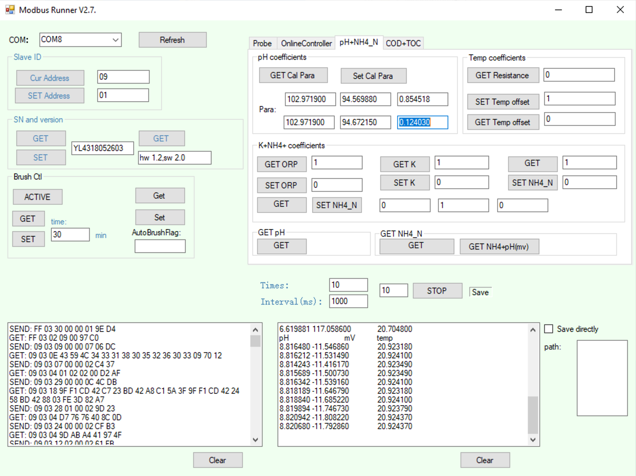
Y532 pH Calibrator
v0.2.1: 2020-09-10 |  |  |  |  |  |  | Calibration Standards: Known Values
Anthony Aufdenkampe <aaufdenkampe@limno.com> |  |  | Reference Standards | tap water | pH | at 25°C | 4.00 | pH | @ 25°C | 6.86 | pH | at 25°C | 9.18 | pH | at 25°C
 |  |  |  | Not used in calibration |  |  | Calibration Standards: Measured Values
Instructions |  |  |  | pH | E (mV) | T (°C) | pH | E (mV) | T (°C) | pH | E (mV) | T (°C) | pH | E (mV) | T (°C)
Calibration Date: | 2020-09-10 |  |  |  |  |  | 3.851003 | 280.7963 | 20.5838 | 6.500841 | 124.1004 | 20.6961 | 8.81648 | -11.54686 | 20.92318
 |  |  |  |  |  |  | 3.850221 | 280.8424 | 20.58349 | 6.542035 | 121.6635 | 20.69729 | 8.816212 | -11.53149 | 20.9241
1. GET & paste sensor info from Modbus Runner software. |  |  |  |  |  |  | 3.85114 | 280.7886 | 20.58438 | 6.565166 | 120.2951 | 20.69787 | 8.814243 | -11.41617 | 20.92349
SN: | YL4318052603 |  |  |  |  |  | 3.85063 | 280.8194 | 20.58529 | 6.580762 | 119.3726 | 20.70001 | 8.815689 | -11.50073 | 20.92349
Version: | hw 1.2,sw 2.0 |  |  |  |  |  | 3.850243 | 280.8424 | 20.5856 | 6.590508 | 118.796 | 20.70028 | 8.816342 | -11.53916 | 20.9241
pH+NH4_N: | pH coefficients (previous) |  |  |  |  |  | 3.848306 | 280.9577 | 20.58679 | 6.599736 | 118.2502 | 20.70181 | 8.818189 | -11.64679 | 20.92318
K1: | 102.971900 | mV at pH= 6.86 |  |  |  |  | 3.842073 | 281.3267 | 20.5874 | 6.606493 | 117.8504 | 20.70211 | 8.81884 | -11.68522 | 20.9241
K2: | 94.569880 | E0, mV at pH= 7, acidic |  |  |  |  | 3.84389 | 281.2191 | 20.58709 | 6.611691 | 117.543 | 20.70269 | 8.819894 | -11.74673 | 20.92379
K3: | 0.854518 | S0, acidic |  |  |  |  | 3.845187 | 281.1422 | 20.58679 | 6.61702 | 117.2278 | 20.70358 | 8.820942 | -11.80822 | 20.92437
K4: | 102.971900 | mV at pH= 6.86 |  |  |  |  | 3.84246 | 281.3036 | 20.58709 | 6.619881 | 117.0586 | 20.7048 | 8.82068 | -11.79286 | 20.92437
K5: | 94.672150 | E0, mV at pH= 7, alkaline
K6: | 0.124030 | S0, alkaline | Average | #DIV/0! | #DIV/0! | #DIV/0! | 3.848 | 281.004 | 20.586 | 6.583 | 119.216 | 20.701 | 8.818 | -11.621 | 20.924
 |  |  | Std | #DIV/0! | #DIV/0! | #DIV/0! | 0.004 | 0.220 | 0.001 | 0.038 | 2.246 | 0.003 | 0.002 | 0.134 | 0.000
3. Fill in reference standard known values. |  |  | %CV | #DIV/0! | #DIV/0! | #DIV/0! | 0.10% | 0.08% | 0.01% | 0.58% | 1.88% | 0.01% | 0.03% | -1.15% | 0.00%
Type into pale yellow cells H3, L3, P3

Calibration Curve
4."GET pH" & paste measured values for each standard. |  |  |  | Calibration Curve
Measure 3-10 "Times" to get best values. |  |  |  | X | Y |  |  |  | 2-point |  |  |  |  |  |  | X | Y
Paste into pale yellow cells. |  |  |  | pH | E (mV) | T (°C) | predicted Y | residual Y | predicted X |  |  |  |  |  |  | pH | E (mV) | T (°C)
 |  |  |  | 4.00 | 281.00 | 20.59 | 280.94 | 0.07 | 4.00 |  |  |  |  |  |  | 4.00 | 281.00 | 20.59
5. Delete calibration X:Y pairs that are not valid. |  |  |  | 6.86 | 119.22 | 20.70 | 119.36 | -0.15 | 6.86 |  |  |  |  |  |  | 6.86 | 119.22 | 20.70
Delete green values in pale yellow cells D25:E27 |  |  |  | 9.18 | -11.62 | 20.92 | -11.70 | 0.08 | 9.18 |  |  |  |  |  |  | 9.18 | -11.62 | 20.92

6. Re-SET "User Coefficients" to new calibration values. |  |  |  | pHiso | 7.00 | isopotential pH
Paste these blue values into Modbus Runner and hit "SET".
K1: | 119.215760 | mV at pH= 6.86 |  |  | S, slope | E0 | S0, slope correction
K2: | 111.296064 | E0, mV at pH= 7, acidic |  |  | mV/pH | mV at pHiso
K3: | -1.737751 | S0, acidic |  | acidic pH 4 to 6.86 | -56.569258741 | 111.29606378 | -1.7377510123
K4: | 119.215760 | mV at pH= 6.86 |  | alkaline pH 6.86 to 9.18 | -56.3953375 | 111.32041275 | -1.9559477928
K5: | 111.320413 | E0, mV at pH= 7, alkaline
Calibration Curvature
K6: | -1.955948 | S0, alkaline |  | ideal slope: | -58.3070 | mV/pH

7. Save this sheet for your records.
Rename tab with serial number and date, or keep a workbook for each serial number.

Background Information
Explanation of pH calibration equations, from YosemiTech
Nernst equation :E=E0+S*(7-pH) |  |  | S = 54.2+0.1984*t(℃) +S0 |  |  | Where S0 = 0,E0=0 by default.
K1=K4 = E (a sensor reading of mV at ph = 6.86)
K2 is actual E0 in acidic solution ph =4 |  |  |  |  | K5 is actual E0 in alkaline solution ph =9.18
K3 is actual S0 in acidic solution ph =4 |  |  |  |  | K6 is actual S0 in alkaline solution ph =9.18
If E1 is read at pH=4.00,E2 is read at pH = 6.86, E0 = (E2*(4.00-7)-E1*(6.86-7))/(4.00-6.86)

Bier2018-Hach-ElectrochemTheoryPractice_DOC182.53.90629.pdf
https://www.google.com/url?sa=t&rct=j&q=&esrc=s&source=web&cd=&ved=2ahUKEwiEhbGrxN_rAhUMbc0KHXdmAJ8QFjAJegQIBBAB&url=https%3A%2F%2Fwww.hach.com%2Fasset-get.download.jsa%3Fid%3D7672493965&usg=AOvVaw0aMsv1tmXVclWovq6qngYQ

Nerstt equation for pH:

 | slope = 2.303*RT/nF = -0.1984*T = | -59.15296 | mV/pH at 25°C | -54.2 | Adjustment for °C vs °K
 | R = | 8.31446 | J K−1 mol−1
 | F = | 96485.3 | C mol−1
 | 2.303*R/nF = | 0.19846 | mV/K, where 2.303 converts from ln to log10; 1000 mV/V; 1 C / 1 V

Theory and Practice of pH Measurement, Chapter 3 & Appendix B
https://www.emerson.com/documents/automation/manual-theory-practice-of-ph-measurement-rosemount-en-70736.pdf

https://en.wikipedia.org/wiki/Nernst_equation

