YL09-example
Y520 Temperature Calibrator |  |  |  |  |  |  |  | 34895.91 |  | 11773.31 |  | 12178.98
v0.2.1: 2022-04-07 |  |  |  |  |  |  | Calibration Standards: Known Values
Anthony Aufdenkampe <aaufdenkampe@limno.com> |  |  | Reference Standards | Distilled water | µS/cm |  | °C | 2.4 | °C | 29.4 | °C | 28.2 | °C
 |  |  |  | Not used in calibration |  |  | Calibration Standards: Measured Values (with default K=1 & B=0)
Instructions |  |  |  | mS/cm | °C |  | mS/cm | °C | mS/cm | °C | mS/cm | °C | mS/cm | °C
Calibration Date: | 2022-04-07 |  |  |  |  |  | 0.213513 | -3.933807 | 0.608157 | 20.90717 | 0.604271 | 20.19794
 |  |  |  |  |  |  | 0.213513 | -3.960266 | 0.607964 | 20.91315 | 0.604121 | 20.19556
1. GET & paste sensor info from Modbus Runner software. |  |  |  |  |  |  | 0.211817 | -3.958954 | 0.607815 | 20.97058 | 0.604543 | 20.19324
SN: | YL0917101101 |  |  |  |  |  | 0.213504 | -3.923859 | 0.607765 | 20.97659 | 0.604381 | 20.19089
Version: | hw 1.2,sw 1.7 |  |  |  |  |  | 0.214939 | -3.912628 | 0.607696 | 20.93347
Probe: | User Coefficients (previous) |  |  |  |  |  | 0.214939 | -3.91925 | 0.607414 | 20.93826
K: | 1.038646 | (slope) |  |  |  |  | 0.212396 | -3.870911 | 0.607062 | 20.94424
B: | 62.186000 | (intercept) |  |  |  |  | 0.215558 | -3.856323 | 0.607468 | 20.95142
 |  |  |  |  |  |  |  |  | 0.607015 | 20.95981
2. Re-SET "User Coefficients" to defaults. |  |  |  |  |  |  |  |  | 0.606394 | 20.96698
K: | 1.000000
B: | 0.000000 |  | Average | #DIV/0! | #DIV/0! |  | 0.213772 | -3.91700 | 0.607475 | 20.94617 | 0.604329 | 20.19441 | #DIV/0! | #DIV/0!
 |  |  | Std | #DIV/0! | #DIV/0! |  | 0.001300 | 0.03740 | 0.000528 | 0.02359 | 0.000178 | 0.00303 | #DIV/0! | #DIV/0!
3. Fill in reference standard known values. |  |  | %CV | #DIV/0! | #DIV/0! |  | 0.61% | -0.95% | 0.09% | 0.11% | 0.03% | 0.02% | #DIV/0! | #DIV/0!
Type into pale yellow cells G3, J3, M3, P3 |  |  | Converted units: | #DIV/0! | µS/cm |  | 213.77 | 269.23300 | 607.48 | 294.09617 | 604.33 | 293.34441 | #DIV/0! | #DIV/0!
 |  |  |  |  |  |  | µS/cm | °K | µS/cm | °K |  | °K |  | °K
Calibration Curve
 | References
2.40 | 34895.91
29.40 | 11773.31
28.20 | 12178.98
4."GET Cond" & paste measured values for each standard. |  |  |  | Calibration Curve
Measure 3-10 "Times" to get best values. |  |  |  | X | Y |  |  |  |  |  |  |  |  |  | X | Y | measured
Paste into pale yellow cells. |  |  |  | Measured | Reference |  | predicted Y | residual Y | calibrated X |  |  |  |  |  | Measured | Reference | Resistence
 |  |  |  | 2.40 | 34895.91 |  | 34881.47 | 14.44 | 34881.47 |  |  |  |  |  | -3.92 | 2.40 | 34895.91
5. Delete calibration X:Y pairs that are not valid. |  |  |  | 29.40 | 11773.31 |  | 11462.95 | 310.36 | 11462.95 |  |  |  |  |  | 20.95 | 29.40 | 11773.31
Delete green values in pale yellow cells D25:E28 |  |  |  | 28.20 | 12178.98 |  | 12503.77 | -324.79 | 12503.77 |  |  |  |  |  | 20.19 | 28.20 | 12178.98
 |  |  |  |  |  |  |  |  | 36963.12 |  |  |  |  |  | #DIV/0! | 0.00
6. Re-SET "User Coefficients" to new calibration values.
Paste these blue values into Modbus Runner and hit "SET". |  |  |  |  |  |  |  |  |  |  |  |  |  |  | NOTE:
K: | -867.352729 | slope |  | slope | -867.352729 |  |  |  |  |  |  |  |  |  | Standard practice is for calibration curves to have the known reference values on the X-axis, because they are the "independent" variable.
B: | 36963.121248 | intercept in mS/cm |  | intercept | 36963.121248 | °C |  |  |  |  |  |  |  |  | YosemiTech puts the measured values on the X-axis, despite it being the "independent variable".
 |  |  |  |  |  |  |  |  |  |  |  |  |  |  | Many other well-known sensor companies also follow this practice, even though it does not technically follow statistical best practice.

Calibration Curvature
 | Standards
2.40 | 14.44
29.40 | 310.36
28.20 | -324.79
 | 0.00
7. Save this sheet for your records.
Rename tab with serial number and date, or keep a workbook for each serial number.

Info
 |  |  |  |  |  |  |  |  |  | Steinhart-Hart equation |  |  |  |  | https://www.newport.com/medias/sys_master/images/images/h67/hc1/8797049487390/AN04-Thermistor-Calibration-and-Steinhart-Hart.pdf
 |  | John's Y520 |  |  |  | Beth's Y520 |  |  |  | 3-term form: | 1/T = C1+ C2 * ln(R) + C3 * ln(R)^3 |  |  |  | https://www.mstarlabs.com/sensors/thermistor-calibration.html
 |  | YL0917101101 |  |  |  |  |  |  |  | 2-term form: | 1/T = C1’ + C2’ * ln(R) |  |  |  | https://electronics.stackexchange.com/questions/454954/whats-the-simplest-way-to-calibrate-a-thermistor
 |  | hw 1.2,sw 1.7 |  |  |  |  |  |  |  |  |  |  |  |  | https://www.thinksrs.com/downloads/programs/Therm%20Calc/NTCCalibrator/NTCcalculator.htm
 | Temp coef. 1 | 1.038646 |  |  | C1' | 1.026438 |  |  | C1'
 | Temp coef. 2 | 62.186 |  |  | C2' | 132.3538 |  |  | C2'
 |  |  |  |  |  |  |  |  |  |  | Known Temp C | Measured Temp C | Known Temp K | known 1/T | Resistence Ω | ln(R) | intercept (A) | slope (B) | β (=1/B)
Kitchen Thermometer |  |  |  | 73.175548117 | 1/T |  |  | 142.8366802 | 1/T | John's Y520 | 0.1 | -6.201843 | 273.25 | 0.003659652333 | 39365.63 | 10.58064838 | 5.09E-04 | 2.97E-04 | 3370.2473969
0.1 | Temp in Ice water | -6.201843 | *C |  |  | 1.654358 | *C |  |  |  | 2.4 | -3.92 | 275.55 | 0.0036291054255 | 34895.91 | 10.460124909
 |  | 266.948157 | *K | 0.013665767128 | T | 274.804358 | *K | 0.0070010028138 | T | John's Y520 | 21.0 | 11.76456 | 294.15 | 0.0033996260411 | 17382.29 | 9.7632071508
 | Resistance | 39365.63 |  | 10.58064838 | ln(R) | 27251.73 |  | 10.212872284 | ln(R) |  | 28.2 | 20.19 | 301.35 | 0.0033184005309 | 12178.98 | 9.4074667939
 |  |  |  |  |  |  |  |  |  |  | 29.4 | 20.95 | 302.55 | 0.0033052388035 | 11773.31 | 9.3735903842
21 | Temp in room temp | 11.76456 | *C |  |  | 18.98749 | *C |  |  |  | 7.6 |  | 280.75 | 0.0035618878005 | 27763.96 | 10.231494056
 |  | 284.91456 | *K |  |  | 292.13749 | *K
 | Resistance | 17382.29 |  |  |  | 12812.24 |  |  |  | Beth's Y520 | 0.1 | 1.654358 | 273.25 | 0.003659652333 | 27251.73 | 10.212872284 | 1.41E-04 | 3.45E-04
 |  |  |  |  |  |  |  |  |  | Beth's Y520 | 21.0 | 18.98749 | 294.15 | 0.0033996260411 | 12812.24 | 9.458156243

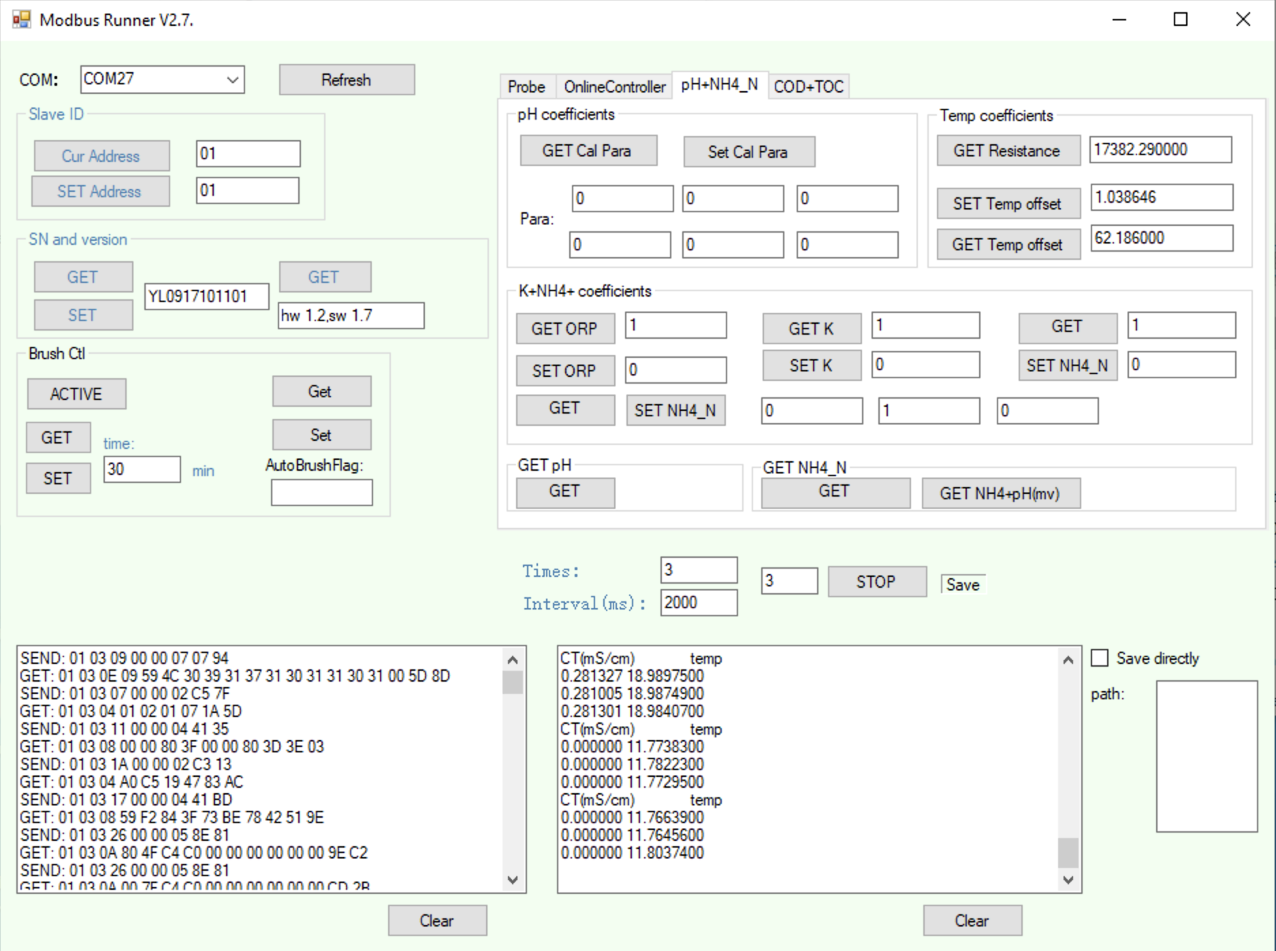

10.58064838 | 0.003659652333
10.460124909 | 0.0036291054255
9.7632071508 | 0.0033996260411
9.4074667939 | 0.0033184005309
9.3735903842 | 0.0033052388035
10.231494056 | 0.0035618878005

method from YosemiTech
From: 高文幸 <wenxing@yosemitech.com> |  |  |  |  |  | Hi Anthony，
Date: Thursday, April 7, 2022 at 8:34 PM |  |  |  |  |  | We do use Steinhart-Hart model to calculate temperature.
To: mike <mike@yosemitech.com>, Anthony Aufdenkampe <aaufdenkampe@limno.com> |  |  |  |  |  | But the temperature calibration coefficients including Slope and Offset are working on resistance.
Cc: 孙贤 <sunxian@yosemitech.com> |  |  |  |  |  | For example : At 5 degrees Celsius , read resistance value recorded as X.
Subject: Re: Help with temperature calibration of Y520 |  |  |  |  |  | At 30 degrees Celsius , read resistance value recorded as Y .
 |  |  |  |  |  | Then K = (23462.8-8196.25)/(X-Y);
 |  |  |  |  |  | B = 23462.8-X*(23462.8-8196.25)/(X-Y).
 | Temp C | Ref resistence (from table) | Measured Resistence (with K=1, B=0) |  | New Temp Calibration Coefficients
X | 5 | 23462.8 | 31310 | K: | 0.77185651449
Y | 30 | 8196.25 | 11531 | B: | -704.02746853
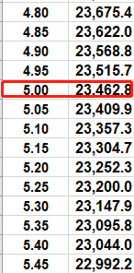
 |  |  | NOTE: only measure after resetting temp K=1, B=0
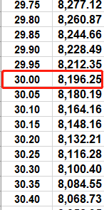
Measured (after resetting temp K=1, B=0) based on interpolation from the online calculator below.
https://www.thinksrs.com/downloads/programs/Therm%20Calc/NTCCalibrator/NTCcalculator.htm
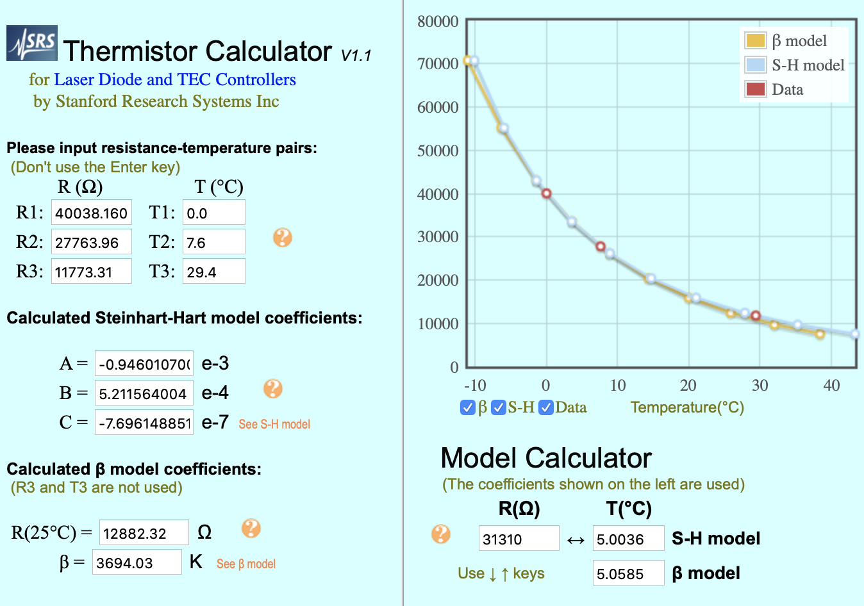

 |  |  |  |  |  | Then write K and B.
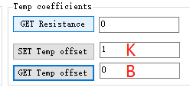

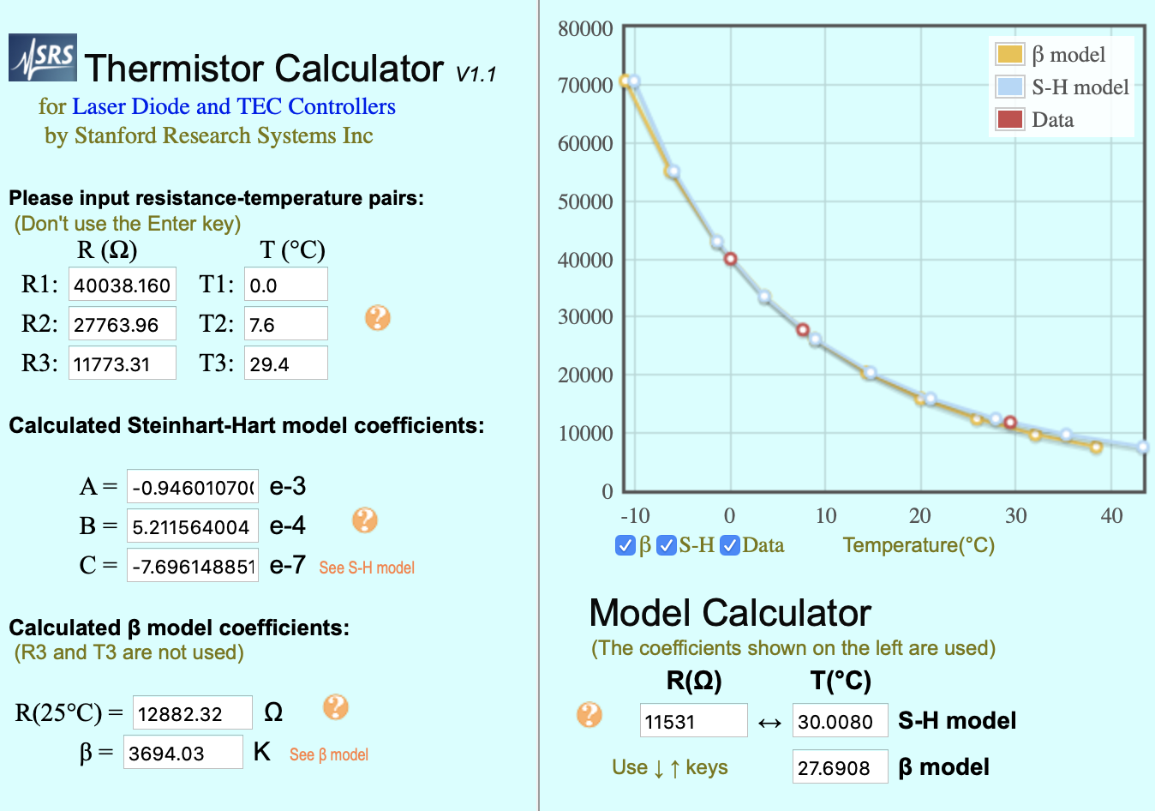
 |  |  |  |  |  | This method is worked for Conductivity too.
 |  |  |  |  |  | The turbidity is not recommended for calibration.
 |  |  |  |  |  | Best Regards,
 |  |  |  |  |  | Zoe

