YL09-example
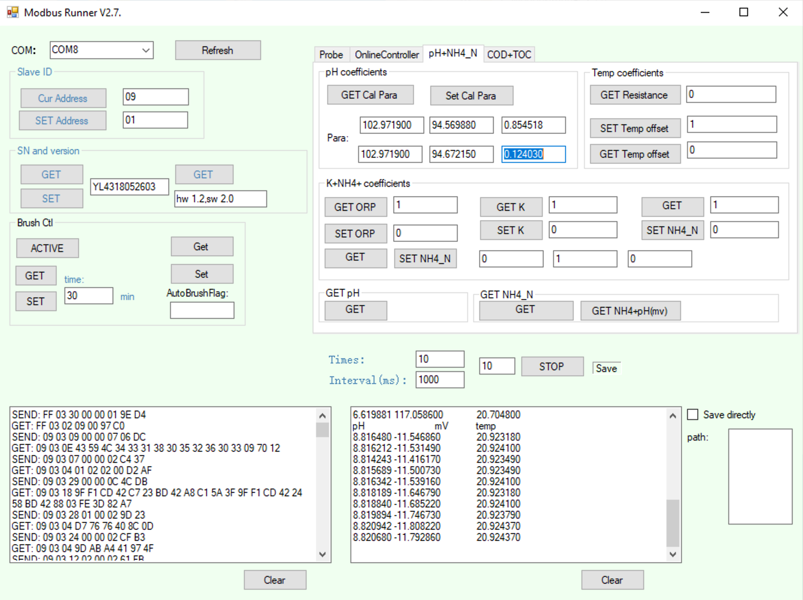
Y532 pH Calibrator
v0.2.0: 2020-09-10 |  |  |  |  |  | Calibration Standards: Known Values
Anthony Aufdenkampe <aaufdenkampe@limno.com> |  | Reference Standards | tap water | pH | @ 25°C | 4.00 | pH | @ 25°C | 6.86 | pH | @ 25°C | 9.18 | pH | @ 25°C
 |  |  | Not used in calibration |  |  | Calibration Standards: Measured Values
Instructions |  |  | pH | mV | °C | pH | mV | °C | pH | mV | °C | pH | mV | °C
Calibration Date: | 2020-09-10 |  |  |  |  | 3.851003 | 280.7963 | 20.5838 | 6.500841 | 124.1004 | 20.6961 | 8.81648 | -11.54686 | 20.92318
 |  |  |  |  |  | 3.850221 | 280.8424 | 20.58349 | 6.542035 | 121.6635 | 20.69729 | 8.816212 | -11.53149 | 20.9241
1. GET & paste sensor info from Modbus Runner software. |  |  |  |  |  | 3.85114 | 280.7886 | 20.58438 | 6.565166 | 120.2951 | 20.69787 | 8.814243 | -11.41617 | 20.92349
SN: | YL4318052603 |  |  |  |  | 3.85063 | 280.8194 | 20.58529 | 6.580762 | 119.3726 | 20.70001 | 8.815689 | -11.50073 | 20.92349
Version: | hw 1.2,sw 2.0 |  |  |  |  | 3.850243 | 280.8424 | 20.5856 | 6.590508 | 118.796 | 20.70028 | 8.816342 | -11.53916 | 20.9241
pH+NH4_N: | pH coefficients (previous) |  |  |  |  | 3.848306 | 280.9577 | 20.58679 | 6.599736 | 118.2502 | 20.70181 | 8.818189 | -11.64679 | 20.92318
K1: | 102.971900 |  |  |  |  | 3.842073 | 281.3267 | 20.5874 | 6.606493 | 117.8504 | 20.70211 | 8.81884 | -11.68522 | 20.9241
K2: | 94.569880 |  |  |  |  | 3.84389 | 281.2191 | 20.58709 | 6.611691 | 117.543 | 20.70269 | 8.819894 | -11.74673 | 20.92379
K3: | 0.854518 |  |  |  |  | 3.845187 | 281.1422 | 20.58679 | 6.61702 | 117.2278 | 20.70358 | 8.820942 | -11.80822 | 20.92437
K4: | 102.971900 |  |  |  |  | 3.84246 | 281.3036 | 20.58709 | 6.619881 | 117.0586 | 20.7048 | 8.82068 | -11.79286 | 20.92437
K5: | 94.672150
K6: | 0.124030 | Average | #DIV/0! | #DIV/0! | #DIV/0! | 3.848 | 281.004 | 20.586 | 6.583 | 119.216 | 20.701 | 8.818 | -11.621 | 20.924
 |  | Std | #DIV/0! | #DIV/0! | #DIV/0! | 0.004 | 0.220 | 0.001 | 0.038 | 2.246 | 0.003 | 0.002 | 0.134 | 0.000
3. Fill in reference standard known values. |  | %CV | #DIV/0! | #DIV/0! | #DIV/0! | 0.10% | 0.08% | 0.01% | 0.58% | 1.88% | 0.01% | 0.03% | -1.15% | 0.00%
Type into pale yellow cells H3, L3, P3

Calibration Curve
4."GET pH" & paste measured values for each standard. |  |  | Calibration Curve
Measure 3-10 "Times" to get best values. |  |  | X | Y |  |  |  |  |  |  |  |  |  |  | X | Y
Paste into pale yellow cells. |  |  | pH | E(T), mV |  | predicted Y | residual Y |  |  |  |  |  |  |  | pH | E(T), mV | temp
 |  |  | 4.00 | 281.00 | 20.59 | 280.94 | 0.07 |  |  |  |  |  |  |  | 4.00 | 281.00 | 20.59
5. Delete calibration X:Y pairs that are not valid. |  |  | 6.86 | 119.22 | 20.70 | 119.36 | -0.15 |  |  |  |  |  |  |  | 6.86 | 119.22 | 20.70
Delete green values in pale yellow cells D25:E27 |  |  | 9.18 | -11.62 | 20.92 | -11.70 | 0.08 |  |  |  |  |  |  |  | 9.18 | -11.62 | 20.92

6. Re-SET "User Coefficients" to new calibration values. |  |  | pHiso | 7.00 | isopotential pH
Paste these blue values into Modbus Runner and hit "SET". |  |  |  |  |  |  |  |  |  |  |  |  |  |  | Explanation of pH calibration equations
K1: | 119.215760 |  |  | Slope | mV@pHiso | temp correction |  |  |  |  |  |  |  |  | Nernst equation :E=E0+S*(7-pH) |  |  | S = 54.2+0.1984*t(℃) +S0 |  | Where S0 = 0,E0=0 by default.
K2: | 111.296064 |  | measured 4 to 6.86 | -56.569258741 | 111.29606378 | -1.7149584235 |  |  |  |  |  |  |  |  | K1=K4 = E (a sensor reading of mV at ph = 6.86)
K3: | -1.714958 |  | measured 6.86 to 9.18 | -56.3953375 | 111.32041275 | -1.9559477928 |  |  |  |  |  |  |  |  | K2 is actual E0 in acidic solution ph =4 |  |  |  | K5 is actual E0 in alkaline solution ph =9.18
K4: | 119.215760 |  |  |  |  |  |  |  |  |  |  |  |  |  | K3 is actual S0 in acidic solution ph =4 |  |  |  | K6 is actual S0 in alkaline solution ph =9.18
K5: | 111.320413 |  | theoretical slope = -0.1984*T | -54.19296 |  |  |  |  |  |  |  |  |  |  | If E1 is read at pH=4.00,E2 is read at pH = 6.86, E0 = (E2*(4.00-7)-E1*(6.86-7))/(4.00-6.86)
Calibration Curvature
K6: | -1.955948

7. Save this sheet for your records.
Rename tab with serial number and date, or keep a workbook for each serial number.

YL09-blank
Y511 Conductivity Calibrator
v0.2.0: 2020-09-10 |  |  |  |  |  |  | Calibration Standards: Known Values
Anthony Aufdenkampe <aaufdenkampe@limno.com> |  |  | Reference Standards |  | µS/cm |  |  | µS/cm |  | µS/cm |  | µS/cm |  | µS/cm
 |  |  |  | Not used in calibration |  |  | Calibration Standards: Measured Values
Instructions |  |  |  | mS/cm | °C |  | mS/cm | °C | mS/cm | °C | mS/cm | °C | mS/cm | °C
Calibration Date:

1. GET & paste sensor info from Modbus Runner software.
SN:
Version:
Probe: | User Coefficients (previous)
K: |  | (slope)
B: |  | (intercept)

2. Re-SET "User Coefficients" to defaults.
K: | 1.000000
B: | 0.000000 |  | Average | #DIV/0! | #DIV/0! |  | #DIV/0! | #DIV/0! | #DIV/0! | #DIV/0! | #DIV/0! | #DIV/0! | #DIV/0! | #DIV/0!
 |  |  | Std | #DIV/0! | #DIV/0! |  | #DIV/0! | #DIV/0! | #DIV/0! | #DIV/0! | #DIV/0! | #DIV/0! | #DIV/0! | #DIV/0!
3. Fill in reference standard known values. |  |  | %CV | #DIV/0! | #DIV/0! |  | #DIV/0! | #DIV/0! | #DIV/0! | #DIV/0! | #DIV/0! | #DIV/0! | #DIV/0! | #DIV/0!
Type into pale yellow cells G3, J3, M3, P3 |  |  | Measured | #DIV/0! | µS/cm |  | #DIV/0! | µS/cm | #DIV/0! | µS/cm | #DIV/0! | µS/cm | #DIV/0! | µS/cm

Calibration Curve
 | References
0.00 | 0.00
0.00 | 0.00
0.00 | 0.00
0.00 | 0.00
4."GET Cond" & paste measured values for each standard. |  |  |  | Calibration Curve
Measure 3-10 "Times" to get best values. |  |  |  | X | Y |  |  |  |  |  |  |  |  |  | X | Y
Paste into pale yellow cells. |  |  |  | Measured | Reference |  | predicted Y | residual Y |  |  |  |  |  |  | Measured | Reference
 |  |  |  | #DIV/0! | 0.00 |  |  | #VALUE! |  |  |  |  |  |  | #DIV/0! | 0.00
5. Delete calibration X:Y pairs that are not valid. |  |  |  | #DIV/0! | 0.00 |  |  | #VALUE! |  |  |  |  |  |  | #DIV/0! | 0.00
Delete green values in pale yellow cells D25:E28 |  |  |  | #DIV/0! | 0.00 |  |  | #VALUE! |  |  |  |  |  |  | #DIV/0! | 0.00
 |  |  |  | #DIV/0! | 0.00 |  |  | #VALUE! |  |  |  |  |  |  | #DIV/0! | 0.00
6. Re-SET "User Coefficients" to new calibration values.
Paste these blue values into Modbus Runner and hit "SET". |  |  |  |  |  |  |  |  |  |  |  |  |  |  | NOTE:
K: | #DIV/0! | slope |  | slope | #DIV/0! |  |  |  |  |  |  |  |  |  | Standard practice is for calibration curves to have the known reference values on the X-axis, because they are the "independent" variable.
B: | #DIV/0! | intercept in mS/cm |  | intercept | #DIV/0! | µS/cm |  |  |  |  |  |  |  |  | YosemiTech puts the measured values on the X-axis, despite it being the "independent variable". Many other well-known sensor companies also follow this practice, even though it does not technically follow statistical best practice.

Calibration Curvature
 | Standards
0.00 | 0.00
0.00 | 0.00
0.00 | 0.00
0.00 | 0.00
 |  |  |  | intercept | #DIV/0! | mS/cm
7. Save this sheet for your records.
Rename tab with serial number and date, or keep a workbook for each serial number.

 |  |  |  |  |  |  | 947.52 | µS/cm | 512.36 | µS/cm | 218.41 | µS/cm | -0.37 | µS/cm
 |  |  |  |  |  |  | 0.0000 |  | 0.0000 |  | 0.0000
 |  |  |  |  |  |  | 0.947518 | 22.31555 | 0.512363 | 22.34501 | 0.218414 | 22.38724 | -0.000375 | 22.33570
 |  |  |  |  |  |  | 0.000350 | 0.03182 | 0.000402 | 0.02382 | 0.000648 | 0.03006 | 0.000080 | 0.03018
 |  |  |  |  |  |  | 0.04% | 0.14% | 0.08% | 0.11% | 0.30% | 0.13% | -21.44% | 0.14%

 |  |  |  |  |  |  | 0.947568 | 22.32642 | 0.512547 | 22.31027 | 0.21909 | 22.40836 | -0.000359 | 22.3512
 |  |  |  |  |  |  | 0.94743 | 22.26813 | 0.512811 | 22.34995 | 0.217916 | 22.34995 | -0.000417 | 22.34995
 |  |  |  |  |  |  | 0.947959 | 22.33258 | 0.51189 | 22.3562 | 0.217805 | 22.41461 | -0.000453 | 22.3512
 |  |  |  |  |  |  | 0.947115 | 22.33508 | 0.512203 | 22.36362 | 0.218845 | 22.37604 | -0.000269 | 22.29044

