YL43-CWS
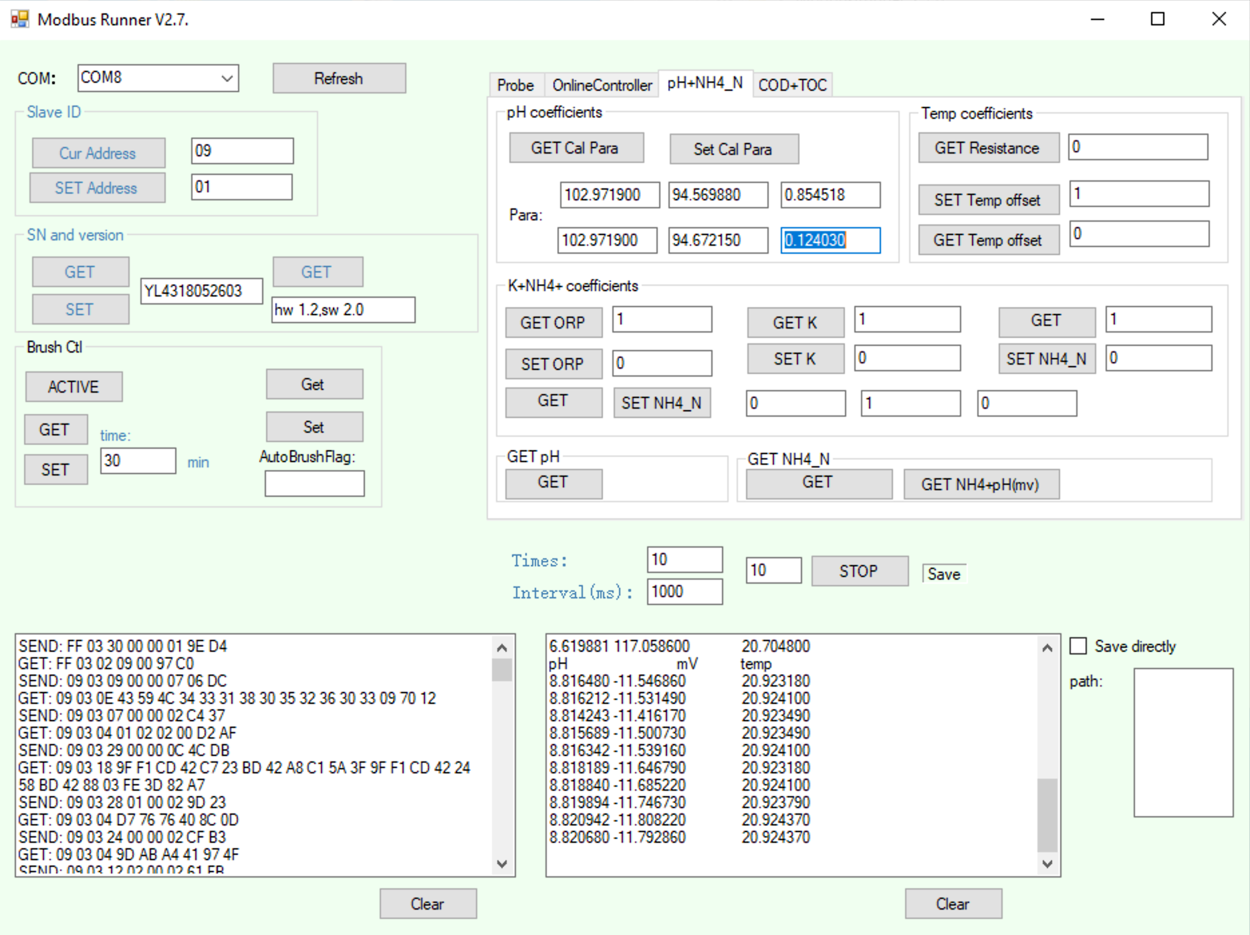
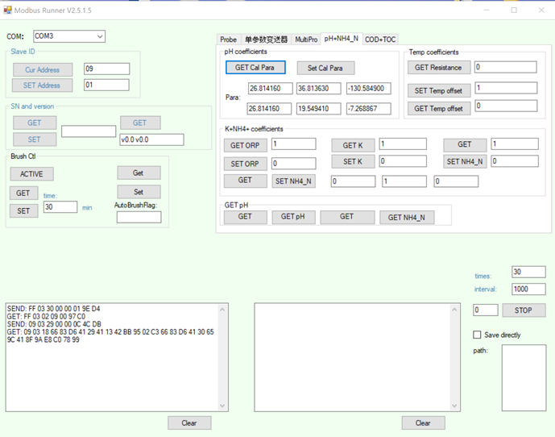
Y532 pH Calibrator
v0.2.0: 2020-09-10 |  |  |  |  |  | Calibration Standards: Known Values
Anthony Aufdenkampe <aaufdenkampe@limno.com> |  | Reference Standards | 7 | pH | @ 25°C | 4.00 | pH | @ 25°C | 6.86 | pH | @ 25°C | 10 | pH | @ 25°C
 |  |  | Not used in calibration |  |  | Calibration Standards: Measured Values
Instructions |  |  | pH | mV | °C | pH | mV | °C | pH | mV | °C | pH | mV | °C
Calibration Date: | 2020-09-08 |  |  | 23.1779 | 22 |  | 191.213 | 22 |  | 26.10692 | 22 |  | -153.528 | 22
 |  |  |  |  |  |  | 193.8498
1. GET & paste sensor info from Modbus Runner software.
SN:
Version:
pH+NH4_N: | pH coefficients (previous)
K1: | 26.814160
K2: | 36.813630
K3: | -130.584900
K4: | 26.814160
K5: | 19.549410
K6: | -7.268867 | Average | #DIV/0! | 23.178 | 22.000 | #DIV/0! | 192.531 | 22.000 | #DIV/0! | 26.107 | 22.000 | #DIV/0! | -153.528 | 22.000
 |  | Std | #DIV/0! | #DIV/0! | #DIV/0! | #DIV/0! | 1.864 | #DIV/0! | #DIV/0! | #DIV/0! | #DIV/0! | #DIV/0! | #DIV/0! | #DIV/0!
3. Fill in reference standard known values. |  | %CV | #DIV/0! | #DIV/0! | #DIV/0! | #DIV/0! | 0.97% | #DIV/0! | #DIV/0! | #DIV/0! | #DIV/0! | #DIV/0! | #DIV/0! | #DIV/0!
Type into pale yellow cells H3, L3, P3

Calibration Curve
4."GET pH" & paste measured values for each standard. |  |  | Calibration Curve
Measure 3-10 "Times" to get best values. |  |  | X | Y |  |  |  |  |  |  |  |  |  |  | X | Y
Paste into pale yellow cells. |  |  | pH | E(T), mV |  | predicted Y | residual Y |  |  |  |  |  |  |  | pH | E(T), mV | temp
 |  |  | 4.00 | 192.53 | 22.00 | 192.02 | 0.51 |  |  |  |  |  |  |  | 4.00 | 192.53 | 22.00
5. Delete calibration X:Y pairs that are not valid. |  |  | 6.86 | 26.11 | 22.00 | 27.09 | -0.98 |  |  |  |  |  |  |  | 6.86 | 26.11 | 22.00
Delete green values in pale yellow cells D25:E27 |  |  | 10.00 | -153.53 | 22.00 | -153.99 | 0.47 |  |  |  |  |  |  |  | 10.00 | -153.53 | 22.00

6. Re-SET "User Coefficients" to new calibration values. |  |  | pHiso | 7.00 | isopotential pH
Paste these blue values into Modbus Runner and hit "SET". |  |  |  |  |  |  |  |  |  |  |  |  |  |  | Explanation of pH calibration equations
K1: | 26.106920 |  |  | Slope | mV@pHiso | temp correction |  |  |  |  |  |  |  |  | Nernst equation :E=E0+S*(7-pH) |  |  | S = 54.2+0.1984*t(℃) +S0 |  | Where S0 = 0,E0=0 by default.
K2: | 17.960267 |  | measured 4 to 6.86 | -58.190377622 | 17.960267133 | -0.37442237762 |  |  |  |  |  |  |  |  | K1=K4 = E (a sensor reading of mV at ph = 6.86)
K3: | -0.374422 |  | measured 6.86 to 10 | -57.208573248 | 18.097719745 | -1.3562267516 |  |  |  |  |  |  |  |  | K2 is actual E0 in acidic solution ph =4 |  |  |  | K5 is actual E0 in alkaline solution ph =9.18
K4: | 26.106920 |  |  |  |  |  |  |  |  |  |  |  |  |  | K3 is actual S0 in acidic solution ph =4 |  |  |  | K6 is actual S0 in alkaline solution ph =9.18
K5: | 18.097720 |  | theoretical slope = -0.1984*T | -54.19296 |  |  |  |  |  |  |  |  |  |  | If E1 is read at pH=4.00,E2 is read at pH = 6.86, E0 = (E2*(4.00-7)-E1*(6.86-7))/(4.00-6.86)
Calibration Curvature
K6: | -1.356227

7. Save this sheet for your records.
Rename tab with serial number and date, or keep a workbook for each serial number.

YL43-YosemiTech1
Y532 pH Calibrator
v0.2.0: 2020-09-10 |  |  |  |  |  |  | Calibration Standards: Known Values
Anthony Aufdenkampe <aaufdenkampe@limno.com> |  |  | Reference Standards | 7 | pH | @ 25°C | 4.00 | pH | @ 25°C | 6.86 | pH | @ 25°C | 9.18 | pH | @ 25°C
 |  |  |  | Not used in calibration |  |  | Calibration Standards: Measured Values
Instructions |  |  |  | pH | mV | °C | pH | mV | °C | pH | mV | °C | pH | mV | °C
Calibration Date: | 2019-06-01 |  |  |  | 23.1779 | 22 |  | 240 | 25 |  | 70 | 25 |  | -60 | 25

1. GET & paste sensor info from Modbus Runner software.
SN:
Version:
pH+NH4_N: | pH coefficients (previous)
K1: | 70.000000
K2: | 61.678322
K3: | 0.280559
K4: | 70.000000
K5: | 62.155172
K6: | -3.125517 |  | Average | #DIV/0! | 23.178 | 22.000 | #DIV/0! | 240.000 | 25.000 | #DIV/0! | 70.000 | 25.000 | #DIV/0! | -60.000 | 25.000
 |  |  | Std | #DIV/0! | #DIV/0! | #DIV/0! | #DIV/0! | #DIV/0! | #DIV/0! | #DIV/0! | #DIV/0! | #DIV/0! | #DIV/0! | #DIV/0! | #DIV/0!
3. Fill in reference standard known values. |  |  | %CV | #DIV/0! | #DIV/0! | #DIV/0! | #DIV/0! | #DIV/0! | #DIV/0! | #DIV/0! | #DIV/0! | #DIV/0! | #DIV/0! | #DIV/0! | #DIV/0!
Type into pale yellow cells H3, L3, P3

Calibration Curve
4."GET pH" & paste measured values for each standard. |  |  |  | Calibration Curve
Measure 3-10 "Times" to get best values. |  |  |  | X | Y |  |  |  |  |  |  |  |  |  |  | X | Y
Paste into pale yellow cells. |  |  |  | pH | E(T), mV |  | predicted Y | residual Y |  |  |  |  |  |  |  | pH | E(T), mV | temp
 |  |  |  | 4.00 | 240.00 | 25.00 | 238.70 | 1.30 |  |  |  |  |  |  |  | 4.00 | 240.00 | 25.00
5. Delete calibration X:Y pairs that are not valid. |  |  |  | 6.86 | 70.00 | 25.00 | 72.90 | -2.90 |  |  |  |  |  |  |  | 6.86 | 70.00 | 25.00
Delete green values in pale yellow cells D25:E27 |  |  |  | 9.18 | -60.00 | 25.00 | -61.60 | 1.60 |  |  |  |  |  |  |  | 9.18 | -60.00 | 25.00

6. Re-SET "User Coefficients" to new calibration values. |  |  |  | pHiso | 7.00 | isopotential pH
Paste these blue values into Modbus Runner and hit "SET". |  |  |  |  |  |  |  |  |  |  |  |  |  |  |  | Explanation of pH calibration equations
K1: | 70.000000 | 0 |  |  | Slope | mV@pHiso | temp correction |  |  |  |  |  |  |  |  | Nernst equation :E=E0+S*(7-pH) |  |  | S = 54.2+0.1984*t(℃) +S0 |  | Where S0 = 0,E0=0 by default.
K2: | 61.678322 | 0 |  | measured 4 to 6.86 | -59.440559441 | 61.678321678 | 0.28055944056 |  |  |  |  |  |  |  |  | K1=K4 = E (a sensor reading of mV at ph = 6.86)
K3: | 0.280559 | 7.1054273576E-15 |  | measured 6.86 to 9.18 | -56.034482759 | 62.155172414 | -3.1255172414 |  |  |  |  |  |  |  |  | K2 is actual E0 in acidic solution ph =4 |  |  |  | K5 is actual E0 in alkaline solution ph =9.18
K4: | 70.000000 | 0 |  |  |  |  |  |  |  |  |  |  |  |  |  | K3 is actual S0 in acidic solution ph =4 |  |  |  | K6 is actual S0 in alkaline solution ph =9.18
K5: | 62.155172 | 0 |  | theoretical slope = -0.1984*T | -54.19296 |  |  |  |  |  |  |  |  |  |  | If E1 is read at pH=4.00,E2 is read at pH = 6.86, E0 = (E2*(4.00-7)-E1*(6.86-7))/(4.00-6.86)
Calibration Curvature
K6: | -3.125517 | 0

7. Save this sheet for your records.
Rename tab with serial number and date, or keep a workbook for each serial number.

YL43-YosemiTech2
Y532 pH Calibrator
v0.2.0: 2020-09-10 |  |  |  |  |  |  | Calibration Standards: Known Values
Anthony Aufdenkampe <aaufdenkampe@limno.com> |  |  | Reference Standards | 7 | pH | @ 25°C | 4.00 | pH | @ 25°C | 6.86 | pH | @ 25°C | 9.18 | pH | @ 25°C
 |  |  |  | Not used in calibration |  |  | Calibration Standards: Measured Values
Instructions |  |  |  | pH | mV | °C | pH | mV | °C | pH | mV | °C | pH | mV | °C
Calibration Date: | 2020-09-09 |  |  |  | 23.1779 | 22 |  | 232.48 | 25.6 |  | 73.46 | 26 |  | -42.74 | 25.4

1. GET & paste sensor info from Modbus Runner software.
SN:
Version:
pH+NH4_N: | pH coefficients (previous)
K1: | 73.460000
K2: | 65.675804
K3: | -3.757001
K4: | 73.460000
K5: | 66.447931
K6: | -9.153153 |  | Average | #DIV/0! | 23.178 | 22.000 | #DIV/0! | 232.480 | 25.600 | #DIV/0! | 73.460 | 26.000 | #DIV/0! | -42.740 | 25.400
 |  |  | Std | #DIV/0! | #DIV/0! | #DIV/0! | #DIV/0! | #DIV/0! | #DIV/0! | #DIV/0! | #DIV/0! | #DIV/0! | #DIV/0! | #DIV/0! | #DIV/0!
3. Fill in reference standard known values. |  |  | %CV | #DIV/0! | #DIV/0! | #DIV/0! | #DIV/0! | #DIV/0! | #DIV/0! | #DIV/0! | #DIV/0! | #DIV/0! | #DIV/0! | #DIV/0! | #DIV/0!
Type into pale yellow cells H3, L3, P3

Calibration Curve
4."GET pH" & paste measured values for each standard. |  |  |  | Calibration Curve
Measure 3-10 "Times" to get best values. |  |  |  | X | Y |  |  |  |  |  |  |  |  |  |  | X | Y
Paste into pale yellow cells. |  |  |  | pH | E(T), mV |  | predicted Y | residual Y |  |  |  |  |  |  |  | pH | E(T), mV | temp
 |  |  |  | 4.00 | 232.48 | 25.60 | 230.38 | 2.10 |  |  |  |  |  |  |  | 4.00 | 232.48 | 25.60
5. Delete calibration X:Y pairs that are not valid. |  |  |  | 6.86 | 73.46 | 26.00 | 78.15 | -4.69 |  |  |  |  |  |  |  | 6.86 | 73.46 | 26.00
Delete green values in pale yellow cells D25:E27 |  |  |  | 9.18 | -42.74 | 25.40 | -45.33 | 2.59 |  |  |  |  |  |  |  | 9.18 | -42.74 | 25.40

6. Re-SET "User Coefficients" to new calibration values. |  |  |  | pHiso | 7.00 | isopotential pH
Paste these blue values into Modbus Runner and hit "SET". |  |  |  |  |  |  |  |  |  |  |  |  |  |  |  | Explanation of pH calibration equations
K1: | 73.460000 | 0 |  |  | Slope | mV@pHiso | temp correction |  |  |  |  |  |  |  |  | Nernst equation :E=E0+S*(7-pH) |  |  | S = 54.2+0.1984*t(℃) +S0 |  | Where S0 = 0,E0=0 by default.
K2: | 65.675804 | 0 |  | measured 4 to 6.86 | -55.601398601 | 65.675804196 | -3.7570013986 |  |  |  |  |  |  |  |  | K1=K4 = E (a sensor reading of mV at ph = 6.86)
K3: | -3.757001 | 0 |  | measured 6.86 to 9.18 | -50.086206897 | 66.447931034 | -9.1531531034 |  |  |  |  |  |  |  |  | K2 is actual E0 in acidic solution ph =4 |  |  |  | K5 is actual E0 in alkaline solution ph =9.18
K4: | 73.460000 | 0 |  |  |  |  |  |  |  |  |  |  |  |  |  | K3 is actual S0 in acidic solution ph =4 |  |  |  | K6 is actual S0 in alkaline solution ph =9.18
K5: | 66.447931 | 0 |  | theoretical slope = -0.1984*T | -54.19296 |  |  |  |  |  |  |  |  |  |  | If E1 is read at pH=4.00,E2 is read at pH = 6.86, E0 = (E2*(4.00-7)-E1*(6.86-7))/(4.00-6.86)
Calibration Curvature
K6: | -9.153153 | 0

7. Save this sheet for your records.
Rename tab with serial number and date, or keep a workbook for each serial number.

